Sheet5
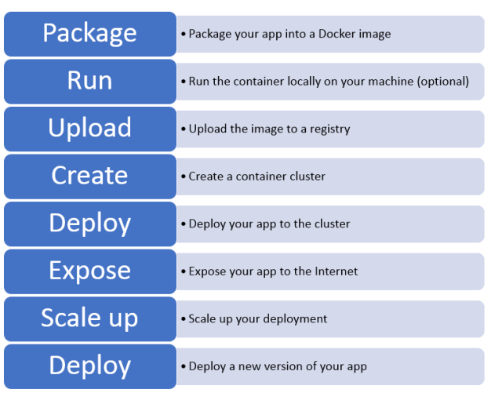
Note: While creating GCP Account
Create a new gmail account dedicated for GCP certification learning process
Create a GCP Account in Incognito mode

Site recovery
Devops
Stackdrivers, cloud build, kubernetes, kubernetes engine,Container registry | Operations and development perspective

Apply Site reliability engineering principles to a service
Optimize service performance
Implement service monitoring strategies | End goal is to avoid any multi config, cluster management, build tools…
Build and implement CI/CD pipeline for service
Manage service incidents

Top 10 things to know:
SRE - clear difference between SRO, SRA, SRI

Kubernetes Engine
Kubectle, gcloud cli commands
Error codes in 403/404 contexts
Complementary services around containers and kubes
Container complimentary services are
Google container registry | Easy to store and access private docker images in GCP. Easy to push and pull
Google cloud build | Deploy your containers on kubernetes cloud engine without needing t osetup authentication
Google Source Repositories | A single place to store, manage, and track code. Private Github

Very Important
Stack Drivers
StackDriver logging setup
setup alerts
Difference between stakcdriver modules
Workflows - Debug and trace heavily tested | Life of a log
 | Log entry
Difference between debug vs trace vs profiler | Logging API | Exprort
Stackdriver logging | log into Stack driver logging
 | Billing is calculated based on logs ingested

Cloud logging commands to know
gcloud logging
gcloud logging log lists
gcloud logging sinks create

Export logs need to know
Logging API
Cloud Storage
Cloud Pub/Sub
Big query

VPC Flow logs
https://cloud.google.com/vpc/docs/using-flow-logs

Handling Incidents
https://cloud.google.com/security/incident-response/
https://landing.google.com/sre/workbook/chapters/incident-response/

The main roles in incident response are the Incident Commander (IC), Communications Lead (CL), and Operations or Ops Lead (OL). IMAG organizes these roles into a hierarchy: the IC leads the incident response, and the CL and OL report to the IC.

Securing the pipelines. Container Security = Vulnerability analysis with Container Registry, Cloud Security Scanner
https://cloud.google.com/container-registry/docs/get-image-vulnerabilities

https://cloud.google.com/container-registry/docs/get-image-vulnerabilities

https://cloud.google.com/containers/security/

Kubernetes Engine uses what? Binary Authorization — you can require images to be signed by trusted authorities during the development process and then enforce signature validation when deploying. By enforcing validation, you can gain tighter control over your container environment by ensuring only verified images are integrated into the build-and-release process.

https://cloud.google.com/binary-authorization/

Load Balancing and Endpoints Know the basics of both VM and Container load balancing. What are instance groups. Know what Endpoints are and how the network policy is a specification of how groups of pods are allowed to communicate with each other and other network endpoints | https://kubernetes.io/docs/concepts/services-networking/

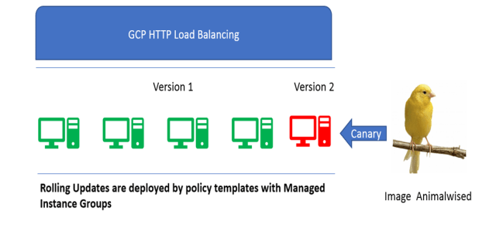

Infrastructure as Code (IaC)
Cloud Deployment Manager and Terraform were two areas that you may to understand. In Cloud Deployment Manager -Preview configuration gcloud deployment-manager deployments create example-deployment -config configuration-file.yaml \ -preview
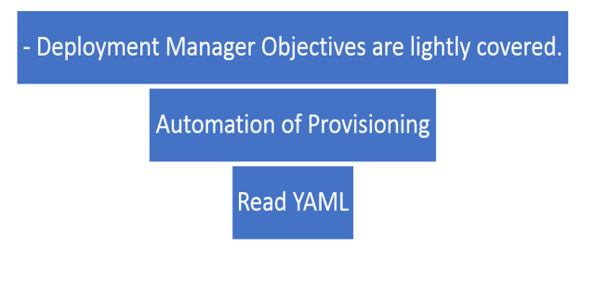

Deploying a containerized application to Kubernetes Engine Cloud Build, Know your build steps, Automatic vs manual and integrate with Cloud Repositories. Custom builds steps (Memorize). Speed Up Builds and CI Pipelines Know how to deploy a containerized app and the details ..

