Sheet1
SAFEGUARD |  | STANDARD WORK INSTRUCTION
 |  | DATE ORIGINATED: | 6-May-21 | REVISED BY | NMALHOTRA |  | DATE REVISED: | 6-May-21

Registering With Charity Republic
1 | Check your email inbox for an email inviting you to register with Charity Republic from Linamar SafeGaurd. |  |  |  | 2 | Click the word "Accept", it can be found in green underlined text.

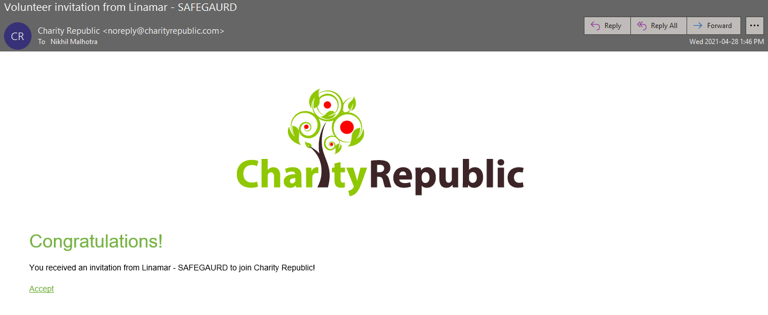

 |  |  |  |  | NOTE: REGISTERATION CAN ONLY HAPPEN BY CLICKING THIS LINK.

3 | Your web browser will open and navigate you to the Charity Republic registration page. |  |  |  | 4 | Click the "Create Your Account" button.

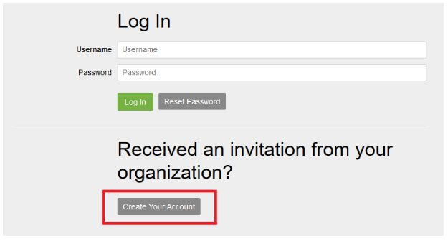

 |  |  |  |  | NOTE: IGNORE THE LOG-IN SECTION ABOVE.

5 | After clicking the "Create Your Account" button the web browser will navigate to the volunteer registration page. |  |  |  | 6 | Enter in your First Name, Last Name, the email you would like to be reached at.

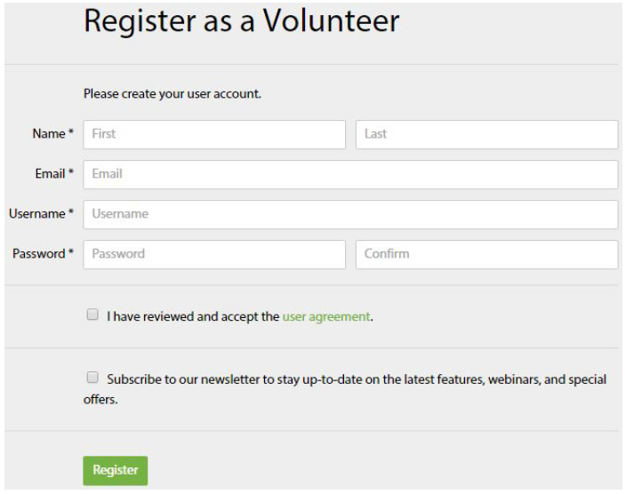

 |  |  |  |  | NOTE: USE AN APPROPRIATE EMAIL THAT YOU HAVE ACCESS TO.

7 | Also enter whatever username you wish to use to login, along with a password. Confirm your password and select the checkbox to accept the user agreement. |  |  |  | 8 | Click the green "Register" button after completeing the form. You will be automatically signed in and you can begin using the system right away!

NOTE: YOU CAN ENTER WHATEVER YOU WISH AS A USERNAME. THIS USERNAME AND PASSWORD WILL BE USED TO LOG IN MOVING FORWARD. |  |  |  |  | NOTE: MAKE SURE YOU HAVE CONFIRMED YOUR PASSWORD AND ACCEPTED THE USER AGREEMENT

