Sheet1
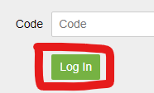
SAFEGUARD |  | STANDARD WORK INSTRUCTION
 |  | DATE ORIGINATED: | 6-May-21 | REVISED BY | NMALHOTRA |  | DATE REVISED: | 6-May-21

Logging In Using A Code
1 | Navigate to the Charity Republic Login. Link: |  |  |  | 2 | Enter your login code provided to you by the LINAMAR SAFEGUARD team.
 | https://launch.charityrepublic.com/auth/login

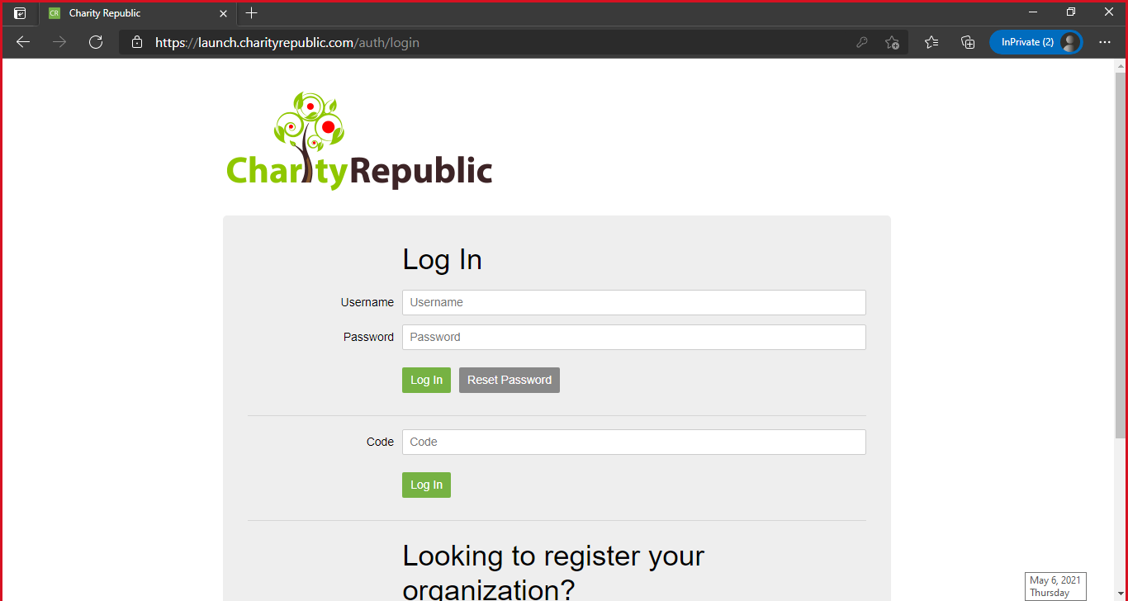

 |  |  |  |  | NOTE: THIS CODE IS CASE SENSITIVE. IGNORE THE LOGIN SECTION ABOVE YOU DO NOT NEED TO USE IT.

3 | Click the login button.

