Dental Network Tiers
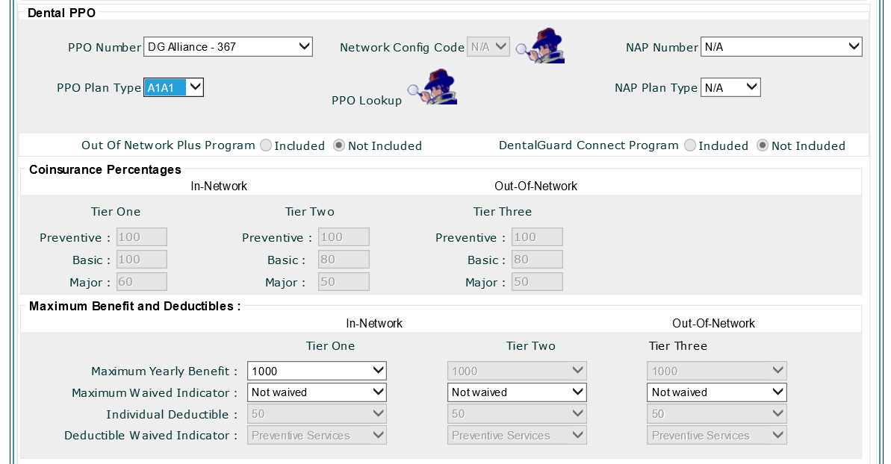
Dental Plan with one In-Network [Standard (Tier Two)] tier of services and one Out-of-Network tier of services (Tier Three).
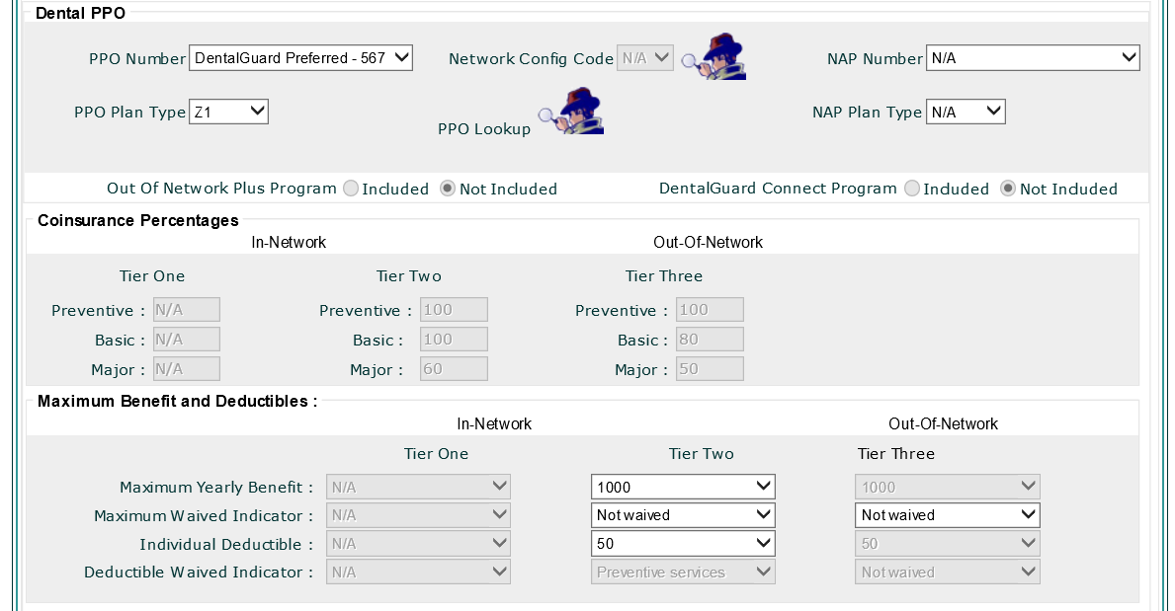

Dental Plan with two In-Network tiers of services [Preferred (Tier One) and Standard (Tier Two)] and one Out-of-Network tier of services (Tier Three)

