AETx
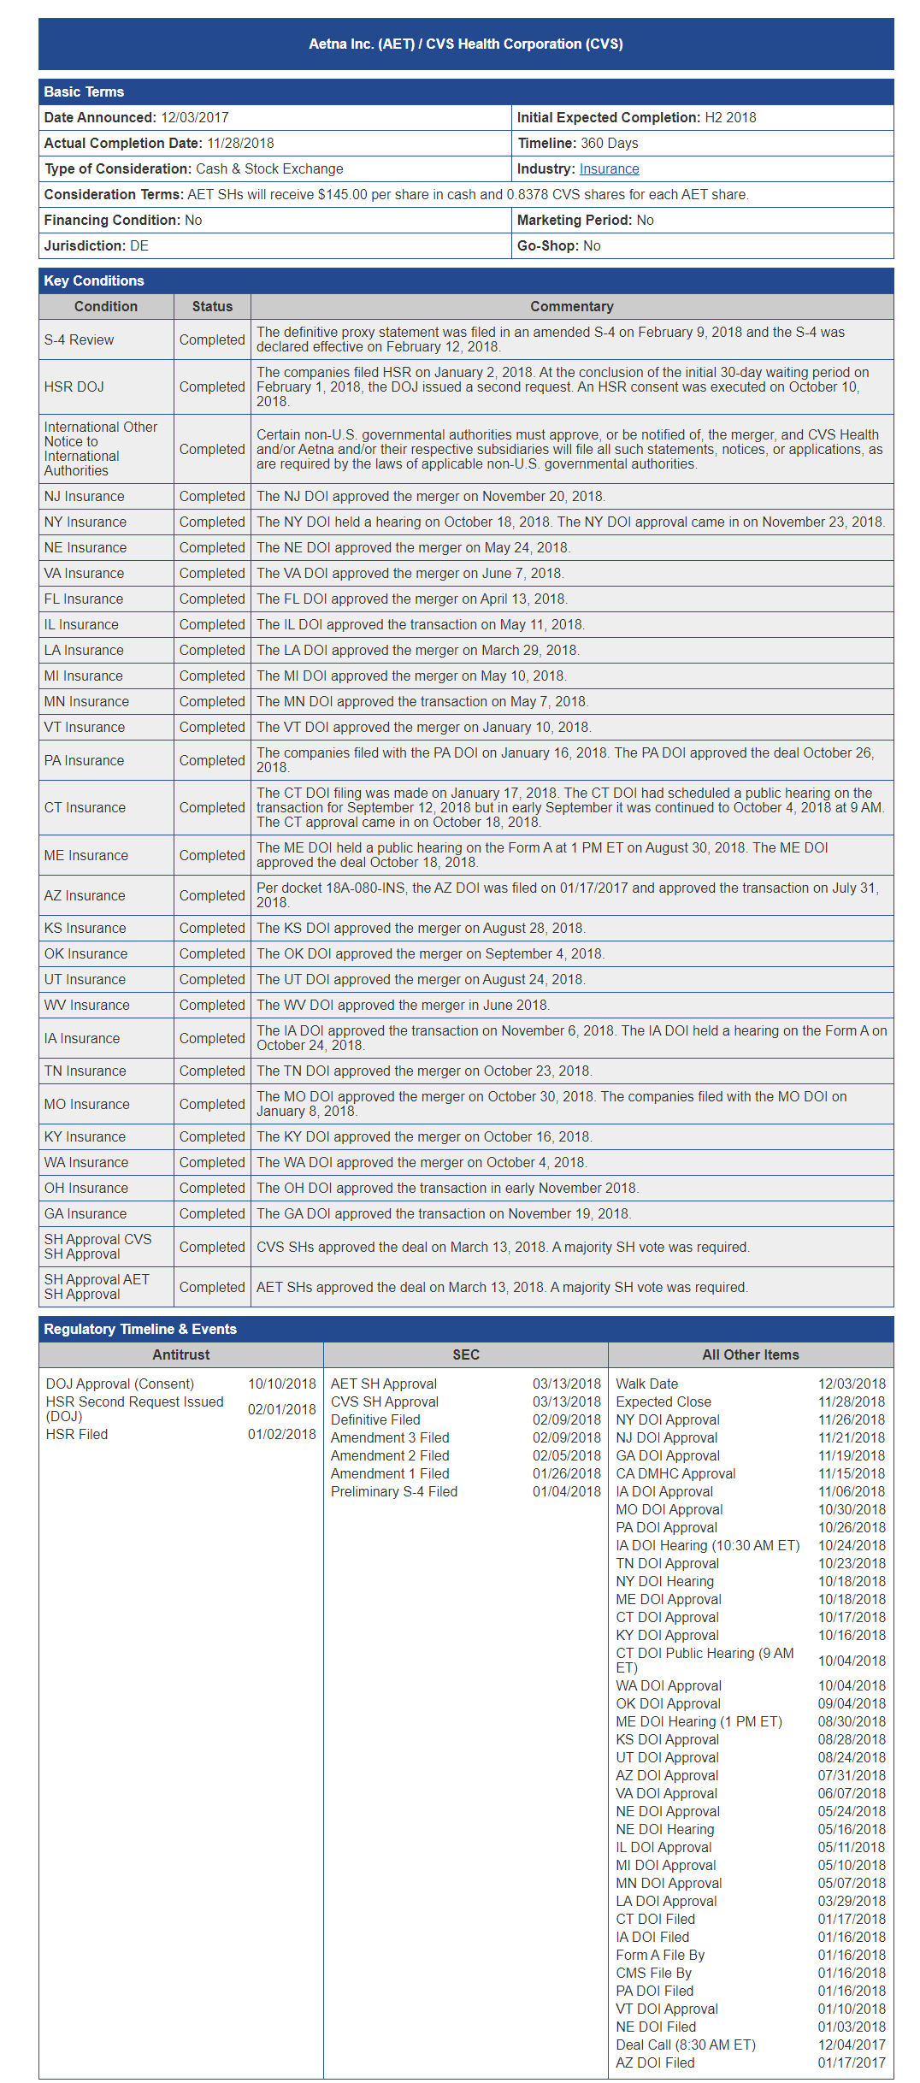
Antitrust | SEC | All Other Terms
Antitrust | SEC | All Other Terms
:--- | :--- | :---
 | The definitive proxy statement was filed on January 9, 2018.
S-4 Review | Completed | The comments filed by the SEC on January 31, 2018 were responded to on February 13, 2018.
Notice to International Authorities | Completed | Certain non-U.S. governmental authorities must approve, or be notified of, the merger, and CVS Health and Aetna anticipate that such statements will be made and/or such approvals obtained in Q1 of 2018.
NJ Insurance | Completed | The NJ DOI approved the merger on November 20, 2018.
NY Insurance | Completed | The NY DOI approved the merger on May 24, 2018.
ME Insurance | Completed | The ME DOI approved the merger on April 11, 2018.
VT Insurance | Completed | The VT DOI approved the merger on June 7, 2018.
PA Insurance | Completed | The PA DOI approved the merger on October 23, 2018.
MN Insurance | Completed | The MN DOI approved the merger on May 11, 2018.
CA Insurance | Completed | The CA DOI approved the merger on January 16, 2018.
AZ Insurance | Completed | The AZ DOI approved the merger on January 17, 2018.
CT Insurance | Completed | Per docket 18A-080-INS, the CT DOI held a public hearing on the Form A on January 31, 2018. The CT DOI issued a favorable Order on February 1, 2018 and scheduled a public hearing on the Form B for September 24, 2018.
OK Insurance | Completed | The OK DOI approved the merger on August 28, 2018.
KS Insurance | Completed | The KS DOI approved the merger on September 4, 2018.
TN Insurance | Completed | The TN DOI approved the merger on October 10, 2018.
WV Insurance | Completed | The WV DOI approved the merger on October 23, 2018.
IA Insurance | Completed | The IA DOI approved the merger on October 18, 2018.
MO Insurance | Completed | The MO DOI approved the merger on October 26, 2018.
GA Insurance | Completed | The GA DOI approved the transaction on November 13, 2018. A majority vote was required.
SH Insurance | Completed | CVS filed the deal on March 6, 2018.
Approval AET | Completed | AET SHs approved the transaction on May 11, 2018.

 |  | 10/10/2018
 |  | 10/31/2018
 |  | 11/9/2018
 |  | 11/28/2018
 |  | 12/4/2018
 |  | 12/10/2018
 |  | 12/28/2018
 |  | 1/18/2019
 |  | 1/18/2019
 |  | 1/18/2019
 |  | 1/24/2019
 |  | 1/25/2019
 |  | 2/5/2019
 |  | 2/28/2019
 |  | 3/28/2019
 |  | 4/24/2019
 |  | 5/10/2019
 |  | 5/15/2019
 |  | 5/24/2019
 |  | 6/21/2019
 |  | 6/28/2019
 |  | 7/3/2019
 |  | 7/10/2019

ACCx
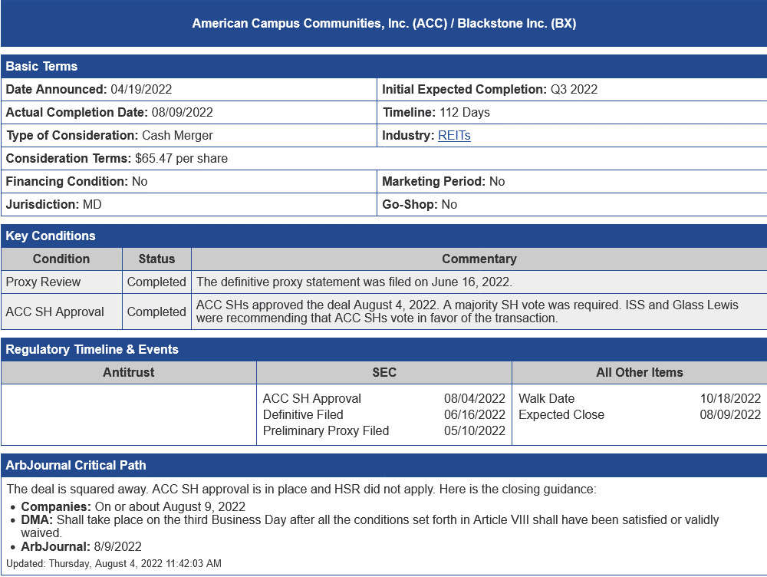
Antitrust | SEC | All Other Terms
Antitrust | SEC | All Other Terms
:--- | :--- | :---
ACC SH Approval | Walk Date | Expected Close
Definitive Filed | 08/04/2022
Preliminary Proxy Filed | 06/16/2022

ADSW
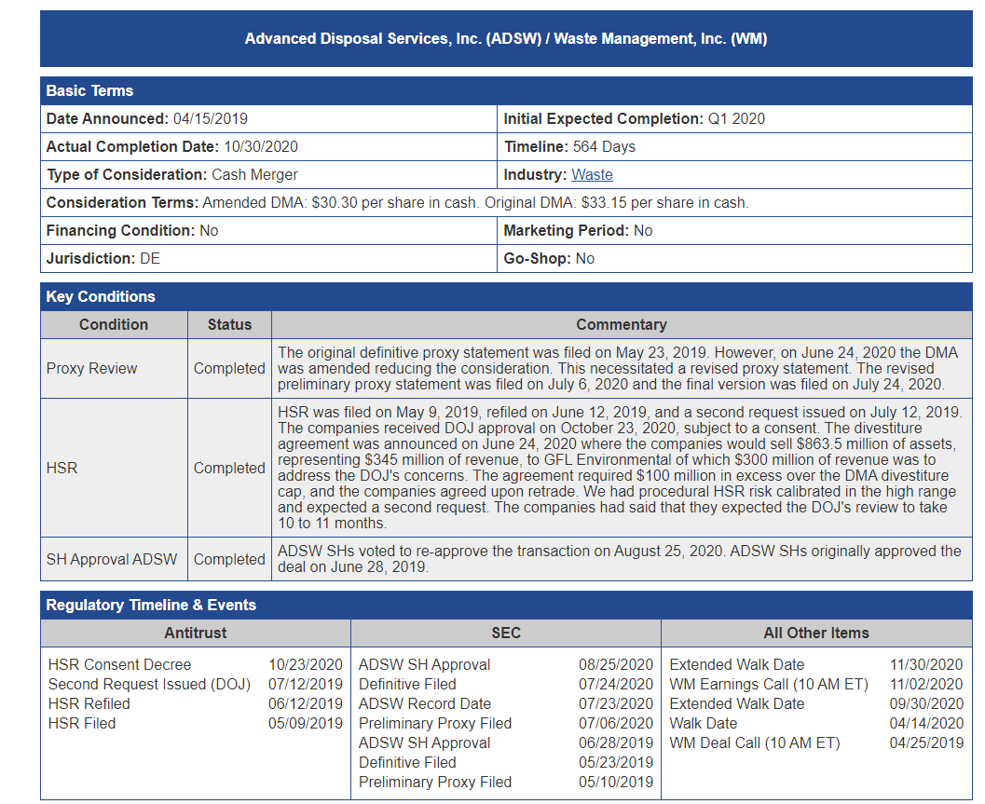
Antitrust | SEC | All Other Terms
Antitrust | SEC | All Other Terms
-------------------- | ---------------------- | -----------------------------
HSR Consent Decree | ADSW SH Approval | Extended Walk Date
10/23/2020 | 07/23/2020 | 11/02/2020
HSR Second Request (DOJ) | Definitive Filed | Walk Date
07/24/2020 | 08/12/2019 | 10/12/2020
HSR Refiled | ADSW Record Date | Walk Date (10 AM ET)
05/09/2019 | 05/29/2019 | 09/30/2020
 | Preliminary Proxy Filed | WM Deal Call (10 AM ET)
 | 05/10/2019 | 04/25/2019

AAWW
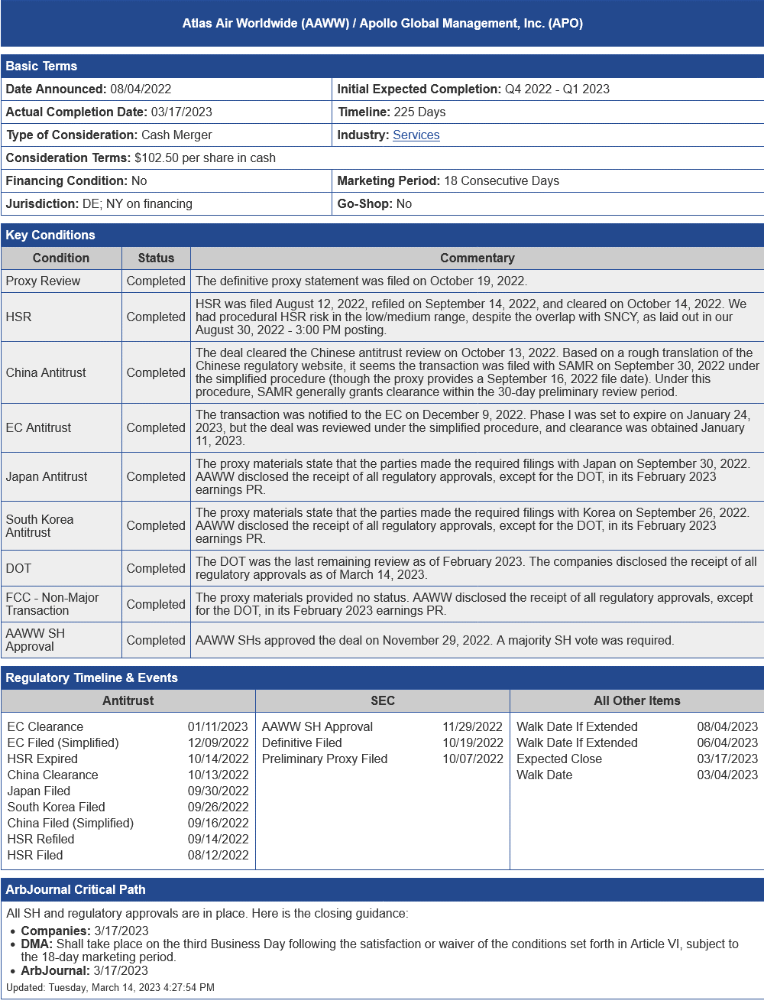
Antitrust | SEC | All Other Terms
Antitrust | SEC | All Other Terms
:---: | :---: | :---:
AAWW SH Approval 01/11/2023 | Walk Date Extended 11/29/2022 | EC Filed (Simplified) 08/04/2022
EC Filed (Simplified) 12/09/2022 | Walk Date Further Extended 12/09/2022 | China Clearance 06/04/2022
Japan Filed 09/16/2022 | Preliminary Proxy Filed 10/07/2022 | HSR Clearance 03/17/2023
China Clearance 09/30/2022 | Expected Close 10/14/2022 | HSR Filed (Simplified) 09/14/2022
HSR Filed (Simplified) 08/12/2022 |  | HSR Refiled 08/12/2022

ABMD
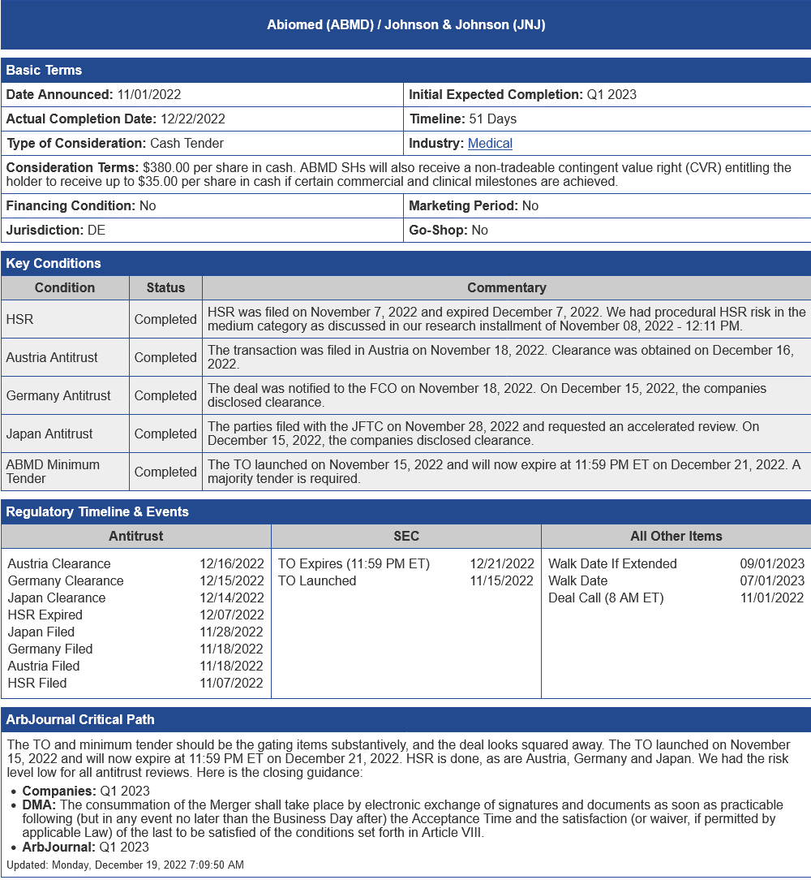
Antitrust | SEC | All Other Terms
Antitrust | SEC | All Other Terms
:--- | :--- | :---
Austria Clearance | TO Expired (11:59 PM ET) | Walk Date
Japan Clearance | 12/15/2022 Walk Date | Walk Date Extended
HSR Expired | 12/14/2022 | Deal Call (6 AM ET)
Japan Filed | 11/28/2022
Germany Filed | 11/18/2022
Austria Filed | 11/07/2022

ACIA
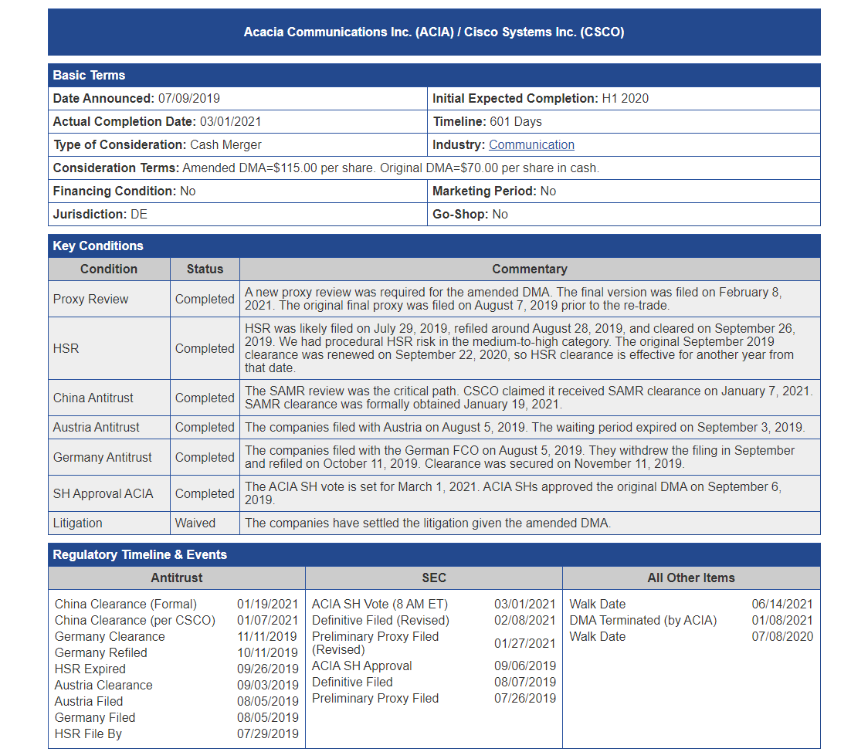
Antitrust | SEC | All Other Terms
Antitrust | SEC | All Other Terms
-------------------- | ---------------------- | -----------------------------
 | event_name2 date2
event_name4 date4 |  | event_name5 date5
 | event_name6 date6 | event_name7 date7
event_name8 date8 | event_name9 date9
 |  | event_name10 date10
event_name11 date11

ACI
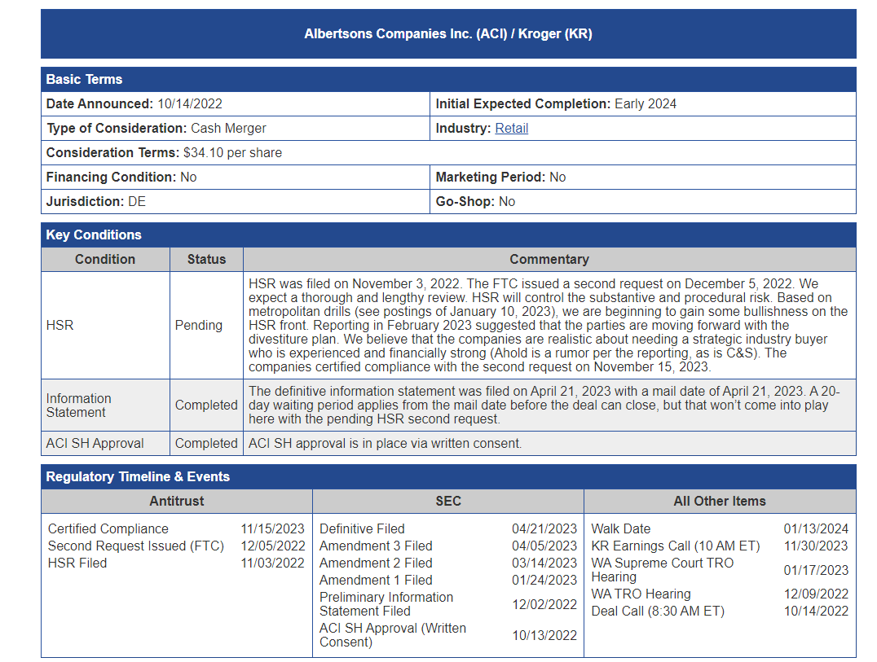
Antitrust | SEC | All Other Terms
Antitrust | SEC | All Other Terms
-------------------- | ---------------------- | -----------------------------
HSR was filed on November 3, 2022. | 04/21/2023 Walk Date | 01/13/2024 KR Earnings Call (10 AM ET)
The FTC issued a second request on December 5, 2022. We expect a thorough and lengthy review. | 04/05/2023 Amendment 2 Filed | 11/30/2023 WA Supreme Court TRO Hearing
HSR met second request on January 10, 2023. | 03/14/2023 Amendment 1 Filed | 12/09/2022 Deal Call (8:30 AM ET)
 | 01/24/2023 Preliminary Information Statement Filed
 | 12/02/2022 ACI SH Approval (Written Consent)
 | 10/13/2022 HSR SH Approval

AFxx
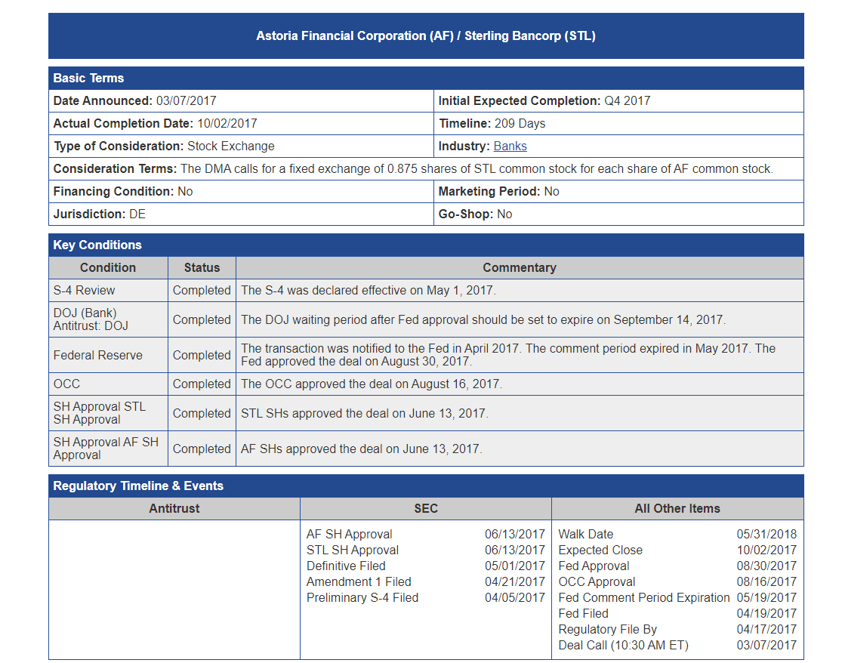
Antitrust | SEC | All Other Terms
Antitrust | SEC | All Other Terms
:--- | :--- | :---
 | event_name2 date2
event_name4 date4
 | event_name6 date6
event_name8 date8 | event_name9 date9
 |  | event_name10 date10
event_name11 date11

ABCM
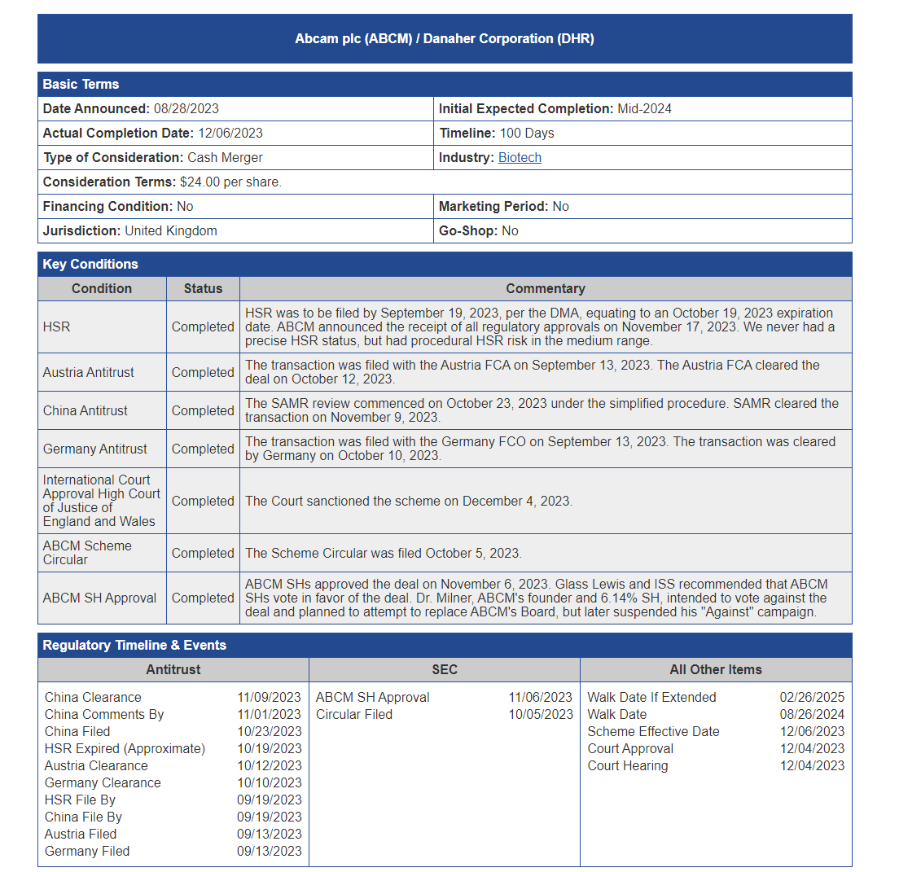
Antitrust | SEC | All Other Terms
Antitrust | SEC | All Other Terms
--- | --- | ---
HSR | Walk Date if Extended | ABM SH Approval
China Clearance | Scheme Effective Date | Circular Filed
China Filed | Court Approval | HSR Expired (Approximate)
HSR Clearance | Court Hearing | Austria Clearance
Germany Antitrust |  | SAMR Review commenced
International Court of Justice of England and Wales |  | The transaction was filed with the Germany FCO on September 13, 2023. The transaction was cleared by Germany on October 10, 2023.
ABM Scheme |  | The Scheme Circular was filed on November 6, 2023. Glass Lewis and ISS recommended that ABM SHs vote in favor of the deal. Dr. Milner, ABM's founder and 6.14% SH, intended to vote against the deal and planned to attempt to replace ABM's Board, but later suspended his "Against" campaign.

