References
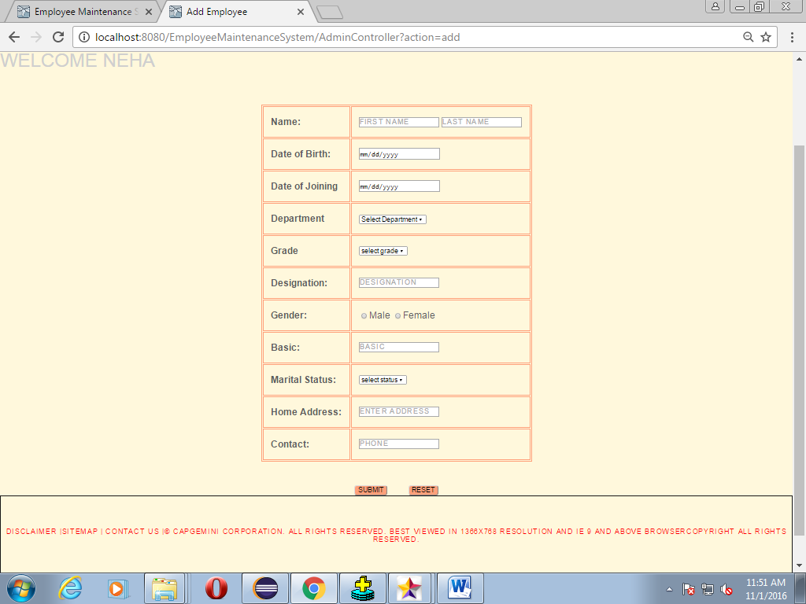
Reference Documents
# | Document name | Path and filename
1 | Repository reference | https://igteblrsvntng.igatecorp.com/svn/Oct3_Team1
2 | LLD_AddEmployeeModule.doc | /Project Documents/Design Documents/LLD/LLD/LLD_AddEmployeeModule.doc
3 | TraceabilityMatrix.xls | /Project Documents/Traceability matrix/TraceabilityMatrix.xls
4 | EmployeeMaintenanceSystem.doc | /Project Documents/Requirements/Case Study/Employee Maintenance System(Team2).doc
5 | HLD | /Project Documents/Design Documents/HLD

Screen Shots / Report Layouts

 | 1. Admin Home page

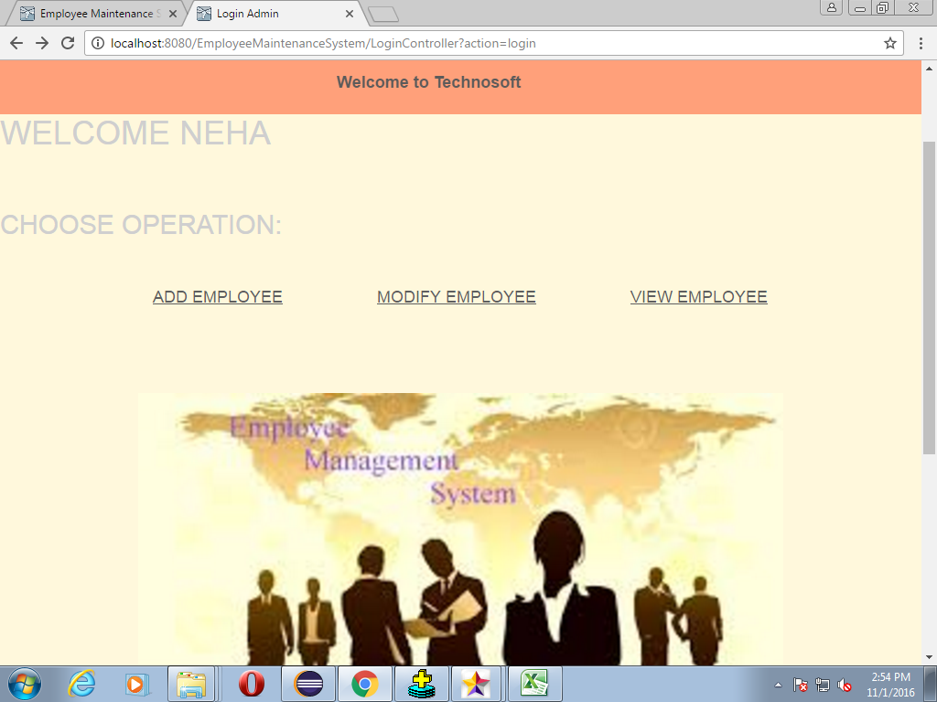

 | 2.Add Product Page

 | 2.Insert Employee Detail

