HT Types
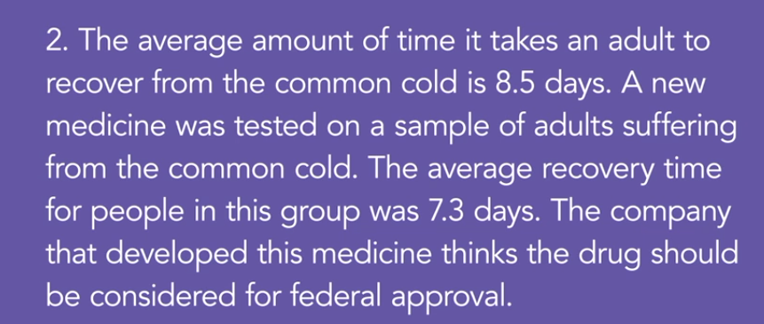
Example : Two Tailed Test

 | Example : One tailed test

Example : One tailed Test

HT-Proportion
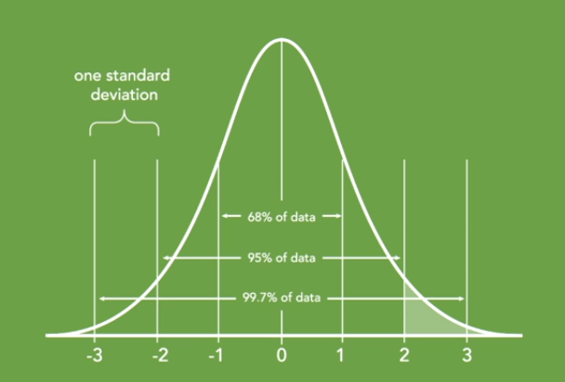
Step 1 | Develop Hypothesis |  |  | One-tailed test : Rejection if the proportion lies in the shaded area
 | H0 | p <= 0.50 | Candidate Loses
 | Ha | p > 0.50 | Candidate Wins
 | Significance Level | 0.05
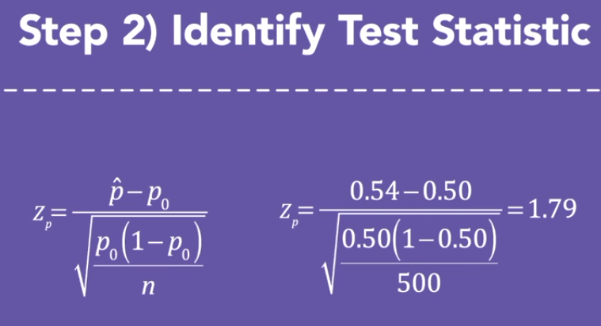

 | n | 500
 |  | Candidate A | Candidate B
 | Proportion of votes | 0.54 | 0.5
 | Sampling error | 0.022289010745
 | Z-score | 1.7946063402
 | z-score value | 0.96364177886
 | p-value | 0.03635822114

 | p-value > significance | Do not reject Null Hypothesis
 | p-value < significance | Reject Null Hypothesis

 | RESULT | REJECT

Errors - Type 1 and 2
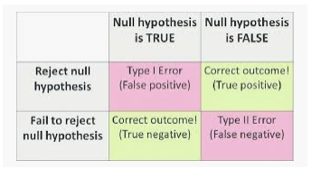

ANOVA
ANOVA is a procedure used to determine if a variation between reported output is a result of some particular factor or if the variation is simply a result of randomness

 | Suppose there are 4 mobile companies and we have 4 customer ratings for each

 |  | Air Mobile | Binge Tech | ComMobile | Data Roam | Hypothesis Test
 |  | 5 | 8 | 5 | 4
 |  | 3 | 3 | 6 | 6 | H0 | The population mean for all service providers is equal
 |  | 5 | 4 | 5 | 8 | Ha | not equal
 |  | 3 | 5 | 8 | 2
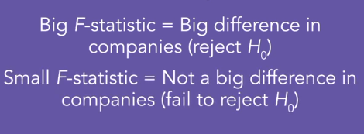
 | Mean | 4 | 5 | 6 | 5 | significance level | 0.05
 | Grand Mean | 5
 |  | Total sum of squares |  |  |  | Calculate test statistic -> F-statistic
 |  | 0 | 9 | 0 | 1
 |  | 4 | 4 | 1 | 1
 |  | 0 | 1 | 0 | 9
 |  | 4 | 0 | 9 | 9
 | Total sum of squares (TSS) | 52
 |  | Sum of squares within
 |  | 1 | 9 | 1 | 1 | m : no of levels | df for SSB | 4
 |  | 1 | 4 | 0 | 1 | n : total no of observations | df for SSW | 16
 |  | 1 | 1 | 1 | 9
 |  | 1 | 0 | 4 | 9 | F-stat | 0.72727272727
 | Sum of squares within (SSW) | 44 |  |  |  | p-value | 3.4902948195
 |  | Sum of squares between
 |  | 4 | 0 | 4 | 0 | RESULT | null not rejected
 | sum of squares between (SSB) | 8

 | SSB = TSS - SSW

