Dashboard
BUSINESS SALES PERFORMANCE DASHBOARD

Total Revenue
Total Profit
Profit Margin
R285 988,28
12,46%
R2 295 273,92

Profit Performance by Region
 | Total
West | 108418.4489
East | 91500.883
South | 46618.0483
Central | 39450.8975
Revenue Trends Over Time
 | Total
Jan | 14236.895
Feb | 4519.892
Mar | 55691.009
Apr | 28178.561
May | 23648.287
Jun | 34595.1276
Jul | 33946.393
Aug | 27909.4685
Sept | 81777.3508
Oct | 31453.393
Nov | 78628.7167
Dec | 69136.8765
Jan | 18174.0756
Feb | 11951.411
Mar | 38726.252
Apr | 34195.2085
May | 30131.6865
Jun | 24797.292
Jul | 28765.325
Aug | 36898.3322
Sept | 64595.918
Oct | 31404.9235
Nov | 75972.5635
Dec | 74919.5212
Jan | 18542.491
Feb | 22978.815
Mar | 51715.875
Apr | 38049.335
May | 56987.728
Jun | 40344.534
Jul | 39261.963
Aug | 31115.3743
Sept | 73410.0249
Oct | 59687.745
Nov | 79411.9658
Dec | 96999.043
Jan | 43971.374
Feb | 20301.1334
Mar | 58872.3528
Apr | 36521.5361
May | 43852.3662
Jun | 52981.7257
Jul | 45264.416
Aug | 63120.888
Sept | 87574.692
Oct | 77776.9232
Nov | 118447.825
Dec | 83829.3188

Top Performing Products
 | Total
Phones | 330007.054
Chairs | 328449.103
Storage | 223843.608
Tables | 206965.532
Binders | 203412.733
Revenue by Customer Segment
 | Total
Consumer | 1161109.385
Corporate | 705737.6228
Home Office | 428426.9165

Conclusion
BUSINESS SALES ANALYSIS – PROJECT SUMMARY

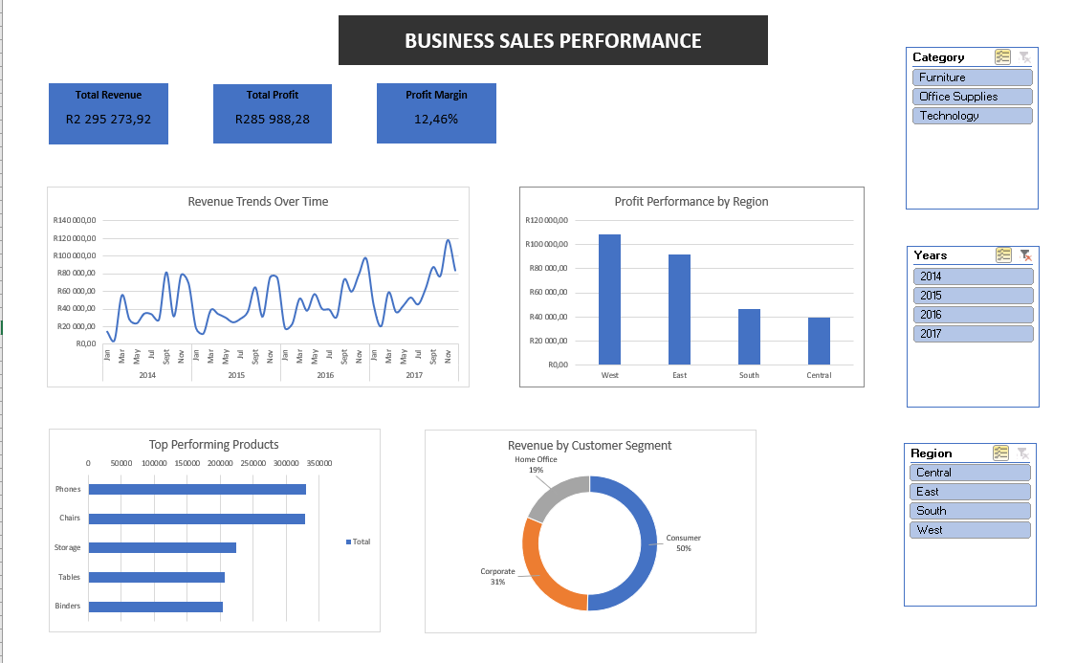

Project Overview

This project analyzes business sales performance data from 2014 to 2017 using Microsoft Excel. The goal was to identify revenue trends, profitable regions, top-performing products, and customer segments to support business decision-making.

Tools & Techniques Used

Microsoft Excel
Pivot Tables
Pivot Charts
Slicers
KPI Calculations
Data Cleaning & Formatting

Key Performance Indicators (KPIs)

Total Revenue: R2 295 273,92
Total Profit: R285 988,28
Profit Margin: 12,46%

Key Insights

Revenue Trends

Revenue showed consistent growth between 2014 and 2017.
Sales performance peaked toward late 2017, indicating increased business activity.

Regional Performance

The West region generated the highest profit.
South and Central regions showed lower profitability and may require improvement strategies.

Product Performance

Phones and Chairs were the top-performing products based on sales.
Storage, Tables, and Binders generated comparatively lower revenue.

Customer Segments

Consumer customers contributed 50% of total revenue.
Corporate customers accounted for 31% of sales.
Home Office customers contributed the smallest share.

Business Recommendations

Increase marketing efforts in high-performing regions like West and East.
Focus inventory and promotions on top-selling products such as Phones and Chairs.
Investigate operational costs in lower-performing regions to improve profitability.
Develop targeted campaigns for Consumer customers to maximize sales growth.

Conclusion

The dashboard successfully provides a clear overview of business sales performance and highlights important trends, opportunities, and areas for improvement. The analysis demonstrates how data analytics can support better strategic business decisions.

