Список сравнения
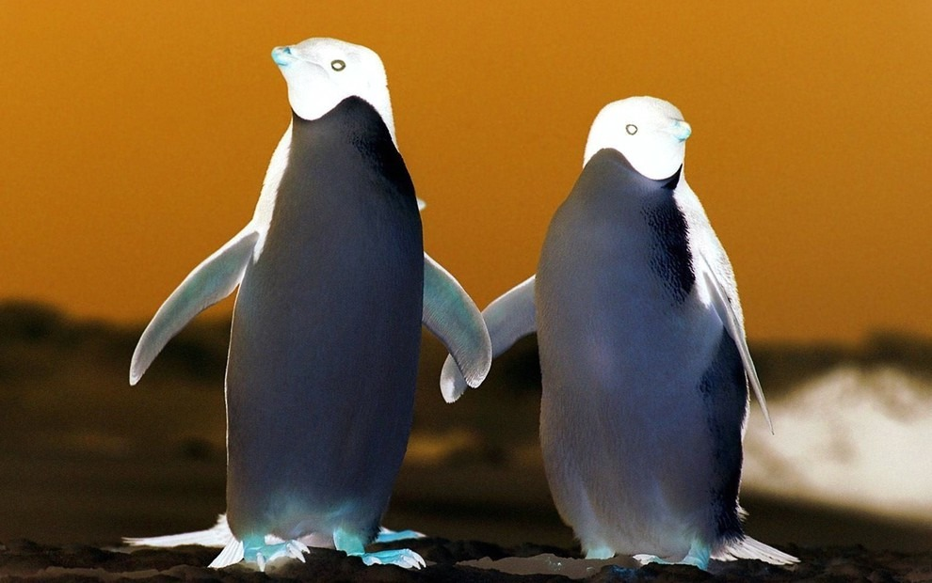
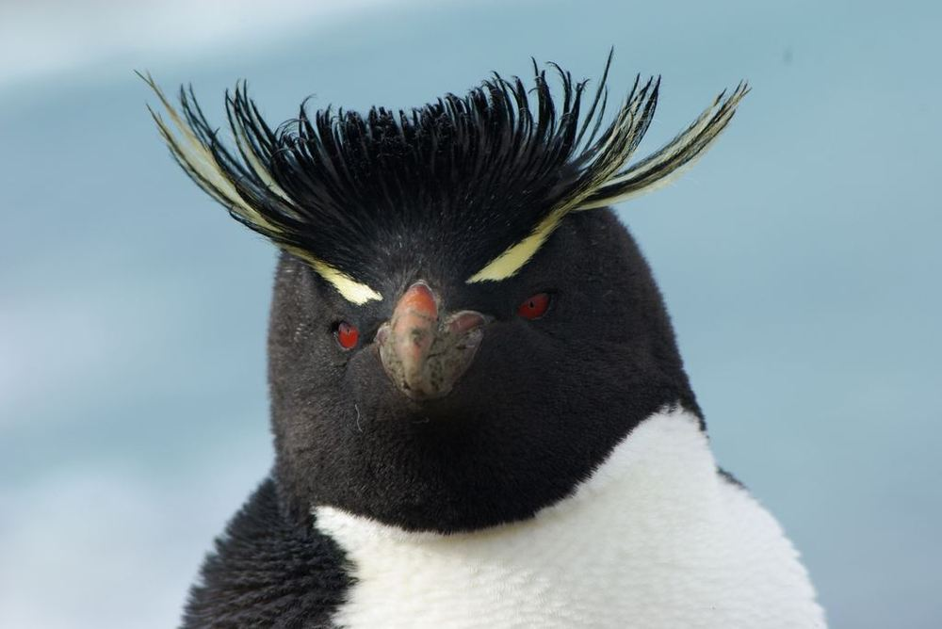
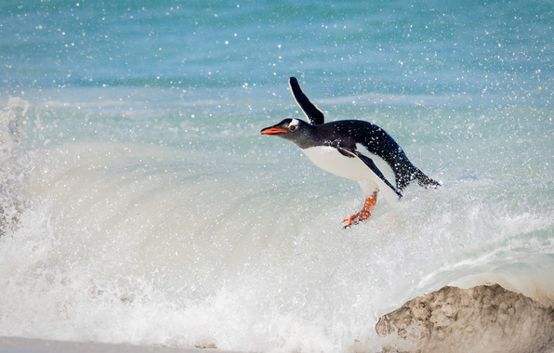
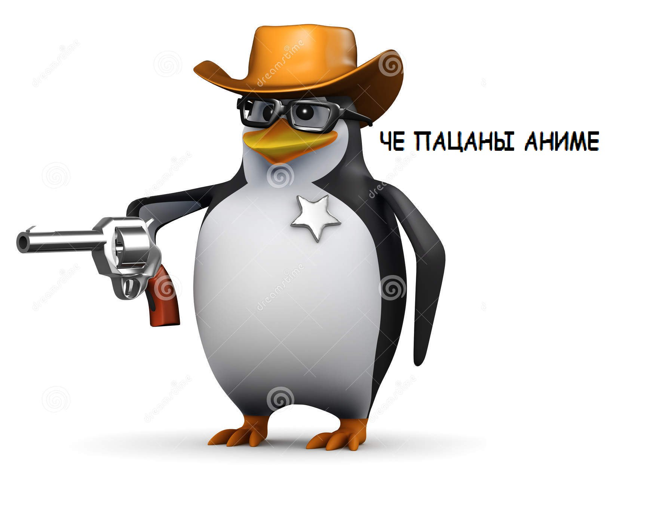
Keras models comparision

Model | Architecture | Classification accuracy | Inverted colors image accuracy | Blurred image accuracy | Prediction time
ResNet50 | - Use 3*3 filters mostly. - Down sampling with CNN layers with stride 2. - Global average pooling layer and a 1000-way fully-connected layer with Softmax in the end. | Predicted for pinguin-1.jpg: [('n02056570', 'king_penguin', 0.9963462), ('n02058221', 'albatross', 0.0011912704), ('n01582220', 'magpie', 0.00025654366)] Predicted for pinguin-2.jpg: [('n02056570', 'king_penguin', 0.9423125), ('n01531178', 'goldfinch', 0.015258257), ('n01847000', 'drake', 0.0036142166)] Predicted for pinguin-3.jpg: [('n02056570', 'king_penguin', 0.821942), ('n02012849', 'crane', 0.07052498), ('n01855032', 'red-breasted_merganser', 0.014717029)] Predicted for pinguin-4.jpg: [('n02037110', 'oystercatcher', 0.4230705), ('n02894605', 'breakwater', 0.0691418), ('n03388043', 'fountain', 0.058626067)] Predicted for pinguin-5.jpg: [('n03124170', 'cowboy_hat', 0.26061028), ('n02056570', 'king_penguin', 0.12941094), ('n03127747', 'crash_helmet', 0.08955229)] | Predicted for pinguin-2-inverted.jpg: [('n02056570', 'king_penguin', 0.33089247), ('n04040759', 'radiator', 0.14554799), ('n03930313', 'picket_fence', 0.06749211)] | Predicted for pinguin-2-blurred.jpg: [('n04612504', 'yawl', 0.067583494), ('n01795545', 'black_grouse', 0.04821865), ('n04008634', 'projectile', 0.040691394)] | Average prediction time: 0.519704920904977 seconds | 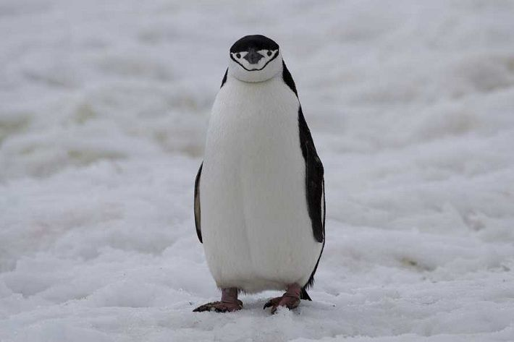
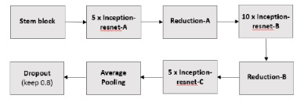 InceptionResNetV2 |  | Predicted for pinguin-1.jpg: [('n02056570', 'king_penguin', 1.0), ('n02484975', 'guenon', 6.957608e-09), ('n01582220', 'magpie', 4.7118403e-09)] Predicted for pinguin-2.jpg: [('n02056570', 'king_penguin', 1.0), ('n01582220', 'magpie', 2.8764526e-09), ('n02071294', 'killer_whale', 9.1151403e-10)] Predicted for pinguin-3.jpg: [('n02056570', 'king_penguin', 1.0), ('n01582220', 'magpie', 1.9031974e-08), ('n01798484', 'prairie_chicken', 8.85275e-09)] Predicted for pinguin-4.jpg: [('n02037110', 'oystercatcher', 0.9011574), ('n01855032', 'red-breasted_merganser', 0.07714122), ('n02056570', 'king_penguin', 0.010584762)] Predicted for pinguin-5.jpg: [('n03124170', 'cowboy_hat', 0.7582562), ('n02056570', 'king_penguin', 0.2334176), ('n04560804', 'water_jug', 0.0033045423)] | Predicted for pinguin-2-inverted.jpg: [('n02058221', 'albatross', 0.6492875), ('n01616318', 'vulture', 0.320396), ('n02056570', 'king_penguin', 0.021797005)] | Predicted for pinguin-2-blurred.jpg: [('n02056570', 'king_penguin', 1.0), ('n02500267', 'indri', 3.5974148e-09), ('n02071294', 'killer_whale', 1.2994228e-09)] | Average prediction time: 1.3457952226911272 seconds
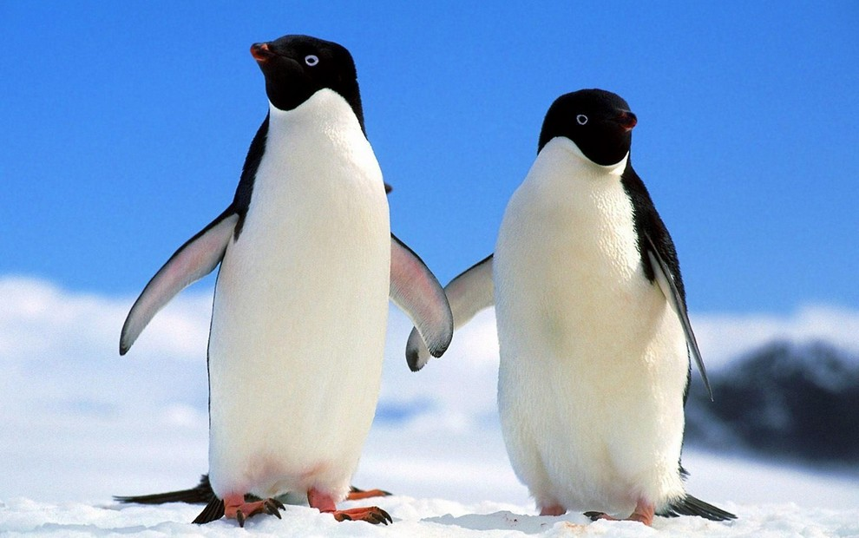
DenseNet201 | DenseNet architecture is new, it is a logical extension of ResNet. It connects each layer to every other layer in a feed-forward fashion. Whereas traditional convolutional networks with L layers have L connections — one between each layer and its subsequent layer — DenseNet network has L(L+1)/ 2 direct connections. For each layer, the feature-maps of all preceding layers are used as inputs, and its own feature-maps are used as inputs into all subsequent layers. DenseNets have several compelling advantages: they alleviate the vanishing-gradient problem, strengthen feature propagation, encourage feature reuse, and substantially reduce the number of parameters. | Predicted for pinguin-1.jpg: [('n02056570', 'king_penguin', 0.9964173), ('n02441942', 'weasel', 0.00084818195), ('n02167151', 'ground_beetle', 0.0002859722)] Predicted for pinguin-2.jpg: [('n02056570', 'king_penguin', 0.89483494), ('n01806567', 'quail', 0.010079424), ('n01531178', 'goldfinch', 0.0075903716)] Predicted for pinguin-3.jpg: [('n02056570', 'king_penguin', 0.9375538), ('n02012849', 'crane', 0.011203994), ('n01798484', 'prairie_chicken', 0.009756996)] Predicted for pinguin-4.jpg: [('n01855672', 'goose', 0.48326084), ('n01855032', 'red-breasted_merganser', 0.29676569), ('n01860187', 'black_swan', 0.04398686)] Predicted for pinguin-5.jpg: [('n03124170', 'cowboy_hat', 0.41216257), ('n02056570', 'king_penguin', 0.2764567), ('n02895154', 'breastplate', 0.030859556)] | Predicted for pinguin-2-inverted.jpg: [('n02058221', 'albatross', 0.36722416), ('n02056570', 'king_penguin', 0.14171079), ('n01616318', 'vulture', 0.08662623)] | Predicted for pinguin-2-blurred.jpg: [('n02056570', 'king_penguin', 0.99248934), ('n03729826', 'matchstick', 0.0026566964), ('n02071294', 'killer_whale', 0.0010825203)] | Average prediction time: 1.4353206498282296 seconds
NASNet | In NAS, a controller recurrent neural network (RNN) samples child networks with different architectures. The child networks are trained to convergence to obtain some accuracy on a held-out validation set. The resulting accuracies are used to update the controller so that the controller will generate better architectures over time. The controller weights are updated with policy gradient | Predicted for pinguin-1.jpg: [('n02056570', 'king_penguin', 0.9123393), ('n02747177', 'ashcan', 0.00045383512), ('n01828970', 'bee_eater', 0.00033047402)] Predicted for pinguin-2.jpg: [('n02056570', 'king_penguin', 0.9212347), ('n02747177', 'ashcan', 0.00045104892), ('n04501370', 'turnstile', 0.0003046025)] Predicted for pinguin-3.jpg: [('n02056570', 'king_penguin', 0.8890736), ('n04591157', 'Windsor_tie', 0.0004958272), ('n02747177', 'ashcan', 0.000491574)] Predicted for pinguin-4.jpg: [('n01855672', 'goose', 0.5654444), ('n02056570', 'king_penguin', 0.14260058), ('n02108000', 'EntleBucher', 0.04294511)] Predicted for pinguin-5.jpg: [('n03124170', 'cowboy_hat', 0.76467985), ('n04086273', 'revolver', 0.018297754), ('n02056570', 'king_penguin', 0.01504457)] | Predicted for pinguin-2-inverted.jpg: [('n02056570', 'king_penguin', 0.92237157), ('n02747177', 'ashcan', 0.0005252167), ('n02058221', 'albatross', 0.0004886919)] | Predicted for pinguin-2-blurred.jpg: [('n02056570', 'king_penguin', 0.92271847), ('n02071294', 'killer_whale', 0.00057372905), ('n02747177', 'ashcan', 0.00041958003)] | Average prediction time: 3.890056950705392 seconds

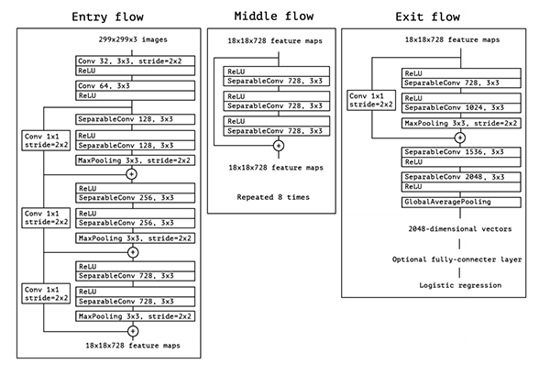 Xception |  | Predicted for pinguin-1.jpg: [('n02056570', 'king_penguin', 0.98011935), ('n02058221', 'albatross', 0.001279405), ('n02441942', 'weasel', 0.00033577363)] Predicted for pinguin-2.jpg: [('n02056570', 'king_penguin', 0.80614233), ('n01855672', 'goose', 0.003291856), ('n01855032', 'red-breasted_merganser', 0.0031998733)] Predicted for pinguin-3.jpg: [('n02056570', 'king_penguin', 0.49676034), ('n02012849', 'crane', 0.10141011), ('n01855672', 'goose', 0.065385334)] Predicted for pinguin-4.jpg: [('n02056570', 'king_penguin', 0.1691614), ('n02037110', 'oystercatcher', 0.16850254), ('n02058221', 'albatross', 0.07671729)] Predicted for pinguin-5.jpg: [('n03124170', 'cowboy_hat', 0.064956225), ('n04086273', 'revolver', 0.04438023), ('n06596364', 'comic_book', 0.030448204)] | Predicted for pinguin-2-inverted.jpg: [('n02056570', 'king_penguin', 0.2739955), ('n02058221', 'albatross', 0.04868792), ('n01819313', 'sulphur-crested_cockatoo', 0.024193833)] | Predicted for pinguin-2-blurred.jpg: [('n02056570', 'king_penguin', 0.9368733), ('n02071294', 'killer_whale', 0.0064600776), ('n01855032', 'red-breasted_merganser', 0.0012311954)] | Average prediction time: 0.790405443736485 seconds

