Sheet1
 | http://www.nbrb.by/

1 | Most of PDF files are in Russian (https://www.nbrb.by/bel/publications/banksector)
2 | Time is in 24h format
3 | Date format is dd/mm/yyyy instead of mm/dd/yyyy | 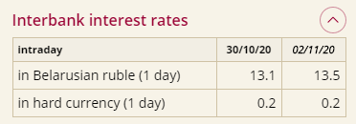
4 | For the month' is trancated even though there is enough space to show it completely (http://www.nbrb.by/engl/statistics/financialmarkets/interbankrates) | 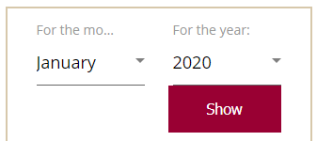
5 | When a user is on any page and switches language, the user is redirected to the Home page even though there is translated version of the page where user was
6 | Some sata is not translated (http://www.nbrb.by/engl/payment/bic)

