Sheet1
 | https://belmapo.by/

1 | Mobile: Social network icons on main page are missing
2 | Mobile: Big gap between elements of the same group | 
3 | Mobile: Text on the button is cut
4 | Mobile: Navigation arrow is cut
5 | Mobile: Images are shrinked | 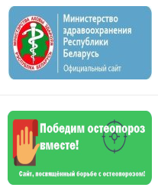
6 | Tablet: Images are shrinked | 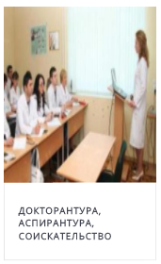
7 | Tablet: Elements overlap each other on tablet

