Sheet1
UKMARSBOT Simple Turn Profile Calculator

 | INPUTS | You must enter choices for your robot
 | OUTPUTS | Values calculated for turn parameters
 | INFO | Other stuff you might want to know
The turns have a simple trapezoidal angular velocity profile. The resulting curve is technically a clothoid. It has three phases. Phase 1 is where the robot transitions form straight to constant radius. Phase 2 is the constant radius section. Phase 3 is where the robot unwinds to straight motion again. You can choose the length of phase 1. Phase 2 is the same. A longer phase 1 distance produces a gentler transition and is easier on the wheels but may result in a larger lateral force than the robot can sustain without skidding..
Note that the existence of these entry and exit phases means that the effective radius of the curve is always greater than the actual radius of the middle phase.

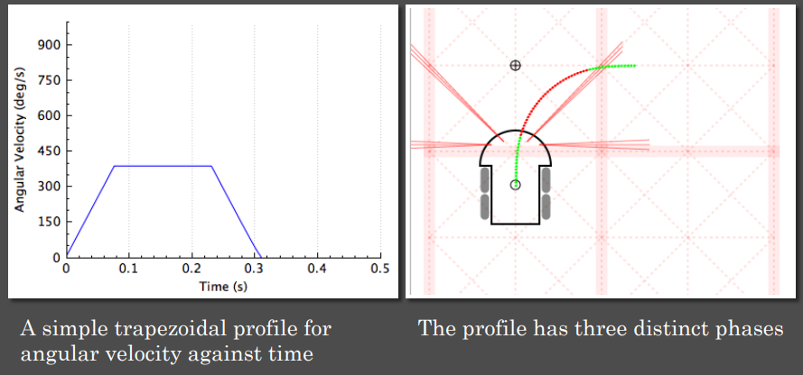

 | Turn Angle | 90 | deg | Total Angle for this turn
 | Turn speed | 300 | mm/s | Desired speed for this turn
 | Minimum Radius | 60 | mm | Changes effective radius and acceleration
 | Phase 1 Distance | 30 | mm/s | Bigger is more gentle - affects radius
 | Turn Acceleration | 1500.0 | mm/s/s | Resulting centripetal acceleration
 | Max Omega | 5.0 | rad/s
 | Max Omega | 286.5 | deg/s | Turn Parameter – angular velocity
 | T1 | 0.10 | s
 | Angular Acceleration | 50.00 | rad/s/s
 | Angular Acceleration | 2864.8 | deg/s/s | Turn Parameter – Angular acceleration
 | Theta_1 | 14.324 | deg
 | Theta_2 | 61.352 | deg
 | Theta_3 | 14.324 | deg
 | T2 | 0.214 | s
 | T3 | 0.100 | s
 | Total Time | 0.414 | s | Total time for turn
 | Mouse Radius | 38 | mm | Used to calculate wheel loads
 | Wheel Acceleration | 1900 | mm/s/s | Acceleration required of wheels
 | Inner Speed | 110 | mm/s | Lowest speed of inner wheel

