Sheet1
MORGAN & STANLEY
Consolidated Balance Sheet | 2022 | 2021
Assets
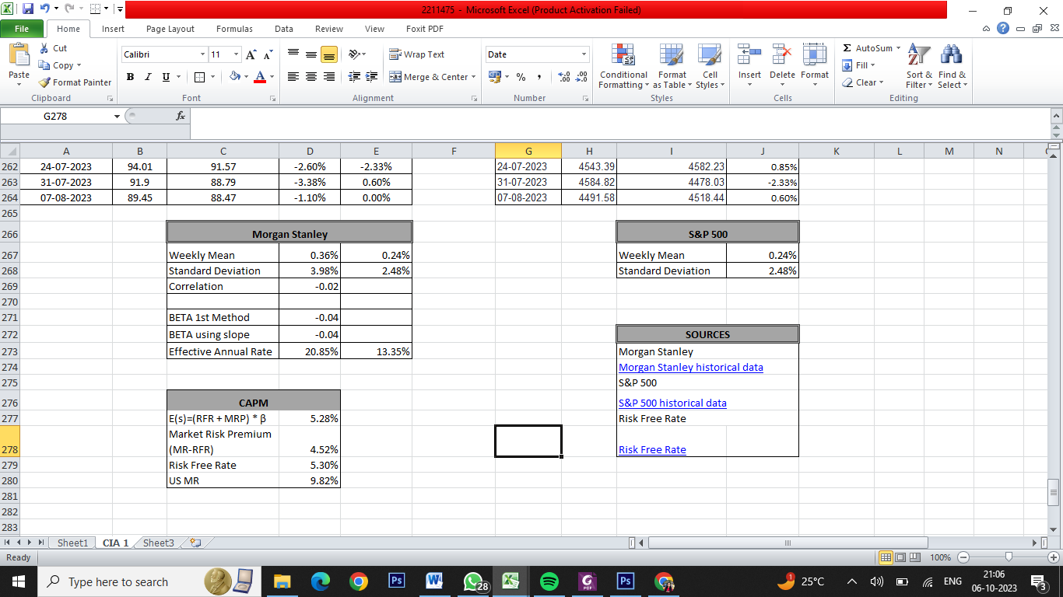
Fiscal year is January-December. All values USD Millions.
Total Cash & Due from Banks | $5,409.00 | $8,394.00
Cash & Due from Banks Growth | $-0.36 | $-0.14
Investments - Total | $847,252.00 | $861,690.00
Trading Account Securities | $301,315.00 | $294,869.00
Federal Funds Sold & Securities Purchased | $247,281.00 | $249,712.00
Securities Bought Under Resale Agreement | $247,281.00 | $249,712.00
Treasury Securities | $82,465.00 | $87,674.00
Federal Agency Securities | $65,212.00 | $75,008.00
State & Municipal Securities | $2,627.00 | $648.00
Mortgage Backed Securities | $8,525.00 | $17,996.00
Other Securities | $1,102.00 | $1,672.00
Other Investments | $138,725.00 | $134,111.00
Investments Growth | $-0.02 | $0.03
Net Loans | $198,997.00 | $174,302.00
Commercial & Industrial Loans | $42,195.00 | $49,024.00
Consumer & Installment Loans | $94,666.00 | $86,502.00
Real Estate Mortgage Loans | $54,460.00 | $44,258.00
Loan Loss Allowances (Reserves) | $-839.00 | $-654.00

Investment in Unconsolidated Subs. | $1,927.00 | $2,214.00
Loans - 1 Yr Growth Rate | $0.14 | $0.27
Loans (Total) / Total Deposits | $- | $-
Loans (Total) / Total Assets | $- | $-
Net Property, Plant & Equipment | $4,073.00 | $4,268.00
Other Assets (Including Intangibles) | $120,456.00 | $137,019.00
Other Assets | $96,186.00 | $111,826.00
Intangible Assets | $24,270.00 | $25,193.00
Total Assets | $1,183,057.00 | $1,191,473.00
Liabilities & Shareholders' Equity
All values USD Millions. | $2,022.00 | $2,021.00
Total Deposits | $356,646.00 | $347,574.00
Savings/Time Deposits | $154,054.00 | $49,222.00
Unspecified Deposits | $202,592.00 | $298,352.00
Deposits Growth | $0.03 | $0.12 |  | Weight of equity | 29%
Total Debt | $329,330.00 | $322,812.00 |  | Weight of Debt | 71%
ST Debt & Current Portion LT Debt | $103,128.00 | $85,710.00 |  | Cost of equity(E(s)) cia 1 | 9.27%
Current Portion of Long Term Debt | $24,045.00 | $10,337.00 |  | Cost of debt (RFR) cia 1 | 4.27%
Short Term Debt | $79,083.00 | $75,373.00 |  | Effective Tax rate | 20.70%
Long-Term Debt | $226,202.00 | $237,102.00
LT Debt excl. Capitalized Leases | $222,171.00 | $232,831.00 |  | FCFF
Long Term Debt Growth | $-0.05 | $0.20 |  | CFO | $26,868.00
 |  |  | less | FCI | -$195.00
Total Debt / Total Assets | $0.28 | $0.27 | add | int*(1-t) | $9,728.52
Deferred Tax Liabilities | $-2,117.00 | $-253.00 |  | FCFFO | $36,791.52
 |  |  |  | WACC | 5%

 |  |  |  | Growth Rate |  | 11.00% | 10.75% | 10.50% | 10.25% | 10.00% | 9.75% | 9.50% | 9.25% | 9.00% | 8.75% | 8.50% | 8.25% | 8.00% | 7.75% | 7.50% | 7.25% | 7.00% | 6.75% | 6.50% | 6.25% | 6.00% | 5.75% | 5.50% | 5.25% | 5.00% | 4.75% | 4.50% | 4.25% | 4.00% | 3.75% | 3.28%
Deferred Taxes - Credit | $2,826.00 | $3,333.00 |  | Years | 0 | 1 | 2 | 3 | 4 | 5 | 6 | 7 | 8 | 9 | 10 | 11 | 12 | 13 | 14 | 15 | 16 | 17 | 18 | 19 | 20 | 21 | 22 | 23 | 24 | 25 | 26 | 27 | 28 | 29 | 30 | 31- infinity
Deferred Taxes - Debit | $4,943.00 | $3,586.00 |  | FCFF | $36,791.52 | $40,838.59 | $45,228.74 | $49,977.76 | $55,100.48 | $60,610.53 | $66,520.05 | $72,839.46 | $79,577.11 | $86,739.05 | $94,328.71 | $102,346.65 | $110,790.25 | $119,653.47 | $128,926.62 | $138,596.11 | $148,644.33 | $159,049.43 | $169,785.27 | $180,821.31 | $192,122.65 | $203,650.01 | $215,359.88 | $227,204.67 | $239,132.92 | $251,089.57 | $263,016.32 | $274,852.05 | $286,533.27 | $297,994.60 | $309,169.39
Other Liabilities | $393,024.00 | $411,156.00 |  | WACC | 5% |  |  |  |  |  |  |  |  |  |  |  |  |  |  |  |  |  |  |  |  |  |  |  |  |  |  |  |  |  |  | $6,260,467.03
Other Liabilities (excl. Deferred Income) | $393,024.00 | $411,156.00
Total Liabilities | $1,081,826.00 | $1,084,875.00 |  | TCFO |  | $40,838.59 | $45,228.74 | $49,977.76 | $55,100.48 | $60,610.53 | $66,520.05 | $72,839.46 | $79,577.11 | $86,739.05 | $94,328.71 | $102,346.65 | $110,790.25 | $119,653.47 | $128,926.62 | $138,596.11 | $148,644.33 | $159,049.43 | $169,785.27 | $180,821.31 | $192,122.65 | $203,650.01 | $215,359.88 | $227,204.67 | $239,132.92 | $251,089.57 | $263,016.32 | $274,852.05 | $286,533.27 | $297,994.60 | $309,169.39

Preferred Stock (Carrying Value) | $8,750.00 | $7,750.00 |  | Value of Firm | $1,857,072.00
Non-Redeemable Preferred Stock | $8,750.00 | $7,750.00 |  | Value of Debt | $246,216.00
Common Equity (Total) | $91,391.00 | $97,691.00 |  | Value of Equity | $1,610,856.00
Common Stock Par/Carry Value | $20.00 | $20.00 |  | Value Per Share | $939.92
Additional Paid-In Capital/Capital Surplus | $29,339.00 | $28,841.00 |  | Market value | 133,320
Retained Earnings | $94,862.00 | $89,432.00 |  | Growth Rate | -18%
Cumulative Translation Adjustment/Unrealized For. Exch. Gain | $-1,204.00 | $-1,002.00
Unrealized Gain/Loss Marketable Securities | $-4,192.00 | $245.00 | Reasons
Other Appropriated Reserves | $-857.00 | $-2,345.00
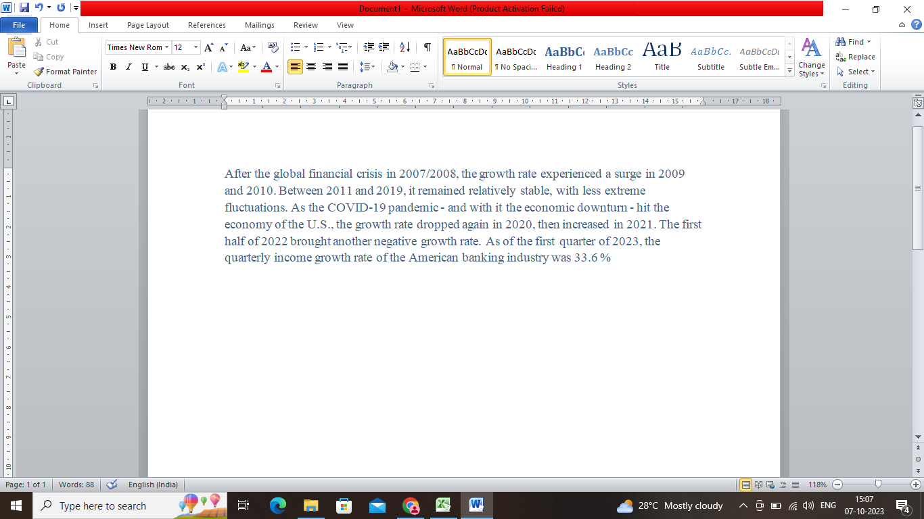
Treasury Stock | $-26,577.00 | $-17,500.00
Common Equity / Total Assets | $0.00 | $0.00
Total Shareholders' Equity | $100,141.00 | $105,441.00
Total Shareholders' Equity / Total Assets | $0.08 | $0.09
Return On Average Total Equity | $0.11 | -
Accumulated Minority Interest | $1,090.00 | $1,157.00
Total Equity | $101,231.00 | $106,598.00
Liabilities & Shareholders' Equity | $1,183,057.00 | $1,191,473.00

Consolidated statement of earnings | 2022 | 2021

Fiscal year is January-December. All values USD Millions. | $2,022.00 | $2,021.00
Interest Income | $21,595.00 | $9,411.00
Interest and Fees on Loans | $6,988.00 | $4,209.00
Interest Income on Fed. Funds | $3,208.00 | $-1,198.00

Other Interest or Dividend Income | $11,399.00 | $6,400.00
Interest Income Growth | $1.29 | $-0.07

Total Interest Expense | $12,268.00 | $1,366.00
Interest Expense on Bank Deposits | $1,825.00 | $409.00
Interest Expense on Fed. Repos | $2,263.00 | $494.00
Other Interest Expense | $8,180.00 | $463.00
Interest Expense on Debt | $5,054.00 | $2,725.00
Other Borrowed Funds | $3,126.00 | $-2,262.00 |  | References
 |  |  |  | 1. CIA 1
Total Interest Expense Growth | $7.98 | $-0.65 |  | FDM (2).xlsx
 |  |  |  | 2. Morgan Stanley
Net Interest Income | $9,327.00 | $8,045.00 |  | 10K Morgan Stanley Data
Net Interest Income Growth | $0.16 | $0.27 |  | 3. Bloomberg
Loan Loss Provision | $280.00 | $4.00 |  | Growth rate
Loan Loss Provision Growth | $69.00 | $- |  | 4. Market Cap Value
Net Interest Income after Provision | $9,047.00 | $8,041.00 |  | Market Value of share
Net Interest Inc After Loan Loss Prov Growth | $0.13 | $0.27
Net Interest Margin | $0.01 | -
Non-Interest Income | $44,395.00 | $51,941.00
Securities Gain | $85.00 | $1,529.00
Trading Account Income | $12,343.00 | $11,802.00
Foreign Exchange Gains | $1,585.00 | $1,008.00
Trust Income, Commissions & Fees | $30,115.00 | $36,482.00
Trust Income | $19,578.00 | $19,967.00
Commission & Fee Income | $10,537.00 | $16,515.00
Other Operating Income | $830.00 | $1,209.00
Non-Interest Expense | $39,375.00 | $39,676.00
Labor & Related Expense | $23,053.00 | $24,628.00
Equipment Expense | $1,729.00 | $1,033.00
Operating Provisions | $76.00 | $285.00
Taxes Other than Income Taxes | $910.00 | $969.00
Other Operating Expense | $10,219.00 | $9,157.00
Operating Income | $14,067.00 | $20,306.00
Operating Income Growth | $-0.31 | $0.38

Operating Income Margin | $0.21 | -
Non-Operating Income (Expense) | $22.00 | $54.00

Miscellaneous Non Operating Expense | $-17.00 | $-50.00

Equity in Affiliates (Pretax) | $39.00 | $104.00

Unusual Expense | - | -
Pretax Income | $14,089.00 | $19,668.00
Pretax Income Growth | $-0.28 | $0.36

Pretax Margin | $0.21 | -
Income Taxes | $2,910.00 | $4,548.00
Income Tax - Current - Domestic | $-799.00 | $-1,515.00

Income Tax - Current - Foreign | $799.00 | $1,515.00
Income Tax - Deferred - Domestic | $-945.00 | $22.00

Income Tax - Deferred - Foreign | $96.00 | $-18.00

Consolidated Net Income | $11,179.00 | $15,120.00
Minority Interest Expense | $150.00 | $86.00
Net Income | $11,029.00 | $15,034.00
Net Income Growth | $-0.27 | $0.37

Net Margin | $0.17 | -
Extraordinaries & Discontinued Operations | - | -

Discontinued Operations | - | -

Net Income After Extraordinaries | $11,029.00 | $15,034.00
Preferred Dividends | $489.00 | $468.00
Net Income Available to Common | $10,540.00 | $14,566.00
EPS (Basic) | $6.15 | $8.03
EPS (Basic) Growth | $-0.24 | $0.25

Basic Shares Outstanding | $1,691.00 | $1,785.00
EPS (Diluted) | $6.15 | $8.03
EPS (Diluted) Growth | $-0.23 | $0.24

Diluted Shares Outstanding | $1,713.00 | $1,814.00

Consolidated statement of Cash flows | 2022 | 2021
Operating Activities
Fiscal year is January-December. All values USD Millions. | $2,022.00 | $2,021.00
Funds from Operations | $17,101.00 | $21,282.00
Funds from Operations Growth | $-0.20 | $0.25

Changes in Working Capital | $9,767.00 | $8,532.00

Net Operating Cash Flow | $26,868.00 | $29,814.00
Net Operating Cash Flow Growth | $-0.10 | $12.73

Net Operating Cash Flow / Interest Income | $1.24 | $3.17
Investing Activities
All values USD Millions. | $2,022.00 | $2,021.00
Capital Expenditures | $-3,078.00 | $-2,308.00

Capital Expenditures (Fixed Assets) | $-3,078.00 | $-2,308.00

Net Assets from Acquisitions | - | $-2,648.00

Sale of Fixed Assets & Businesses | - | -
Purchase/Sale of Investments | $-21,546.00 | $-20,015.00

Purchase of Investments | $-72,916.00 | $-90,658.00

Sale/Maturity of Investments | $51,370.00 | $70,643.00
Increase in Loans | $-23,652.00 | $-36,106.00

Other Uses | $-347.00 | $-832.00

Net Investing Cash Flow | $-48,623.00 | $-61,909.00

Net Investing Cash Flow Growth | $0.21 | $-0.12

Net Investing Cash Flow / Interest Income | $-2.25 | $-6.58
Financing Activities
All values USD Millions. | $2,022.00 | $2,021.00
Cash Dividends Paid - Total | $-5,401.00 | $-4,171.00

Common Dividends | $-5,401.00 | $-4,171.00

Cash Dividend Growth | $-0.29 | $-0.52

Increase in Deposits | $1,659.00 | $36,897.00
Change in Capital Stock | $-9,877.00 | $-10,800.00

Repurchase of Common & Preferred Stk. | $-10,871.00 | $-12,075.00

Sale of Common & Preferred Stock | $994.00 | $1,275.00
Proceeds from Stock Options | $994.00 | $1,275.00
Issuance/Reduction of Debt, Net | $40,404.00 | $35,693.00

Change in Current Debt | $3,726.00 | $16,169.00

Change in Long-Term Debt | $36,678.00 | $19,524.00

Issuance of Long-Term Debt | $71,576.00 | $89,648.00
Reduction in Long-Term Debt | $-34,898.00 | $-70,124.00

Other Funds | $-345.00 | $97.00

Other Uses | $-345.00 | -

Other Sources | - | $97.00
Net Financing Cash Flow | $26,440.00 | $57,716.00

Net Financing Cash Flow Growth | $-0.54 | $-0.27

Net Financing Cash Flow / Interest Income | $1.22 | $6.13

