Sheet1
id | Summary | Description | Expected result | Actual result | Pass/Fail(Firefox) | Pass/Fail(Chrome) | Pass/Fail(Edge) | Attachement | Priority
Preconditions
1 | Open incognito tab in selected browser | Open incognito tab in selected browser
2 | Go to url https://demo-v2.grip.tools/login | Navigate to https://demo-v2.grip.tools/login

1 | Check that cookies notification appears. | 1. After page loaded user should see notification about Cookie policy at the bottom with text ‘This website uses cookies To ensure you get the best experience on our website’ 2. Click ‘Accept’ button on notification | Cookie notification dissapear | Cookie notification dissapear | Pass | Pass | Pass |  | Low
2 | Check that logo, text and login/signup fields are present | 1. On login page user should see ‘Grip’ logo. 2. User should see logo in tab of browser 3.User should see text ‘Web-based software that automatically generates visual content’ 4. User should see log in, sign up, email field. | All listed elements are present | All listed elements are present | Pass | Pass | Pass |  | High
3 | Try to use http instead https | 1. Exclude preconditions 2. Open browser tab 3. Navigate to http://demo-v2.grip.tools/login | User redirected to https://demo-v2.grip.tools/login | User redirected to https://demo-v2.grip.tools/login | Pass | Pass | Pass |  | Medium
4 | Check email field validation | 1. Input listed values into email field one by one: Empty space ~!@#$%^&*()_+=-`[]{}:”’;,./<>? Q q.com q@com Q@.com 1 email@gmail. @gmail.com Test test@email.com test@email .com Test.@test.com 'Select * from users’ alert(“Hello”) 2. Hit ‘Enter’ button on keyboard 3. Check message that appears under email field | All listed values shoud give a response message‘Invalid email address’ | All listed values shoud give a response message‘Invalid email address’ Chrome browser failed on empty space value. | Pass | Failed | Pass |  | High
5 | Check incorrect email or password error | 1. Input correct email format into email field for example ‘test@test.com’ 2. Click ‘next’ button 3. Input ‘Password’ in password field 4. Hit ‘Log in’ button | User get message ‘Invalid email or password’ | User get message ‘Incorrect email or password’ | Pass | Pass | Pass |  | High
6 | Double click on login button | 1. Input correct email format into email field for example ‘test@test.com’ 2. Click ‘next’ button 3. Input ‘Password’ in password field 4. Hit ‘Log in’ button 5. After receiving error message hit ‘Log in’ again | Button should became not clickable | Button still looks like clickable | Failed | Pass | Failed | 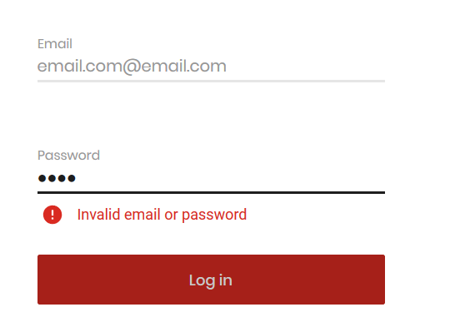 | Low
7 | Click on email should wipe previous inputs | 1. Input correct email format into email field for example ‘test@test.com’ 2. Click ‘next’ button 3. Click email field | Email should be wiped and have blank field | Email is blank | Pass | Pass | Pass |  | Medium
8 | Signup button navigates to signup page | 1. Click on Sign up button | User should be redirected to ‘https://<url>/request-a-demo’ page | User redirected to ‘https://<url>/request-a-demo’ page’ | Pass | Pass | Pass |  | High
9 | Forgot password should navigate to get password page | 1. Input correct email format into email field for example ‘test@test.com’ 2. Click ‘next’ button 3. Hit ‘Forgot your password?’ link | User should be redirected to ‘https://<url>/password-recovery?email=<email>’ page | User redirected to ‘https://<url>/password-recovery?email=<email>’ page | Pass | Pass | Pass |  | High
10 | Resize browser to smaller window and verify its flexibility | 1. Make your browser window smaller to a moment when some of elements disappear (for example email field) 2. Check that scroll functional present 3. Check that user able to get all elements of login page (email, buttons) | User can scroll to email, next button, signup button, logo | User can see only logo and text, but unable to get to email fields | Failed | Failed | Failed | 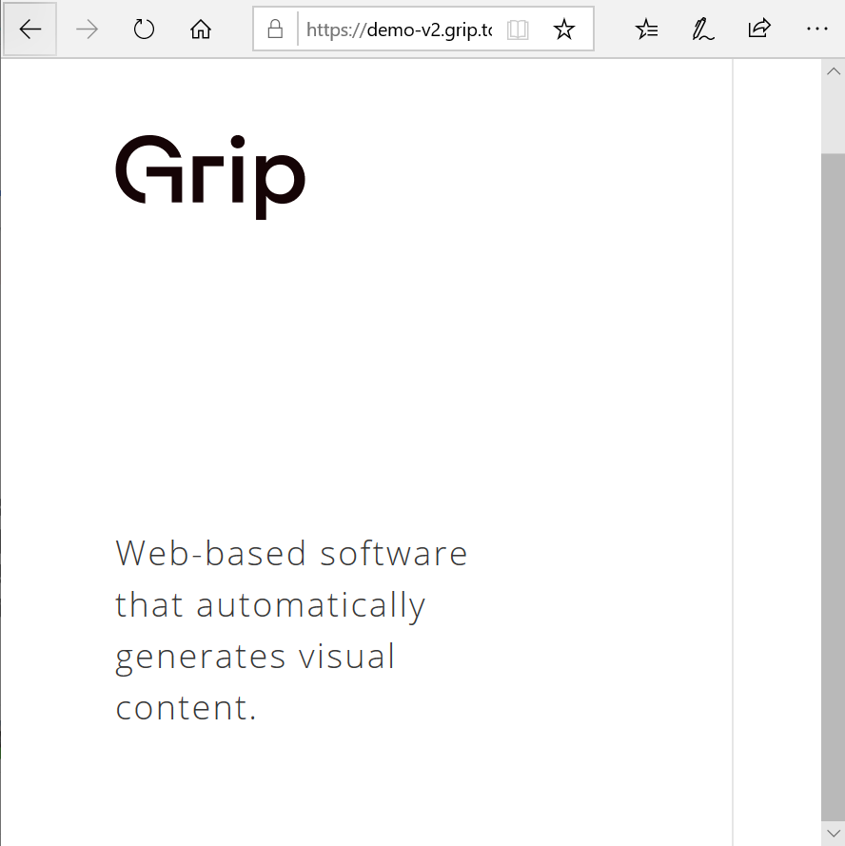 | Medium
11 | Check page in mobile view | 1. Open developer tools of your browser (F12) 2. Click on mobile view button at right top 3.Check that user able to scroll to all elements | User can scroll to email, next button, signup button, logo | User can see only logo and text, but unable to get to email fields | Failed | Failed | Failed |  | High
12 | Refresh tab and check that all previous data wiped | 1. Input correct email format into email field for example ‘test@test.com’ 2. Click ‘next’ button 3. Input ‘Password’ in password field 4. Hit ‘Log in’ button 5. Click refresh button of your browser | User should see clear page without of any of his changes | User see login page without his changes | Pass | Pass | Pass |  | Low

