Sheet1
Summary | Steps to reproduce | Expected result | Actual result | Priority | Attachement
User is able to register new account with birth date on 31th of january | 1. Open https://waesworks.bitbucket.io/ 2. Click SignUp link 3. Select birth day 31 4. Select birth month January 5. Select Year 2000 6. Click submit | User should not be able to select 31 of january | User's request processed correctly and account created | High
Signup fields are not validated | 1. Open https://waesworks.bitbucket.io/ 2. Click SignUp link 3. Enter special symbols including space into username 4. Click submit | Uses should not be able to enter special symbols or spaces in username, name or email | User processed correctly with special symbols in any field | Medium | 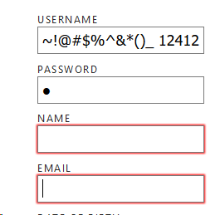
Not complete email pattern | 1. Open https://waesworks.bitbucket.io/ 2. Click SignUp link 3. Enter test@test including space into email field 4. Click submit | User should be able to enter only <word>@<mail>.<com> regular expression | User can enter <word>@<mail> | Medium
Page refreshing cause 404 error | 1. Open https://waesworks.bitbucket.io/ 2. Login as tester 3. On opened profile page, hard refresh browser.Hit F5. | User should stay on profile page | 404 file not found error | High

