Test cases
Test case number | Test case name | Description | Test Steps | Test Data | Expected Result | Actual Result | Severity | Priority | Tested By | Test Status | Test Creation Date | Test Execution Date | Screen Shots
TC-01 | Valid product name or keyword search | Verify that the user can search for a product using a valid product name or keyword | 1. Open the application.(amazon) 2. Click on the search bar. 3. Enter a valid product name or keyword (e.g., "iPhone 12"). 4. Press the search icon or hit "Enter". | https://www.amazon.com/. Valid product name: iPhone 12 Valid keyword: smartphone | The system should display relevant product search results for the entered product name or keyword. | The system displayed the relevant product search results for entered product name or keyword.(e.g.iphone) |  |  | Nikita Shirsath | pass | 11-Dec-24 | 12-Dec-24
TC-02 | Invalid product name or keyword search | Verify that the system handles searches with invalid product names or keywords gracefully | 1. Open the application. 2. Click on the search bar. 3. Enter an invalid product name or random keyword (e.g., "abhdfl123/k"). 4. Press the search icon or hit "Enter". | https://www.amazon.com/. Invalid product name: abhdfl123/k Invalid keyword: nonesuch | The system should display a "No results found" message and suggest alternative search terms if applicable. | The system displayed a "No results found" message and suggest alternative search terms if applicable. |  |  | Nikita Shirsath | pass | 2024-12-11 | 2024-12-12 | 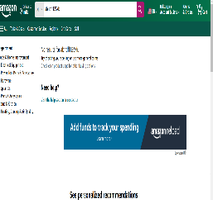
TC-03 | Empty search query | Verify that the system responds appropriately when the search is initiated without entering any query. | 1. Open the application. 2. Click on the search bar. 3. Do not enter any text in the search field. 4. Press the search icon or hit "Enter". | https://www.amazon.com/. No input (empty search query) | The system should display a message such as "Please enter a search term" or stay on the same page without any action. | The system stay on the same page without any action. |  |  | Nikita Shirsath | pass | 11-Dec-24 | 12-Dec-24 | 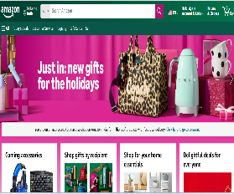
TC-04 | Apply a price range filter | Verify that the user can apply a price range filter to narrow down the search results. | 1. Open the application. 2. Search for a product (e.g., "laptop"). 3. In the search results page, locate the price range filter. 4. Set a minimum and maximum price (e.g., min: $500, max: $1000). 5. Apply the filter. 6. Verify the displayed products fall within the selected price range. | https://www.amazon.com/. Product: Laptop Price range: $500 - $1000 | The system should display only the products whose prices fall within the specified price range (e.g., between $500 and $1000). | The system display only the products whose prices fall within the specified price range (e.g., between $500 and $1000). |  |  | Nikita Shirsath | pass | 11-Dec-24 | 12-Dec-24
TC-05 | Apply a category filter | Verify that the user can apply a category filter to narrow down the search results. | 1. Open the application. 2. Search for a product (e.g., "smartphone"). 3. On the search results page, locate the category filter section (e.g., Electronics, Home Appliances). 4. Select the desired category (e.g., "Electronics"). 5. Apply the filter. 6. Verify that the displayed products belong to the selected category. | https://www.amazon.com/. Product: smartphone Category: Electronics | The system should display only the products that belong to the selected category (e.g., all displayed products should be listed under Electronics). | The system should display only the products that belong to the selected category (e.g., all displayed products should be listed under Electronics). |  |  | Nikita Shirsath | pass | 11-Dec-24 | 12-Dec-24 | 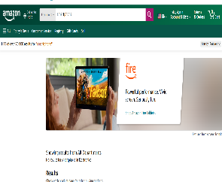
TC-06 | Apply a brand filter | Verify that the user can apply a brand filter to narrow down the search results. | 1. Open the application. 2. Search for a product (e.g., "laptop"). 3. On the search results page, locate the brand filter section. 4. Select the desired brand (e.g., "Apple"). 5. Apply the filter. 6. Verify that the displayed products belong to the selected brand. | Website:https://www.amazon.com/. Brand: Apple | The system should display only the products from the selected brand (e.g., all displayed products should be Apple laptops). | The system display only the products from the selected brand (e.g., all displayed products should be Apple laptops). |  |  | Nikita Shirsath | pass | 11-Dec-24 | 12-Dec-24
TC-07 | Apply multiple filters together | Verify that the user can apply multiple filters together to refine the search results based on price, category, and brand. | 1. Open the application. 2. Search for a product (e.g., "smartphone"). 3. On the search results page, locate the price range filter and set the range (e.g., $500 - $1000). 4. Select a category (e.g., "Electronics"). 5. Select a brand (e.g., "Samsung"). 6. Apply all filters. 7. Verify that the search results reflect the selected price range, category, and brand. | https://www.amazon.com/. Product: smartphone Price Range: $500 - $1000 Category: Electronics Brand: Samsung | The system should display only products that match all the selected criteria: products within the price range of $500 - $1000, belonging to the "Electronics" category, and from the brand "Samsung". | The system display only products that match all the selected criteria: products within the price range of $500 - $1000, belonging to the "Electronics" category, and from the brand "Samsung". |  |  | Nikita Shirsath | pass | 11-Dec-24 | 12-Dec-24 | 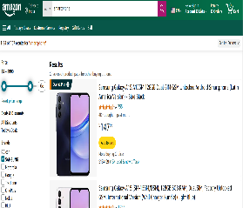
TC-08 | Search results should update based on applied filters | Verify that the search results are dynamically updated to reflect the applied filters. | 1. Open the application. 2. Search for a product (e.g., "laptop"). 3. Apply one or more filters (e.g., price range, brand, category). 4. Observe the search results after each filter is applied. 5. Verify that the results update to reflect the filter criteria (e.g., the product price range, brand, or category matches the filters applied). | https://www.amazon.com/. Product: laptop Price Range: $500 - $1500 Category: Electronics Brand: Dell | The search results should be updated immediately to show only the products that match the applied filter criteria (e.g., products within $500 - $1500, from the "Electronics" category, and the brand "Dell"). | The search resultsupdated immediately to show only the products that match the applied filter criteria (e.g., products within $500 - $1500, from the "Electronics" category, and the brand "Dell"). |  |  | Nikita Shirsath | pass | 11-Dec-24 | 12-Dec-24 | 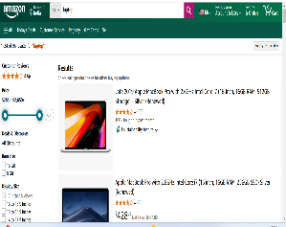
TC-09 | Clear all applied filters | Verify that the user can clear all applied filters, and the search results reset to show all relevant products. | Open the application. 2. Search for a product (e.g., "smartphone"). 3. Apply multiple filters (e.g., price range, category, brand). 4. Click on the "Clear All Filters" or similar option. 5. Verify that all applied filters are removed. 6. Verify that the search results reset to show all relevant products without any filters applied. | https://www.amazon.com/. Product: smartphone - Price Range: $200 - $1000 - Category: Electronics - Brand: Samsung | All applied filters should be cleared, and the search results should display all relevant products without any filtering (e.g., all smartphones, regardless of price range, category, or brand). | All applied filters are cleared, and the search results should display all relevant products without any filtering (e.g., all smartphones, regardless of price range, category, or brand). | NA | NA | Nikita Shirsath | pass | 11-Dec-24 | 12-Dec-24 | 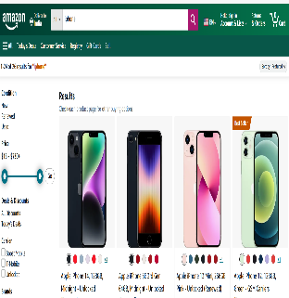
TC-10 | Display search suggestions based on typed keywords | Verify that search suggestions are displayed dynamically as the user types keywords in the search bar. | 1. Open the application. 2. Navigate to the search bar. 3. Begin typing a keyword (e.g., "laptop"). 4. Observe the search suggestions dropdown that appears. 5. Verify that relevant product or search suggestions are displayed based on the typed keyword. 6. Select one of the suggestions and verify that it leads to the correct search results. | https://www.amazon.com/. Typed Keyword: laptop - Suggested Terms: laptop case, laptop bag, laptop sleeve | The system should display relevant search suggestions (e.g., "laptop case," "laptop bag") as the user types in the search bar. Upon selecting a suggestion, the system should navigate to the correct search results page corresponding to the suggestion. | The system is display relevant search suggestions (e.g., "laptop case," "laptop bag") as the user types in the search bar. Upon selecting a suggestion, the system should navigate to the correct search results page corresponding to the suggestion. | NA | NA | Nikita Shirsath | pass | 11-Dec-24 | 12-Dec-24 | 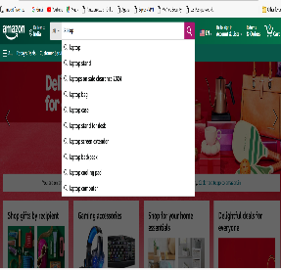
TC-11 | Select a product from search suggestions | Verify that the user can select a product from the displayed search suggestions and is directed to the corresponding product page. | 1. Open the application. 2. Navigate to the search bar. 3. Begin typing a keyword (e.g., "Dell laptop"). 4. Observe the displayed search suggestions. 5. Select a specific product from the list of suggestions (e.g., "Dell XPS 13"). 6. Verify that the system navigates to the correct product page of the selected product. | https://www.amazon.com/. - Typed Keyword: laptop - Suggested Product: Dell XPS 13 | The system should display relevant product suggestions based on the typed keyword. Upon selecting a product from the suggestions, the user should be navigated to the product details page for the selected item (e.g., "Dell XPS 13"). | The system is display relevant product suggestions based on the typed keyword. Upon selecting a product from the suggestions, the user should be navigated to the product details page for the selected item (e.g., "Dell XPS 13"). | NA | NA | Nikita Shirsath | pass | 11-Dec-24 | 12-Dec-24 | 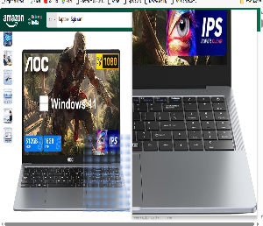
TC-12 | Apply color filter | Verify that the user can apply a color filter to narrow down search results, and only products matching the selected color are displayed. | 1. Open the application. 2. Navigate to the search bar and search for a product (e.g., "t-shirt"). 3. Apply the color filter (e.g., "Black"). 4. Verify that the search results update to display only products that match the selected color. 5. Check the product details to ensure the color filter is correctly applied. | https://www.amazon.com/. - Search term: t-shirt - Applied Color Filter: Black | The search results should display only the products available in the selected color (e.g., black t-shirts). The product images and details should reflect the selected color. | The search results are display only the products available in the selected color (e.g., black t-shirts). The product images and details should reflect the selected color. | NA | NA | Nikita Shirsath | pass | 11-Dec-24 | 12-Dec-24 | 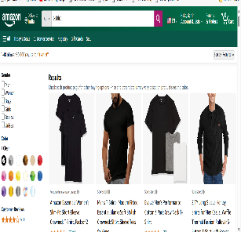
TC-13 | Apply size filter | Verify that the user can apply a size filter to narrow down search results, and only products matching the selected size are displayed. | 1. Open the application. 2. Navigate to the search bar and search for a product (e.g., "t-shirt"). 3. Apply the size filter (e.g., "Medium"). 4. Verify that the search results update to display only products available in the selected size. 5. Check the product details to ensure that the size filter is correctly applied. | https://www.amazon.com/. - Search term: t-shirt - Applied Size Filter: Medium | The search results should display only products available in the selected size (e.g., medium-sized t-shirts). The product details should confirm availability in the selected size. | The search results are display only products available in the selected size (e.g., medium-sized t-shirts). The product details should confirm availability in the selected size. | NA | NA | Nikita Shirsath | pass | 11-Dec-24 | 12-Dec-24 | 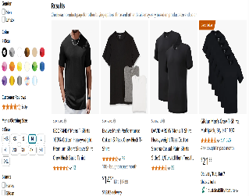
TC-14 | Filter products by customer ratings | Verify that the user can apply a customer ratings filter to display only products with a specific rating or higher. | 1. Open the application. 2. Navigate to the search bar and search for a product (e.g., "headphones"). 3. Apply the customer ratings filter (e.g., 4 stars and up). 4. Verify that the search results display only products with customer ratings of 4 stars or higher. 5. Check product details to ensure the ratings filter is correctly applied. | https://www.amazon.com/. - Search term: headphones - Applied Ratings Filter: 4 stars and up | The search results should display only products with customer ratings of 4 stars or higher. The product details should show the correct ratings for each item. | The search results are display only products with customer ratings of 4 stars or higher. The product details should show the correct ratings for each item. | NA | NA | Nikita Shirsath | Pass | 2024-12-11 | 12-Dec-24 | 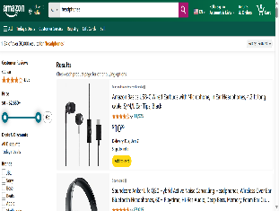
TC-15 | Filter by products that are in stock | Verify that the user can filter products by in-stock status, displaying only products that are currently available for purchase. | 1. Open the application. 2. Navigate to the search bar and search for a product (e.g., "laptop"). 3. Apply the "In-Stock" filter to show only products that are currently available. 4. Verify that the search results display only products that are in stock. 5. Check product details to confirm stock status of each item. | https://www.amazon.com/. - Search term: laptop - Applied Filter: In-Stock | The search results should display only products that are in stock and available for purchase. The product details should reflect the stock status (e.g., "In Stock"). | The search results are display only products that are in stock and available for purchase. The product details should reflect the stock status (e.g., "In Stock"). | NA | NA | Nikita Shirsath | Pass | 2024-12-11 | 2024-12-12 | 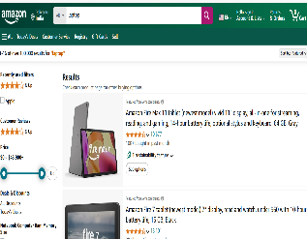
TC-16 | View recent search history | Verify that the user can view their recent search history, showing a list of previously searched products or keywords. | 1. Open the application. 2. Navigate to the search bar. 3. Click on the search bar to trigger the display of recent search history. 4. Verify that a dropdown or list displays the user's recent searches. 5. Click on any recent search entry to verify that the corresponding search results are displayed. | https://www.amazon.com/. - Previous search terms: "laptop", "smartphone", "headphones" | The system should display a list of recent search terms in the dropdown when the search bar is clicked. Clicking on a recent search should reload the search results for that term. | The system is display a list of recent search terms in the dropdown when the search bar is clicked. Clicking on a recent search should reload the search results for that term. | NA | NA | Nikita Shirsath | Pass | 2024-12-11 | 2024-12-12 | 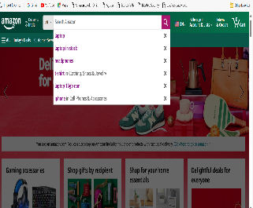
TC-17 | Clear search history | Verify that the user can clear their recent search history, and once cleared, no past searches should be displayed in the search history. | 1. Open the application. 2. Perform multiple product searches (e.g., "laptop", "smartphone", "headphones"). 3. Navigate to the search bar. 4. Verify that recent search history is displayed. 5. Click on the "Clear Search History" option. 6. Verify that the search history is cleared and no recent search terms are shown. | https://www.amazon.com/. - Previous search terms: "laptop", "smartphone", "headphones" | After clearing the search history, no previous search terms should be visible in the search history. The search bar should show an empty state or a default message like "No recent searches." | After clearing the search history, no previous search terms are visible in the search history. The search bar should show an empty state or a default message like "No recent searches." | NA | NA | Nikita Shirsath | Pass | 2024-12-11 | 2024-12-12 | 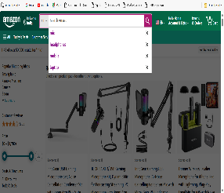
TC-18 | Search using voice commands | Verify that the user can search for products using voice commands, and the system correctly interprets and displays relevant search results. | 1. Open the application. 2. Click on the microphone icon in the search bar to activate voice search. 3. Speak a product name or keyword (e.g., "wireless headphones"). 4. Verify that the system processes the voice command and displays relevant search results. 5. Check the accuracy of the search results based on the spoken command. | https://www.amazon.com/. - Voice command: "wireless headphones" | The system should recognize the spoken command and display relevant search results based on the voice input. The search results should match the product or keyword spoken. | The system recognize the spoken command and display relevant search results based on the voice input. The search results should match the product or keyword spoken. | NA | NA | Nikita Shirsath | Pass | 2024-12-11 | 2024-12-12
TC-19 | Search for a product with a valid name | Verify that the user can search for a product using a valid product name, and the system displays relevant search results. | 1. Open the application. 2. Navigate to the search bar. 3. Enter a valid product name (e.g., "wireless mouse"). 4. Click on the search button or press Enter. 5. Verify that the search results display relevant products matching the search query. | https://www.amazon.com/. - Search term: "wireless mouse" | The system should display a list of relevant products based on the valid search term entered. Products related to "wireless mouse" should appear in the search results. | The system display a list of relevant products based on the valid search term entered. Products related to "wireless mouse" should appear in the search results. | NA | NA | Nikita Shirsath | Pass | 2024-12-11 | 2024-12-12
TC-20 | Search using a valid keyword | Verify that the user can search for a product using a valid keyword, and the system displays relevant search results based on that keyword. | 1. Open the application. 2. Navigate to the search bar. 3. Enter a valid keyword (e.g., "wireless") into the search bar. 4. Click on the search button or press Enter. 5. Verify that the search results display relevant products that match the entered keyword. | https://www.amazon.com/ - Search term: "wireless" | The system should display a list of relevant products based on the entered keyword (e.g., products related to "wireless" such as wireless headphones, wireless chargers, etc.). | The system displays a list of relevant products based on the entered keyword (e.g., products related to "wireless" such as wireless headphones, wireless chargers, etc.). | NA | NA | Nikita Shirsath | Pass | 2024-12-11 | 2024-12-12
TC-21 | Search using partial product name | Verify that the user can search for a product using a partial product name, and the system displays relevant search results based on the partial input. | 1. Open the application. 2. Navigate to the search bar. 3. Enter a partial product name (e.g., "wirel" for "wireless mouse"). 4. Click on the search button or press Enter. 5. Verify that the search results display relevant products that match the partial name entered. | https://www.amazon.com/ - Partial product name: "wirel" | The system should display a list of products that include the partial input in their name, such as "wireless mouse", "wireless keyboard", etc. | The system display a list of products that include the partial input in their name, such as "wireless mouse", "wireless keyboard", etc. | NA | NA | Nikita Shirsath | Pass | 2024-12-11 | 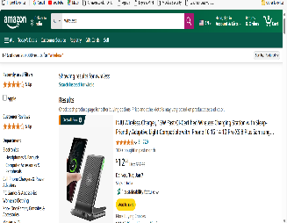 2024-12-12
TC-22 | Search within a specific category | Verify that the user can search for a product within a specific category, and the system displays relevant search results within that category. | 1. Open the application. 2. Navigate to the category filter or dropdown (e.g., "Electronics"). 3. Select the desired category (e.g., "Laptops"). 4. Enter a product name or keyword in the search bar (e.g., "gaming laptop"). 5. Click on the search button or press Enter. 6. Verify that the search results display relevant products related to "gaming laptop" only within the "Laptops" category. | http://www.amazon.com/ - Category: "Laptops" - Product name/keyword: "gaming laptop" | The system should display a list of products related to "gaming laptop" within the selected "Laptops" category. No results from outside the selected category should appear. | The system displays a list of products related to "gaming laptop" within the selected "Laptops" category. No results from outside the selected category should appear. | NA | NA | Nikita Shirsath | Pass | 2024-12-11 | 2024-12-12 | 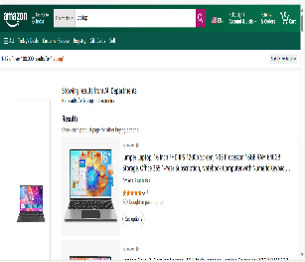
TC-23 | Search across all categories | Verify that the user can search for a product across all categories, and the system displays relevant search results from all available categories. | 1. Open the application. 2. Navigate to the search bar. 3. Enter a product name or keyword (e.g., "headphones"). 4. Click on the search button or press Enter. 5. Verify that the system displays search results from all categories related to the search term (e.g., headphones from electronics, accessories, and audio categories). | https://www.amazon.com/ - Search term: "headphones" | The system should display a list of products related to "headphones" from various categories (e.g., electronics, audio, accessories). Results should not be limited to a single category. | The system displays a list of products related to "headphones" from various categories (e.g., electronics, audio, accessories). Results should not be limited to a single category. | NA | NA | Nikita Shirsath | pass | 11-Dec-24 | 12-Dec-24 | 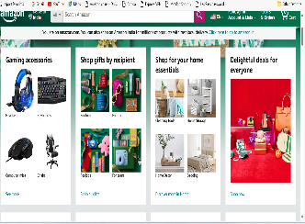

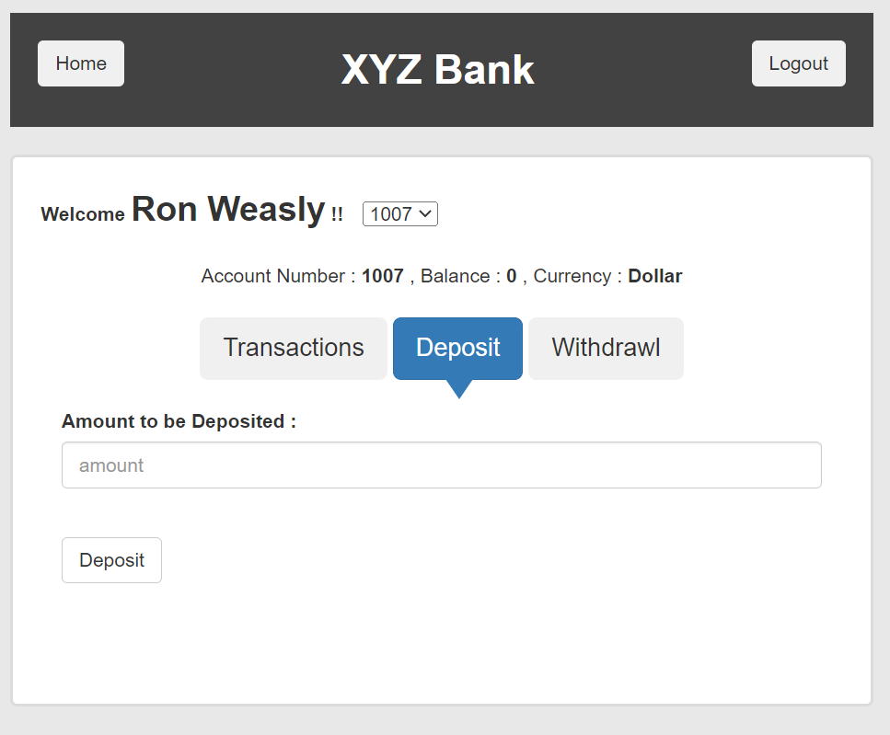
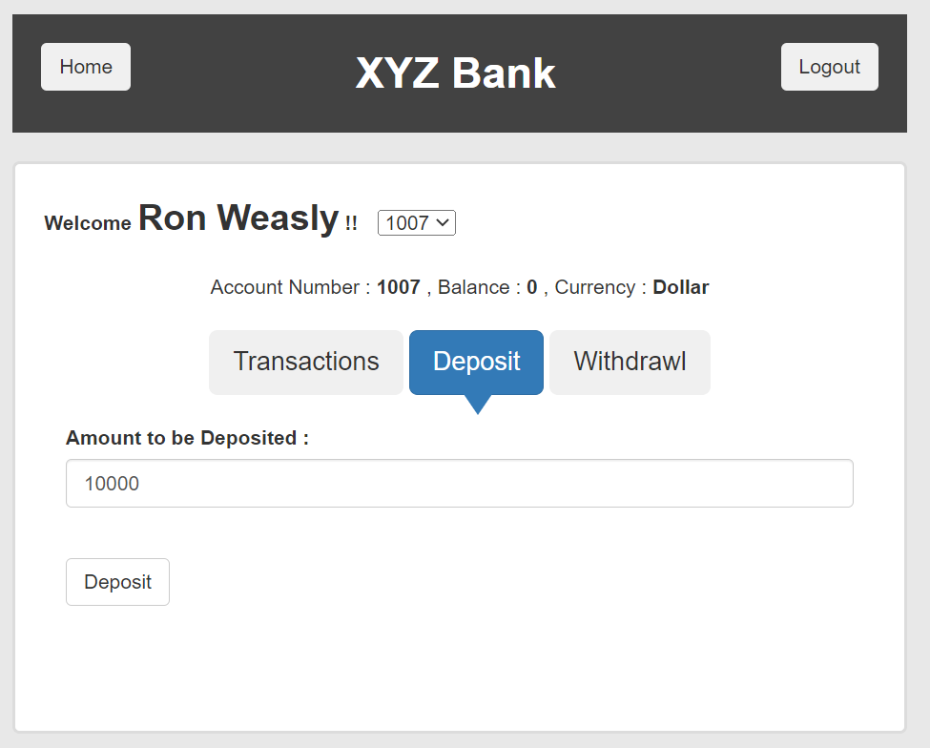

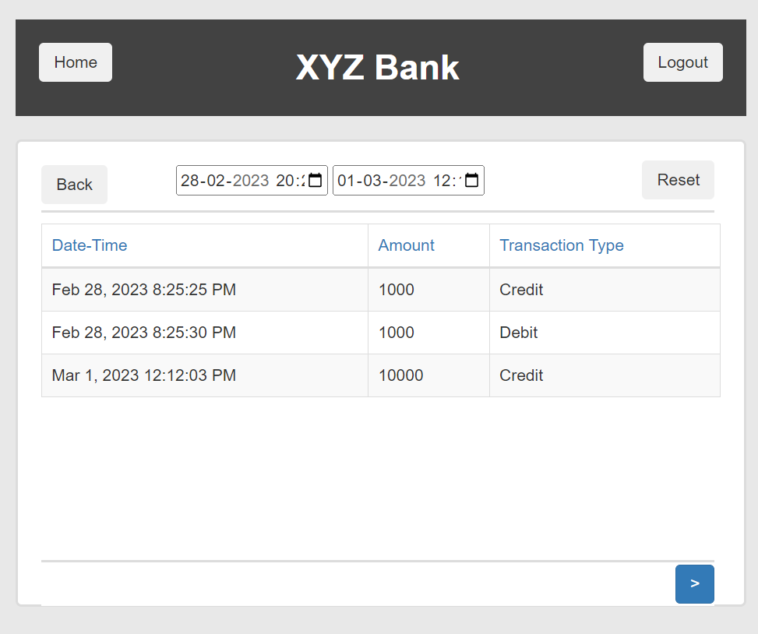

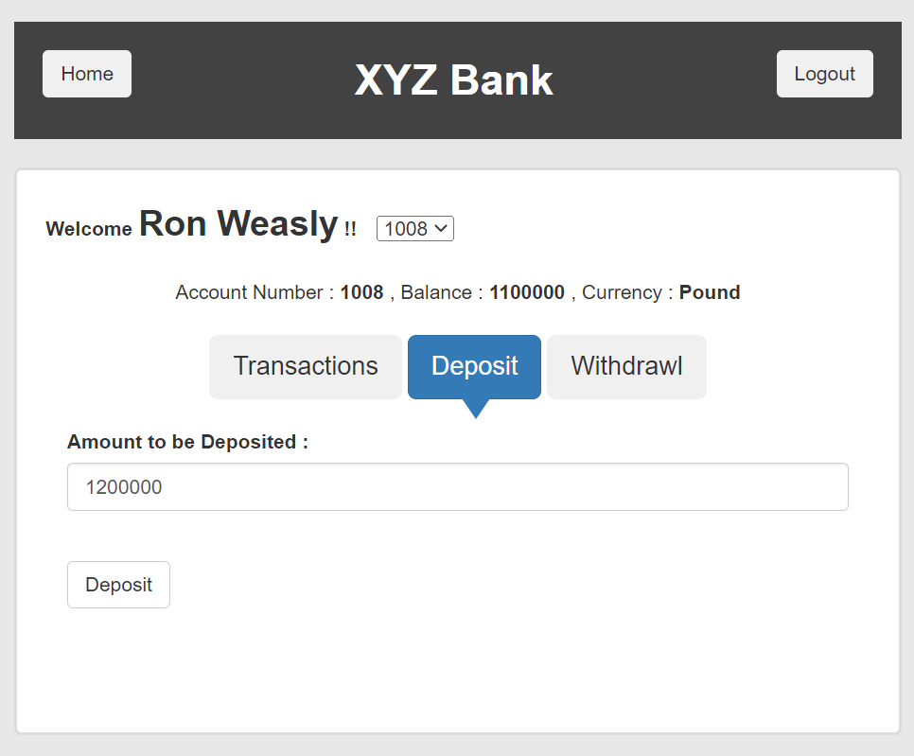



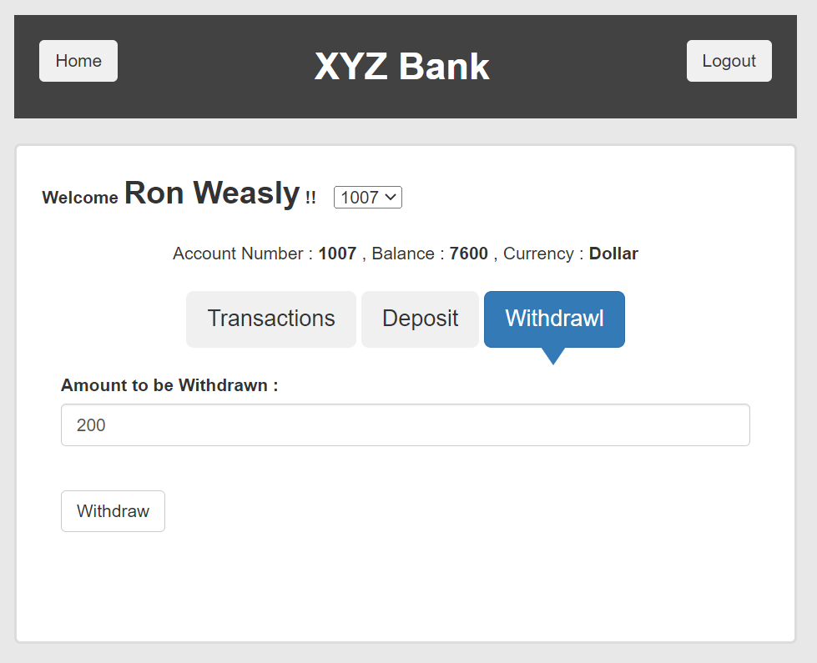
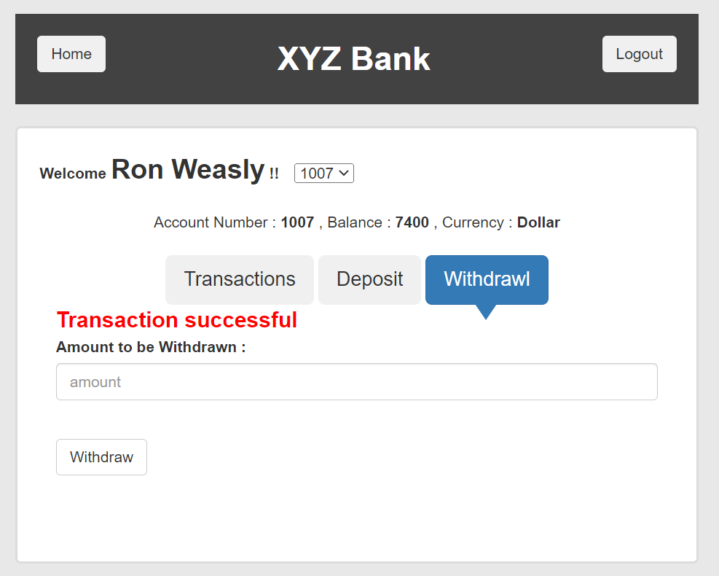
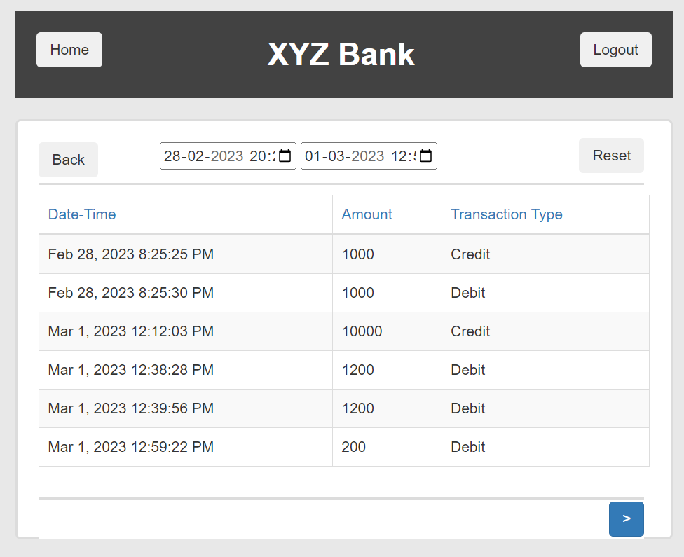

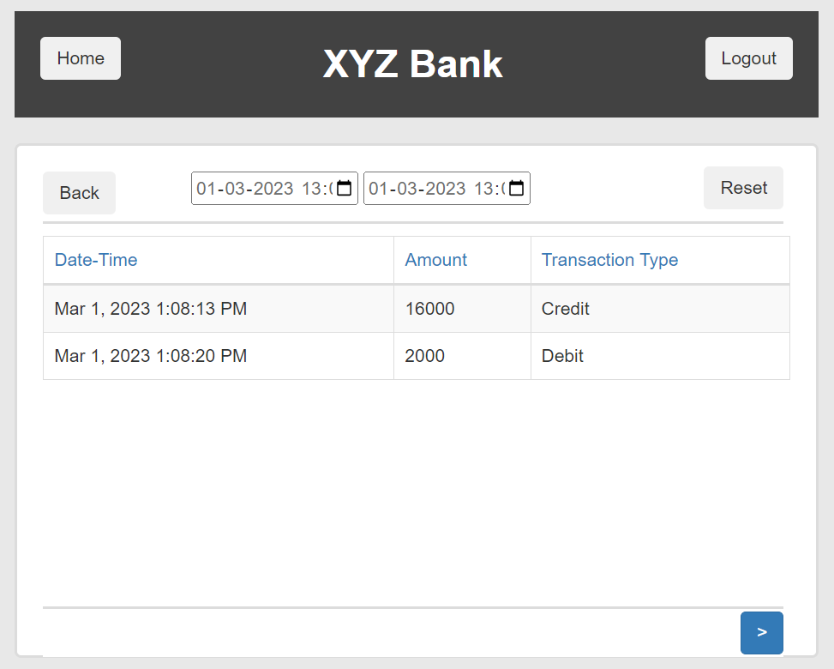

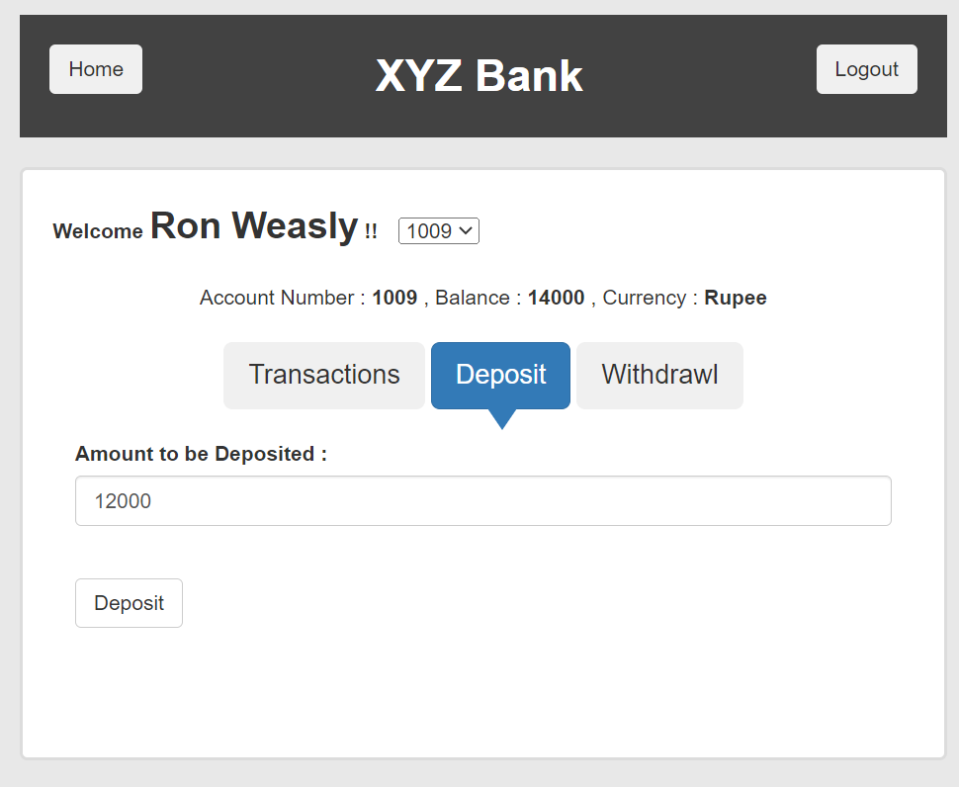
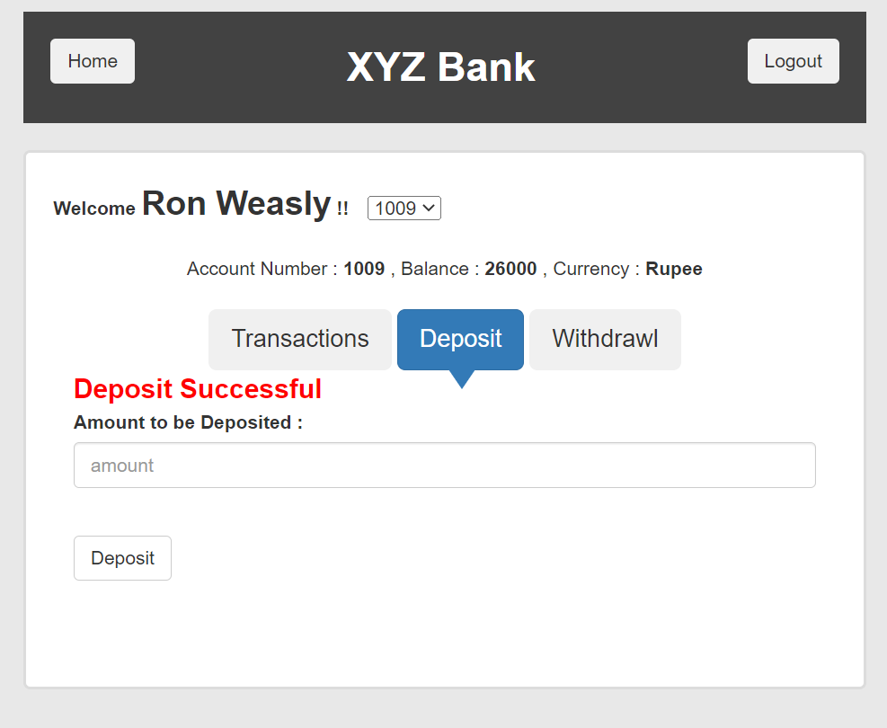
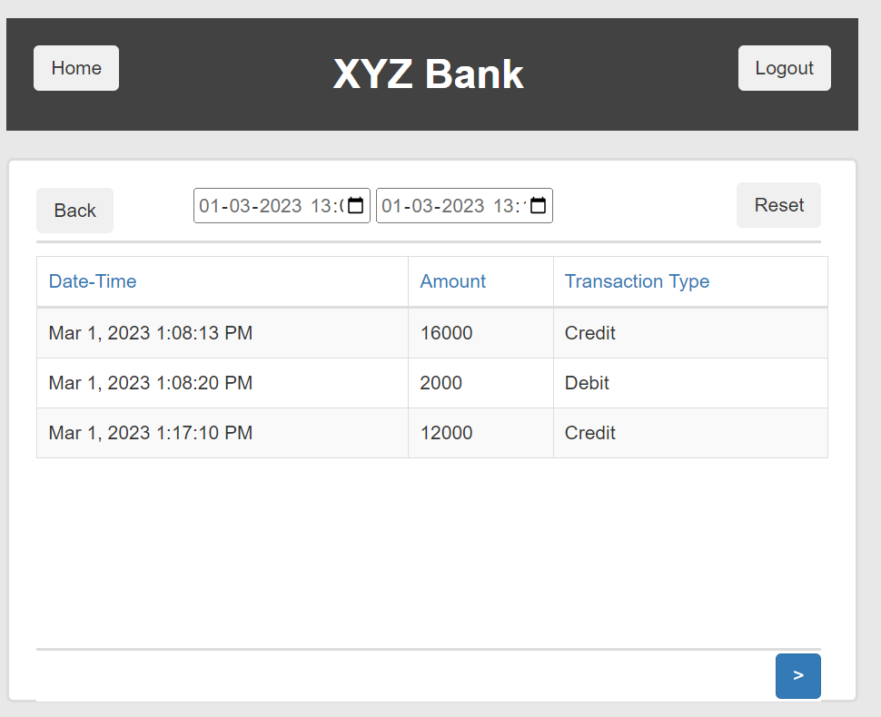

 |  |  |  |  |  |  |  |  |  |  |  |  | 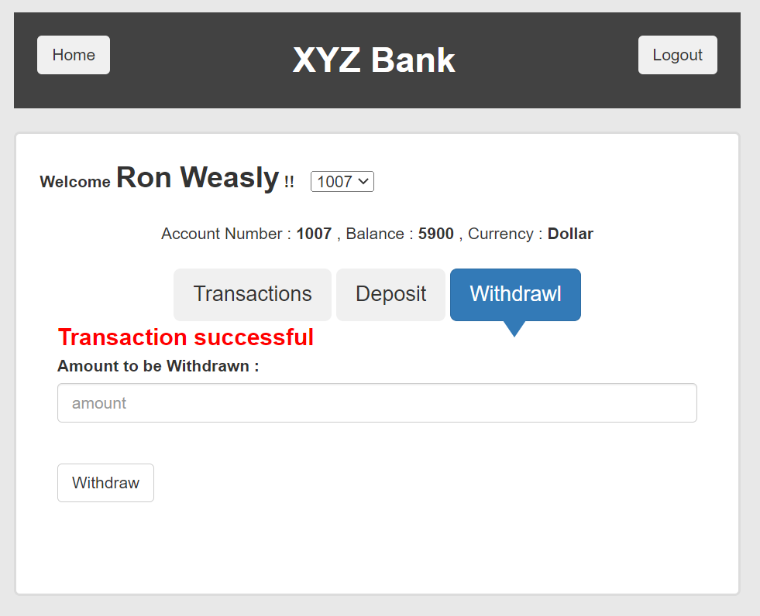 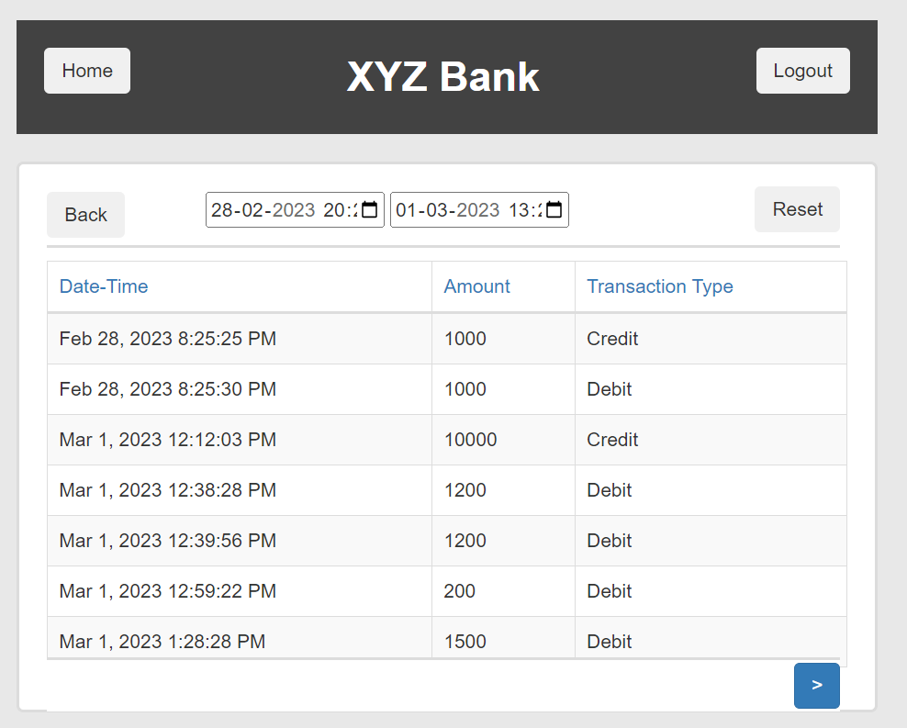 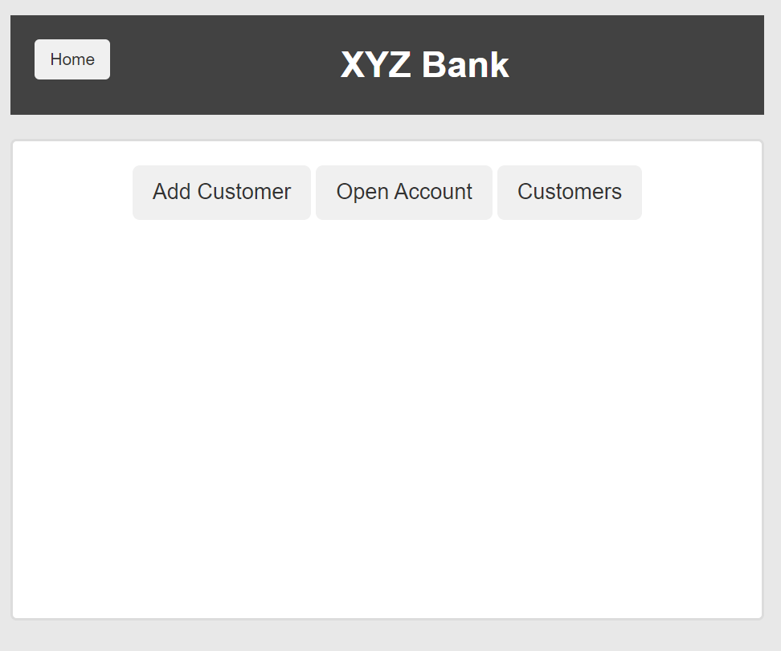
 |  |  |  |  |  |  |  |  |  |  |  |  | 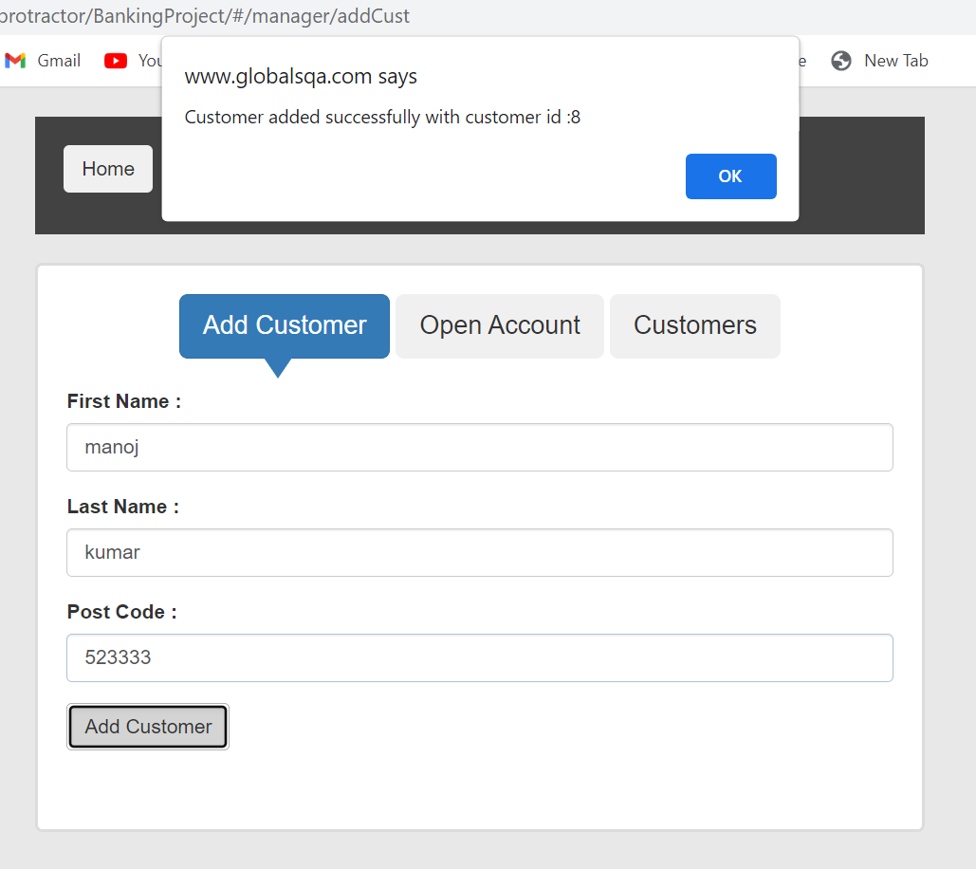
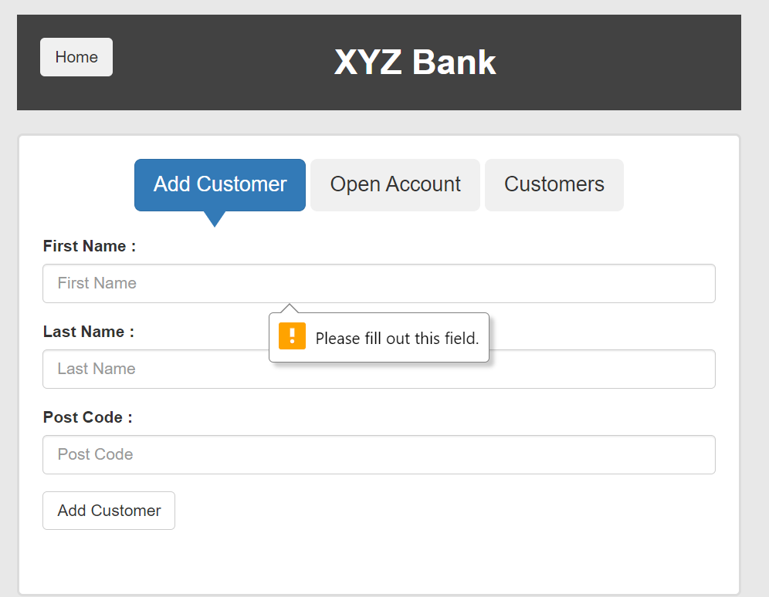
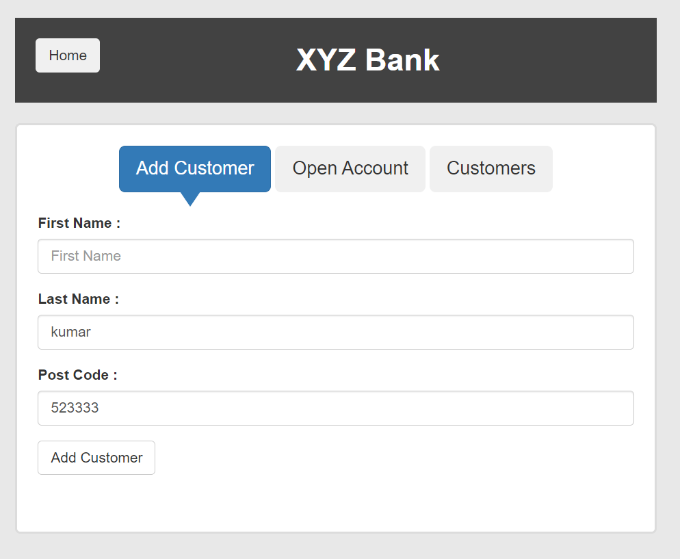

 |  |  |  |  |  |  |  |  |  |  |  |  | 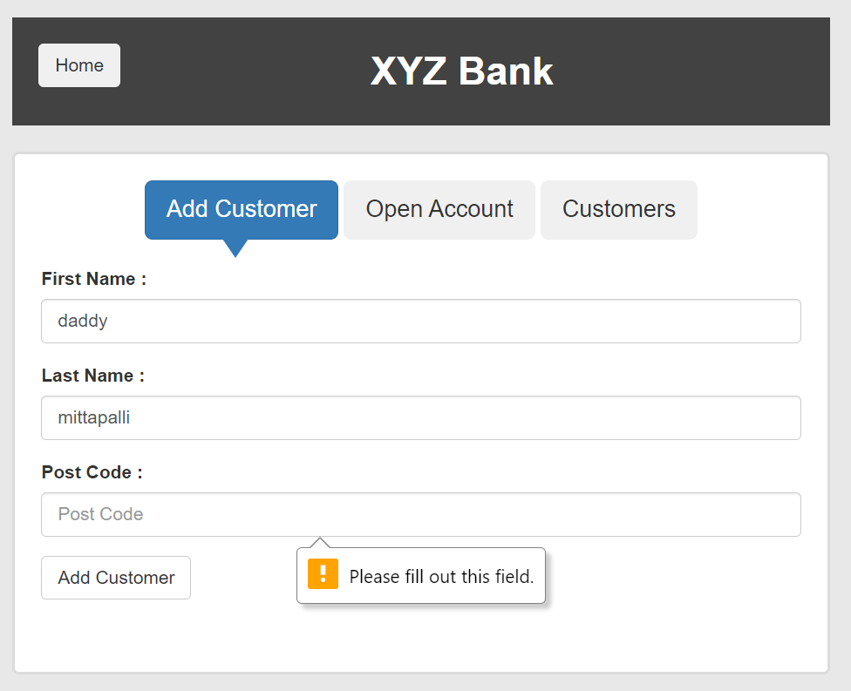 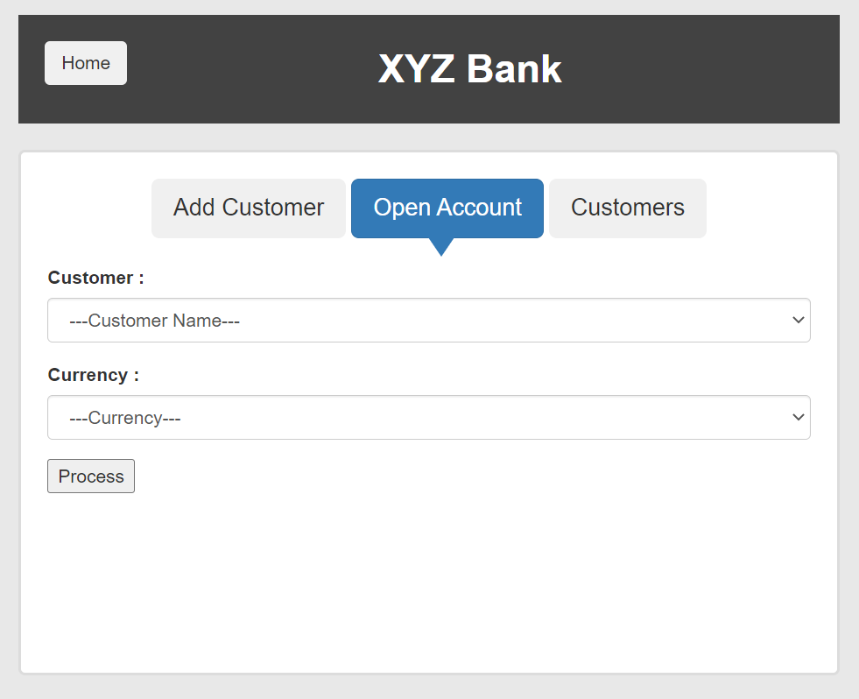 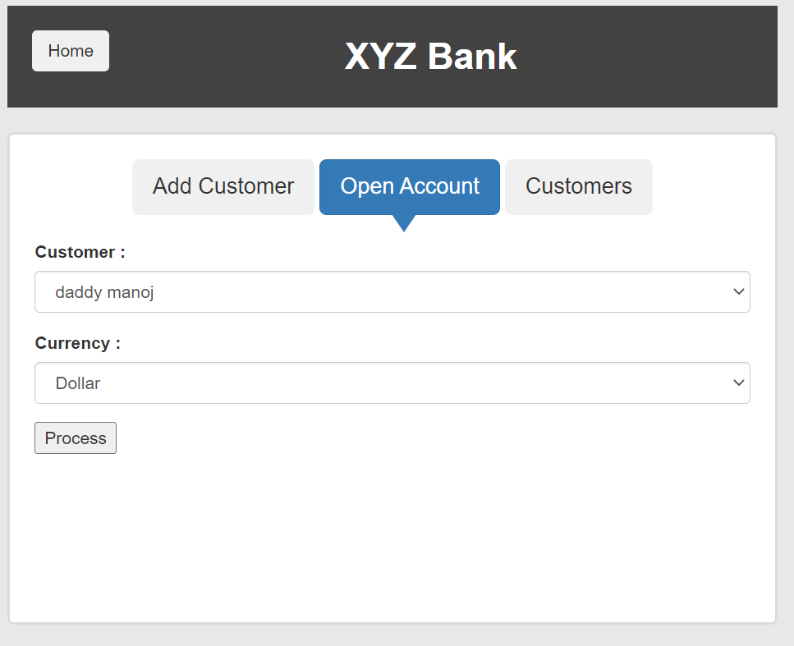 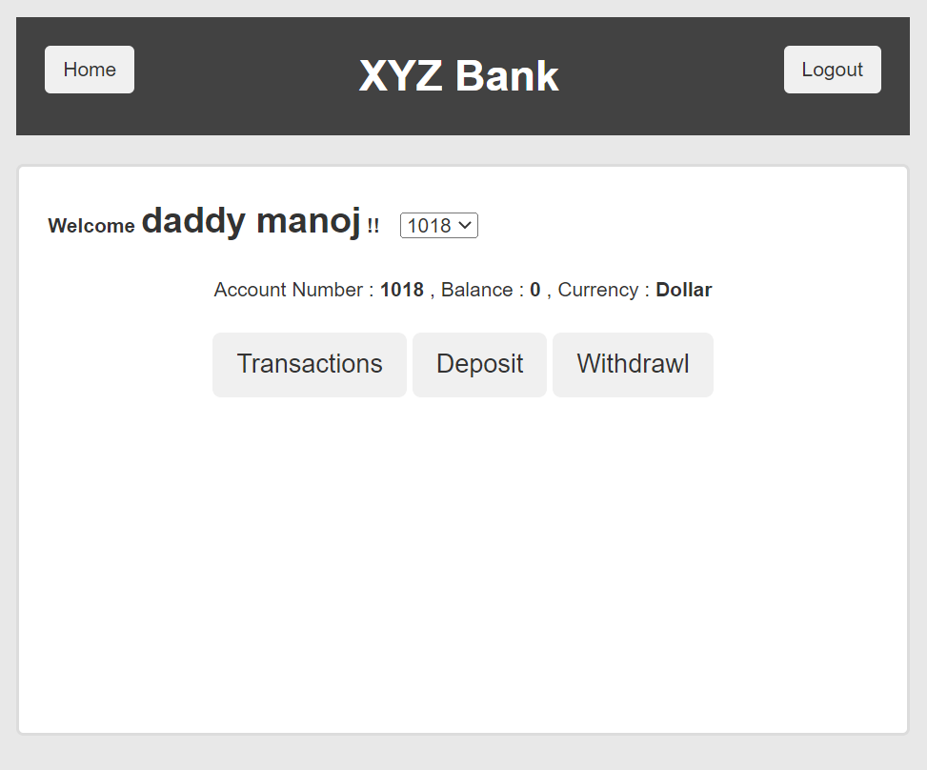

 |  |  |  |  |  |  |  |  |  |  |  |  | 