Sheet1
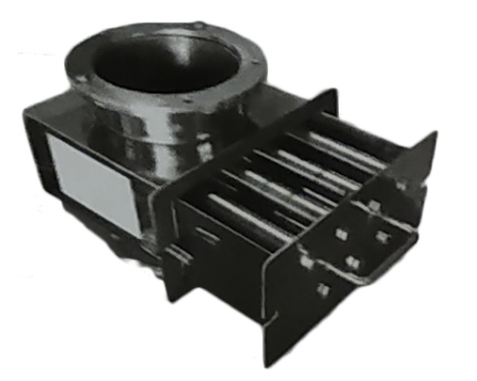
1. Air Classifying Mill (ACM)

Classifier Wheel | Liners | Rotor & Hammers / Beaters | Shroud Ring |  | Bearing Housing Assembly
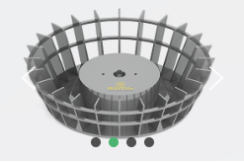
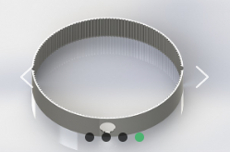
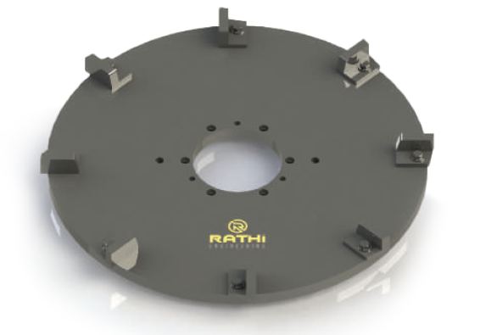
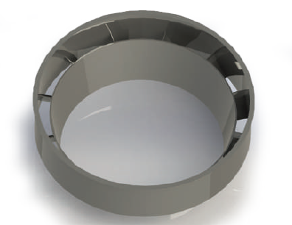
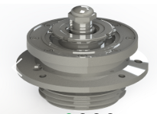

Anti-Vibration Mounting Pads (AVMP)
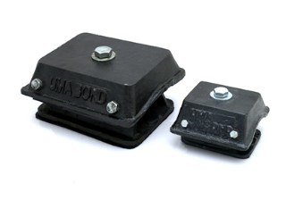

2. Pulveriser Mill Spares

LFS Hammers | Bar Type Hammers
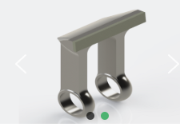
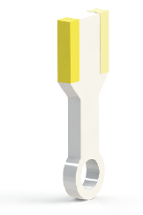

3. Universal Mill / Pin Mill Spares

Bar Turbo Rotor | Inclined Bar Turbo Rotor | Stud Bar Teeth Rotor |  | Pin Bar Rotor
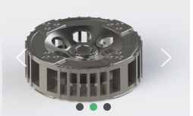
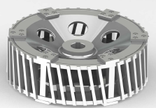
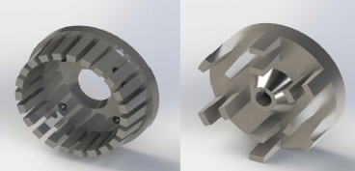
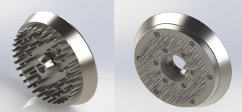

Stator Assemblies | Screens | Bearing Housing
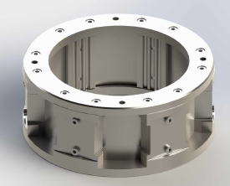
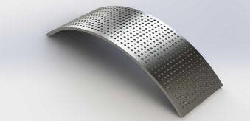
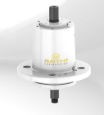

4. Hammer Mill Spares

Hammers | Multi-Deflector Liners | Screens
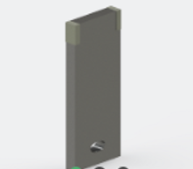
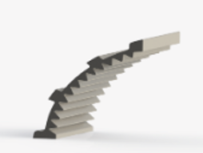


5. Crusher Spares

Grinding Blades | Screens
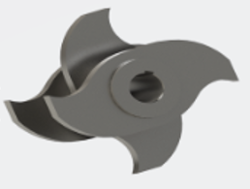
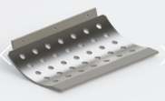

6. Delumper Spares

Stationary Blades | Hammers | Screens
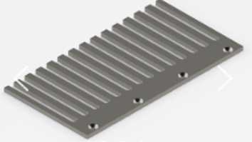

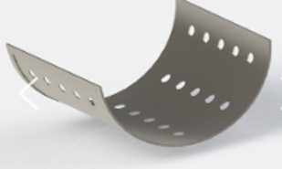

7. Micron Separator Spares

Dispersion Ring | Classifier Wheel | Bottom Ring

8. Air Swept Mill Spares

Hammers | MD Liner (Top & Slide) | Wizard Blades (2-Blade / 3-Blade / 4-Blade Options)



9. Bag Filter Spares

Filter Bags | Filter Bag Cages
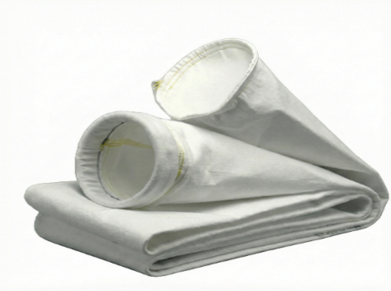
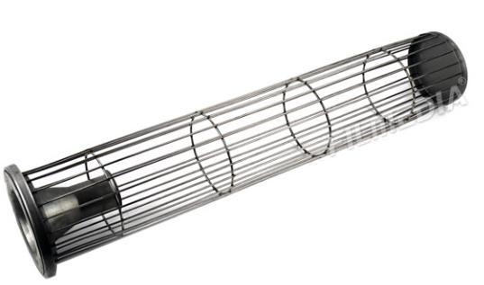

10. Vibro Shifters

Screens | Motors
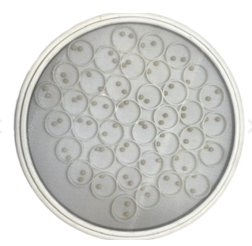
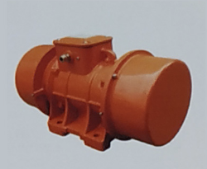

11. Grader

Screens | Motors
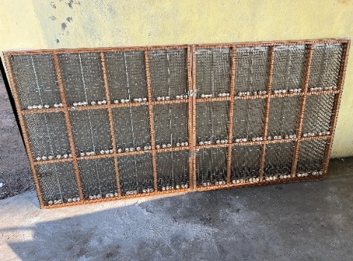

12. Ducting & Air Handling Components

Sight Glass | Centrifugal Fans | Anti-Vibration Mounting Pads | Silencers

13. Rotary Air Lock Valve (RAL)
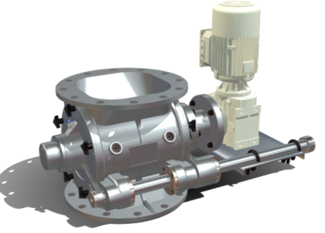

14. Knife Gate Valve (KGV)

Manual KGV | Pneumatic KGV
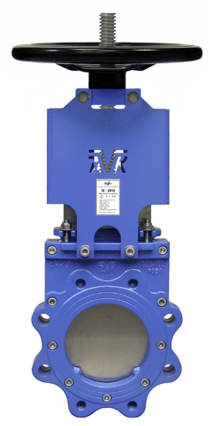
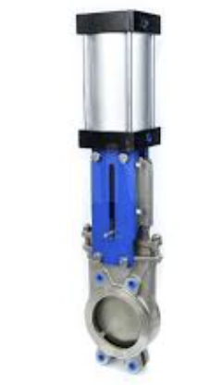

15. Magnetic Separation Systems

Channel Magnets | Hump Magnets | Hopper Magnets | Magnetic Plates
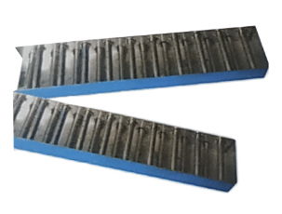
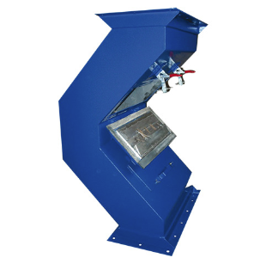
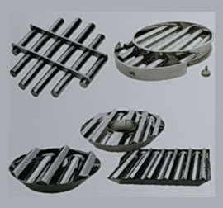
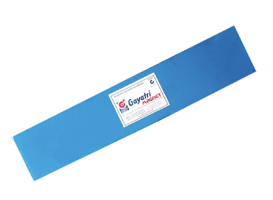

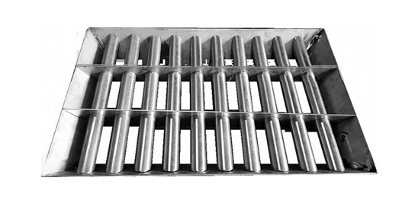
Magnetic Grills
 | Drawer Magnets

