Sheet2
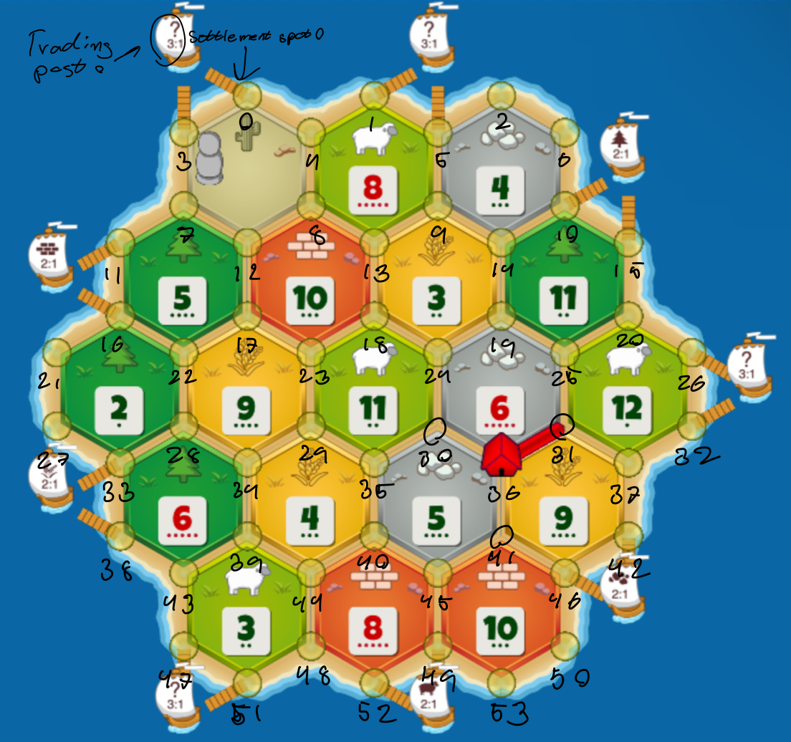
DiceStats ordering goes from 2-12
ResCardStats goes from wo, br, sh, wh, or
DevCardStats goes from knight, vp, mono, rb, yop
ResourceStats ordering are:
Total ressource income
Total ressource loss
Total ressource score
Resouce gained by rolling dice
Ressource gained by robbing
Ressource gained by using dev cards
Ressource gained by trading
Ressource Lost by rolling 7
Ressource lost by getting robbed
Ressource lost by dev cards
Ressource lost by trading
Ressource gained by gold tiles

ActivityStats ordering:
Total times proposed to trade
Total successful trades with opponents
Amount of resources used
Amount of ressource income blocked
Amount of Dev cards bought
Amount of dev cards used

