Sheet1
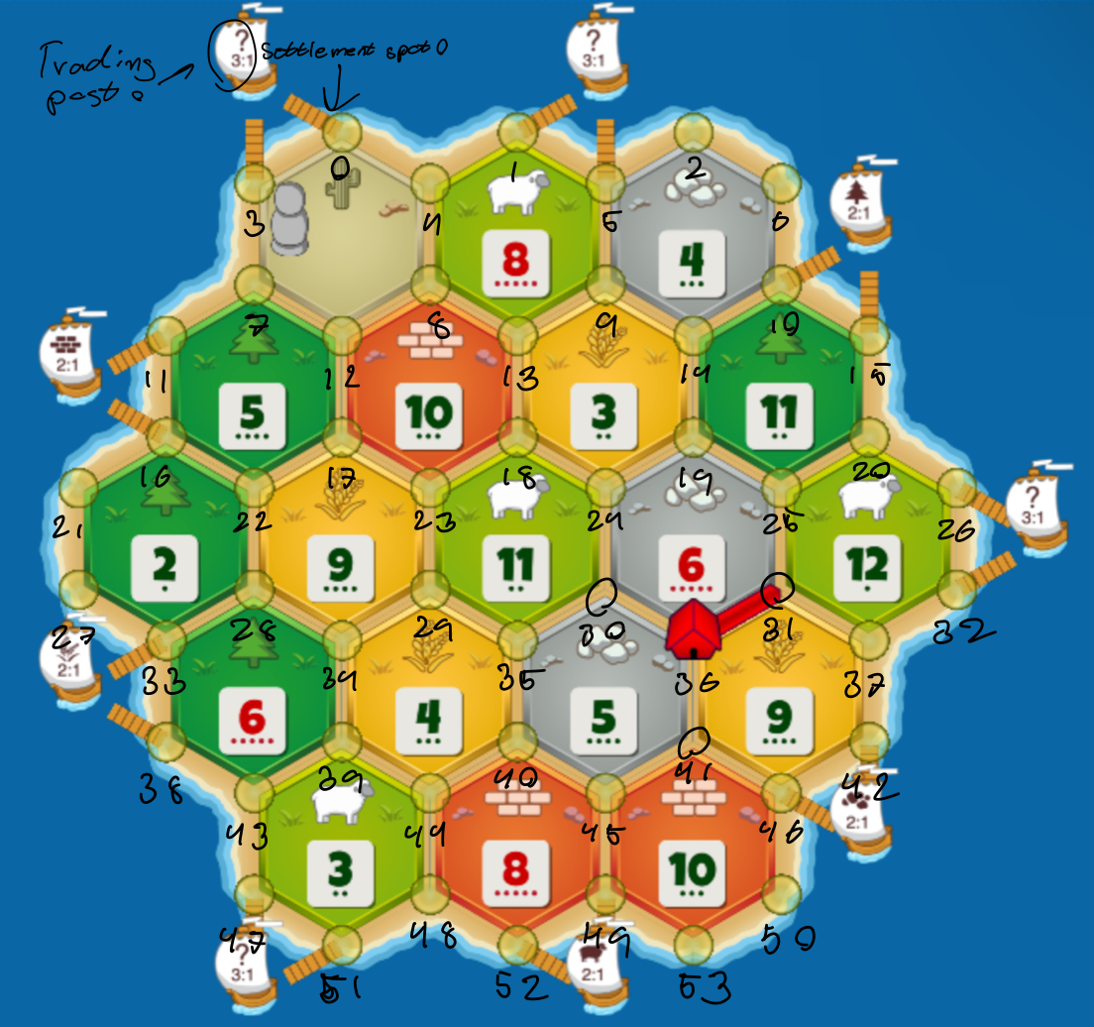
Map string | Port string | PlayerOnePlacement | PlayerTwoPlacement | PlayerThreePlacement | PlayerFourPlacement | PlayerOnePoints | PlayerTwoPoints | PlayerThreePoints | PlayerFourPoints | WinningPlayer | Elo
wh9,or10,sh8,br12,sh5,de00,or3,sh11,wh06,wo11,or04,wo06,wh04,wo03,wo09,sh02,br08,sh10,br05 | sh,xx, br,wh,wo,x,or,xx,xx | 45-49, 5-9 | 8-4,17-23 | 39-43,35-30 | 28-22,25-19 | 7 | 10 | 7 | 9 | 2 | 1335
wh09, br12,or11,or10,or05,wh06,de00,sh08,wo04,wh11,wo03,br04,sh03,wo09,br10,wo08,sh06,wh02,sh05 | tr,xx,wo,xx,or,sh,xx,wh,br | 12-7, 33-27 | 41-46, 13-8 | 22-28, 39-44 | 23-18, 40-45 | 6 | 6 | 4 | 10 | 4 | 1332
br08,sh03,wh06,wh10,wh04,de00,or02,or09,sh05,sh11,wo09,br05,wh12,wo06,or03,sh10,br11,wo4,wo8 | xx,wh,wo,xx,br,or,sh,xx,xx | 8-13, 30-36 | 31-37, 45-41 | 22-28, 44-48 | 29-34, 7-3 | 8 | 5 | 10 | 7 | 3 | 1330
wh11,br12,or09,de00,sh06,sh05,wo10,br04,wo03,wh11,wo04,or08,wh08,sh10,sh9,br03,wh05,wo02,or06 | or,wh,sh,xx,wo,xx,xx,xx,br | 41-45, 8-4 | 14-19, 18-13 | 39-43, 5-2, | 31-37, 28-33 | 7 | 4 | 6 | 10 | 4 | 1326
wo09,wh12,br11,br10,br05,sh06,or04,or08,sh04,wh11,wo03,sh08,wh03,wh09,de00,sh10,wo06,wo02,or05 | or,wh,xx,xx,br,sh,xx,xx,wo | 12-7, 43-47 | 22-28, 44-48 | 18-23, 31-36 | 34-39,14-9 | 7 | 6 | 9 | 19 | 4 | 1326

