Berechnung Wegpunkte
 | 1 |  | 2 |  | 3 |  | 4 |  | 5 |  | 6 |  | 7 |  | 8 |  | 9 |  | 10 |  | 11 |  | 12
 | N-L |  | N-R |  | N-G |  | O-L |  | O-R |  | O-G |  | S-L |  | S-R |  | S-G |  | W-L |  | W-R |  | W-G |  | Globale Parameter
Herkunft | N |  | N |  | N |  | O |  | O |  | O |  | S |  | S |  | S |  | W |  | W |  | W
Ziel | O |  | W |  | S |  | S |  | N |  | W |  | W |  | O |  | N |  | N |  | S |  | O |  | Radius | 15
Richtung | L |  | R |  | G |  | L |  | R |  | G |  | L |  | R |  | G |  | L |  | R |  | G |  | Schrittweite | 0.5
 | x | y | x | y | x | y | x | y | x | y | x | y | x | y | x | y | x | y | x | y | x | y | x | y
Start | 391.6 | 0 | 391.6 | 0 | 391.6 | 0 | 800 | 391.6 | 800 | 391.6 | 800 | 391.6 | 408.4 | 800 | 408.4 | 800 | 408.4 | 800 | 0 | 408.4 | 0 | 408.4 | 0 | 408.4 | Wegposition 1 | 391.6 | 16.8
Ziel | 800 | 408.4 | 0 | 391.6 | 391.6 | 800 | 391.6 | 800 | 408.4 | 0 | 0 | 391.6 | 0 | 391.6 | 800 | 408.4 | 408.4 | 0 | 408.4 | 0 | 391.6 | 800 | 800 | 408.4 | Wegposition 2 | 408.4

 |  |  |  |  |  |  |  |  |  |  |  |  |  |  |  |  |  |  |  |  |  |  |  |  | Start | 0
 | x | y | x | y | x | y | x | y | x | y | x | y | x | y | x | y | x | y | x | y | x | y | x | y | Ende | 800
Startpunkt | 391.6 | 0 | 391.6 | 0 | 391.6 | 0 | 800 | 391.6 | 800 | 391.6 | 800 | 391.6 | 408.4 | 800 | 408.4 | 800 | 408.4 | 800 | 0 | 408.4 | 0 | 408.4 | 0 | 408.4
Letzter Punkt Gerade | 391.6 | 393.4 | 391.6 | 376.6 | 391.6 | 375 | 406.6 | 391.6 | 423.4 | 391.6 | 425 | 391.6 | 408.4 | 406.6 | 408.4 | 423.4 | 408.4 | 425 | 393.4 | 408.4 | 376.6 | 408.4 | 375 | 408.4 | WP_min | 375
Kreibogen | 392.1 | 397.24057287 | 391.1 | 380.44057287 | 391.6 | 425 | 406.1 | 391.60833565 | 422.9 | 391.59166435 | 375 | 391.6 | 407.9 | 402.75942713 | 408.9 | 419.55942713 | 408.4 | 375 | 393.9 | 408.39166435 | 377.1 | 408.40833565 | 425 | 408.4 | WP_max | 425
 | 392.6 | 398.78516481 | 390.6 | 381.98516481 | 391.6 | 475 | 405.6 | 391.63337045 | 422.4 | 391.56662955 | 325 | 391.6 | 407.4 | 401.21483519 | 409.4 | 418.01483519 | 408.4 | 325 | 394.4 | 408.36662955 | 377.6 | 408.43337045 | 475 | 408.4
 | 393.1 | 399.93834842 | 390.1 | 383.13834842 | 391.6 | 525 | 405.1 | 391.67518844 | 421.9 | 391.52481156 | 275 | 391.6 | 406.9 | 400.06165158 | 409.9 | 416.86165158 | 408.4 | 275 | 394.9 | 408.32481156 | 378.1 | 408.47518844 | 525 | 408.4
 | 393.6 | 400.88331477 | 389.6 | 384.08331477 | 391.6 | 575 | 404.6 | 391.73393125 | 421.4 | 391.46606875 | 225 | 391.6 | 406.4 | 399.11668523 | 410.4 | 415.91668523 | 408.4 | 225 | 395.4 | 408.26606875 | 378.6 | 408.53393125 | 575 | 408.4
 | N-L |  | N-R |  | O-L |  | O-R |  | W-L |  | W-R |  | S-R |  | S-L |  | KPs
391.6 | 0 | 391.6 | 0 | 800 | 391.6 | 800 | 391.6 | 0 | 408.4 | 0 | 408.4 | 408.4 | 800 | 408.4 | 800 | 408.4 | 376.6
391.6 | 393.4 | 391.6 | 376.6 | 406.6 | 391.6 | 423.4 | 391.6 | 393.4 | 408.4 | 376.6 | 408.4 | 408.4 | 423.4 | 408.4 | 406.6 | 423.4 | 408.4
392.1 | 397.24057287 | 391.1 | 380.44057287 | 406.1 | 391.60833565 | 422.9 | 391.59166435 | 393.9 | 408.39166435 | 377.1 | 408.40833565 | 408.9 | 419.55942713 | 407.9 | 402.75942713 | 391.6 | 423.4
392.6 | 398.78516481 | 390.6 | 381.98516481 | 405.6 | 391.63337045 | 422.4 | 391.56662955 | 394.4 | 408.36662955 | 377.6 | 408.43337045 | 409.4 | 418.01483519 | 407.4 | 401.21483519 | 376.6 | 391.6
393.1 | 399.93834842 | 390.1 | 383.13834842 | 405.1 | 391.67518844 | 421.9 | 391.52481156 | 394.9 | 408.32481156 | 378.1 | 408.47518844 | 409.9 | 416.86165158 | 406.9 | 400.06165158 | 391.6 | 391.6
393.6 | 400.88331477 | 389.6 | 384.08331477 | 404.6 | 391.73393125 | 421.4 | 391.46606875 | 395.4 | 408.26606875 | 378.6 | 408.53393125 | 410.4 | 415.91668523 | 406.4 | 399.11668523 | 408.4 | 391.6
394.1 | 401.69156198 | 389.1 | 384.89156198 | 404.1 | 391.80980054 | 420.9 | 391.39019946 | 395.9 | 408.19019946 | 379.1 | 408.60980054 | 410.9 | 415.10843802 | 405.9 | 398.30843802 | 408.4 | 408.4
394.6 | 402.4 | 388.6 | 385.6 | 403.6 | 391.90306154 | 420.4 | 391.29693846 | 396.4 | 408.09693846 | 379.6 | 408.70306154 | 411.4 | 414.4 | 405.4 | 397.6 | 391.6 | 408.4
395.1 | 403.03068014 | 388.1 | 386.23068014 | 403.1 | 392.01404785 | 419.9 | 391.18595215 | 396.9 | 407.98595215 | 380.1 | 408.81404785 | 411.9 | 413.76931986 | 404.9 | 396.96931986 | 393.13 | 400
395.6 | 403.59803903 | 387.6 | 386.79803903 | 402.6 | 392.14316771 | 419.4 | 391.05683229 | 397.4 | 407.85683229 | 380.6 | 408.94316771 | 412.4 | 413.20196097 | 404.4 | 396.40196097 | 400 | 393.13
396.1 | 404.11214264 | 387.1 | 387.31214264 | 402.1 | 392.29091198 | 418.9 | 390.90908802 | 397.9 | 407.70908802 | 381.1 | 409.09091198 | 412.9 | 412.68785736 | 403.9 | 395.88785736 | 406.87 | 400
396.6 | 404.58033989 | 386.6 | 387.78033989 | 401.6 | 392.45786438 | 418.4 | 390.74213562 | 398.4 | 407.54213562 | 381.6 | 409.25786438 | 413.4 | 412.21966011 | 403.4 | 395.41966011 | 400 | 406.87
397.1 | 405.00818677 | 386.1 | 388.20818677 | 401.1 | 392.64471426 | 417.9 | 390.55528574 | 398.9 | 407.35528574 | 382.1 | 409.44471426 | 413.9 | 411.79181323 | 402.9 | 394.99181323
397.6 | 405.4 | 385.6 | 388.6 | 400.6 | 392.85227292 | 417.4 | 390.34772708 | 399.4 | 407.14772708 | 382.6 | 409.65227292 | 414.4 | 411.4 | 402.4 | 394.6
398.1 | 405.75920709 | 385.1 | 388.95920709 | 400.1 | 393.08149417 | 416.9 | 390.11850583 | 399.9 | 406.91850583 | 383.1 | 409.88149417 | 414.9 | 411.04079291 | 401.9 | 394.24079291
398.6 | 406.08857754 | 384.6 | 389.28857754 | 399.6 | 393.33350084 | 416.4 | 389.86649916 | 400.4 | 406.66649916 | 383.6 | 410.13350084 | 415.4 | 410.71142246 | 401.4 | 393.91142246
399.1 | 406.39038106 | 384.1 | 389.59038106 | 399.1 | 393.60961894 | 415.9 | 389.59038106 | 400.9 | 406.39038106 | 384.1 | 410.40961894 | 415.9 | 410.40961894 | 400.9 | 393.60961894
399.6 | 406.66649916 | 383.6 | 389.86649916 | 398.6 | 393.91142246 | 415.4 | 389.28857754 | 401.4 | 406.08857754 | 384.6 | 410.71142246 | 416.4 | 410.13350084 | 400.4 | 393.33350084
400.1 | 406.91850583 | 383.1 | 390.11850583 | 398.1 | 394.24079291 | 414.9 | 388.95920709 | 401.9 | 405.75920709 | 385.1 | 411.04079291 | 416.9 | 409.88149417 | 399.9 | 393.08149417
400.6 | 407.14772708 | 382.6 | 390.34772708 | 397.6 | 394.6 | 414.4 | 388.6 | 402.4 | 405.4 | 385.6 | 411.4 | 417.4 | 409.65227292 | 399.4 | 392.85227292
401.1 | 407.35528574 | 382.1 | 390.55528574 | 397.1 | 394.99181323 | 413.9 | 388.20818677 | 402.9 | 405.00818677 | 386.1 | 411.79181323 | 417.9 | 409.44471426 | 398.9 | 392.64471426
401.6 | 407.54213562 | 381.6 | 390.74213562 | 396.6 | 395.41966011 | 413.4 | 387.78033989 | 403.4 | 404.58033989 | 386.6 | 412.21966011 | 418.4 | 409.25786438 | 398.4 | 392.45786438
402.6 | 407.85683229 | 380.6 | 391.05683229 | 395.6 | 396.40196097 | 412.4 | 386.79803903 | 404.4 | 403.59803903 | 387.6 | 413.20196097 | 419.4 | 408.94316771 | 397.4 | 392.14316771
403.1 | 407.98595215 | 380.1 | 391.18595215 | 395.1 | 396.96931986 | 411.9 | 386.23068014 | 404.9 | 403.03068014 | 388.1 | 413.76931986 | 419.9 | 408.81404785 | 396.9 | 392.01404785
403.6 | 408.09693846 | 379.6 | 391.29693846 | 394.6 | 397.6 | 411.4 | 385.6 | 405.4 | 402.4 | 388.6 | 414.4 | 420.4 | 408.70306154 | 396.4 | 391.90306154
404.1 | 408.19019946 | 379.1 | 391.39019946 | 394.1 | 398.30843802 | 410.9 | 384.89156198 | 405.9 | 401.69156198 | 389.1 | 415.10843802 | 420.9 | 408.60980054 | 395.9 | 391.80980054
404.6 | 408.26606875 | 378.6 | 391.46606875 | 393.6 | 399.11668523 | 410.4 | 384.08331477 | 406.4 | 400.88331477 | 389.6 | 415.91668523 | 421.4 | 408.53393125 | 395.4 | 391.73393125
405.1 | 408.32481156 | 378.1 | 391.52481156 | 393.1 | 400.06165158 | 409.9 | 383.13834842 | 406.9 | 399.93834842 | 390.1 | 416.86165158 | 421.9 | 408.47518844 | 394.9 | 391.67518844
405.6 | 408.36662955 | 377.6 | 391.56662955 | 392.6 | 401.21483519 | 409.4 | 381.98516481 | 407.4 | 398.78516481 | 390.6 | 418.01483519 | 422.4 | 408.43337045 | 394.4 | 391.63337045
406.1 | 408.39166435 | 377.1 | 391.59166435 | 392.1 | 402.75942713 | 408.9 | 380.44057287 | 407.9 | 397.24057287 | 391.1 | 419.55942713 | 422.9 | 408.40833565 | 393.9 | 391.60833565
408.4 | 408.29160838 | 376.6 | 391.6 | 391.6 | 408.4 | 408.4 | 376.6 | 408.4 | 391.6 | 391.6 | 423.4 | 423.4 | 408.4 | 391.6 | 391.6
800 | 408.4 | 0 | 391.6 | 391.6 | 800 | 408.4 | 0 | 408.4 | 0 | 391.6 | 800 | 800 | 408.4 | 0 | 391.6
 | 394.1 | 401.69156198 | 389.1 | 384.89156198 | 391.6 | 625 | 404.1 | 391.80980054 | 420.9 | 391.39019946 | 175 | 391.6 | 405.9 | 398.30843802 | 410.9 | 415.10843802 | 408.4 | 175 | 395.9 | 408.19019946 | 379.1 | 408.60980054 | 625 | 408.4
 | 394.6 | 402.4 | 388.6 | 385.6 | 391.6 | 675 | 403.6 | 391.90306154 | 420.4 | 391.29693846 | 125 | 391.6 | 405.4 | 397.6 | 411.4 | 414.4 | 408.4 | 125 | 396.4 | 408.09693846 | 379.6 | 408.70306154 | 675 | 408.4
 | 395.1 | 403.03068014 | 388.1 | 386.23068014 | 391.6 | 725 | 403.1 | 392.01404785 | 419.9 | 391.18595215 | 75 | 391.6 | 404.9 | 396.96931986 | 411.9 | 413.76931986 | 408.4 | 75 | 396.9 | 407.98595215 | 380.1 | 408.81404785 | 725 | 408.4 |  |  |  | KP
 | 395.6 | 403.59803903 | 387.6 | 386.79803903 | 391.6 | 775 | 402.6 | 392.14316771 | 419.4 | 391.05683229 | 25 | 391.6 | 404.4 | 396.40196097 | 412.4 | 413.20196097 | 408.4 | 25 | 397.4 | 407.85683229 | 380.6 | 408.94316771 | 775 | 408.4 |  |  |  | x | y
 | 396.1 | 404.11214264 | 387.1 | 387.31214264 | 391.6 | 775 | 402.1 | 392.29091198 | 418.9 | 390.90908802 | 25 | 391.6 | 403.9 | 395.88785736 | 412.9 | 412.68785736 | 408.4 | 25 | 397.9 | 407.70908802 | 381.1 | 409.09091198 | 775 | 408.4 |  |  |  | 408.4 | 376.6
 | 396.6 | 404.58033989 | 386.6 | 387.78033989 | 391.6 | 775 | 401.6 | 392.45786438 | 418.4 | 390.74213562 | 25 | 391.6 | 403.4 | 395.41966011 | 413.4 | 412.21966011 | 408.4 | 25 | 398.4 | 407.54213562 | 381.6 | 409.25786438 | 775 | 408.4 |  |  |  | 423.4 | 408.4
 | 397.1 | 405.00818677 | 386.1 | 388.20818677 | 391.6 | 775 | 401.1 | 392.64471426 | 417.9 | 390.55528574 | 25 | 391.6 | 402.9 | 394.99181323 | 413.9 | 411.79181323 | 408.4 | 25 | 398.9 | 407.35528574 | 382.1 | 409.44471426 | 775 | 408.4 |  |  |  | 391.6 | 423.4
 | 397.6 | 405.4 | 385.6 | 388.6 | 391.6 | 775 | 400.6 | 392.85227292 | 417.4 | 390.34772708 | 25 | 391.6 | 402.4 | 394.6 | 414.4 | 411.4 | 408.4 | 25 | 399.4 | 407.14772708 | 382.6 | 409.65227292 | 775 | 408.4 |  |  |  | 376.6 | 391.6
 | 398.1 | 405.75920709 | 385.1 | 388.95920709 | 391.6 | 775 | 400.1 | 393.08149417 | 416.9 | 390.11850583 | 25 | 391.6 | 401.9 | 394.24079291 | 414.9 | 411.04079291 | 408.4 | 25 | 399.9 | 406.91850583 | 383.1 | 409.88149417 | 775 | 408.4 |  |  |  | 391.6 | 391.6
 | 398.6 | 406.08857754 | 384.6 | 389.28857754 | 391.6 | 775 | 399.6 | 393.33350084 | 416.4 | 389.86649916 | 25 | 391.6 | 401.4 | 393.91142246 | 415.4 | 410.71142246 | 408.4 | 25 | 400.4 | 406.66649916 | 383.6 | 410.13350084 | 775 | 408.4 |  |  |  | 408.4 | 391.6
 | 399.1 | 406.39038106 | 384.1 | 389.59038106 | 391.6 | 775 | 399.1 | 393.60961894 | 415.9 | 389.59038106 | 25 | 391.6 | 400.9 | 393.60961894 | 415.9 | 410.40961894 | 408.4 | 25 | 400.9 | 406.39038106 | 384.1 | 410.40961894 | 775 | 408.4 |  |  |  | 408.4 | 408.4
 | 399.6 | 406.66649916 | 383.6 | 389.86649916 | 391.6 | 775 | 398.6 | 393.91142246 | 415.4 | 389.28857754 | 25 | 391.6 | 400.4 | 393.33350084 | 416.4 | 410.13350084 | 408.4 | 25 | 401.4 | 406.08857754 | 384.6 | 410.71142246 | 775 | 408.4 |  |  |  | 391.6 | 408.4
 | 400.1 | 406.91850583 | 383.1 | 390.11850583 | 391.6 | 775 | 398.1 | 394.24079291 | 414.9 | 388.95920709 | 25 | 391.6 | 399.9 | 393.08149417 | 416.9 | 409.88149417 | 408.4 | 25 | 401.9 | 405.75920709 | 385.1 | 411.04079291 | 775 | 408.4 |  |  |  | 393.13 | 400
 | 400.6 | 407.14772708 | 382.6 | 390.34772708 | 391.6 | 775 | 397.6 | 394.6 | 414.4 | 388.6 | 25 | 391.6 | 399.4 | 392.85227292 | 417.4 | 409.65227292 | 408.4 | 25 | 402.4 | 405.4 | 385.6 | 411.4 | 775 | 408.4 |  |  |  | 400 | 393.13
 | 401.1 | 407.35528574 | 382.1 | 390.55528574 | 391.6 | 775 | 397.1 | 394.99181323 | 413.9 | 388.20818677 | 25 | 391.6 | 398.9 | 392.64471426 | 417.9 | 409.44471426 | 408.4 | 25 | 402.9 | 405.00818677 | 386.1 | 411.79181323 | 775 | 408.4 |  |  |  | 406.87 | 400
 | 401.6 | 407.54213562 | 381.6 | 390.74213562 | 391.6 | 775 | 396.6 | 395.41966011 | 413.4 | 387.78033989 | 25 | 391.6 | 398.4 | 392.45786438 | 418.4 | 409.25786438 | 408.4 | 25 | 403.4 | 404.58033989 | 386.6 | 412.21966011 | 775 | 408.4 |  |  |  | 400 | 406.87
 | 402.6 | 407.85683229 | 380.6 | 391.05683229 | 391.6 | 775 | 395.6 | 396.40196097 | 412.4 | 386.79803903 | 25 | 391.6 | 397.4 | 392.14316771 | 419.4 | 408.94316771 | 408.4 | 25 | 404.4 | 403.59803903 | 387.6 | 413.20196097 | 775 | 408.4
 | 403.1 | 407.98595215 | 380.1 | 391.18595215 | 391.6 | 775 | 395.1 | 396.96931986 | 411.9 | 386.23068014 | 25 | 391.6 | 396.9 | 392.01404785 | 419.9 | 408.81404785 | 408.4 | 25 | 404.9 | 403.03068014 | 388.1 | 413.76931986 | 775 | 408.4
 | 403.6 | 408.09693846 | 379.6 | 391.29693846 | 391.6 | 775 | 394.6 | 397.6 | 411.4 | 385.6 | 25 | 391.6 | 396.4 | 391.90306154 | 420.4 | 408.70306154 | 408.4 | 25 | 405.4 | 402.4 | 388.6 | 414.4 | 775 | 408.4
 | 404.1 | 408.19019946 | 379.1 | 391.39019946 | 391.6 | 775 | 394.1 | 398.30843802 | 410.9 | 384.89156198 | 25 | 391.6 | 395.9 | 391.80980054 | 420.9 | 408.60980054 | 408.4 | 25 | 405.9 | 401.69156198 | 389.1 | 415.10843802 | 775 | 408.4
 | 404.6 | 408.26606875 | 378.6 | 391.46606875 | 391.6 | 775 | 393.6 | 399.11668523 | 410.4 | 384.08331477 | 25 | 391.6 | 395.4 | 391.73393125 | 421.4 | 408.53393125 | 408.4 | 25 | 406.4 | 400.88331477 | 389.6 | 415.91668523 | 775 | 408.4
 | 405.1 | 408.32481156 | 378.1 | 391.52481156 | 391.6 | 775 | 393.1 | 400.06165158 | 409.9 | 383.13834842 | 25 | 391.6 | 394.9 | 391.67518844 | 421.9 | 408.47518844 | 408.4 | 25 | 406.9 | 399.93834842 | 390.1 | 416.86165158 | 775 | 408.4
 | 405.6 | 408.36662955 | 377.6 | 391.56662955 | 391.6 | 775 | 392.6 | 401.21483519 | 409.4 | 381.98516481 | 25 | 391.6 | 394.4 | 391.63337045 | 422.4 | 408.43337045 | 408.4 | 25 | 407.4 | 398.78516481 | 390.6 | 418.01483519 | 775 | 408.4
 | 406.1 | 408.39166435 | 377.1 | 391.59166435 | 391.6 | 775 | 392.1 | 402.75942713 | 408.9 | 380.44057287 | 25 | 391.6 | 393.9 | 391.60833565 | 422.9 | 408.40833565 | 408.4 | 25 | 407.9 | 397.24057287 | 391.1 | 419.55942713 | 775 | 408.4
Kurvenausgang | 408.4 | 408.29160838 | 376.6 | 391.6 | 391.6 | 775 | 391.6 | 408.4 | 408.4 | 376.6 | 25 | 391.6 | 391.6 | 391.6 | 423.4 | 408.4 | 408.4 | 25 | 408.4 | 391.6 | 391.6 | 423.4 | 775 | 408.4
Zielpunkt | 800 | 408.4 | 0 | 391.6 | 391.6 | 800 | 391.6 | 800 | 408.4 | 0 | 0 | 391.6 | 0 | 391.6 | 800 | 408.4 | 408.4 | 0 | 408.4 | 0 | 391.6 | 800 | 800 | 408.4

KP | 400 | 406.86996659 |  |  |  |  | 393.13003341 | 400 |  |  |  |  | 400 | 393.13003341 |  |  |  |  | 406.86996659 | 400

Berechnung KPs
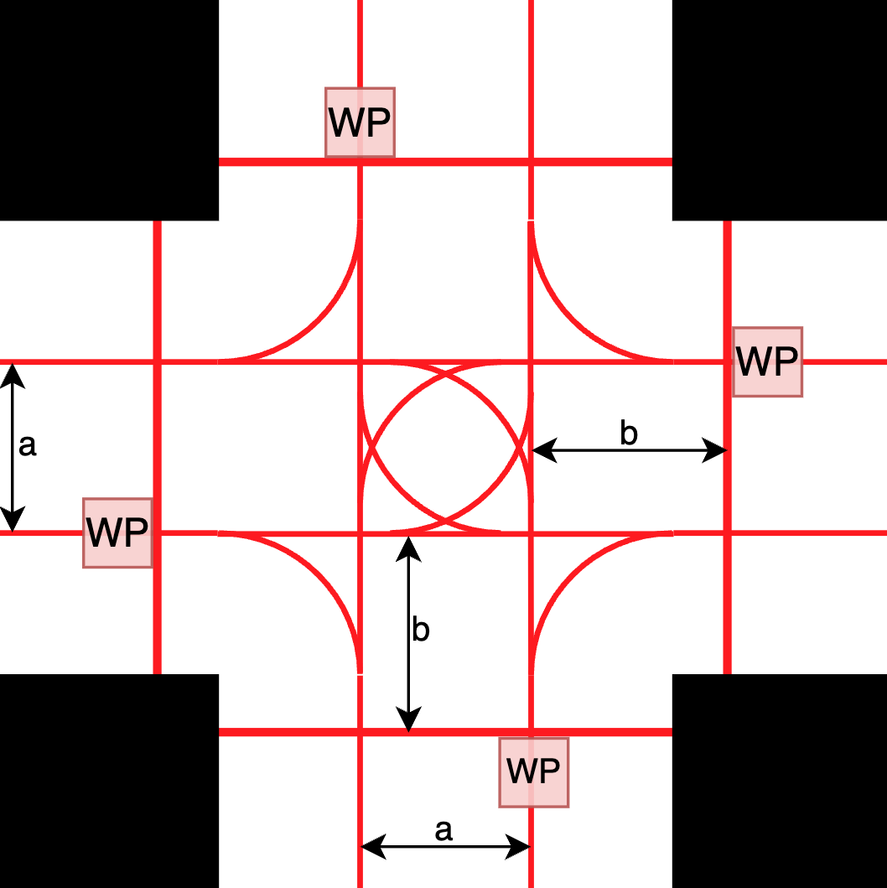
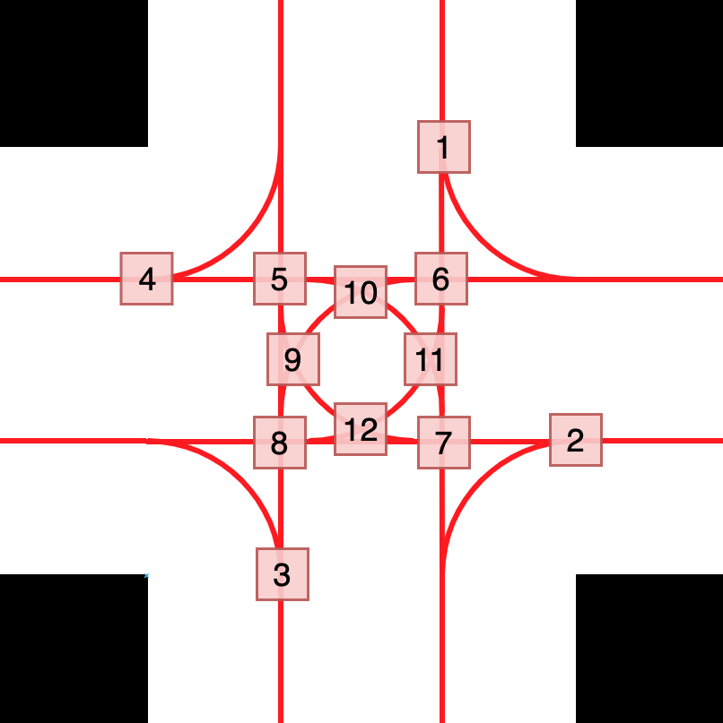
Parameter | Wert
a | 16.8
b | 16.6
Abbiegeradius (r) | 15
Umfang Viertelkreis | 23.561944902
Kreisanteil bis zweiten KP | 6.8339801009
Kreisanteil bis dritten KP | 16.727964801

 |  | Strecke von WP bis KP
 | Route\KP | 1 | 2 | 3 | 4 | 5 | 6 | 7 | 8 | 9 | 10 | 11 | 12
N -> O | 1 | - | 58.761944902 | - | - | 16.6 | - | 43.761944902 | - | 25.233980101 | - | - | 35.127964801
N -> W | 2 | - | - | - | 25.161944902 | - | - | - | - | - | - | - | -
N -> S | 3 | - | - | 48.4 | - | 16.6 | - | - | 33.4 | 25 | - | - | -
O -> S | 4 | - | - | 58.761944902 | - | - | 16.6 | - | 43.761944902 | 35.127964801 | 25.233980101 | - | -
O -> N | 5 | 25.161944902 | - | - | - | - | - | - | - | - | - | - | -
O -> W | 6 | - | - | - | 48.4 | 33.4 | 16.6 | - | - | - |  | - | -
S -> W | 7 | - | - | - | 58.761944902 | 43.761944902 | - | 16.6 | - | - | 35.127964801 | 25.233980101 | -
S -> O | 8 | - | 25.161944902 | - | - | - | - | - | - | - | - | - | -
S -> N | 9 | 48.4 | - | - | - | - | 33.4 | 16.6 | - | - | - | 25 | -
W -> N | 10 | 58.761944902 | - | - | - | - | 43.761944902 | - | 16.6 | - | - | 35.127964801 | 25.233980101
W -> S | 11 | - | - | 25.161944902 | - | - | - | - | - | - | - | - | -
W -> O | 12 | - | 48.4 | - | - | - | - | 33.4 | 16.6 | - | - | - | 25

