Wing
NACA2412 | Hard requirement
 | Subject to change
 | Results
 | Used formula

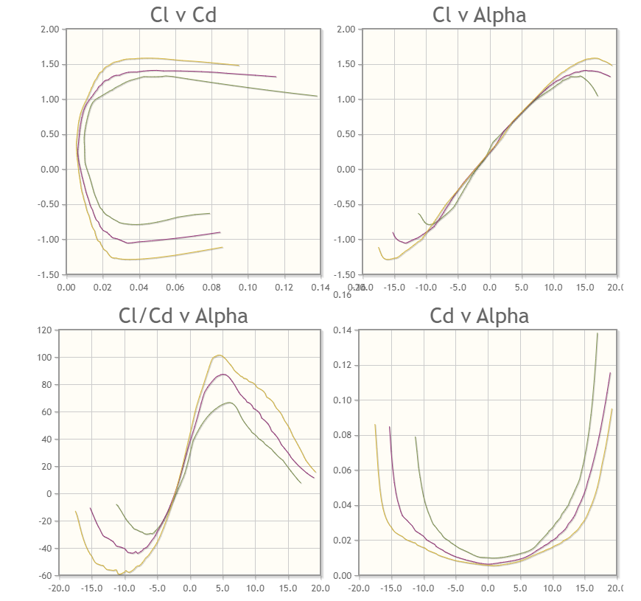
 | Property | Definition | Value | Unit | Notes | Used formula
Wing | MTOW | Maximum Take-off weight | 15 | kg
 | Vstall |  | 14 | m/s
 | Vcruise |  | 24 | m/s
 | CLmax | maximum lift coeff. | 1.4 |  | (NACA2412) αmax ≈ 15deg Take a look at the graphs on the right (Cl vs alpha)
$Re= \frac{V∗c}{ν}$ $≈$ 500000
 | 𝑅𝑒 at cruse speed | Reynolds number at cruise speed | 500000 |  | Approximate value
 | c | mean wing chord | 0.3 | m
 | ν | kinematic viscosity of the air | 0.0000144 | m2/s | Assumed average viscosity of the air at standard conditions between 10 and 15deg and SOF atmospheric pressure
 | ρ | air density | 1.17 | kg/m³ | for Sofia (600m)
S=$\frac{2∗MTOW∗g}{ρ∗{Vstall}^{2}∗C_{Lmax}}$
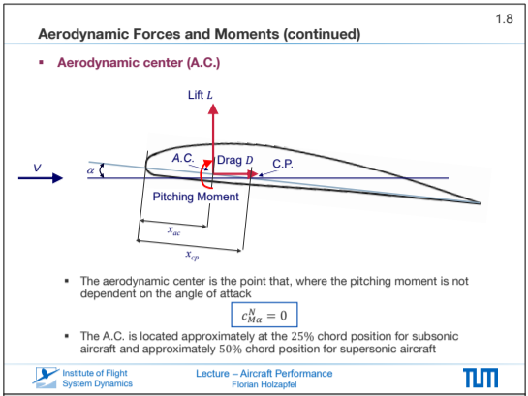
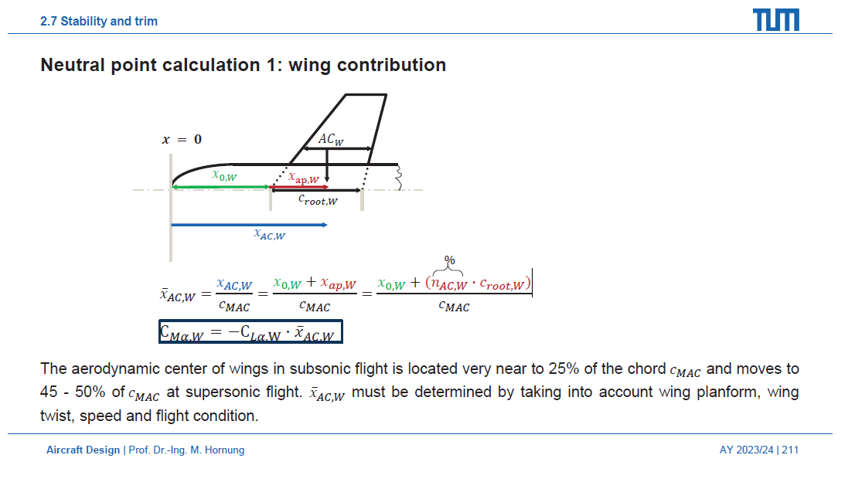
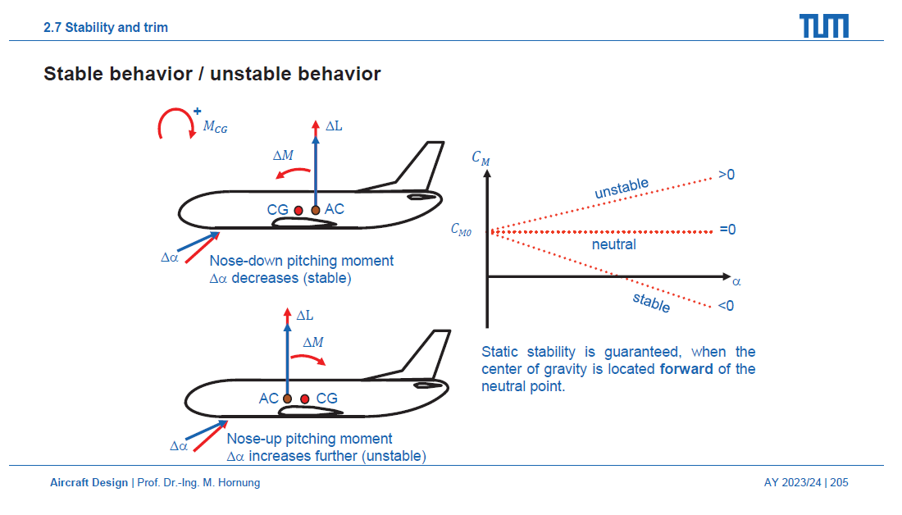
 | S | wing ref area | 0.9164 | m2
b=$\sqrt{S∗AR}$
 | b | wingspan | 3.03 | m
 | AR | aspect ratio | 10 |  | Efficient for the beginning Could be lowered to 8-9 later if the wingspan is too wide to be build
 | ACW | Aerodynamic Center of the wing | 0.075 | m | Around 25% of the wing chord from the wing tip. Could be calculated at a later stage when the preliminary design is done. | Aircraft Performance lecture slide on the right.

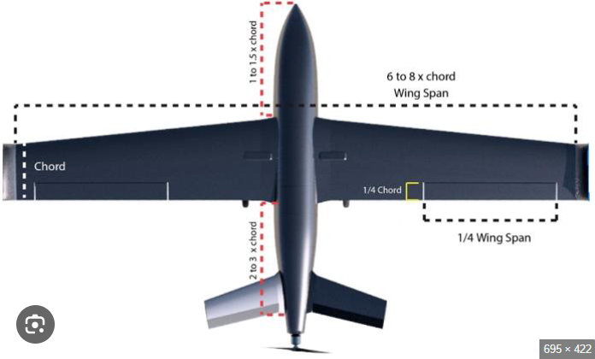
Aileron |  | Single Aileron span | 0.7568 | m
 |  | Single Aileron chord | 0.075 | m
 |  | Aileron start outbound to inbound | 0.15 | m | This is chosen by the design. Could be lower.

V-tail
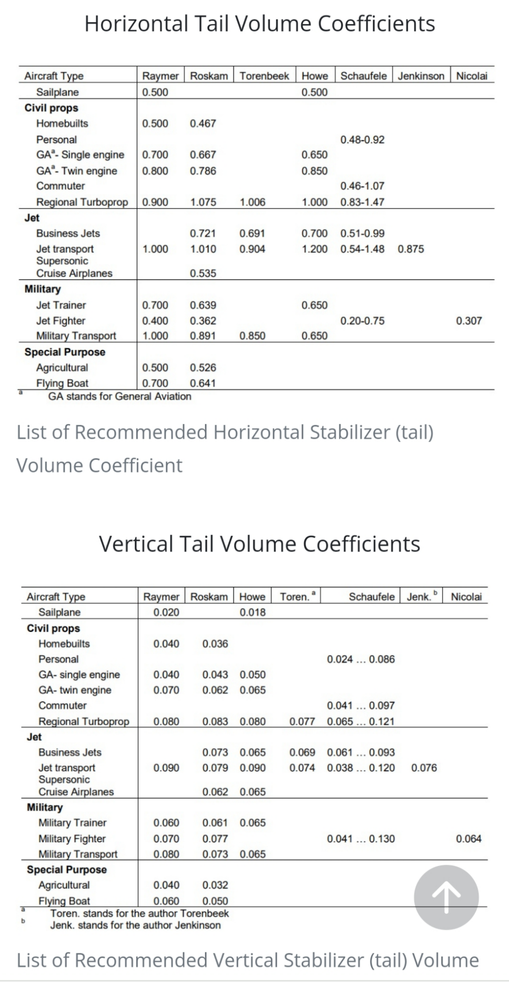
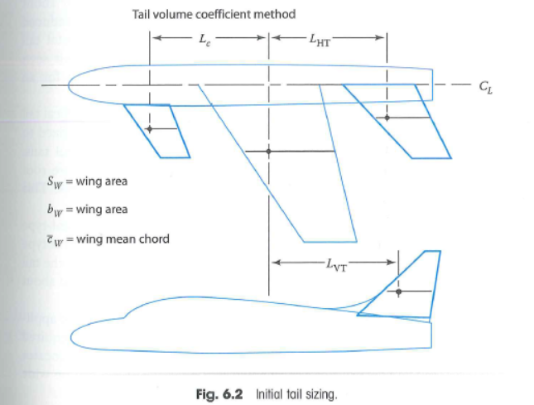
NACA0009 | Hard requirement
 | Subject to change
 | Results
 | Used formula

$$C_{VT}=\frac{L_{VT}∗S_{VT}}{b_{w}∗S_{W}}$$
 | Property | Definition | Value | Unit | Notes | Used formula
Vertical Tail | cVT | Vertical tail volume coefficient | 0.03 |  | statistical data (look at tables on the right for acceptable values)
 | LVT | moment arm to the VT from wing AC to tail AC | 0.9 | m | Could be lowered
$$S_{VT}=\frac{c_{VT}∗b_{W}∗S_{W}}{L_{VT}}$$
 | SVT | area of the vertical tail | 0.092 | m2
 | bW | wing span | 3.03 | m
 | SW | wing area | 0.9164 | m2

$$C_{HT}=\frac{L_{HT}∗S_{HT}}{C_{w}∗S_{W}}$$
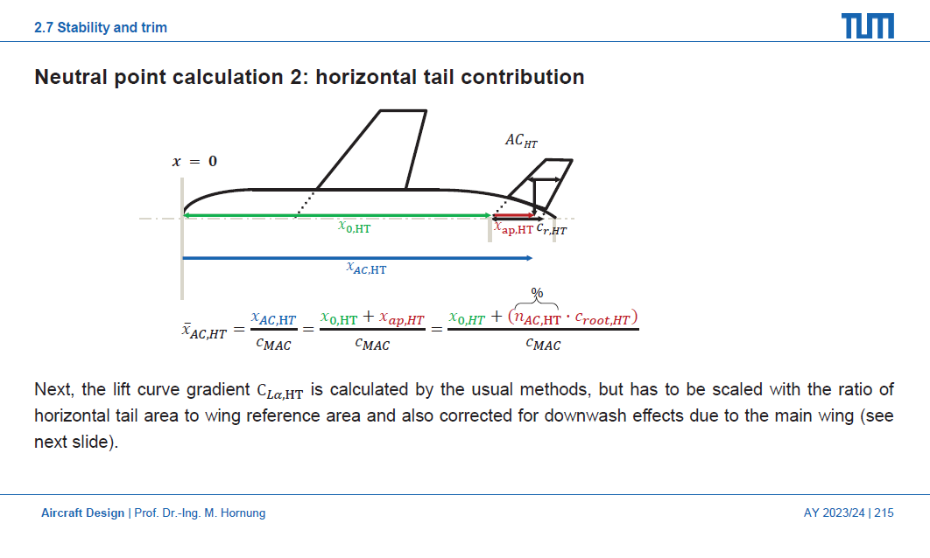
$$S_{HT}=\frac{c_{HT}∗{\overline{c}}_{W}∗S_{W}}{L_{HT}}$$
Horizontal Tail | cHT | Horizontal tail volume coefficient | 0.5 |  | statistical data (look at tables on the right for acceptable values)
 | LHT | moment arm to the HT from wing AC to tail AC | 0.9 | m | Could be lowered
 | SHT | area of the horizontal tail | 0.1527 | m2
 | bHT | Horizontal tail wing span | 0.7813 | m

$Vtail_{angle}$= $\tan^{−1}{(\sqrt{\frac{S_{VT}}{S_{HT}}}} )$
$$S_{vtail}∗\left(\cos^{2}θ+\sin^{2}θ\right)=S_{HT}+S_{VT}$$
V-Tail | θ | V-tail angle | 37.9 | deg | with respect to the horizon
 | SV-tail | V-tail surface area | 0.2452 | m2
 | AR | Aspect Ratio | 4 |  | Aspect ration is chosen such than smaller span is achieved.
 | bV-tail | V-tail span | 0.990 | m | This is the whole V-tail span. Half span is 0.495
 | cV-tail | V-tail chord | 0.248 | m
 | λ | V-tail taper | 0 |  | No taper for the first model.
 | Λ | Sweep angle | -10 | deg | Negative sweep angle to begin with. Could be further increased later if needed.

Elevon | be​ | Single Elevon span |  | m | Almost the whole V-tail surface
 | ce​ | Single Elevon chord | 0.099 | m | 40percent of the V-tail chord. 25-50 is the acceptable range.
 |  | Elevon start outbound to inbound | 0 | m | Elevon spans across almost the whole V-tail surface

Overall AC
Overall Aerodynamic Center | Hard requirement
 | Subject to change
 | Results
 | Used formula

$${\overline{x}}_{AC,W}$$
$$n_{AC,W}=25\%$$
$${\overline{x}}_{AC,W}=\frac{x_{0,W}+(n_{AC,W}∗c_{root,W})}{c_{MAC}}$$
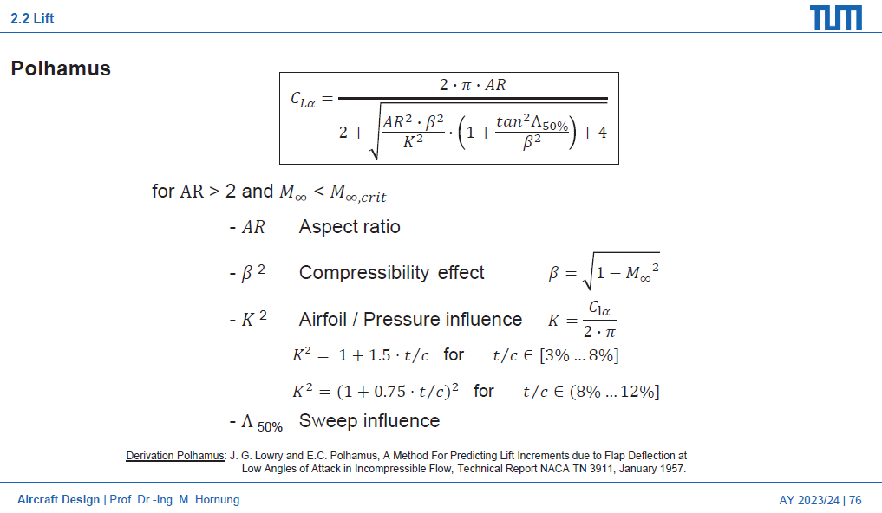
$$C_{Mα,W}$$
$$C_{Mα,W}=−C_{Lα,W}∗{\overline{x}}_{AC,W}$$
 | Property | Definition | Value | Unit | Notes | Used formula
Wing contribution |  | Non-dimensional position of Wing Aerodynamic Center | 1.75 | n/a
 |  | Wing Moment coefficient slope | -9.68 | rad-1
$$C_{Lα,W}$$
 |  | Lift coeff. Depending on the angle of attack of the wing | 5.53 | rad-1 | The change of pitching moment coefficient with angle of attack, caused by the wing, about your chosen aircraft reference point. | polhamus formula (reference on the right)
$$tan⁡(Λ_{50\%})$$
 |  | 50% of sweep | 0.00 |  | Used in Polhamus formula Rectangular wing - no sweep angle
 | ϐ2 | Compressibility effect | 0.9951 | n/a | Used in Polhamus formula Mach infinity (in the undisturbed airflow) is the Speed of the aircraft over the speed of the sound. - 0.07
 | K2 | Airfoilf/Pressure Influence | 1.19 | n/a | Used in Polhamus formula Formula for t/c between 8% and 12%
 | t/c | Relative thickness | 0.12 | n/a | Used for Airfoilf/Pressure Influence t - root overall thickness of the airfoil (12% of the chord for NACA2412) c - wing chord

$${\overline{x}}_{AC,HT}$$
$$n_{AC,HT}=25\%$$
$${\overline{x}}_{AC,HT}=\frac{x_{0,HT}+(n_{AC,HT}∗c_{root,HT})}{c_{MAC}}$$
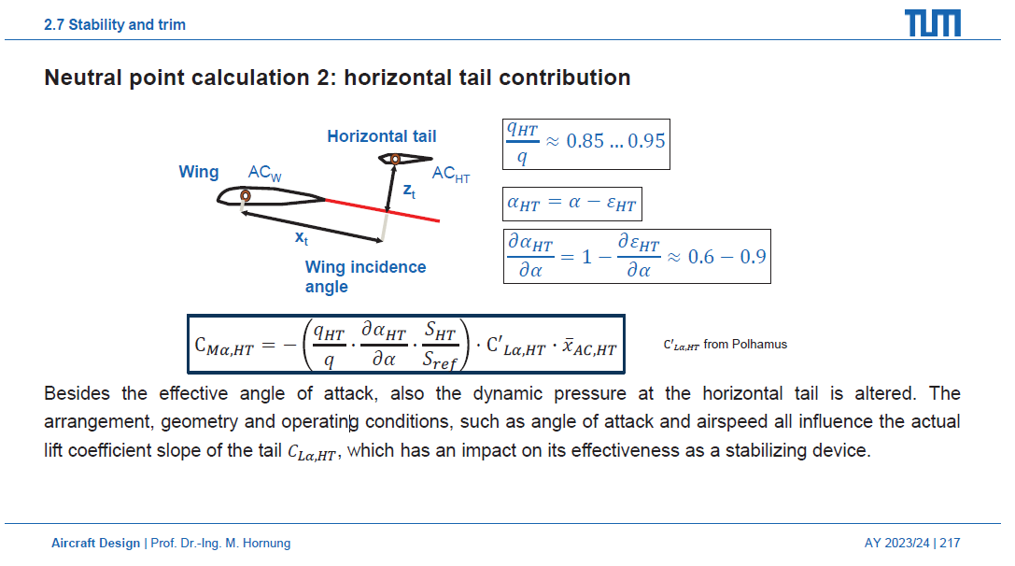
$$C_{Mα,HT}$$
$$C_{Mα,HT}=−(\frac{q_{HT}}{q}∗\frac{{∂α}_{HT}}{∂α}∗\frac{S_{HT}}{S_{ref}}){C′}_{Lα,W}∗{\overline{x}}_{AC,W}$$
Horizontal Tail contribution |  | Non-dimensional position of Horizontal Tail Aerodynamic Center | 5.91 | n/a
 | x0,HT | Distance from the beginning of the fuselage to the beginning of the Horizontal tail | 1.40 | m | Fuselage overall length minus chord length of the tail
 |  | Horizontal Tail Moment coefficient slope | -2.53 | rad-1
$$\frac{q_{HT}}{q}$$
 |  | Dynamic pressure correction | 0.90 | n/a | Estimation (could be changed in the range from the slide on the right)
$$\frac{{∂α}_{HT}}{∂α}$$
 |  | Downwash correction | 0.70 |  | Estimation (could be changed in the range from the slide on the right)
$$\frac{S_{HT}}{S_{ref}}$$
 |  | Area Ratio | 0.17 | n/a
$${C′}_{Lα,HT}$$
 |  | Lift coeff. Depending on the angle of attack of the Horizontal Tail | 4.07 | rad-1 | The change of pitching moment coefficient with angle of attack, caused by the horizontal tail, about your chosen aircraft reference point. | polhamus formula (reference on the right)
$$tan⁡(Λ_{50\%})$$
 |  | 50% of sweep | 0.00 |  | Used in Polhamus formula Assumed Rectangular wing - no sweep angle
 | ϐ2 | Compressibility effect | 0.9951 | n/a | Used in Polhamus formula Mach infinity (in the undisturbed airflow) is the Speed of the aircraft over the speed of the sound. - 0.07
 | K2 | Airfoilf/Pressure Influence | 1.19 | n/a | Used in Polhamus formula Formula for t/c between 8% and 12%
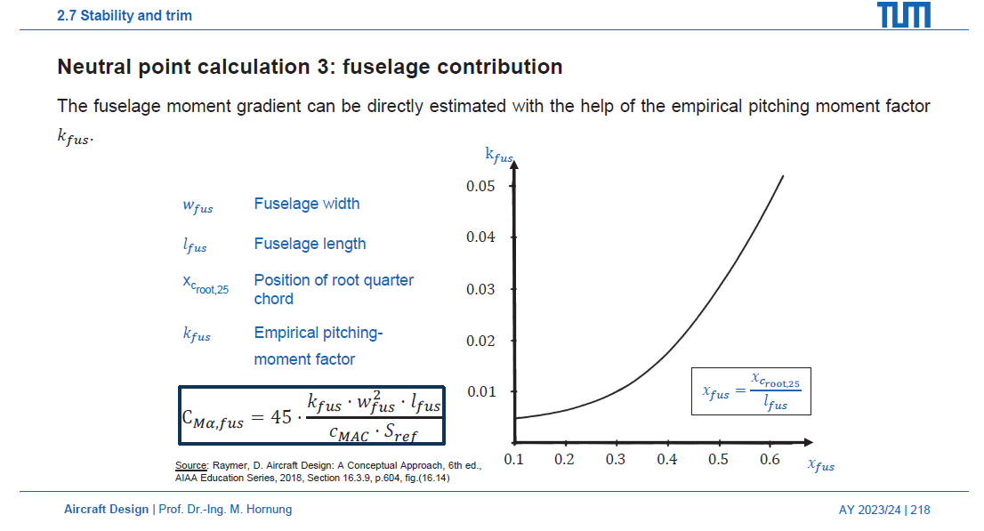
 | t/c | Relative thickness | 0.12 | n/a | Used for Airfoilf/Pressure Influence t - root overall thickness of the airfoil (12% of the chord for NACA2412) c - wing chord

$$C_{Mα,fus}$$
$$C_{Mα,fus}=45∗\frac{k_{fus}∗w_{fus}^{2}∗l_{fus}}{c_{MAC}∗S_{ref}}$$
Fuselage contribution |  | Fuselage Moment coefficient slope | 0.20 | rad-1
 | kfus | Empirical pitching moment factor | 0.01 | n/a | Estimated from the graph on the right using xfus
 | wfus | Fuselage width | 0.30 | m | The maximum diameter of the fuselage is used here
 | xfus |  | 0.32 | n/a
 | xc,root,25 | Position of root quarter chord | 0.525 | m

$${\overline{x}}_{AC}$$
$${\overline{x}}_{AC}=\frac{C_{Mα,W}−C_{Mα,fus}+C_{Mα,HT}}{C_{Lα,W}+C_{Lα,HT}}$$
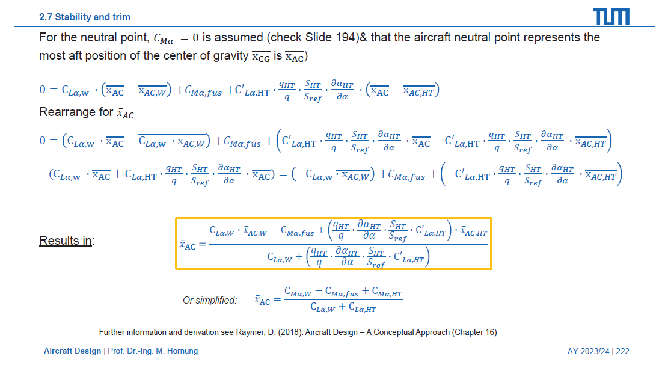
Overall results |  | Non-dimensional position of Overall Aerodynamic Center | 1.83 | n/a
 | xAC | Dimensional position of the overall Aerodynamic Center | 0.55 | m | CG should be abfront this point so that we achieve static stability

Weight and Balance
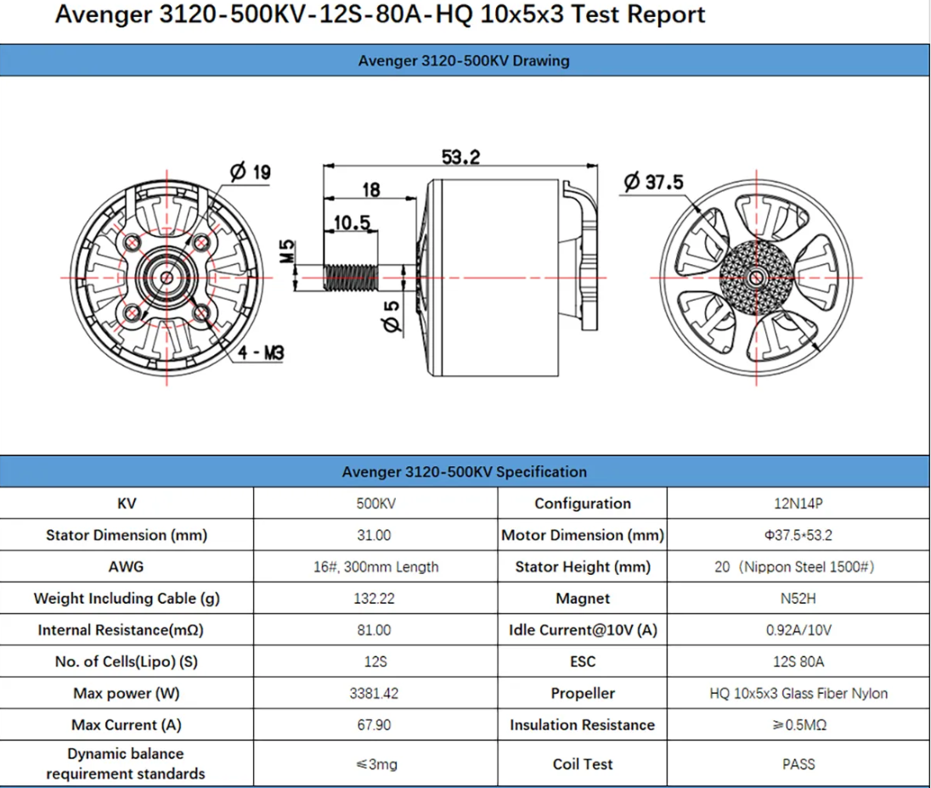

 | Estimated Weight (g) | Result Weight (g) | Height | Width | Length | Amount | Model assumed | Price
battery | 773 |  | 51 | 51 | 149 | 4
motors | 142.7 |  | 53.2 | Φ37.5 |  | 4 | BrotherHobby Avenger 3120 Motors 500KV FPV Drone Motor
propellers | 180 |  | 22inch |  |  | 4
ESCs | 110 |  | 19.5 | 35.5 | 84 | 4 | FLAME 80A 12S V2.0 Multi-Rotor UAVs ESC
servos motors | 70 |  | 38.7 | 20.2 | 40.3 | 4
servos flight controls | 70 |  | 38.7 | 20.2 | 40.3 | 4
flight controller | 37 |  |  |  |  | 1 | Arduino Mega 2560 (ArduPilot)
payload | 3000 |  | 230 | 300 | 200 | 1
landing gear | 200 |  |  |  |  | 1
wing structure PLA | 1200 |  |  |  |  | 1
fuselage structure PLA | 1000 |  |  |  |  | 1
tail structure PLA | 400 |  |  |  |  | 1
wiring and mounts | 250 |  |  |  |  | 4
CF structure | 2000 |  |  |  |  | 1
Total mass | 11939.8 |  |  |  |  | n/a

actual CG location |  |  | n/a | n/a | n/a | n/a | From SOLIDWORKS, can be exported
CG travel range | 0.521 | 0.494 | n/a | n/a | n/a | n/a | 5-10% from AC

