Wing
Hard requirement
Subject to change
Results
Used formula

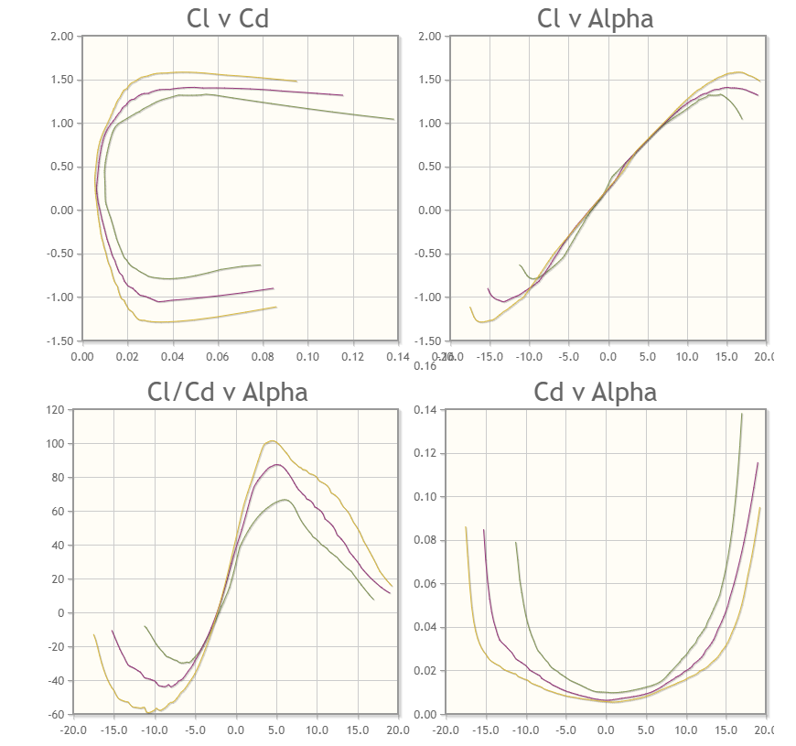
Property | Definition | Value | Unit | Dependencies | Notes | Used formula
MTOW | Maximum Take-off weight | 15 | kg
Vstall |  | 14 | m/s
Vcruise |  | 24 | m/s
CLmax | maximum lift coeff. | 1.4 |  |  | (NACA2412) Take a look at the graphs on the right (Cl vs alpha)
$Re= \frac{V∗c}{ν}$ $≈$ 500000
𝑅𝑒 at cruse speed |  | 500000
c | mean wing chord | 0.3 | m
ν | kinematic viscosity of the air | 0.0000144 | m^2/s |  | Assumed average viscosity of the air at standard conditions between 10 and 15deg and SOF atmospheric pressure
ρ | air density | 1.17 | kg/m³ |  | for Sofia (600m)
S=$\frac{2∗MTOW∗g}{ρ∗{Vstall}^{2}∗C_{Lmax}}$
S | wing ref area | 0.9164 | m^2
b=$\sqrt{S∗AR}$
b | wingspan | 3.03 | m
AR | aspect ratio | 10 |  |  | Efficient for the beginning Could be lowered to 8-9 later if the wingspan is too wide to be build

V-tail
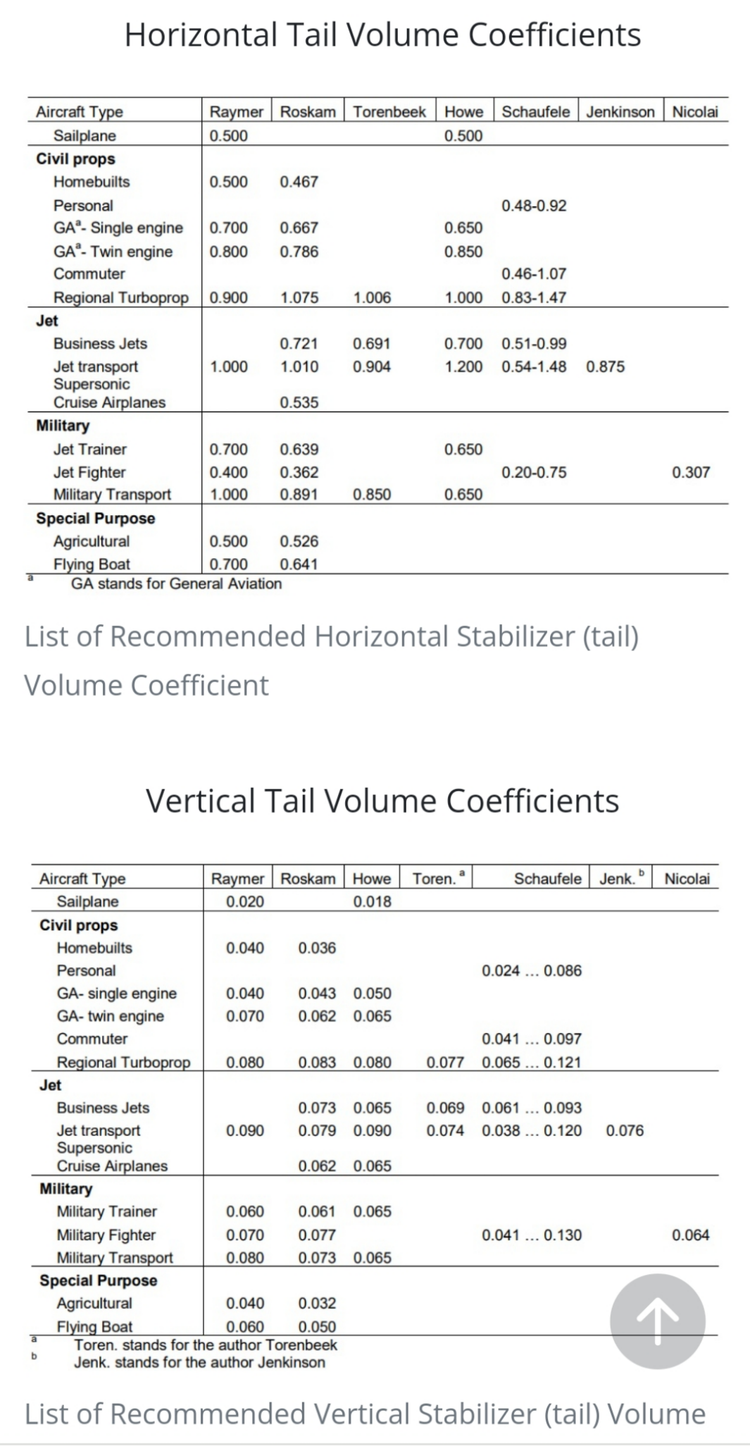
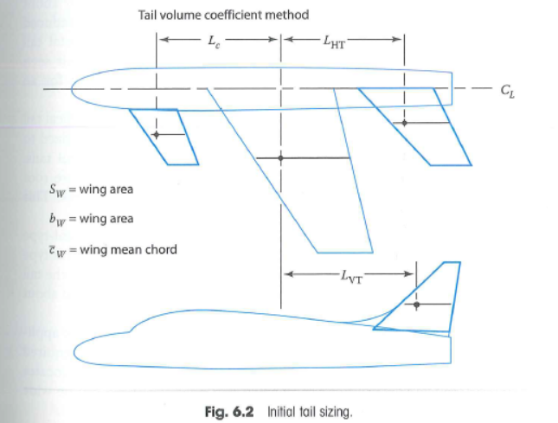
Hard requirement
Subject to change
Results
Used formula

$$C_{VT}=\frac{L_{VT}∗S_{VT}}{b_{w}∗S_{W}}$$
Property | Definition | Value | Unit | Dependencies | Notes | Used formula
cVT | Vertical tail volume coefficient | 0.03 |  |  | statistical data (look at tables on the right for acceptable values)
LVT | moment arm to the VT from wing AC to tail AC | 1 | m
$$S_{VT}=\frac{c_{VT}∗b_{W}∗S_{W}}{L_{VT}}$$
SVT | area of the vertical tail | 0.083 | m^2
bW | wing span | 3.03 | m
SW | wing area | 0.9164 | m^2

$$C_{HT}=\frac{L_{HT}∗S_{HT}}{C_{w}∗S_{W}}$$
$$S_{HT}=\frac{c_{HT}∗{\overline{c}}_{W}∗S_{W}}{L_{HT}}$$
cHT | Horizontal tail volume coefficient | 0.5 |  |  | statistical data (look at tables on the right for acceptable values)
LHT | moment arm to the HT from wing AC to tail AC | 1 | m
SHT | area of the horizontal tail | 0.1375 | m^2

$Vtail_{angle}$= $\tan^{−1}{(\sqrt{\frac{S_{VT}}{S_{HT}}}} )$
 | V-tail angle | 37.89 | deg
SV-tail |  | 0.2205 | m^2

