Sheet1
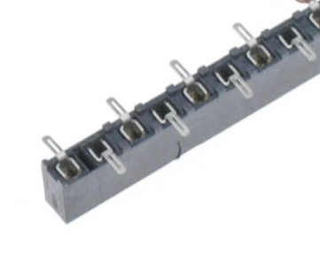
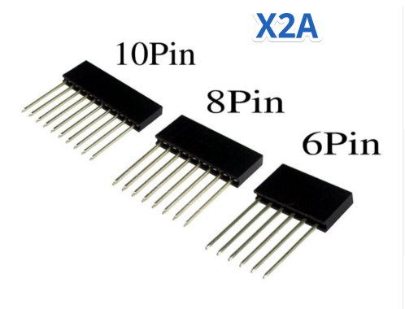
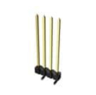
Id | Designator | Package | Quantity | Designation | Supplier and ref |  | 300sets
1 | C5 | C_0805 | 1 | 10 pF |  |  |  |  | offer the parameter
2 | J1 | Pin_Header_Straight_1x03_Pitch2.54mm | 1 | SPI |  |  | $0.022 | $0.022 | pin header 1*3pin 2.54mm
3 | C6,C7 | C_0805 | 2 | 0.1uF |  |  | $0.033 | $0.066
4 | D1 | LED_0805 | 1 | LED |  |  | $0.022 | $0.022 | LED 0805 green,made in China
5 | R1,R2,R5,R6 | R_0805 | 4 | 10K |  |  | $0.009 | $0.035
6 | R3 | R_0805 | 1 | 1K |  |  | $0.009 | $0.009
7 | R4 | R_0805 | 1 | 2K |  |  | $0.009 | $0.009
8 | U4 | SOIC-8_3.9x4.9mm_Pitch1.27mm | 1 | 24LC256 |  |  | $0.352 | $0.352 | complete part number is 24LC256T-I/SN
9 | U5 | TSSOP-20_4.4x6.5mm_Pitch0.65mm | 1 | TXB0108PWR |  |  | $0.792 | $0.792
10 | U2 | DCDC_BOOST | 1 | DD06AJSA |  |  |  |  | DNS
16 | J4 | SolderJumper | 1 | GS2 | DNS |  |  |  | DNS
17 | SW1,SW2,SW3 | MSK12C02 | 3 | SW_SPDT |  |  | $0.044 | $0.132 | MSK-12C02,made in China
19 | XA2 | UNO_headersICSP_EDIT_10smd | 1 | Shield |  |  |  |  | PARTS LISTED BELOW spreadsheet lines 15-18
 | XA2 Parts
 | X2A - 1X6 | 1x6_Long_pin_Stackable_header Socket | 1 |  |  |  | $0.022 | $0.022 | pin header 1*6pin 2.54mm | MUST BE LONG PIN STACKABLE
 | X2A-1X8 | 1x8_Long_pin_Stackable_header Socket | 2 |  |  |  | $0.022 | $0.044 | pin header 1*8pin 2.54mm | MUST BE LONG PIN STACKABLE
 | X2A 1X10 | 1x10_SMD_header Socket | 1 |  |  |  | $0.033 | $0.033 | pin header 1*10pin 2.54mm | MUST BE LONG PIN STACKABLE
 | J2 | 1x10_SMD_Long_Header_Pins | 1 | pn 95293-101-10LF mouser has them in stock IM 1X10 |  |  | $1.947 | $0.900 | 95293-101-10LF 1*10 PIN LONG 5-7work days | CAN BE CHINESE MADE IF YOU CAN SOURCE SMD LONG PIN HEADERS
 |  |  |  |  |  |  | 1 set | $2.438
 |  |  |  |  |  |  | 300 sets | $731.34

 | X2A - 1X6, 1x8, LONG PINS |  | X2A 1X10 SMD |  |  | J2

