W82810AXS23-250sets-Skull_badge
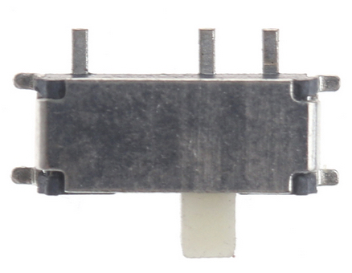
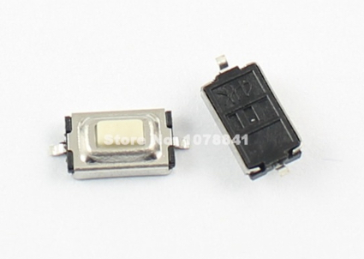
Component | Description | Part | References | Value | Footprint | Quantity Per PCB | Datasheet | manf# |  |  |  | 305sets
1 |  | C_Small | C4 C6 C14 C15 C16 C17 C18 C19 C20 C21 C22 C23 C24 C25 C26 C27 C28 C29 C30 | 100nF | C_0805 | 19 |  | Use house parts | house 0805 capacitors are fine |  |  | $0.033 | $0.627
2 |  | C_Small | C1 C7 C12 C13 | 10uF | C_0805 | 4 |  | Use house parts |  |  |  | $0.055 | $0.220
3 |  | C_Small | C5 C8 C9 C10 C11 | 1uF | C_0805 | 5 |  | Use house parts |  |  |  | $0.055 | $0.275
4 |  | C_Small | C2 C3 | 22pF | C_0805 | 2 |  | Use house parts |  |  |  | $0.009 | $0.018
5 |  | LED 0805 GREEN | D4 | L | LED_0805 | 1 |  | Use house parts |  |  |  | $0.022 | $0.022 | LED 0805 green,made in China
6 |  | LED 0805 BLUE | D3 | PWR | LED_0805 | 1 |  | Use house parts |  |  |  | $0.022 | $0.022 | LED 0805 blue,made in China
7 |  | LED 0805 WHITE | D1 | RX | LED_0805 | 1 |  | Use house parts |  |  |  | $0.022 | $0.022 | LED 0805 white,made in China
8 |  | LED 0805 WHITE | D2 | TX | LED_0805 | 1 |  | Use house parts |  |  |  | $0.022 | $0.022 | LED 0805 white,made in China
9 |  | Fuse | F1 | Fuse | Fuse_SMD2920 | 1 |  | 2920L500/16MR | Do you have an equal house part? |  |  | $0.385 | $0.385 | 2920L500/16MR,made in China
10 |  | Conn_01x02 | J4 | BtmL | Wire_Pads_1x2_4x3mm_Extended | 1 |  | Do Not Source, Nothing to Assemble, Leave Empty | DNS
11 |  | Conn_01x02 | J5 | BtmR | Wire_Pads_1x2_4x3mm_Extended | 1 |  | Do Not Source, Nothing to Assemble, Leave Empty | DNS
12 |  | Conn_02x05 | J7 | Flight Controller Board | Socket_Strip_Straight_2x05_Pitch2.54mm | 1 |  |  | 2*5pin 2.54mm pls check the pic |  |  | $0.110 | $0.110 | female pin heade 2*5pin 2.54mm height is 8.5mm
13 |  | Conn_01x02 | J2 | LiPo | JST_PH_S2B-PH-K_02x2.00mm_Angled | 1 |  | Do Not Source, Nothing to Assemble, Leave Empty | DNS | LOSI Female PCB Mount | 51005-Micro-losi-connecto
14 |  | Conn_01x03 | J8 | SPI | Pin_Header_Straight_1x03_Pitch2.54mm | 1 |  |  | pin header 1*3pin 2.54mm |  |  | $0.022 | $0.022 | pin header 1*3pin 2.54mm
15 |  | Conn_01x02 | J6 | TopL | Wire_Pads_1x2_4x3mm_Extended | 1 |  | Do Not Source, Nothing to Assemble, Leave Empty | DNS
16 |  | Conn_01x02 | J3 | TopR | Wire_Pads_1x2_4x3mm_Extended | 1 |  | Do Not Source, Nothing to Assemble, Leave Empty | DNS
17 |  | USB_OTG | J1 | USB_OTG | USB_Micro-B_10103594-0001LF | 1 |  | 10103594-0001LF |  |  |  | $0.462 | $0.462
18 |  | L | L2 | 2.2uH | VLF4012A | 1 |  | VLF4012AT-2R2M1R5 |  |  |  | $0.385 | $0.385
19 |  | L | L1 | L | L_0805 | 1 |  | BLM21AG601SN1D |  |  |  | $0.033 | $0.033
20 |  | Speaker_Crystal | LS1 | piezo_KJL_1325 | https://lcsc.com/product-detail/Buzzers_KELIKING-KLJ-1325_C201043.html | 1 |  | https://datasheet.lcsc.com/szlcsc/KELIKING-KLJ-1325_C201043.pdf | http://www.keliking.com/KLJ-1325-SMD-Piezo-Buzzer-pd6794765.html |  |  | $0.770 | $0.770 | KLJ-1325 SMD ,480pcs in stock
21 |  | R | R5 | 100 | R_0805 | 1 |  | Use house parts |  |  |  | $0.009 | $0.009
22 |  | R | R3 R6 | 10K | R_0805 | 2 |  | Use house parts |  |  |  | $0.009 | $0.018
23 |  | R | R7 R8 R9 R12 R13 R14 R15 R16 R17 R18 R19 | 1K | R_0805 | 11 |  | Use house parts |  |  |  | $0.009 | $0.097
24 |  | R | R4 R10 R20 | 1M | R_0805 | 3 |  | Use house parts |  |  |  | $0.009 | $0.026
25 |  | R | R1 R2 | 22 | R_0805 | 2 |  | Use house parts |  |  |  | $0.009 | $0.018
26 |  | R | R11 | 2M | R_0805 | 1 |  | Use house parts |  |  |  | $0.009 | $0.009
27 |  | R | R21 | 300 | R_0805 | 1 |  | RC0805JR-07300RL |  |  |  | $0.009 | $0.009
28 |  | SW_SPDT | SW2 | ARD_SW | SW_SPDT_PCM12 | 1 |  | MSK-12C02 | Aliexpress $0.03/ea https://www.aliexpress.com/item/50Pcs-Mini-7-Pin-On-Off-1P2T-SPDT-MSK-12C02-SMD-Toggle-Slide-Switch-For-MP3/32839604589.html |  |  | $0.033 | $0.033 | Made in China, MSK-12D19
30 |  | SW_Push | SW1 | RESET | smd_push | 1 |  |  | Aliexpress $0.0.3/ea https://www.aliexpress.com/item/1000-Pcs-Per-Lot-Momentary-Tactile-Tact-Push-Button-Switch-2-Pin-SMD-SMT-3x6x2-5mm/32261460144.html |  |  | $0.033 | $0.033 | Made in China
31 |  | SW_Push | SW4 SW5 SW6 SW7 SW8 SW9 | SW_Push | smd_push | 6 |  |  | Aliexpress $0.0.3/ea https://www.aliexpress.com/item/1000-Pcs-Per-Lot-Momentary-Tactile-Tact-Push-Button-Switch-2-Pin-SMD-SMT-3x6x2-5mm/32261460144.html |  |  | $0.033 | $0.198 | Made in China
32 | TQFP44, 16K Flash, 1.25K SRAM, 512B EEPROM, USB2.0 | ATMEGA32U4-AU | U1 | ATMEGA32U4-AU | TQFP-44_10x10mm_Pitch0.8mm | 1 | http://www.atmel.com/images/atmel-7766-8-bit-avr-atmega16u4-32u4_%20datasheet.pdf | ATMEGA32U4-AUR |  |  |  | $3.520 | $3.520
33 |  | TPS63001 | U2 | TPS63001 | VSON-10-1EP_3x3mm_Pitch0.5mm_ThermalPad | 1 |  | TPS63002DRCT |  |  |  | $1.430 | $1.430
34 |  | WS2812B | U9 U10 U11 U12 U13 U14 U15 U16 U17 U18 U19 U20 U21 U22 U23 U24 | WS2812B | LED_WS2812B-PLCC4 | 16 |  | 1655 | aliexpress: $.06/ea https://www.aliexpress.com/item/WS2812B-4pins-5050-SMD-W-WS2811-Individually-Addressable-Digital-RGB-LED-Chip-5V/1639139960.html |  |  | $0.110 | $1.760 | WS2812B SMD4 size 5050 | 贴片前75度 除湿48小时，焊接温度不超过250摄氏度-徐冰雪购买
35 |  | Conn_02x02 | X1 | Badgelife_shitty_connector | Socket_Strip_Straight_2x02_Pitch2.54mm_SMD | 1 |  |  | SMD |  |  | $0.066 | $0.066 | pin female 2*2pin 2.54mm height 8.5mm
36 |  | Conn_01x06 |  | 1x6 socket strip 2.54mm |  | 1 |  |  | strip for arduino uno socket headers |  |  | $0.022 | $0.022 | pin header 1*6pin 2.54mm
37 |  | Conn_01x10 |  | 1x10 scoket strip 2.54mm |  | 1 |  |  | strip for arduino uno socket headers |  |  | $0.033 | $0.033 | pin header 1*10pin 2.54mm
38 |  | Conn_01x08 |  | 1x8 scoket strip 2.54mm |  | 2 |  |  | strip for arduino uno socket headers |  |  | $0.033 | $0.066 | pin header 1*8pin 2.54mm
39 |  | Header Pins 02x03 | XA1 | 2x3 Header Pins 2.54mm |  | 1 |  |  | DNS
40 |  | Crystal | Y1 | 16MHz | Q_49U3HMS | 1 |  | ABLS-16.000MHZ-B4-T | Do you have an equal house part? |  |  | $0.880 | $0.880 | Made in China
41 |  | Regulator voltage 3v3 |  | 1117-3v3 |  | 1 |  |  |  |  |  | $0.099 | $0.099 | offer is AMS1117-3.3 SOT223
 |  |  |  |  |  |  |  |  | http://www.irf.com/product-info/datasheets/data/iru1117-33.pdf |  |  | 1 set | $11.719
 |  |  |  |  |  |  |  |  |  |  |  | 305 sets | $3,574.417

Component Groups: | 41
Component Count: | 99
Fitted Components: | 99
Number of PCBs: | 1
Total components: | 99
Schematic Version: | V0
Schematic Date: | 5/14/18
BoM Date: | Monday, June 11, 2018 'PMt' 04:22:07 PM
Schematic Source: | /Users/rscote/Dropbox/DC26/FlyingSkull/gitlab/Skull_badge_V2/Skull_badge.sch
KiCad Version: | Eeschema 4.0.7

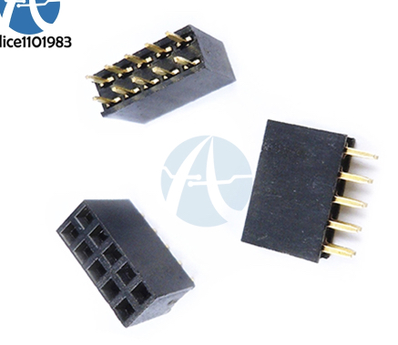
J7
 |  |  |  | X1 |  | LS1
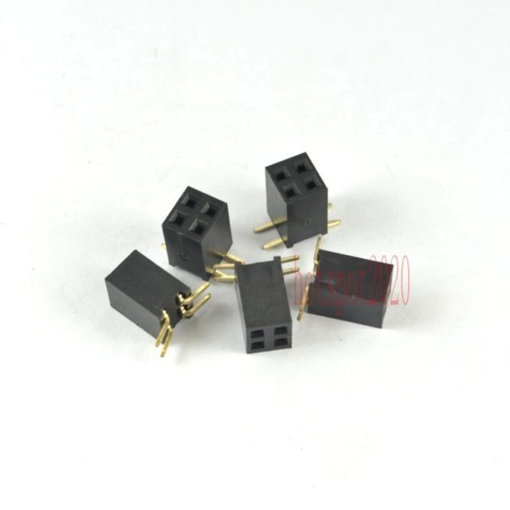
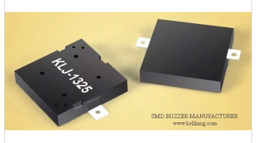
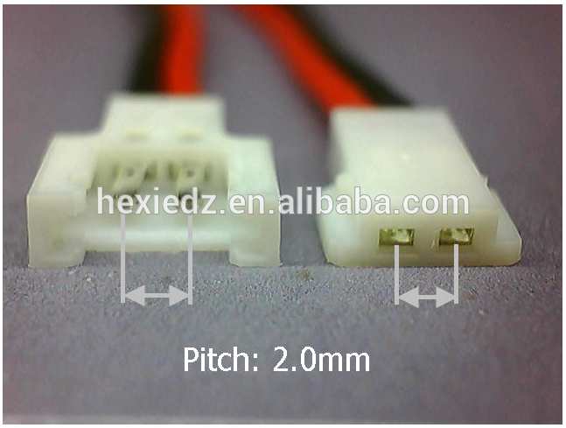

SW2
 |  |  | s1,s4,s5,s6,s7,s8,s9

