CAN
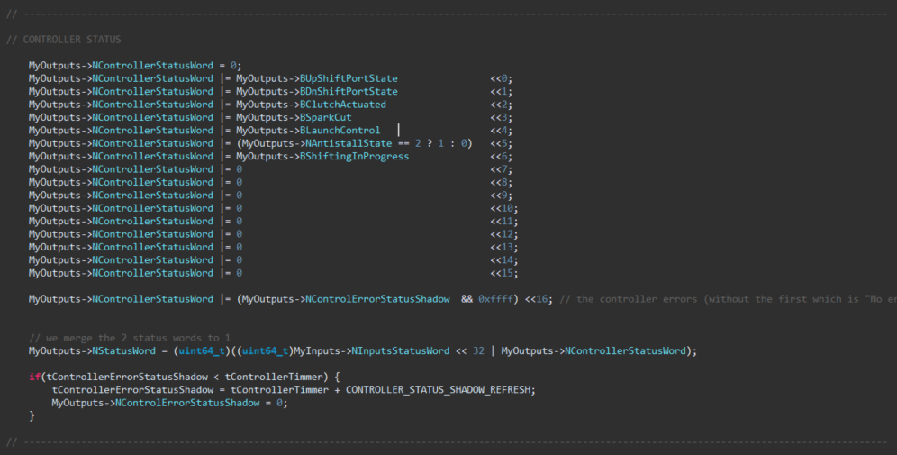
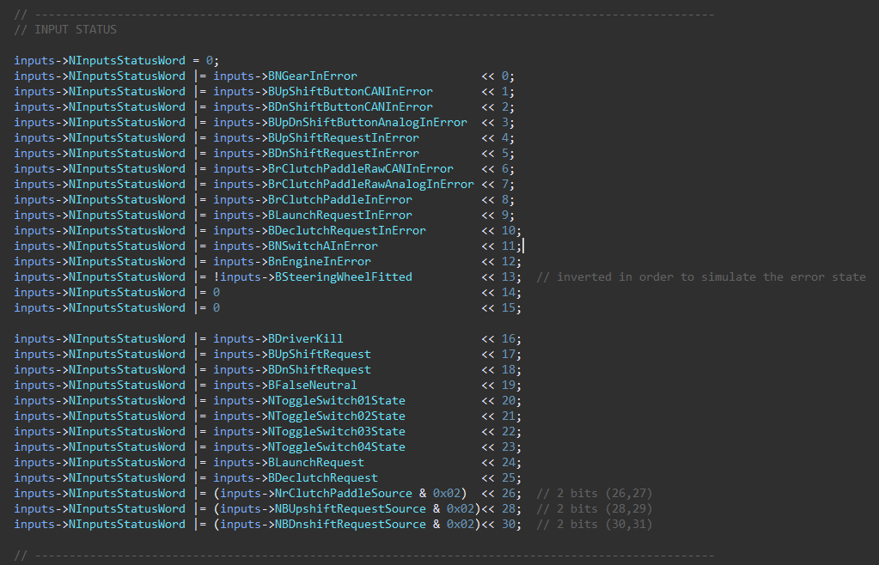
Device | ID | Size | Frequency | Byte 0 | Byte 1 | Byte 2 | Byte 3 | Byte 4 | Byte 5 | Byte 6 | Byte 7 | Comments
Shifter | 0x320 | 8 | 100 | NGear (uint8_t) | rClutchPaddle Echo (int8_t) | xClutchTarget (MSB) | xClutchTarget (LSB) | nEngine Echo (MSB) | nEngine Echo (LSB) | Vsupply (MSB) | Vsupply (LSB) | For Vsupply: (divide by 1000 and cast to float)
 | 0x321 | 8 | 100 | Reserved for ECU Control | Reserved for ECU Control | Reserved for ECU Control | Reserved for ECU Control | Display Page | Display & LEDS Flag | CAN Errors | CAN Rx Errors | see details for the flags on the screenshots
 | 0x322 | 8 | 100 | INPUT FLAGS [bit7-bit0] | INPUT FLAGS [bit15-bit8] | INPUT FLAGS [bit23-bit16] | INPUT FLAGS [bit31-bit24] | CONTROLLER FLAGS [bit7-bit0] | CONTROLLER FLAGS [bit15-bit8] | CONTROLLER FLAGS [bit23-bit16] | CONTROLLER FLAGS [bit31-bit24] | see details for the flags on the screenshots
SIU | 0x310 | 8 | 100 | Bit0: BUpShiftButtonInError Bit1: BDnShiftButtonInError Bit2: 0 Bit3: 0 Bit4: 0 Bit5: 0 Bit6: BrClutchPaddleInError Bit7: 0 | Bit0: BUpShiftButtonPressed Bit1: BDnShiftButtonPressed Bit2: BButtonAPressed Bit3: BButtonBPressed Bit4: BButtonCPressed Bit5: BButtonDPressed Bit6: BButtonEPressed Bit7: BButtonFPressed | rClutchPaddle (in8_t) (-128-128) | Vsupply (MSB) | Vsupply (LSB) | - | - | - | For Vsupply: (divide by 1000 and cast to float)

ECU | 0x311 | 8 |  | rmp | rmp | ??

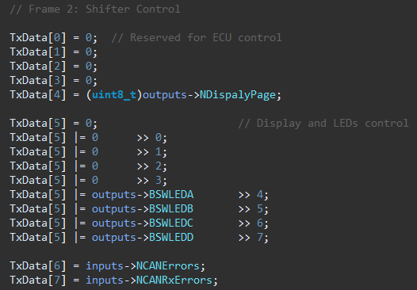

multifunction maps for ECU |  | ??

