CAN
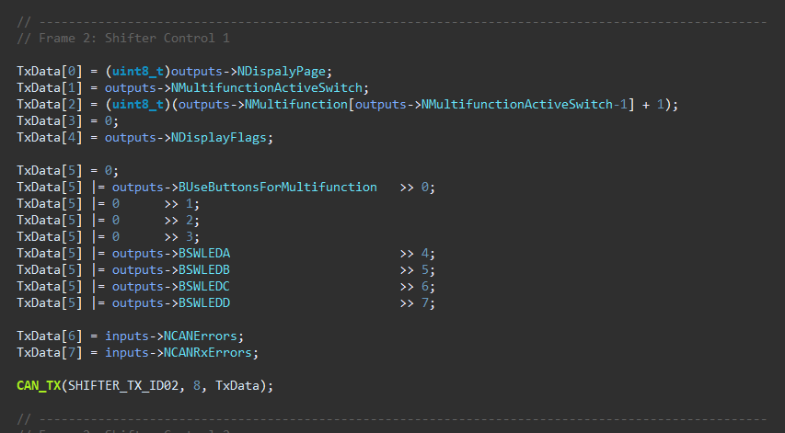
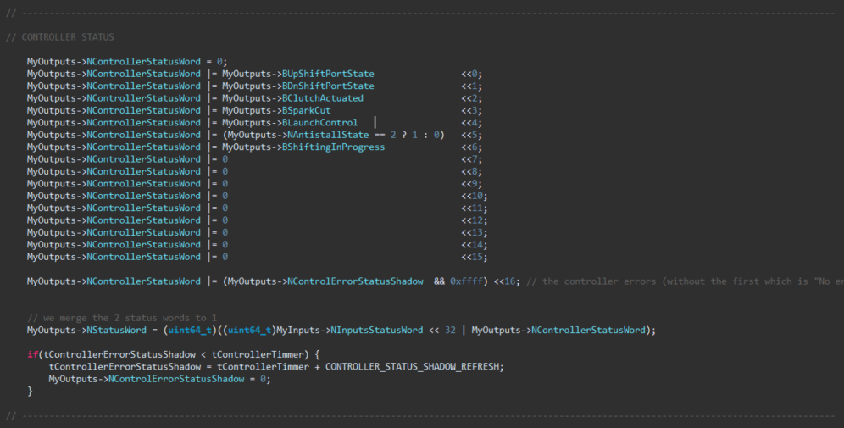
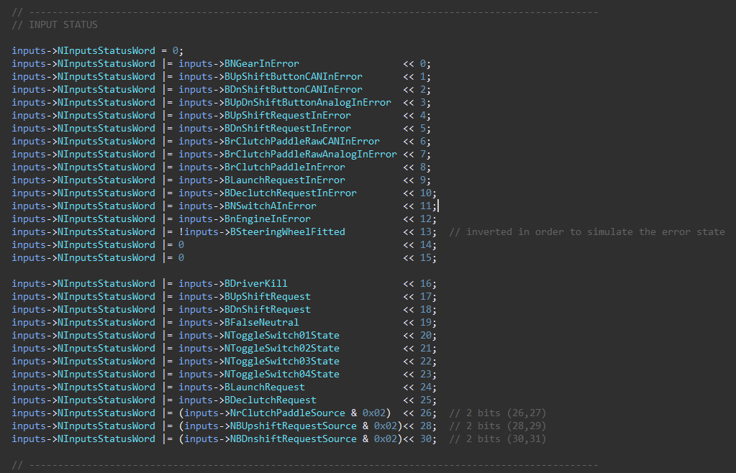
Device | ID | Size | Frequency (Hz) | Byte 0 | Byte 1 | Byte 2 | Byte 3 | Byte 4 | Byte 5 | Byte 6 | Byte 7 | Comments
Shifter | 0x320 | 8 | 100 | NGear (uint8_t) | rClutchPaddle Echo (int8_t) | xClutchTarget (MSB) | xClutchTarget (LSB) | nEngine Echo (MSB) | nEngine Echo (LSB) | Vsupply (MSB) | Vsupply (LSB) | For Vsupply: (divide by 1000 and cast to float)
 | 0x321 | 8 | 100 | Display Page | Multifunction Position | Multifunction Value | - | Display Flags 1 | Display Flags 2 | CAN Errors | CAN Rx Errors | see details for the flags on the screenshots
 | 0x322 | 8 | 100 | Reserved for ECU Control | Reserved for ECU Control | Reserved for ECU Control | Reserved for ECU Control | Reserved for ECU Control | Reserved for ECU Control | Reserved for ECU Control | Reserved for ECU Control
 | 0x323 | 8 | 100 | INPUT FLAGS [bit7-bit0] | INPUT FLAGS [bit15-bit8] | INPUT FLAGS [bit23-bit16] | INPUT FLAGS [bit31-bit24] | CONTROLLER FLAGS [bit7-bit0] | CONTROLLER FLAGS [bit15-bit8] | CONTROLLER FLAGS [bit23-bit16] | CONTROLLER FLAGS [bit31-bit24] | see details for the flags on the screenshots
SIU | 0x310 | 8 | 100 | Bit0: BUpShiftButtonInError Bit1: BDnShiftButtonInError Bit2: 0 Bit3: 0 Bit4: 0 Bit5: 0 Bit6: BrClutchPaddleInError Bit7: 0 | Bit0: BUpShiftButtonPressed Bit1: BDnShiftButtonPressed Bit2: BButtonAPressed Bit3: BButtonBPressed Bit4: BButtonCPressed Bit5: BButtonDPressed Bit6: BButtonEPressed Bit7: BButtonFPressed | rClutchPaddle (in8_t) (-128-128) | Vsupply (MSB) | Vsupply (LSB) | - | - | - | For Vsupply: (divide by 1000 and cast to float)

ECU | 0x311 | 8 |  | rmp | rmp | ??

ClutchPaddle
 | Absolute Min | Absolute Max
Clutch Target | 900 | 2100

ClutchPaddle Map 1
1 | Linear
 |  | rClutchPaddle | ClutchTarget
 |  | 0 | 900 | 120
 |  | 10 | 1020
 |  | 20 | 1140
 |  | 30 | 1260
 |  | 40 | 1380
 |  | 50 | 1500
 |  | 60 | 1620
 |  | 70 | 1740
 |  | 80 | 1860
 |  | 90 | 1980
 |  | 100 | 2100

 |  | Map to copy: | {900, 1020, 1140, 1260, 1380, 1500, 1620, 1740, 1860, 1980, 2100}

ClutchPaddle Map 2

2 | Progressive 1 |  |  | knee Point
 |  | rClutchPaddle | ClutchTarget | 20
 |  | 0 | 900 | 40 | 1700
 |  | 10 | 1100 | 100 | 2100
 |  | 20 | 1300 | 6.6666666667 | 1433.3333333
 |  | 30 | 1500
 |  | 40 | 1700
 |  | 50 | 1767
 |  | 60 | 1833
 |  | 70 | 1900
 |  | 80 | 1967
 |  | 90 | 2033
 |  | 100 | 2100

 |  | Map to copy: | {900, 1100, 1300, 1500, 1700, 1767, 1833, 1900, 1967, 2033, 2100}

ClutchPaddle Map 3
3 | Progressive 2 |  |  | knee Point
 |  | rClutchPaddle | ClutchTarget | 30
 |  | 0 | 900 | 30 | 1800
 |  | 10 | 1200 | 100 | 2100
 |  | 20 | 1500 | 4.2857142857 | 1671.4285714
 |  | 30 | 1800
 |  | 40 | 1843
 |  | 50 | 1886
 |  | 60 | 1929
 |  | 70 | 1971
 |  | 80 | 2014
 |  | 90 | 2057
 |  | 100 | 2100

 |  | Map to copy: | {900, 1200, 1500, 1800, 1843, 1886, 1929, 1971, 2014, 2057, 2100}

ClutchPaddle Map 4
4 | Progressive 3 |  |  | knee Point
 |  | rClutchPaddle | ClutchTarget | 45
 |  | 0 | 900 | 20 | 1800
 |  | 10 | 1350 | 100 | 2100
 |  | 20 | 1800 | 3.75 | 1725
 |  | 30 | 1838
 |  | 40 | 1875
 |  | 50 | 1913
 |  | 60 | 1950
 |  | 70 | 1988
 |  | 80 | 2025
 |  | 90 | 2063
 |  | 100 | 2100

 |  | Map to copy: | {900, 1350, 1800, 1838, 1875, 1913, 1950, 1988, 2025, 2063, 2100}

ClutchPaddle Map 5
5 | DeadBand 1
 |  | rClutchPaddle | ClutchTarget
 |  | 0 | 900
 |  | 10 | 900
 |  | 20 | 900
 |  | 30 | 1140
 |  | 40 | 1380
 |  | 50 | 1620
 |  | 60 | 1860
 |  | 70 | 2100
 |  | 80 | 2100
 |  | 90 | 2100
 |  | 100 | 2100

 |  | Map to copy: | {900, 900, 900, 1140, 1380, 1620, 1860, 2100, 2100, 2100, 2100}

ClutchPaddle Map 6
6 | Hill 1
 |  | rClutchPaddle | ClutchTarget
 |  | 0 | 900
 |  | 10 | 1200
 |  | 20 | 1350
 |  | 30 | 1400
 |  | 40 | 1420
 |  | 50 | 1480
 |  | 60 | 1600
 |  | 70 | 1750
 |  | 80 | 1940
 |  | 90 | 2060
 |  | 100 | 2100

 |  | Map to copy: | {900, 1200, 1350, 1400, 1420, 1480, 1600, 1750, 1940, 2060, 2100}

ClutchPaddle Map 7
7 | Hill 2
 |  | rClutchPaddle | ClutchTarget
 |  | 0 | 900
 |  | 10 | 1250
 |  | 20 | 1450
 |  | 30 | 1550
 |  | 40 | 1600
 |  | 50 | 1600
 |  | 60 | 1620
 |  | 70 | 1750
 |  | 80 | 1940
 |  | 90 | 2060
 |  | 100 | 2100

 |  | Map to copy: | {900, 1250, 1450, 1550, 1600, 1600, 1620, 1750, 1940, 2060, 2100}

ClutchPaddle Map 8
8 | S1
 |  | rClutchPaddle | ClutchTarget
 |  | 0 | 900
 |  | 10 | 910
 |  | 20 | 930
 |  | 30 | 1020
 |  | 40 | 1200
 |  | 50 | 1570
 |  | 60 | 1790
 |  | 70 | 1900
 |  | 80 | 2000
 |  | 90 | 2070
 |  | 100 | 2100

 |  | Map to copy: | {900, 910, 930, 1020, 1200, 1570, 1790, 1900, 2000, 2070, 2100}

ClutchPaddle Map 9
9 | S 2
 |  | rClutchPaddle | ClutchTarget
 |  | 0 | 900
 |  | 10 | 900
 |  | 20 | 920
 |  | 30 | 980
 |  | 40 | 1200
 |  | 50 | 1640
 |  | 60 | 1900
 |  | 70 | 2010
 |  | 80 | 2080
 |  | 90 | 2100
 |  | 100 | 2100

 |  | Map to copy: | {900, 900, 920, 980, 1200, 1640, 1900, 2010, 2080, 2100, 2100}

ClutchPaddle Map 10
10 | Y 1
 |  | rClutchPaddle | ClutchTarget
 |  | 0 | 900
 |  | 10 | 900
 |  | 20 | 910
 |  | 30 | 930
 |  | 40 | 990
 |  | 50 | 1110
 |  | 60 | 1310
 |  | 70 | 1590
 |  | 80 | 1890
 |  | 90 | 2090
 |  | 100 | 2100

 |  | Map to copy: | {900, 900, 910, 930, 990, 1110, 1310, 1590, 1890, 2090, 2100}

ClutchPaddle Map 11
11 | Y 2
 |  | rClutchPaddle | ClutchTarget
 |  | 0 | 900
 |  | 10 | 900
 |  | 20 | 910
 |  | 30 | 920
 |  | 40 | 930
 |  | 50 | 980
 |  | 60 | 1100
 |  | 70 | 1300
 |  | 80 | 1550
 |  | 90 | 1800
 |  | 100 | 2100

 |  | Map to copy: | {900, 900, 910, 920, 930, 980, 1100, 1300, 1550, 1800, 2100}

ClutchPaddle Map 12
12 | Start 1
 |  | rClutchPaddle | ClutchTarget
 |  | 0 | 900
 |  | 10 | 1020
 |  | 20 | 1140
 |  | 30 | 1260
 |  | 40 | 1380
 |  | 50 | 1380
 |  | 60 | 1380
 |  | 70 | 1380
 |  | 80 | 1650
 |  | 90 | 1900
 |  | 100 | 2100

 |  | Map to copy: | {900, 1020, 1140, 1260, 1380, 1380, 1380, 1380, 1650, 1900, 2100}

