CAN
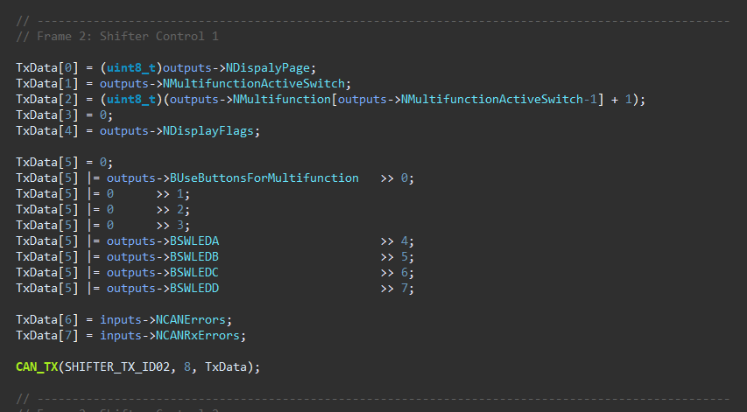
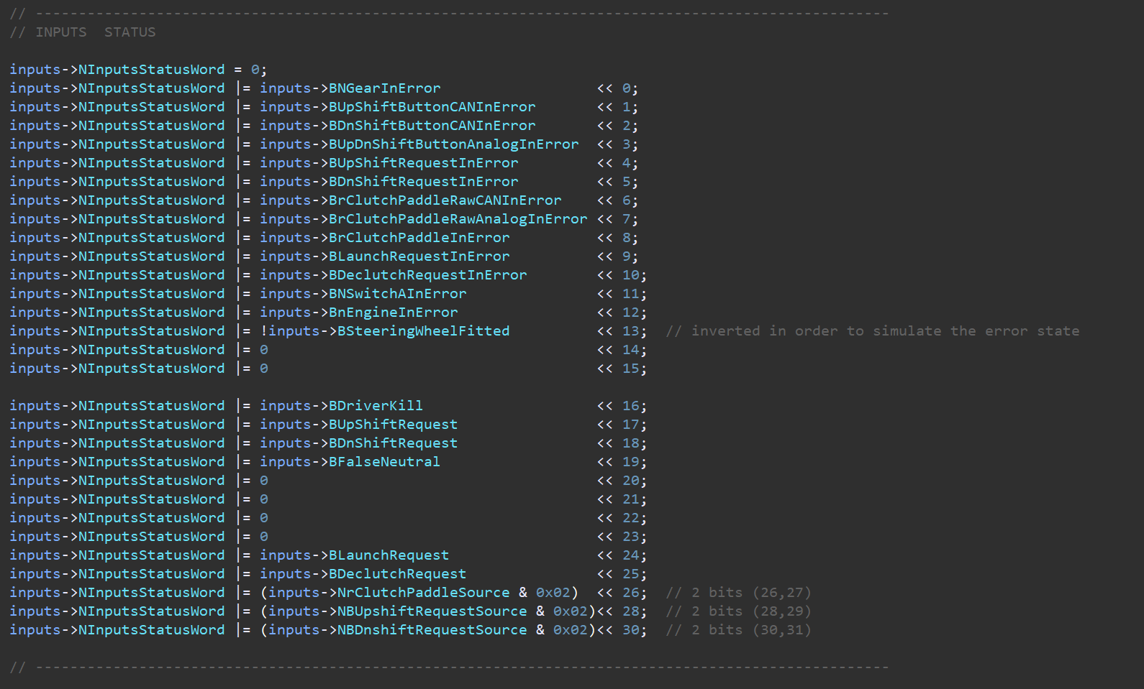
Device | ID | Size | Frequency (Hz) | Byte 0 | Byte 1 | Byte 2 | Byte 3 | Byte 4 | Byte 5 | Byte 6 | Byte 7 | Comments
Shifter | 0x320 | 8 | 100 | NGear (uint8_t) | rClutchPaddle Echo (int8_t) | xClutchTarget (MSB) | xClutchTarget (LSB) | nEngine Echo (MSB) | nEngine Echo (LSB) | Vsupply (MSB) | Vsupply (LSB) | For Vsupply: (divide by 1000 and cast to float)
 | 0x321 | 8 | 100 | Display Page | Multifunction Position | Multifunction Value | - | Display Flags 1 | Display Flags 2 | CAN Errors | CAN Rx Errors | see details for the flags on the screenshots
 | 0x322 | 8 | 100 | Reserved for ECU Control | Reserved for ECU Control | Reserved for ECU Control | Reserved for ECU Control | Reserved for ECU Control | Reserved for ECU Control | Reserved for ECU Control | Reserved for ECU Control
 | 0x323 | 8 | 100 | INPUT FLAGS [bit7-bit0] | INPUT FLAGS [bit15-bit8] | INPUT FLAGS [bit23-bit16] | INPUT FLAGS [bit31-bit24] | CONTROLLER FLAGS [bit7-bit0] | CONTROLLER FLAGS [bit15-bit8] | CONTROLLER FLAGS [bit23-bit16] | CONTROLLER FLAGS [bit31-bit24] | see details for the flags on the screenshots
 | 0x610
 | 0x666
SIU | 0x310 | 8 | 100 | Bit0: BUpShiftButtonInError Bit1: BDnShiftButtonInError Bit2: 0 Bit3: 0 Bit4: 0 Bit5: 0 Bit6: BrClutchPaddleInError Bit7: 0 | Bit0: BUpShiftButtonPressed Bit1: BDnShiftButtonPressed Bit2: BButtonAPressed Bit3: BButtonBPressed Bit4: BButtonCPressed Bit5: BButtonDPressed Bit6: BButtonEPressed Bit7: BButtonFPressed | rClutchPaddle (in8_t) (-128-128) | Vsupply (MSB) | Vsupply (LSB) | - | - | - | For Vsupply: (divide by 1000 and cast to float)

ECU | 0x311 | 8 |  | rmp | rmp | ??

ClutchPaddle
 | Min | Max
Clutch Target | 0 | 5

ClutchPaddle Map 1
1 | Linear
 |  | rClutchPaddle | ClutchTarget
 |  | 0 | 0.00 | 0.5
 |  | 10 | 0.50
 |  | 20 | 1.00
 |  | 30 | 1.50
 |  | 40 | 2.00
 |  | 50 | 2.50
 |  | 60 | 3.00
 |  | 70 | 3.50
 |  | 80 | 4.00
 |  | 90 | 4.50
 |  | 100 | 5.00

 |  | Map to copy: | {0.00, 0.50, 1.00, 1.50, 2.00, 2.50, 3.00, 3.50, 4.00, 4.50, 5.00}

ClutchPaddle Map 2
2 | BitePoint 1 | @10
 |  | rClutchPaddle | ClutchTarget
 |  | 0 | 0.00 | 0.625
 |  | 10 | 0.00
 |  | 20 | 0.63
 |  | 30 | 1.25
 |  | 40 | 1.88
 |  | 50 | 2.50
 |  | 60 | 3.13
 |  | 70 | 3.75
 |  | 80 | 4.38
 |  | 90 | 5.00
 |  | 100 | 5.00

 |  | Map to copy: | {0.00, 0.00, 0.63, 1.25, 1.88, 2.50, 3.13, 3.75, 4.38, 5.00, 5.00}

ClutchPaddle Map 3
3 | BitePoint 2 | @20
 |  | rClutchPaddle | ClutchTarget
 |  | 0 | 0.00 | 0.83333333333
 |  | 10 | 0.00
 |  | 20 | 0.00
 |  | 30 | 0.83
 |  | 40 | 1.67
 |  | 50 | 2.50
 |  | 60 | 3.33
 |  | 70 | 4.17
 |  | 80 | 5.00
 |  | 90 | 5.00
 |  | 100 | 5.00

 |  | Map to copy: | {0.00, 0.00, 0.00, 0.83, 1.67, 2.50, 3.33, 4.17, 5.00, 5.00, 5.00}

ClutchPaddle Map 4
4 | BitePoint 3 | @30
 |  | rClutchPaddle | ClutchTarget
 |  | 0 | 0.00 | 1.6666666667
 |  | 10 | 0.00
 |  | 20 | 0.00
 |  | 30 | 0.00
 |  | 40 | 1.67
 |  | 50 | 3.33
 |  | 60 | 5.00
 |  | 70 | 5.00
 |  | 80 | 5.00
 |  | 90 | 5.00
 |  | 100 | 5.00

 |  | Map to copy: | {0.00, 0.00, 0.00, 0.00, 1.67, 3.33, 5.00, 5.00, 5.00, 5.00, 5.00}

ClutchPaddle Map 5
5 | BitePoint 4 | @40
 |  | rClutchPaddle | ClutchTarget
 |  | 0 | 0.00 | 5
 |  | 10 | 0.00
 |  | 20 | 0.00
 |  | 30 | 0.00
 |  | 40 | 0.00
 |  | 50 | 5.00
 |  | 60 | 5.00
 |  | 70 | 5.00
 |  | 80 | 5.00
 |  | 90 | 5.00
 |  | 100 | 5.00

 |  | Map to copy: | {0.00, 0.00, 0.00, 0.00, 0.00, 5.00, 5.00, 5.00, 5.00, 5.00, 5.00}

ClutchPaddle Map 6

6 | Progressive 1 | knee point 40% |  | Gain (first)
 |  | rClutchPaddle | ClutchTarget | 0.1
 |  | 0 | 0.00 | 40 | 4
 |  | 10 | 1.00 | 100 | 5
 |  | 20 | 2.00 | 0.016666666667 | 3.3333333333
 |  | 30 | 3.00
 |  | 40 | 4.00
 |  | 50 | 4.17
 |  | 60 | 4.33
 |  | 70 | 4.50
 |  | 80 | 4.67
 |  | 90 | 4.83
 |  | 100 | 5.00

 |  | Map to copy: | {0.00, 1.00, 2.00, 3.00, 4.00, 4.17, 4.33, 4.50, 4.67, 4.83, 5.00}

ClutchPaddle Map 7
7 | Progressive 2 | knee point 30% |  | Gain (first)
 |  | rClutchPaddle | ClutchTarget | 0.1333
 |  | 0 | 0.00 | 30 | 4
 |  | 10 | 1.33 | 100 | 5
 |  | 20 | 2.67 | 0.0143 | 3.57
 |  | 30 | 4.00
 |  | 40 | 4.14
 |  | 50 | 4.29
 |  | 60 | 4.43
 |  | 70 | 4.57
 |  | 80 | 4.71
 |  | 90 | 4.86
 |  | 100 | 5.00

 |  | Map to copy: | {0.00, 1.33, 2.67, 4.00, 4.14, 4.29, 4.43, 4.57, 4.71, 4.86, 5.00}

ClutchPaddle Map 8
8 | Progressive 3 | knee point 20% |  | Gain (first)
 |  | rClutchPaddle | ClutchTarget | 0.2
 |  | 0 | 0.00 | 20 | 4
 |  | 10 | 2.00 | 100 | 5
 |  | 20 | 4.00 | 0.0125 | 3.75
 |  | 30 | 4.13
 |  | 40 | 4.25
 |  | 50 | 4.38
 |  | 60 | 4.50
 |  | 70 | 4.63
 |  | 80 | 4.75
 |  | 90 | 4.88
 |  | 100 | 5.00

 |  | Map to copy: | {0.00, 2.00, 4.00, 4.13, 4.25, 4.38, 4.50, 4.63, 4.75, 4.88, 5.00}

ClutchPaddle Map 9
9 | S 1 | @60%
 |  | rClutchPaddle | ClutchTarget
 |  | 0 | 0.00
 |  | 10 | 0.25
 |  | 20 | 0.40
 |  | 30 | 0.50
 |  | 40 | 0.75
 |  | 50 | 1.40
 |  | 60 | 2.50
 |  | 70 | 3.90
 |  | 80 | 4.70
 |  | 90 | 4.95
 |  | 100 | 5.00

 |  | Map to copy: | {0.00, 0.25, 0.40, 0.50, 0.75, 1.40, 2.50, 3.90, 4.70, 4.95, 5.00}

ClutchPaddle Map 10
10 | S2 | @50%
 |  | rClutchPaddle | ClutchTarget
 |  | 0 | 0.00
 |  | 10 | 0.25
 |  | 20 | 0.40
 |  | 30 | 0.70
 |  | 40 | 1.30
 |  | 50 | 2.50
 |  | 60 | 3.80
 |  | 70 | 4.55
 |  | 80 | 4.80
 |  | 90 | 4.95
 |  | 100 | 5.00

 |  | Map to copy: | {0.00, 0.25, 0.40, 0.70, 1.30, 2.50, 3.80, 4.55, 4.80, 4.95, 5.00}

ClutchPaddle Map 11
11 | S3 | @40%
 |  | rClutchPaddle | ClutchTarget
 |  | 0 | 0.00
 |  | 10 | 0.20
 |  | 20 | 0.60
 |  | 30 | 1.40
 |  | 40 | 2.50
 |  | 50 | 3.65
 |  | 60 | 4.35
 |  | 70 | 4.70
 |  | 80 | 4.90
 |  | 90 | 4.95
 |  | 100 | 5.00

 |  | Map to copy: | {0.00, 0.20, 0.60, 1.40, 2.50, 3.65, 4.35, 4.70, 4.90, 4.95, 5.00}

ClutchPaddle Map 12
12 | Start 1
 |  | rClutchPaddle | ClutchTarget
 |  | 0 | 0.00
 |  | 10 | 1020.00
 |  | 20 | 1140.00
 |  | 30 | 1260.00
 |  | 40 | 1380.00
 |  | 50 | 1380.00
 |  | 60 | 1380.00
 |  | 70 | 1380.00
 |  | 80 | 1650.00
 |  | 90 | 1900.00
 |  | 100 | 5.00

 |  | Map to copy: | {0.00, 1020.00, 1140.00, 1260.00, 1380.00, 1380.00, 1380.00, 1380.00, 1650.00, 1900.00, 5.00}

ClutchPaddle Map 13

13 | Unprogressive 2 | knee point 50% |  | Gain (first)
 |  | rClutchPaddle | ClutchTarget | 0.001
 |  | 0 | 0.00 | 50 | 3
 |  | 10 | 0.60 | 0 | 0
 |  | 20 | 1.20 | 0.06 | 0
 |  | 30 | 1.80
 |  | 40 | 2.40
 |  | 50 | 3.00
 |  | 60 | 3.06
 |  | 70 | 3.07
 |  | 80 | 3.08
 |  | 90 | 3.09
 |  | 100 | 5.00

 |  | Map to copy: | {0.00, 0.60, 1.20, 1.80, 2.40, 3.00, 3.06, 3.07, 3.08, 3.09, 5.00}

Clutch SERVO
Servo Clutch
Baseline
Clutch Target
Min | Max
0 | 5
Servo Prescaler
Min | Max
1700 | 1400

override
Clutch Target
Min | Max
0 | 6.5
Servo Prescaler
Min | Max
1700 | 1350

