CAN
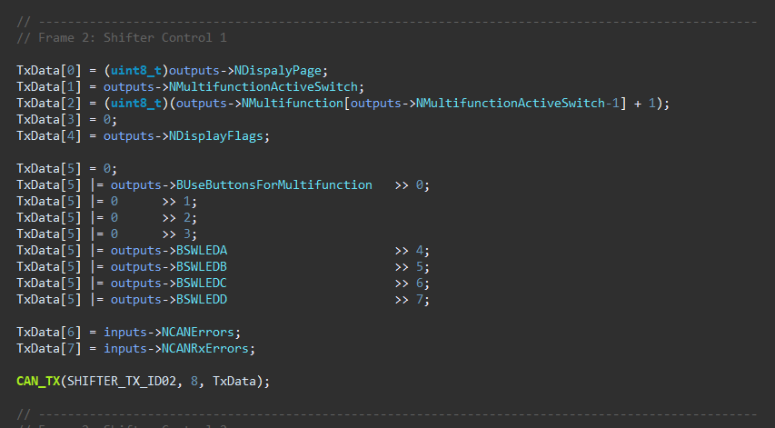
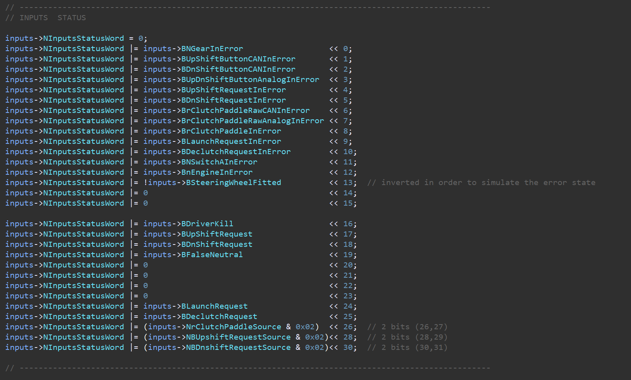
Device | ID | Size | Frequency (Hz) | Byte 0 | Byte 1 | Byte 2 | Byte 3 | Byte 4 | Byte 5 | Byte 6 | Byte 7 | Comments
Shifter | 0x320 | 8 | 100 | NGear (uint8_t) | rClutchPaddle Echo (int8_t) | xClutchTarget (MSB) | xClutchTarget (LSB) | nEngine Echo (MSB) | nEngine Echo (LSB) | Vsupply (MSB) | Vsupply (LSB) | For Vsupply: (divide by 1000 and cast to float)
 | 0x321 | 8 | 100 | Display Page | Multifunction Position | Multifunction Value | - | Display Flags 1 | Display Flags 2 | CAN Errors | CAN Rx Errors | see details for the flags on the screenshots
 | 0x322 | 8 | 100 | Reserved for ECU Control | Reserved for ECU Control | Reserved for ECU Control | Reserved for ECU Control | Reserved for ECU Control | Reserved for ECU Control | Reserved for ECU Control | Reserved for ECU Control
 | 0x323 | 8 | 100 | INPUT FLAGS [bit7-bit0] | INPUT FLAGS [bit15-bit8] | INPUT FLAGS [bit23-bit16] | INPUT FLAGS [bit31-bit24] | CONTROLLER FLAGS [bit7-bit0] | CONTROLLER FLAGS [bit15-bit8] | CONTROLLER FLAGS [bit23-bit16] | CONTROLLER FLAGS [bit31-bit24] | see details for the flags on the screenshots
SIU | 0x310 | 8 | 100 | Bit0: BUpShiftButtonInError Bit1: BDnShiftButtonInError Bit2: 0 Bit3: 0 Bit4: 0 Bit5: 0 Bit6: BrClutchPaddleInError Bit7: 0 | Bit0: BUpShiftButtonPressed Bit1: BDnShiftButtonPressed Bit2: BButtonAPressed Bit3: BButtonBPressed Bit4: BButtonCPressed Bit5: BButtonDPressed Bit6: BButtonEPressed Bit7: BButtonFPressed | rClutchPaddle (in8_t) (-128-128) | Vsupply (MSB) | Vsupply (LSB) | - | - | - | For Vsupply: (divide by 1000 and cast to float)

ECU | 0x311 | 8 |  | rmp | rmp | ??

ClutchPaddle
 | Min | Max
Clutch Target | 0 | 5

ClutchPaddle Map 1
1 | Linear
 |  | rClutchPaddle | ClutchTarget
 |  | 0 | 0.00 | 0.5
 |  | 10 | 0.50
 |  | 20 | 1.00
 |  | 30 | 1.50
 |  | 40 | 2.00
 |  | 50 | 2.50
 |  | 60 | 3.00
 |  | 70 | 3.50
 |  | 80 | 4.00
 |  | 90 | 4.50
 |  | 100 | 5.00

 |  | Map to copy: | {0.00, 0.50, 1.00, 1.50, 2.00, 2.50, 3.00, 3.50, 4.00, 4.50, 5.00}

ClutchPaddle Map 2

2 | Progressive 1 | knee point 40% |  | Gain (first)
 |  | rClutchPaddle | ClutchTarget | 0.1
 |  | 0 | 0.00 | 40 | 4
 |  | 10 | 1.00 | 100 | 5
 |  | 20 | 2.00 | 0.016666666667 | 3.3333333333
 |  | 30 | 3.00
 |  | 40 | 4.00
 |  | 50 | 4.17
 |  | 60 | 4.33
 |  | 70 | 4.50
 |  | 80 | 4.67
 |  | 90 | 4.83
 |  | 100 | 5.00

 |  | Map to copy: | {0.00, 1.00, 2.00, 3.00, 4.00, 4.17, 4.33, 4.50, 4.67, 4.83, 5.00}

ClutchPaddle Map 3
3 | Progressive 2 | knee point 30% |  | Gain (first)
 |  | rClutchPaddle | ClutchTarget | 0.1333
 |  | 0 | 0.00 | 30 | 4
 |  | 10 | 1.33 | 100 | 5
 |  | 20 | 2.67 | 0.0143 | 3.57
 |  | 30 | 4.00
 |  | 40 | 4.14
 |  | 50 | 4.29
 |  | 60 | 4.43
 |  | 70 | 4.57
 |  | 80 | 4.71
 |  | 90 | 4.86
 |  | 100 | 5.00

 |  | Map to copy: | {0.00, 1.33, 2.67, 4.00, 4.14, 4.29, 4.43, 4.57, 4.71, 4.86, 5.00}

ClutchPaddle Map 4
4 | Progressive 3 | knee point 20% |  | Gain (first)
 |  | rClutchPaddle | ClutchTarget | 0.2
 |  | 0 | 0.00 | 20 | 4
 |  | 10 | 2.00 | 100 | 5
 |  | 20 | 4.00 | 0.0125 | 3.75
 |  | 30 | 4.13
 |  | 40 | 4.25
 |  | 50 | 4.38
 |  | 60 | 4.50
 |  | 70 | 4.63
 |  | 80 | 4.75
 |  | 90 | 4.88
 |  | 100 | 5.00

 |  | Map to copy: | {0.00, 2.00, 4.00, 4.13, 4.25, 4.38, 4.50, 4.63, 4.75, 4.88, 5.00}

ClutchPaddle Map 5
5 | BitePoint 1
 |  | rClutchPaddle | ClutchTarget
 |  | 0 | 0.00 | 1
 |  | 10 | 0.00
 |  | 20 | 0.00
 |  | 30 | 1.00 |  |  | make more maps like this and change the gain
 |  | 40 | 2.00
 |  | 50 | 3.00
 |  | 60 | 4.00
 |  | 70 | 5.00
 |  | 80 | 5.00
 |  | 90 | 5.00
 |  | 100 | 5.00

 |  | Map to copy: | {0.00, 0.00, 0.00, 1.00, 2.00, 3.00, 4.00, 5.00, 5.00, 5.00, 5.00}

ClutchPaddle Map 6
6 | Hill 1
 |  | rClutchPaddle | ClutchTarget
 |  | 0 | 0.00
 |  | 10 | 1200.00
 |  | 20 | 1350.00
 |  | 30 | 1400.00
 |  | 40 | 1420.00
 |  | 50 | 1480.00
 |  | 60 | 1600.00
 |  | 70 | 1750.00
 |  | 80 | 1940.00
 |  | 90 | 2060.00
 |  | 100 | 5.00

 |  | Map to copy: | {0.00, 1200.00, 1350.00, 1400.00, 1420.00, 1480.00, 1600.00, 1750.00, 1940.00, 2060.00, 5.00}

ClutchPaddle Map 7
7 | Hill 2
 |  | rClutchPaddle | ClutchTarget
 |  | 0 | 0.00
 |  | 10 | 1250.00
 |  | 20 | 1450.00
 |  | 30 | 1550.00
 |  | 40 | 1600.00
 |  | 50 | 1600.00
 |  | 60 | 1620.00
 |  | 70 | 1750.00
 |  | 80 | 1940.00
 |  | 90 | 2060.00
 |  | 100 | 5.00

 |  | Map to copy: | {0.00, 1250.00, 1450.00, 1550.00, 1600.00, 1600.00, 1620.00, 1750.00, 1940.00, 2060.00, 5.00}

ClutchPaddle Map 8
8 | S1
 |  | rClutchPaddle | ClutchTarget
 |  | 0 | 0.00
 |  | 10 | 910.00
 |  | 20 | 930.00
 |  | 30 | 1020.00
 |  | 40 | 1200.00
 |  | 50 | 1570.00
 |  | 60 | 1790.00
 |  | 70 | 1900.00
 |  | 80 | 2000.00
 |  | 90 | 2070.00
 |  | 100 | 5.00

 |  | Map to copy: | {0.00, 910.00, 930.00, 1020.00, 1200.00, 1570.00, 1790.00, 1900.00, 2000.00, 2070.00, 5.00}

ClutchPaddle Map 9
9 | S 2
 |  | rClutchPaddle | ClutchTarget
 |  | 0 | 0.00
 |  | 10 | 900.00
 |  | 20 | 920.00
 |  | 30 | 980.00
 |  | 40 | 1200.00
 |  | 50 | 1640.00
 |  | 60 | 1900.00
 |  | 70 | 2010.00
 |  | 80 | 2080.00
 |  | 90 | 2100.00
 |  | 100 | 5.00

 |  | Map to copy: | {0.00, 900.00, 920.00, 980.00, 1200.00, 1640.00, 1900.00, 2010.00, 2080.00, 2100.00, 5.00}

ClutchPaddle Map 10
10 | Y 1
 |  | rClutchPaddle | ClutchTarget
 |  | 0 | 0.00
 |  | 10 | 900.00
 |  | 20 | 910.00
 |  | 30 | 930.00
 |  | 40 | 990.00
 |  | 50 | 1110.00
 |  | 60 | 1310.00
 |  | 70 | 1590.00
 |  | 80 | 1890.00
 |  | 90 | 2090.00
 |  | 100 | 5.00

 |  | Map to copy: | {0.00, 900.00, 910.00, 930.00, 990.00, 1110.00, 1310.00, 1590.00, 1890.00, 2090.00, 5.00}

ClutchPaddle Map 11
11 | Y 2
 |  | rClutchPaddle | ClutchTarget
 |  | 0 | 0.00
 |  | 10 | 900.00
 |  | 20 | 910.00
 |  | 30 | 920.00
 |  | 40 | 930.00
 |  | 50 | 980.00
 |  | 60 | 1100.00
 |  | 70 | 1300.00
 |  | 80 | 1550.00
 |  | 90 | 1800.00
 |  | 100 | 5.00

 |  | Map to copy: | {0.00, 900.00, 910.00, 920.00, 930.00, 980.00, 1100.00, 1300.00, 1550.00, 1800.00, 5.00}

ClutchPaddle Map 12
12 | Start 1
 |  | rClutchPaddle | ClutchTarget
 |  | 0 | 0.00
 |  | 10 | 1020.00
 |  | 20 | 1140.00
 |  | 30 | 1260.00
 |  | 40 | 1380.00
 |  | 50 | 1380.00
 |  | 60 | 1380.00
 |  | 70 | 1380.00
 |  | 80 | 1650.00
 |  | 90 | 1900.00
 |  | 100 | 5.00

 |  | Map to copy: | {0.00, 1020.00, 1140.00, 1260.00, 1380.00, 1380.00, 1380.00, 1380.00, 1650.00, 1900.00, 5.00}

ClutchPaddle Map 13

13 | Unprogressive 2 | knee point 50% |  | Gain (first)
 |  | rClutchPaddle | ClutchTarget | 10
 |  | 0 | 0.00 | 50 | 1100
 |  | 10 | 220.00 | 0 | 0
 |  | 20 | 440.00 | 22 | 0
 |  | 30 | 660.00
 |  | 40 | 880.00
 |  | 50 | 1100.00
 |  | 60 | 1700.00
 |  | 70 | 1800.00
 |  | 80 | 1900.00
 |  | 90 | 2000.00
 |  | 100 | 5.00

 |  | Map to copy: | {0.00, 220.00, 440.00, 660.00, 880.00, 1100.00, 1700.00, 1800.00, 1900.00, 2000.00, 5.00}

Clutch SERVO
Servo Clutch
Baseline
Clutch Target
Min | Max
0 | 5
Servo Prescaler
Min | Max
1700 | 1400

override
Clutch Target
Min | Max
0 | 6.5
Servo Prescaler
Min | Max
1700 | 1350

