CAN
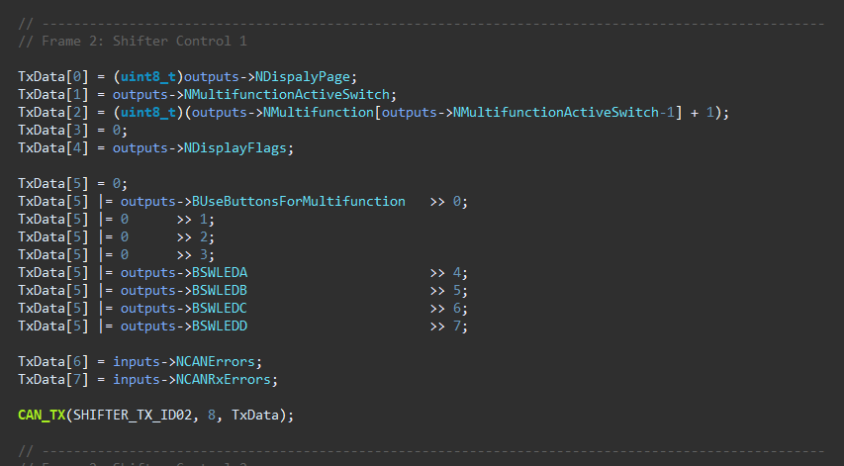
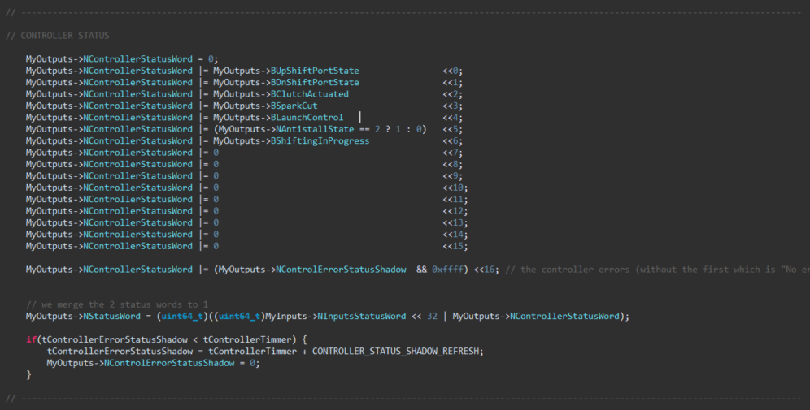
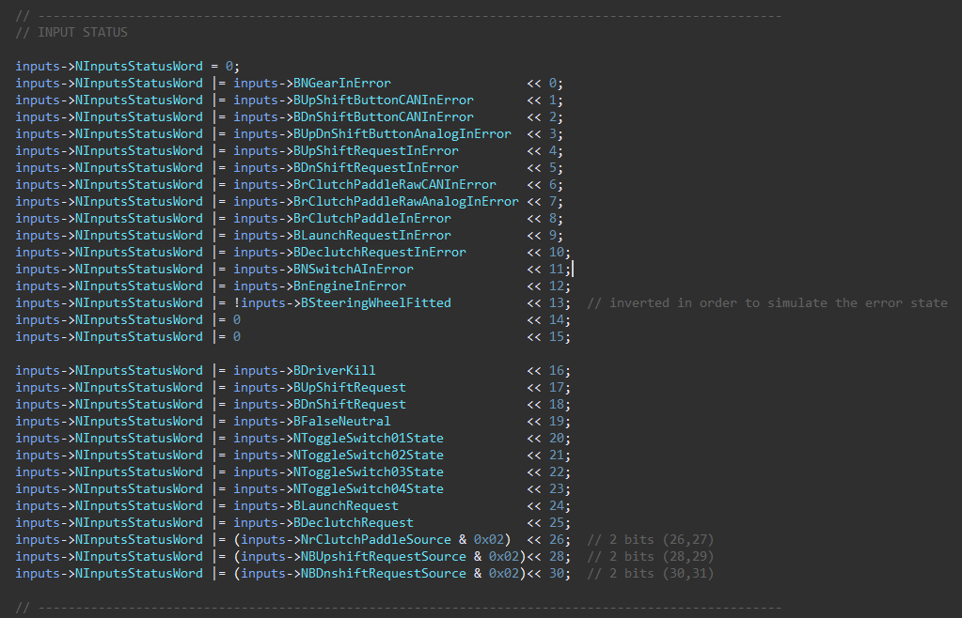
Device | ID | Size | Frequency (Hz) | Byte 0 | Byte 1 | Byte 2 | Byte 3 | Byte 4 | Byte 5 | Byte 6 | Byte 7 | Comments
Shifter | 0x320 | 8 | 100 | NGear (uint8_t) | rClutchPaddle Echo (int8_t) | xClutchTarget (MSB) | xClutchTarget (LSB) | nEngine Echo (MSB) | nEngine Echo (LSB) | Vsupply (MSB) | Vsupply (LSB) | For Vsupply: (divide by 1000 and cast to float)
 | 0x321 | 8 | 100 | Display Page | Multifunction Position | Multifunction Value | - | Display Flags 1 | Display Flags 2 | CAN Errors | CAN Rx Errors | see details for the flags on the screenshots
 | 0x322 | 8 | 100 | Reserved for ECU Control | Reserved for ECU Control | Reserved for ECU Control | Reserved for ECU Control | Reserved for ECU Control | Reserved for ECU Control | Reserved for ECU Control | Reserved for ECU Control
 | 0x323 | 8 | 100 | INPUT FLAGS [bit7-bit0] | INPUT FLAGS [bit15-bit8] | INPUT FLAGS [bit23-bit16] | INPUT FLAGS [bit31-bit24] | CONTROLLER FLAGS [bit7-bit0] | CONTROLLER FLAGS [bit15-bit8] | CONTROLLER FLAGS [bit23-bit16] | CONTROLLER FLAGS [bit31-bit24] | see details for the flags on the screenshots
SIU | 0x310 | 8 | 100 | Bit0: BUpShiftButtonInError Bit1: BDnShiftButtonInError Bit2: 0 Bit3: 0 Bit4: 0 Bit5: 0 Bit6: BrClutchPaddleInError Bit7: 0 | Bit0: BUpShiftButtonPressed Bit1: BDnShiftButtonPressed Bit2: BButtonAPressed Bit3: BButtonBPressed Bit4: BButtonCPressed Bit5: BButtonDPressed Bit6: BButtonEPressed Bit7: BButtonFPressed | rClutchPaddle (in8_t) (-128-128) | Vsupply (MSB) | Vsupply (LSB) | - | - | - | For Vsupply: (divide by 1000 and cast to float)

ECU | 0x311 | 8 |  | rmp | rmp | ??

ClutchPaddle
ClutchPaddle Map 1
1 | Linear
 |  | rClutchPaddle | xClutchTargetManual
 |  | 0 | 900
 |  | 10 | 1020
 |  | 20 | 1140
 |  | 30 | 1260
 |  | 40 | 1380
 |  | 50 | 1500
 |  | 60 | 1620
 |  | 70 | 1740
 |  | 80 | 1860
 |  | 90 | 1980
 |  | 100 | 2100

ClutchPaddle Map 2

2 | Progressive 1
 |  | rClutchPaddle | xClutchTargetManual
 |  | 0 | 900
 |  | 10 | 1100
 |  | 20 | 1300
 |  | 30 | 1500
 |  | 40 | 1700
 |  | 50 | 1750
 |  | 60 | 1800
 |  | 70 | 1850
 |  | 80 | 1900
 |  | 90 | 1950
 |  | 100 | 2100

ClutchPaddle Map 3

3 | Progressive 2
 |  | rClutchPaddle | xClutchTargetManual
 |  | 0 | 900
 |  | 10 | 1200
 |  | 20 | 1500
 |  | 30 | 1800
 |  | 40 | 1850
 |  | 50 | 1900
 |  | 60 | 1950
 |  | 70 | 2000
 |  | 80 | 2050
 |  | 90 | 2100
 |  | 100 | 2100

ClutchPaddle Map 4
4 | Progressive 3
 |  | rClutchPaddle | xClutchTargetManual
 |  | 0 | 900
 |  | 10 | 1350
 |  | 20 | 1800
 |  | 30 | 1830
 |  | 40 | 1860
 |  | 50 | 1890
 |  | 60 | 1920
 |  | 70 | 1950
 |  | 80 | 1980
 |  | 90 | 2010
 |  | 100 | 2100

ClutchPaddle Map 5
5 | DeadBand 1
 |  | rClutchPaddle | xClutchTargetManual
 |  | 0 | 900
 |  | 10 | 900
 |  | 20 | 900
 |  | 30 | 1140
 |  | 40 | 1380
 |  | 50 | 1620
 |  | 60 | 1860
 |  | 70 | 2100
 |  | 80 | 2100
 |  | 90 | 2100
 |  | 100 | 2100

ClutchPaddle Map 6
6 | Hill 1
 |  | rClutchPaddle | xClutchTargetManual
 |  | 0 | 900
 |  | 10 | 1200
 |  | 20 | 1350
 |  | 30 | 1400
 |  | 40 | 1420
 |  | 50 | 1480
 |  | 60 | 1600
 |  | 70 | 1750
 |  | 80 | 1940
 |  | 90 | 2060
 |  | 100 | 2100

ClutchPaddle Map 7
7 | Hill 2
 |  | rClutchPaddle | xClutchTargetManual
 |  | 0 | 900
 |  | 10 | 1250
 |  | 20 | 1450
 |  | 30 | 1550
 |  | 40 | 1600
 |  | 50 | 1600
 |  | 60 | 1620
 |  | 70 | 1750
 |  | 80 | 1940
 |  | 90 | 2060
 |  | 100 | 2100

ClutchPaddle Map 8
8 | S1
 |  | rClutchPaddle | xClutchTargetManual
 |  | 0 | 900
 |  | 10 | 910
 |  | 20 | 930
 |  | 30 | 1020
 |  | 40 | 1200
 |  | 50 | 1570
 |  | 60 | 1790
 |  | 70 | 1900
 |  | 80 | 2000
 |  | 90 | 2070
 |  | 100 | 2100

ClutchPaddle Map 9
9 | S 2
 |  | rClutchPaddle | xClutchTargetManual
 |  | 0 | 900
 |  | 10 | 900
 |  | 20 | 920
 |  | 30 | 980
 |  | 40 | 1200
 |  | 50 | 1640
 |  | 60 | 1900
 |  | 70 | 2010
 |  | 80 | 2080
 |  | 90 | 2100
 |  | 100 | 2100

ClutchPaddle Map 10
10 | Y 1
 |  | rClutchPaddle | xClutchTargetManual
 |  | 0 | 900
 |  | 10 | 900
 |  | 20 | 910
 |  | 30 | 930
 |  | 40 | 990
 |  | 50 | 1110
 |  | 60 | 1310
 |  | 70 | 1590
 |  | 80 | 1890
 |  | 90 | 2090
 |  | 100 | 2100

ClutchPaddle Map 11
11 | Y 2
 |  | rClutchPaddle | xClutchTargetManual
 |  | 0 | 900
 |  | 10 | 900
 |  | 20 | 910
 |  | 30 | 920
 |  | 40 | 930
 |  | 50 | 980
 |  | 60 | 1100
 |  | 70 | 1300
 |  | 80 | 1550
 |  | 90 | 1800
 |  | 100 | 2100

ClutchPaddle Map 12
12 | Start 1
 |  | rClutchPaddle | xClutchTargetManual
 |  | 0 | 900
 |  | 10 | 1020
 |  | 20 | 1140
 |  | 30 | 1260
 |  | 40 | 1380
 |  | 50 | 1380
 |  | 60 | 1380
 |  | 70 | 1380
 |  | 80 | 1650
 |  | 90 | 1900
 |  | 100 | 2100

