SeedStack Project
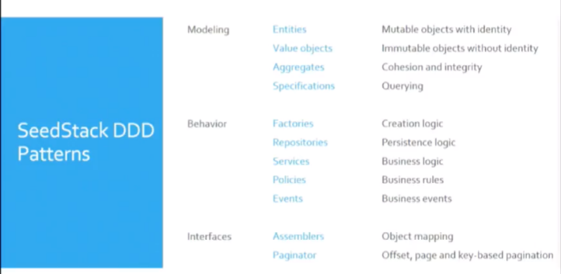
 | http://seedstack.org/docs/maven-plugin/generate/

Generate | mvn -U org.seedstack:seedstack-maven-plugin:generate
Run | mvn seedstack:run
Hot Deployment | mvn seedstack:watch | MyWebApp
 |  | http://127.0.0.1:8080/hello
 |  | http://127.0.0.1:8080/swagger.json

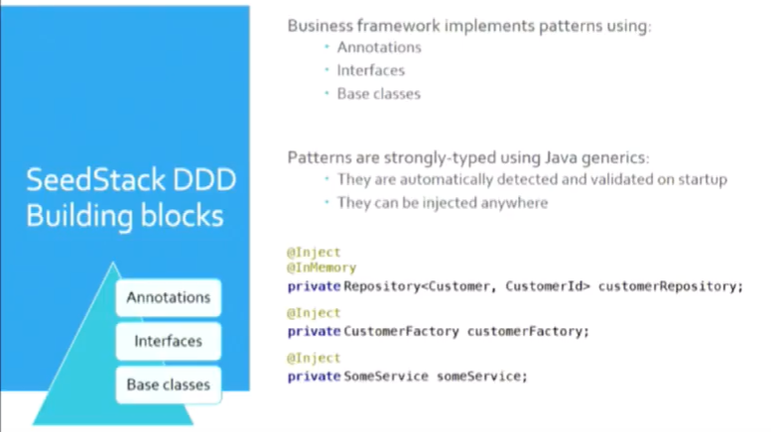
Singleton or not ? #

The default behavior is to re-create an instance each time it is injected.
This is a good thing as it avoids complex global state bugs and scales better because no synchronization is needed.

Method interception #
Method interception is useful to add cross-cutting concerns («aspects») to existing code.
For instance, SeedStack uses it for transactions, security enforcement or validation.

 |  |  | http://seedstack.org/docs/web/rest/
Declare a transaction #

JPA database work should be done in a transaction.
A good place to start and end a transaction would be on an application service |  |  |  | set M2_HOME=D:\Setup\apache-maven-3.6.3
that orchestrates all the needed operations for a particular use-case. |  |  |  | set MAVEN_HOME=D:\Setup\apache-maven-3.6.3
 |  |  |  | set JAVA_HOME=D:\Setup\jdk1.8.0_192_64
Two annotations are needed here: |  |  |  | set PATH=%PATH%;D:\Setup\apache-maven-3.6.3\bin;

The @Transactional annotation to declare the transaction boundaries,
And the @JpaUnit annotation to declare on which resource the transaction should be done.
 |  |  |  | Important Classes / Interface
 |  |  |  | BaseValueObject
 |  |  |  | BaseAggregateRoot
 |  |  |  | BaseEntity
 |  |  |  | BaseDomainEvent

 |  |  |  | Domain Drivern approach
 |  |  |  | http://seedstack.org/docs/business/
 |  |  |  | Persistence
 |  |  |  | http://seedstack.org/docs/basics/persistence/
 |  |  |  | Basic Code of SeedStack
 |  |  |  | http://seedstack.org/docs/basics/learn-the-basics/
 |  |  |  | Transaction Handling
 |  |  |  | http://seedstack.org/docs/core/transactions/

Tactical Desig
