Sheet2
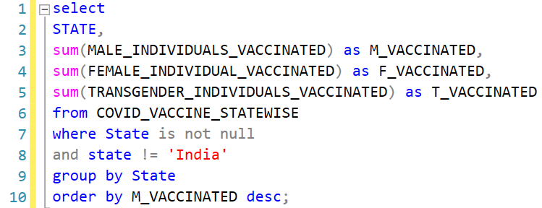 |  |  |  | select STATE, sum(MALE_INDIVIDUALS_VACCINATED) as M_VACCINATED, sum(FEMALE_INDIVIDUAL_VACCINATED) as F_VACCINATED, sum(TRANSGENDER_INDIVIDUALS_VACCINATED) as T_VACCINATED from COVID_VACCINE_STATEWISE where State is not null and state != 'India' group by State order by M_VACCINATED desc;

STATE | M_VACCINATED | F_VACCINATED | T_VACCINATED
Maharashtra | 341922689 | 294695565 | 82310
Uttar Pradesh | 295819487 | 229928689 | 74582
Rajasthan | 280378349 | 263176228 | 71362
Gujarat | 271433610 | 240630099 | 54842
West Bengal | 243165444 | 204531601 | 53449
Madhya Pradesh | 183979247 | 160910609 | 37116
Karnataka | 178489369 | 199253329 | 47783
Bihar | 142783848 | 142053268 | 42799
Kerala | 132691715 | 165263760 | 32804
Odisha | 122853299 | 115639063 | 31799
Andhra Pradesh | 122808197 | 119066253 | 27466
Tamil Nadu | 119200998 | 115255031 | 25034
Chhattisgarh | 110500894 | 117956529 | 22442
Telangana | 84781327 | 79026957 | 28024
Haryana | 80185687 | 73253054 | 18330
Delhi | 78351259 | 52344474 | 23887
Punjab | 71913179 | 52368608 | 12490
Jharkhand | 68628427 | 65770736 | 11434
Jammu and Kashmir | 55594678 | 33243631 | 16648
Assam | 52774304 | 43553369 | 12312
Uttarakhand | 39909021 | 37860898 | 10529
Himachal Pradesh | 31909286 | 33937691 | 9114
Tripura | 24373335 | 22138852 | 5376
Goa | 6330929 | 6146975 | 672
Manipur | 6136270 | 3871758 | 553
Meghalaya | 5485233 | 5021871 | 954
Arunachal Pradesh | 5020403 | 3894107 | 3689
Nagaland | 4707143 | 2710921 | 486
Chandigarh | 4626544 | 3172144 | 302
Mizoram | 4565270 | 4175123 | 309
Sikkim | 4131310 | 3555090 | 914
Puducherry | 3888564 | 3716594 | 976
Ladakh | 2338468 | 1904436 | 306
Andaman and Nicobar Islands | 1975888 | 1646283 | 252
Dadra and Nagar Haveli and Daman and Diu | 1182605 | 849476 | 64
Lakshadweep | 503945 | 324729 | 101

