YELLOW
 | 3740 |  | WETLOOK FABRIC |  | 11TH JANUARY |  | JOB NO - 8236

BOYS LIST (NAME ABOVE NUMBER)

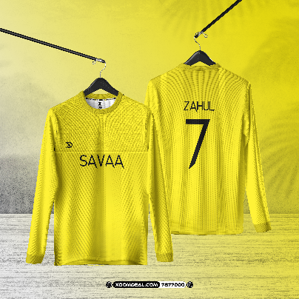
# | NAME | SIZE | NUMBER | SLEEVES | NECK | SHORTS
KIDS
1 | DHAYYAN | L | 11 | LONG | CREW | NO
2 | MOOSA | L | 25 | LONG | CREW | NO
3 | MIZAAN | 2XL | 12 | LONG | CREW | NO
4 | AALIF | 2XL | 10 | LONG | CREW | NO
5 | YAHYA | 2XL | 5 | SHORT | CREW | NO
ADULTS
6 | MIZYAAN | 2XS | 1 | LONG | CREW | NO
7 | DHAUS | 2XS | 8 | SHORT | CREW | NO
8 | KAISAAN | S | 13 | LONG | CREW | NO
9 | ZAHUL | S | 7 | LONG | CREW | NO

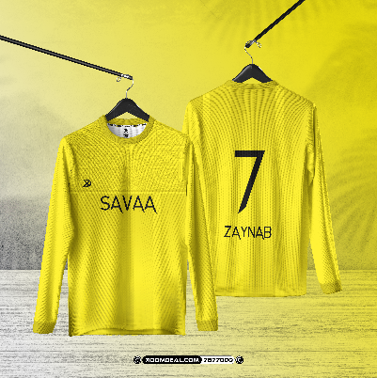
GIRL LIST (NAME BELOW NUMBER)

# | NAME | SIZE | NUMBER | SLEEVES | NECK | SHORTS
KIDS
1 | YUMNU | S | 17 | LONG | CREW | NO
2 | YOOLY | L | 8 | LONG | CREW | NO
3 | MERAL | XL | 9 | LONG | CREW | NO
4 | RAHAA | 2XL | 7 | LONG | CREW | NO
MUSLIMAH
5 | RUSHDHAA | S | 12 | LONG | CREW | NO
ADULTS
6 | SANAAYA | XS | 19 | LONG | CREW | NO
LADIES
7 | AASIYA | 2XS | 10 | LONG | CREW | NO
8 | ZUKAA | 2XS | 6 | LONG | CREW | NO
9 | RAANI | M | 3 | LONG | CREW | NO
10 | ZAYNAB | XL | 50 | LONG | CREW | NO

GREEN
 | 3740 |  | WETLOOK FABRIC |  | 11TH JANUARY |  | JOB NO - 8237

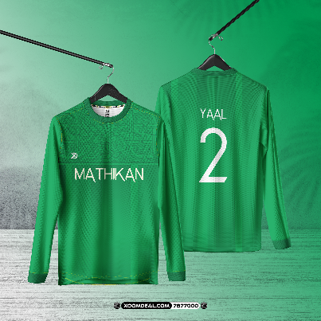
BOYS LIST (NAME ABOVE NUMBER)

# | NAME | SIZE | NUMBER | SLEEVES | NECK | SHORTS
KIDS
1 | AFAAZ | L | 7 | LONG | CREW | NO
2 | RAYAAN | 2XL | 11 | LONG | CREW | NO
3 | ABSHARU | 2XL | 10 | LONG | CREW | NO
4 | YAAL | 2XL | 2 | LONG | CREW | NO
ADULTS
5 | AZYAAN | 2XS | 5 | SHORT | CREW | NO
6 | AZKAAN | 2XS | 17 | LONG | CREW | NO
7 | SHAYAM | XS | 30 | SHORT | CREW | NO
8 | NAAIK | XS | 15 | SHORT | CREW | NO
9 | ETHAN | M | 9 | LONG | CREW | NO
10 | Rayaan | XL | 11 | SHORT | CREW | NO

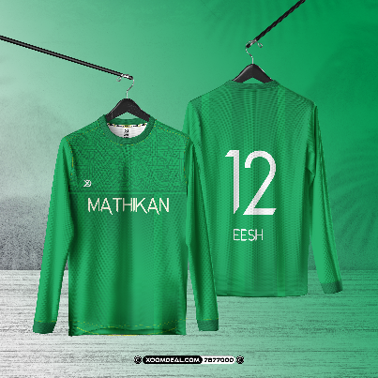
GIRL LIST (NAME BELOW NUMBER)

# | NAME | SIZE | NUMBER | SLEEVES | NECK | SHORTS
KIDS
1 | AARAA | 2XL | 7 | LONG | CREW | NO
MUSLIMAH
2 | AIKA | M | 18 | LONG | CREW | NO
3 | AMATHU | M | 11 | LONG | CREW | NO
4 | SHAIBA | 3XL | 9 | LONG | CREW | NO
ADULTS
5 | EESH | 2XS | 12 | LONG | CREW | NO
6 | ARSHI | 2XS | 6 | LONG | CREW | NO
7 | LAHFA | S | 4 | LONG | CREW | NO
8 | ZUBI | M | 3 | LONG | CREW | NO
9 | ALAYNA | M | 13 | LONG | CREW | NO
10 | HIKMA | M | 5 | LONG | CREW | NO

BLUE
 | 3740 |  | WETLOOK FABRIC |  | 11TH JANUARY |  | JOB NO - 8238

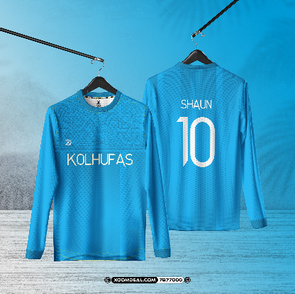
BOYS LIST (NAME ABOVE NUMBER)

# | NAME | SIZE | NUMBER | SLEEVES | NECK | SHORTS
KIDS
1 | AMMAR | XL | 22 | SHORT | CREW | NO
 | ATHUF | XL | 9 | LONG | CREW | NO
 | IYAAN | XL | 5 | LONG | CREW | NO
 | ZAUL | 2XL | 7 | SHORT | CREW | NO
 | NIAM | 2XL | 23 | LONG | CREW | NO
2 | ZIYAAN | 2XL | 17 | SHORT | CREW | NO
3 | ALYAS | 2XL | 11 | LONG | CREW | NO
ADULTS
5 | AZYAAN | 2XS | 13 | LONG | CREW | NO
6 | SHAUN | XS | 10 | LONG | CREW | NO

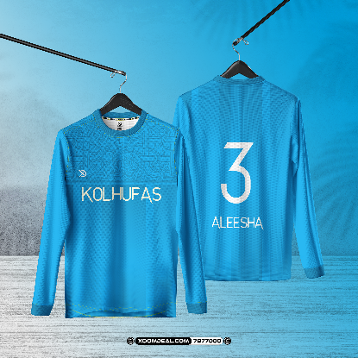
GIRL LIST (NAME BELOW NUMBER)

# | NAME | SIZE | NUMBER | SLEEVES | NECK | SHORTS
KIDS
1 | YALVY | 2XL | 9 | LONG | CREW | NO
2 | MALAK | 2XL | 4 | LONG | CREW | NO
MUSLIMAH
3 | ANAA | S | 17 | LONG | CREW | NO
4 | SHAURA | M | 8 | LONG | CREW | NO
5 | AARA | M | 10 | LONG | CREW | NO
6 | SHAHA | L | 21 | LONG | CREW | NO
7 | IRAM | XL | 1 | LONG | CREW | NO
ADULTS
8 | ALEESHA | 2XS | 3 | LONG | CREW | NO
LADIES
9 | FATHIMA | XS | 7 | LONG | CREW | NO
10 | HINDH | XS | 15 | LONG | CREW | NO

GREY
 | 3740 |  | WETLOOK FABRIC |  | 11TH JANUARY |  | JOB NO - 8239

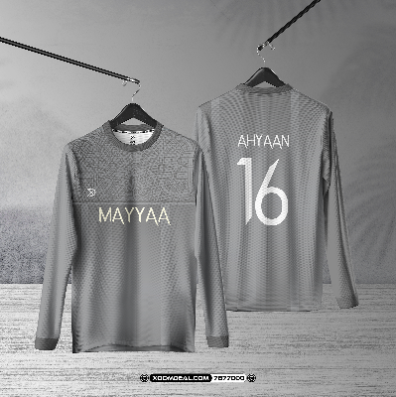
BOYS LIST (NAME ABOVE NUMBER)

# | NAME | SIZE | NUMBER | SLEEVES | NECK | SHORTS
KIDS
1 | AHYAAN | XL | 16 | LONG | CREW | NO
2 | MAZLAAN | XL | 17 | SHORT | CREW | NO
3 | MUAAN | 2XL | 3 | LONG | CREW | NO
4 | SHAYAAN | 2XL | 8 | LONG | CREW | NO
5 | SAADHIN | 2XL | 10 | LONG | CREW | NO
ADULTS
6 | EELAAF | 2XS | 12 | LONG | CREW | NO
7 | NAAHY | 2XS | 11 | LONG | CREW | NO
8 | AALIK | L | 7 | LONG | CREW | NO

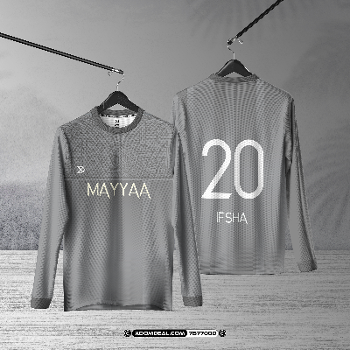
GIRL LIST (NAME BELOW NUMBER)

# | NAME | SIZE | NUMBER | SLEEVES | NECK | SHORTS
KIDS
1 | RAYAA | XL | 10 | LONG | CREW | NO
2 | IFSHA | 2XL | 20 | LONG | CREW | NO
3 | SHILAN | 2XL | 2 | LONG | CREW | NO
MUSLIMAH
4 | LEEN | S | 17 | LONG | CREW | NO
5 | LAKHSHA | S | 9 | LONG | CREW | NO
6 | AZHAA | S | 8 | LONG | CREW | NO
ADULTS
7 | SHAIMA | L | 6 | SHORT | CREW | NO
8 | AIKA | 2XS | 11 | LONG | CREW | NO
LADIES
9 | ZOE | 2XS | 5 | LONG | CREW | NO
10 | HUMAIRA | XS | 7 | LONG | CREW | NO

PURPLE
 | 3740 |  | WETLOOK FABRIC |  | 11TH JANUARY |  | JOB NO - 8240

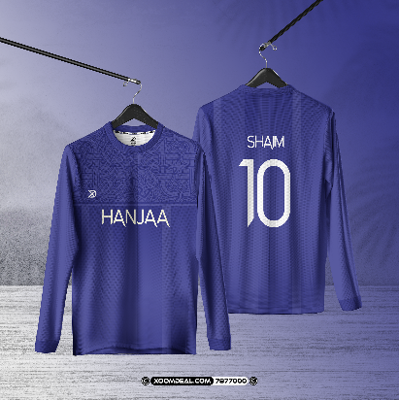
BOYS LIST (NAME ABOVE NUMBER)

# | NAME | SIZE | NUMBER | SLEEVES | NECK | SHORTS
KIDS
1 | IYAAS | M | 14 | SHORT | CREW | NO
2 | NOOH | XL | 25 | SHORT | CREW | NO
3 | AMAN | XL | 8 | LONG | CREW | NO
4 | AFZAL | XL | 3 | SHORT | CREW | NO
5 | QANITH | 2XL | 9 | SHORT | CREW | NO
6 | SHAIM | 2XL | 10 | LONG | CREW | NO
ADULTS
7 | HOODH | 2XS | 11 | SHORT | CREW | NO
8 | KIYAAN | 2XS | 7 | SHORT | CREW | NO
9 | AMYAS | XL | 5 | LONG | CREW | NO

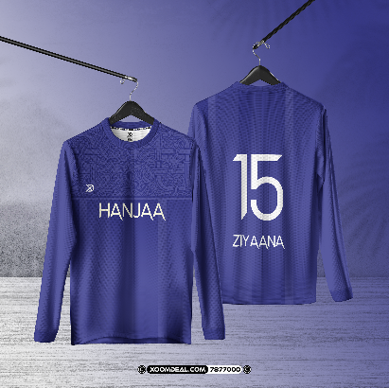
GIRL LIST (NAME BELOW NUMBER)

# | NAME | SIZE | NUMBER | SLEEVES | NECK | SHORTS
KIDS
1 | AIRA | XL | 19 | LONG | CREW | NO
2 | AIREEN | XL | 8 | LONG | CREW | NO
3 | ZEESHA | 2XL | 10 | LONG | CREW | NO
MUSLIMAH
4 | ZAYA | S | 11 | LONG | CREW | NO
5 | YALNAA | S | 5 | LONG | CREW | NO
6 | NAALAA | L | 6 | LONG | CREW | NO
ADULTS
7 | ANAAL | 2XS | 7 | LONG | CREW | NO
8 | THUQAA | 2XS | 22 | LONG | CREW | NO
9 | NIAM | XS | 9 | LONG | CREW | NO
10 | MISK | XS | 12 | LONG | CREW | NO
11 | ZIYAANA | M | 15 | LONG | CREW | NO

