Sheet1
Energy (eV) | Wavelength (nm) | k | n
0.1 | 12398 | 0 | 1.266202053
0.2 | 6199 | 0 | 1.266202053
0.4 | 3099.5 | 0 | 1.2634783925
0.6 | 2066.3333333 | 0.0028650342649 | 1.2661832121
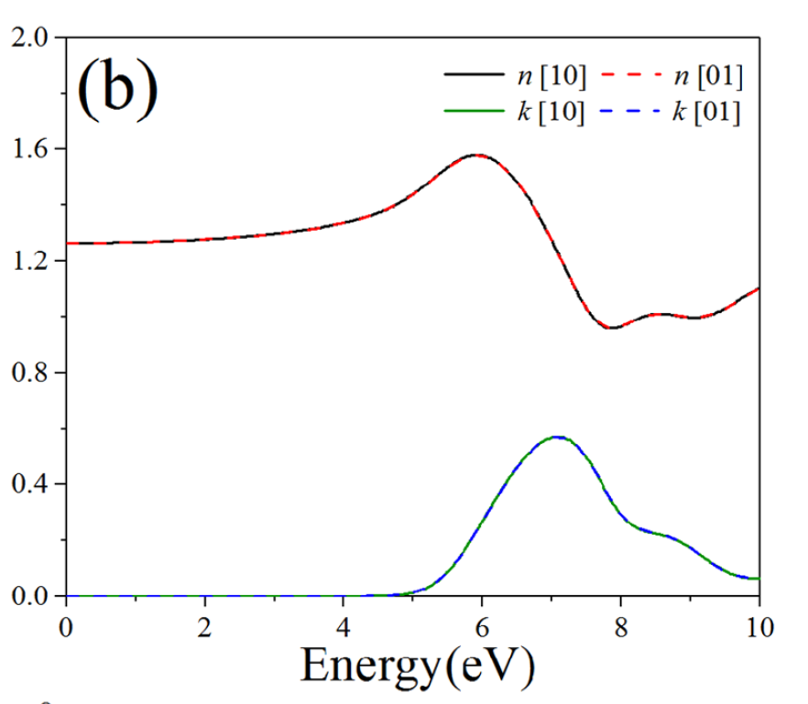
0.8 | 1549.75 | 0.00017905956593 | 1.2663622709
 | n | k
12398 | 1.266202053 | 0
6199 | 1.266202053 | 0
3099.5 | 1.2634783925 | 0
2066.3333333 | 1.2661832121 | 0.0028650342649
1549.75 | 1.2663622709 | 0.00017905956593
1239.8 | 1.2694063658 | 0
1033.1666667 | 1.2754946674 | 0
885.57142857 | 1.2754946817 | 0
774.875 | 1.2841197086 | 0
688.77777778 | 1.2874922073 | 0
619.9 | 1.2968036777 | 0
563.54545455 | 1.2996786501 | 0
516.58333333 | 1.3089802932 | 0
476.84615385 | 1.3181126655 | 0
442.78571429 | 1.3394216936 | 0
413.26666667 | 1.3566717475 | 0
387.4375 | 1.3684931243 | 0
364.64705882 | 1.3969558435 | 0
344.38888889 | 1.4246575543 | 0
326.26315789 | 1.4620328971 | 0
309.95 | 1.5043423615 | 0
295.19047619 | 1.5350477487 | 0
281.77272727 | 1.5679111366 | 0
269.52173913 | 1.5795027713 | 0
258.29166667 | 1.5713134402 | 0.0028650357566
247.96 | 1.5464230221 | 0.015220751218
238.42307692 | 1.5038051877 | 0.03044142311
229.59259259 | 1.4611870808 | 0.063927031841
221.39285714 | 1.4094367002 | 0.11855238419
213.75862069 | 1.3607304948 | 0.18873695223
206.63333333 | 1.3225987282 | 0.26772414543
199.96774194 | 1.2695965728 | 0.35121791922
193.71875 | 1.228479588 | 0.42651794466
187.84848485 | 1.1866437914 | 0.49524362658
182.32352941 | 1.1385083854 | 0.54618285436
177.11428571 | 1.0867580046 | 0.56797245007
172.19444444 | 1.0258751228 | 0.56620981855
167.54054054 | 0.98504785831 | 0.52860589729
163.13157895 | 0.96560124483 | 0.45753391313
158.94871795 | 0.99272802021 | 0.37037009273
154.975 | 1.0082512364 | 0.29864601703
151.19512195 | 1.0106544683 | 0.24961959202
147.5952381 | 1.0077794837 | 0.23524444927
144.1627907 | 1.0018802012 | 0.22007352327
140.88636364 | 1.0015220758 | 0.20091322707
137.75555556 | 1.0106544702 | 0.17351612016
134.76086957 | 1.0289194324 | 0.14003033328
131.89361702 | 1.0605445677 | 0.1055302256
129.14583333 | 1.0881906172 | 0.080580093888
126.51020408 | 1.1069926358 | 0.067687432393
...
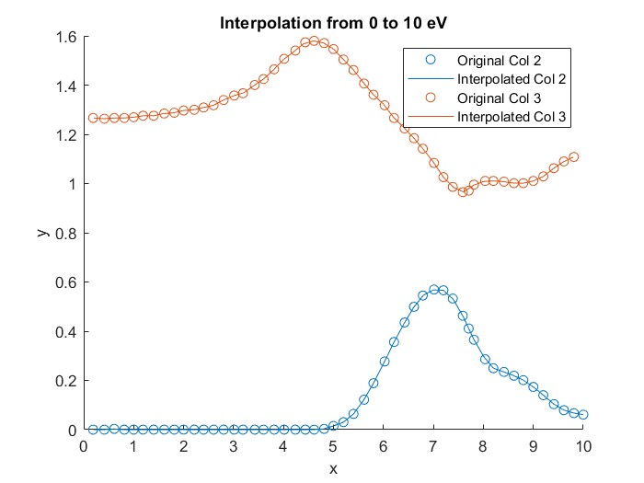
1 | 1239.8 | 0 | 1.2694063658
1.2 | 1033.1666667 | 0 | 1.2754946674
1.4 | 885.57142857 | 0 | 1.2754946817
1.6 | 774.875 | 0 | 1.2841197086
1.8 | 688.77777778 | 0 | 1.2874922073
2 | 619.9 | 0 | 1.2968036777
2.2 | 563.54545455 | 0 | 1.2996786501
2.4 | 516.58333333 | 0 | 1.3089802932
2.6 | 476.84615385 | 0 | 1.3181126655
2.8 | 442.78571429 | 0 | 1.3394216936
3 | 413.26666667 | 0 | 1.3566717475
3.2 | 387.4375 | 0 | 1.3684931243
3.4 | 364.64705882 | 0 | 1.3969558435
3.6 | 344.38888889 | 0 | 1.4246575543
3.8 | 326.26315789 | 0 | 1.4620328971
4 | 309.95 | 0 | 1.5043423615
4.2 | 295.19047619 | 0 | 1.5350477487
4.4 | 281.77272727 | 0 | 1.5679111366
4.6 | 269.52173913 | 0 | 1.5795027713
4.8 | 258.29166667 | 0.0028650357566 | 1.5713134402
5 | 247.96 | 0.015220751218 | 1.5464230221
5.2 | 238.42307692 | 0.03044142311 | 1.5038051877
5.4 | 229.59259259 | 0.063927031841 | 1.4611870808
5.6 | 221.39285714 | 0.11855238419 | 1.4094367002
5.8 | 213.75862069 | 0.18873695223 | 1.3607304948
6 | 206.63333333 | 0.26772414543 | 1.3225987282
6.2 | 199.96774194 | 0.35121791922 | 1.2695965728
6.4 | 193.71875 | 0.42651794466 | 1.228479588
6.6 | 187.84848485 | 0.49524362658 | 1.1866437914 | You need to convert Ev to wavelength as well
6.8 | 182.32352941 | 0.54618285436 | 1.1385083854
7 | 177.11428571 | 0.56797245007 | 1.0867580046 |  | Elastic, electronic and optical
7.2 | 172.19444444 | 0.56620981855 | 1.0258751228 |  | properties of new 2D and 3D boron
7.4 | 167.54054054 | 0.52860589729 | 0.98504785831 |  | nitrides
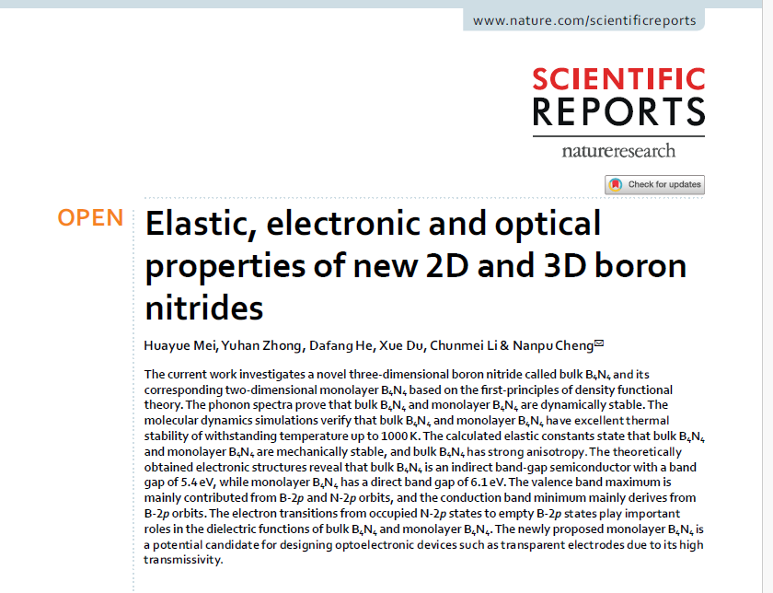
7.6 | 163.13157895 | 0.45753391313 | 0.96560124483
 | k | n
0.2 | 0 | 1.266202053
0.4 | 0 | 1.2634783925
0.6 | 0.0028650342649 | 1.2661832121
0.8 | 0.00017905956593 | 1.2663622709
1 | 0 | 1.2694063658
1.2 | 0 | 1.2754946674
1.4 | 0 | 1.2754946817
1.6 | 0 | 1.2841197086
1.8 | 0 | 1.2874922073
2 | 0 | 1.2968036777
2.2 | 0 | 1.2996786501
2.4 | 0 | 1.3089802932
2.6 | 0 | 1.3181126655
2.8 | 0 | 1.3394216936
3 | 0 | 1.3566717475
3.2 | 0 | 1.3684931243
3.4 | 0 | 1.3969558435
3.6 | 0 | 1.4246575543
3.8 | 0 | 1.4620328971
4 | 0 | 1.5043423615
4.2 | 0 | 1.5350477487
4.4 | 0 | 1.5679111366
4.6 | 0 | 1.5795027713
4.8 | 0.0028650357566 | 1.5713134402
5 | 0.015220751218 | 1.5464230221
5.2 | 0.03044142311 | 1.5038051877
5.4 | 0.063927031841 | 1.4611870808
5.6 | 0.11855238419 | 1.4094367002
5.8 | 0.18873695223 | 1.3607304948
6 | 0.26772414543 | 1.3225987282
6.2 | 0.35121791922 | 1.2695965728
6.4 | 0.42651794466 | 1.228479588
6.6 | 0.49524362658 | 1.1866437914
6.8 | 0.54618285436 | 1.1385083854
7 | 0.56797245007 | 1.0867580046
7.2 | 0.56620981855 | 1.0258751228
7.4 | 0.52860589729 | 0.98504785831
7.6 | 0.45753391313 | 0.96560124483
7.8 | 0.37037009273 | 0.99272802021
8 | 0.29864601703 | 1.0082512364
8.2 | 0.24961959202 | 1.0106544683
8.4 | 0.23524444927 | 1.0077794837
8.6 | 0.22007352327 | 1.0018802012
8.8 | 0.20091322707 | 1.0015220758
9 | 0.17351612016 | 1.0106544702
9.2 | 0.14003033328 | 1.0289194324
9.4 | 0.1055302256 | 1.0605445677
9.6 | 0.080580093888 | 1.0881906172
9.8 | 0.067687432393 | 1.1069926358
10 | 0.060882798
7.8 | 158.94871795 | 0.37037009273 | 0.99272802021
8 | 154.975 | 0.29864601703 | 1.0082512364
8.2 | 151.19512195 | 0.24961959202 | 1.0106544683
8.4 | 147.5952381 | 0.23524444927 | 1.0077794837
8.6 | 144.1627907 | 0.22007352327 | 1.0018802012
8.8 | 140.88636364 | 0.20091322707 | 1.0015220758
9 | 137.75555556 | 0.17351612016 | 1.0106544702
9.2 | 134.76086957 | 0.14003033328 | 1.0289194324
9.4 | 131.89361702 | 0.1055302256 | 1.0605445677
9.6 | 129.14583333 | 0.080580093888 | 1.0881906172
9.8 | 126.51020408 | 0.067687432393 | 1.1069926358
10 | 123.98 | 0.060882798

