Sheet1
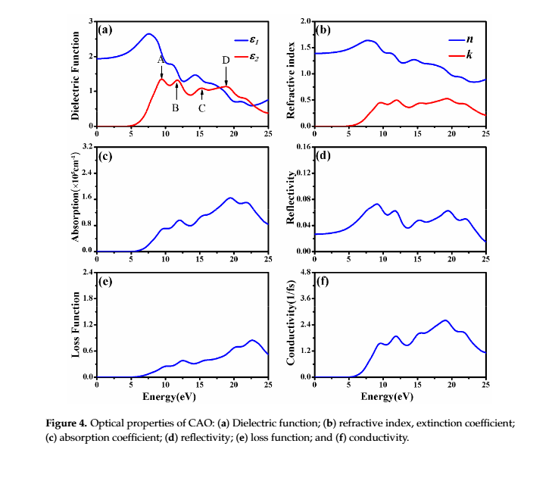
Energy (eV) | Wavelength (nm) | k | n
 | 12000 | 0 | 1.389
0.2 | 6199 | 0 | 1.3909812856 | Remove filter for full range
Filtered for 300 to 12000 nm range
 | k | n
 | 0 | 1.389
0.2 | 0 | 1.3909812856
0.3 | 0 | 1.3920274309
0.4 | 0 | 1.3930735763
0.5 | 0 | 1.3941197216
0.6 | 0 | 1.395165867
0.7 | 0 | 1.3962120123
0.8 | 0 | 1.3972581577
0.9 | 0 | 1.398304303
1 | 0 | 1.3993504484
1.1 | 0 | 1.4004296459
1.2 | 0 | 1.4015629864
1.3 | 0 | 1.4026963268
1.4 | 0 | 1.4038296673
1.5 | 0 | 1.4049630078
1.6 | 0 | 1.4060963483
1.7 | 0 | 1.4072296888
1.8 | 0 | 1.4083630292
1.9 | 0 | 1.4094963697
2 | 0 | 1.4106297102
2.1 | 0 | 1.4117630403
2.2 | 0 | 1.4128963628
2.3 | 0 | 1.4140296853
2.4 | 0 | 1.4151630077
2.5 | 0 | 1.4162963302
2.6 | 0 | 1.4174296527
2.7 | 0 | 1.4185629751
2.8 | 0 | 1.4196962976
2.9 | 0 | 1.4208296201
3 | 0 | 1.4219629425
3.1 | 0 | 1.4239703144
3.2 | 0 | 1.4262369954
3.3 | 0 | 1.4285036763
3.4 | 0 | 1.4307703573
3.5 | 0 | 1.4330370383
3.6 | 0 | 1.4353037192
3.7 | 0 | 1.4375704002
3.8 | 0 | 1.4398370812
3.9 | 0 | 1.4421037621
4 | 0 | 1.4443704431
4.1 | 0.0020239042323 | 1.4474803875
0.3 | 4132.6666667 | 0 | 1.3920274309
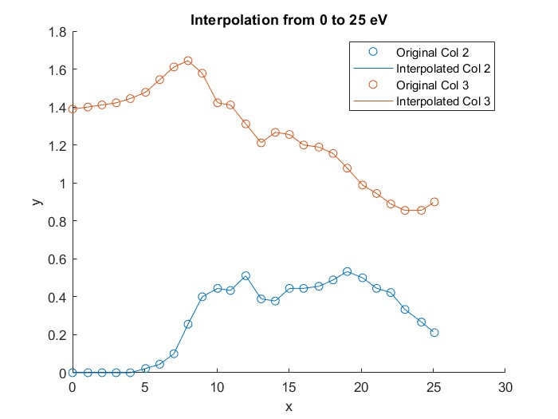
0.4 | 3099.5 | 0 | 1.3930735763
0.5 | 2479.6 | 0 | 1.3941197216
0.6 | 2066.3333333 | 0 | 1.395165867
0.7 | 1771.1428571 | 0 | 1.3962120123
0.8 | 1549.75 | 0 | 1.3972581577
0.9 | 1377.5555556 | 0 | 1.398304303
1 | 1239.8 | 0 | 1.3993504484
1.1 | 1127.0909091 | 0 | 1.4004296459
1.2 | 1033.1666667 | 0 | 1.4015629864
1.3 | 953.69230769 | 0 | 1.4026963268
1.4 | 885.57142857 | 0 | 1.4038296673
1.5 | 826.53333333 | 0 | 1.4049630078
1.6 | 774.875 | 0 | 1.4060963483
1.7 | 729.29411765 | 0 | 1.4072296888
1.8 | 688.77777778 | 0 | 1.4083630292
1.9 | 652.52631579 | 0 | 1.4094963697
Converted into wavelength (nm)
 | n | k
12000 | 1.389 | 0
6199 | 1.3909812856 | 0
4132.6666667 | 1.3920274309 | 0
3099.5 | 1.3930735763 | 0
2479.6 | 1.3941197216 | 0
2066.3333333 | 1.395165867 | 0
1771.1428571 | 1.3962120123 | 0
1549.75 | 1.3972581577 | 0
1377.5555556 | 1.398304303 | 0
1239.8 | 1.3993504484 | 0
1127.0909091 | 1.4004296459 | 0
1033.1666667 | 1.4015629864 | 0
953.69230769 | 1.4026963268 | 0
885.57142857 | 1.4038296673 | 0
826.53333333 | 1.4049630078 | 0
774.875 | 1.4060963483 | 0
729.29411765 | 1.4072296888 | 0
688.77777778 | 1.4083630292 | 0
652.52631579 | 1.4094963697 | 0
619.9 | 1.4106297102 | 0
590.38095238 | 1.4117630403 | 0
563.54545455 | 1.4128963628 | 0
539.04347826 | 1.4140296853 | 0
516.58333333 | 1.4151630077 | 0
495.92 | 1.4162963302 | 0
476.84615385 | 1.4174296527 | 0
459.18518519 | 1.4185629751 | 0
442.78571429 | 1.4196962976 | 0
427.51724138 | 1.4208296201 | 0
413.26666667 | 1.4219629425 | 0
399.93548387 | 1.4239703144 | 0
387.4375 | 1.4262369954 | 0
375.6969697 | 1.4285036763 | 0
364.64705882 | 1.4307703573 | 0
354.22857143 | 1.4330370383 | 0
344.38888889 | 1.4353037192 | 0
335.08108108 | 1.4375704002 | 0
326.26315789 | 1.4398370812 | 0
317.8974359 | 1.4421037621 | 0
309.95 | 1.4443704431 | 0
302.3902439 | 1.4474803875 | 0.0020239042323
2 | 619.9 | 0 | 1.4106297102
2.1 | 590.38095238 | 0 | 1.4117630403
2.2 | 563.54545455 | 0 | 1.4128963628
2.3 | 539.04347826 | 0 | 1.4140296853
2.4 | 516.58333333 | 0 | 1.4151630077

2.5 | 495.92 | 0 | 1.4162963302
2.6 | 476.84615385 | 0 | 1.4174296527
2.7 | 459.18518519 | 0 | 1.4185629751
2.8 | 442.78571429 | 0 | 1.4196962976
2.9 | 427.51724138 | 0 | 1.4208296201
3 | 413.26666667 | 0 | 1.4219629425
3.1 | 399.93548387 | 0 | 1.4239703144
3.2 | 387.4375 | 0 | 1.4262369954
3.3 | 375.6969697 | 0 | 1.4285036763
3.4 | 364.64705882 | 0 | 1.4307703573
3.5 | 354.22857143 | 0 | 1.4330370383
3.6 | 344.38888889 | 0 | 1.4353037192
3.7 | 335.08108108 | 0 | 1.4375704002
3.8 | 326.26315789 | 0 | 1.4398370812
3.9 | 317.8974359 | 0 | 1.4421037621
4 | 309.95 | 0 | 1.4443704431
4.1 | 302.3902439 | 0.0020239042323 | 1.4474803875

