Sheet2
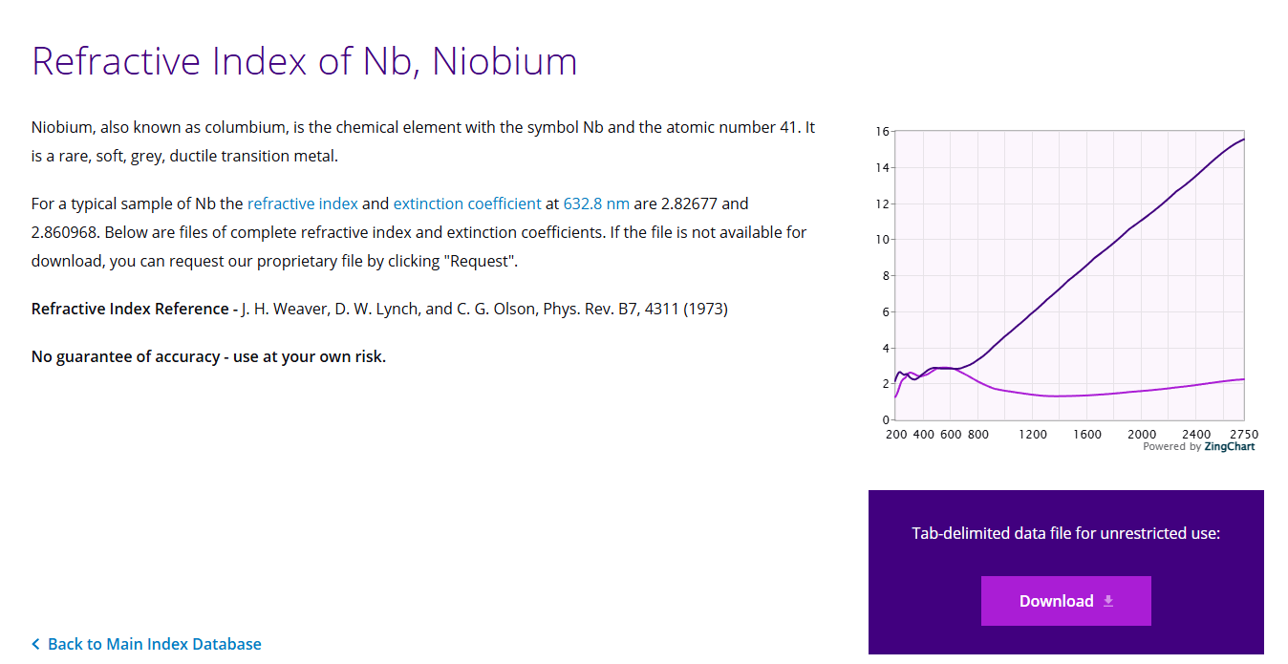
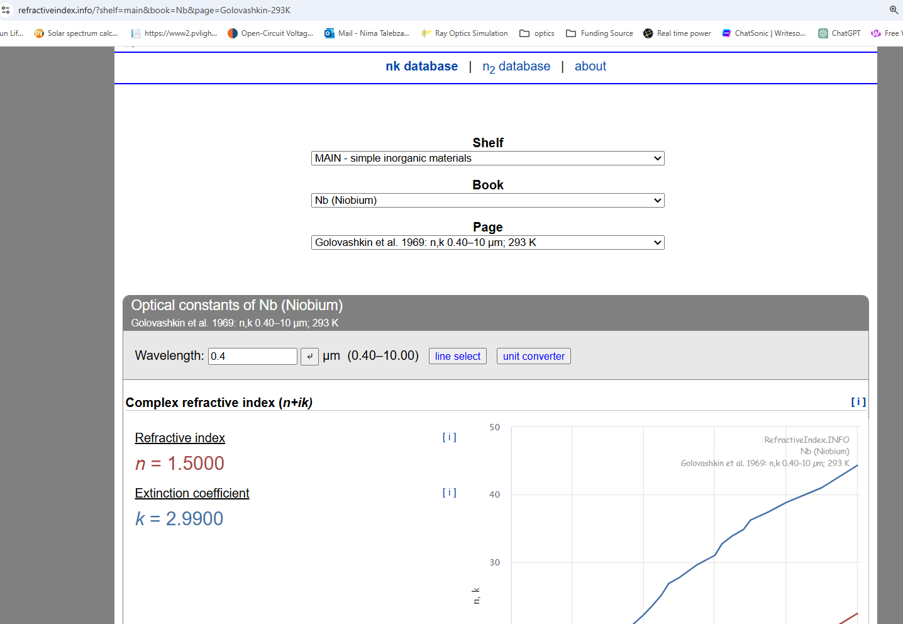
https://www.kla.com/products/instruments/refractive-index-database/nb/niobium

