Sheet2
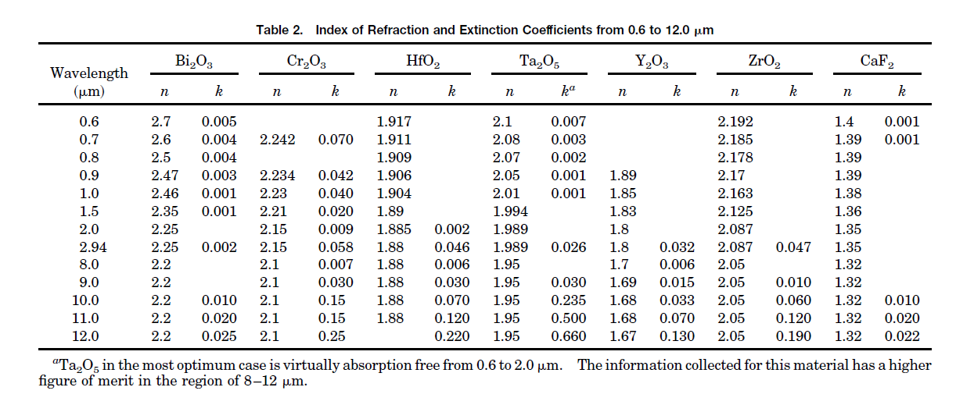
x | k | lambda | k
250.67178503 | 2.0694915254 | 300.8583691 | 0
264.49136276 | 2.0501694915 | 318.88412017 | 0.00015915119363
284.45297505 | 2.0298305085 | 329.18454936 | 0.0004774535809
310.55662188 | 2.0115254237 | 334.33476395 | 0.00090185676393
333.58925144 | 1.9972881356 | 339.48497854 | 0.0016976127321
359.69289827 | 1.9820338983 | 344.63519313 | 0.0028116710875
387.33205374 | 1.9688135593 | 349.78540773 | 0.0042970822281
419.57773512 | 1.9555932203 | 354.93562232 | 0.0058885941645
445.68138196 | 1.9454237288 | 360.08583691 | 0.0078514588859
473.32053743 | 1.9383050847 | 364.3776824 | 0.0092838196286
505.56621881 | 1.9301694915 | 369.527897 | 0.0097082228117
543.95393474 | 1.9220338983 | 374.67811159 | 0.0080106100796
591.5547025 | 1.9149152542 | 379.82832618 | 0.0062068965517
652.97504798 | 1.9088135593 | 384.97854077 | 0.0047214854111
706.71785029 | 1.9047457627 | 390.12875536 | 0.0033952254642
780.42226488 | 1.9016949153 | 394.42060086 | 0.0023872679045
846.44913628 | 1.8986440678 | 399.57081545 | 0.0015915119363
935.50863724 | 1.8966101695 | 404.72103004 | 0.00090185676393
1032.2456814 | 1.8945762712 | 411.58798283 | 0.0004774535809
1101.3435701 | 1.8925423729 | 420.17167382 | 0.00026525198939
1500 | 1.84 | 428.75536481 | 0.00010610079576
2000 | 1.8 | 438.19742489 | 0.00015915119363
2940 | 1.8 | 451.07296137 | 0.00058355437666
8000 | 1.7 | 465.66523605 | 0.0015384615385
9000 | 1.69 | 480.25751073 | 0.0028116710875
10000 | 1.68 | 509.44206009 | 0.006100795756
11000 | 1.68 | 560.08583691 | 0.011777188329
12000 | 1.67 | 590.12875536 | 0.014588859416
 |  | 609.87124464 | 0.016445623342
 |  | 629.61373391 | 0.017931034483
 |  | 650.21459227 | 0.019151193634
 |  | 670.81545064 | 0.020159151194
 |  | 691.41630901 | 0.020901856764
 |  | 718.88412017 | 0.021697612732
 |  | 746.35193133 | 0.022228116711
 |  | 772.96137339 | 0.022546419098
 |  | 798.71244635 | 0.022546419098
 |  | 815.87982833 | 0.022440318302
 |  | 833.0472103 | 0.022228116711
 |  | 2940 | 0.032
 |  | 8000 | 0.006
 |  | 9000 | 0.015
 |  | 10000 | 0.033
 |  | 11000 | 0.07
 |  | 12000 | 0.13

Keshav did
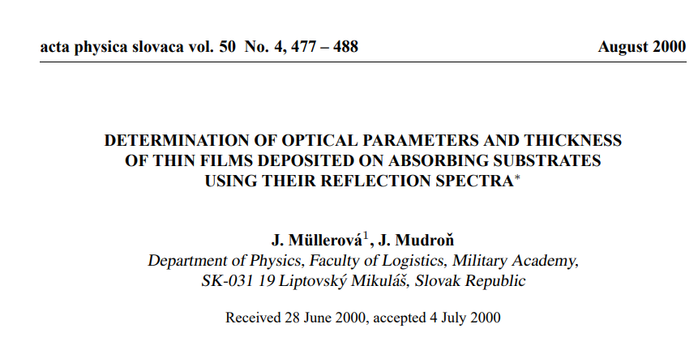
Wavelength | n | k
300 | 1.8414701432 | NaN | Determination of optical parameters and thickness of thin films deposited on absorbing substrates using their reflection spectra
310 | 1.8189479515 | 0.0026192902943
320 | 1.7967794057 | 0.0027207067873 | Please search the net to see if you can find n and k values till 12 um
330 | 1.7759728901 | 0.0034801273735 |  | n value from this paper
340 | 1.7565753732 | 0.0049202428125
350 | 1.7373684984 | 0.0063463431239
360 | 1.7217201207 | 0.0075108392786
Y2O3
 | n | k
300 | 1.8414701432 | 0
310 | 1.8189479515 | 0.0026192902943
320 | 1.7967794057 | 0.0027207067873
330 | 1.7759728901 | 0.0034801273735
340 | 1.7565753732 | 0.0049202428125
350 | 1.7373684984 | 0.0063463431239
360 | 1.7217201207 | 0.0075108392786
370 | 1.7060717431 | 0.0086753354334
380 | 1.6910201249 | 0.0083459616517
390 | 1.6766757907 | 0.0062460419071
400 | 1.6623314565 | 0.0041461221624
410 | 1.6472121291 | 0.0033704630473
420 | 1.6319712344 | 0.0028025308411
430 | 1.618491631 | 0.00251650312
440 | 1.607407358 | 0.0026138613748
450 | 1.596323085 | 0.0027112196297
460 | 1.5861926235 | 0.0030794613539
470 | 1.5776662801 | 0.0039032743201
480 | 1.5692230295 | 0.0047933850707
490 | 1.5609098378 | 0.0057872670119
500 | 1.5525966462 | 0.0067811489531
510 | 1.5469135857 | 0.0078520382944
520 | 1.5413714229 | 0.0089270529658
530 | 1.5355161616 | 0.0099504985047
540 | 1.5293582426 | 0.010924094533
550 | 1.5232003236 | 0.011897690562
560 | 1.5175120687 | 0.012855817588
570 | 1.5119699324 | 0.013809132004
580 | 1.506873989 | 0.014716722945
590 | 1.5027173934 | 0.015528054503
600 | 1.4985607978 | 0.01633938606
610 | 1.4944041787 | 0.017150717958
620 | 1.4902475565 | 0.017962049903
630 | 1.487312109 | 0.018657180052
640 | 1.485926575 | 0.019204827044
650 | 1.484541041 | 0.019752474036
660 | 1.4806289551 | 0.020210638894
670 | 1.4767168618 | 0.020668803492
680 | 1.474396136 | 0.021072609159
690 | 1.474396136 | 0.021397142014
700 | 1.474396136 | 0.021721674869
710 | 1.4717189772 | 0.02192863274
720 | 1.4689478955 | 0.022131465726
730 | 1.467632825 | 0.022297937575
740 | 1.467632825 | 0.022431568013
750 | 1.467632825 | 0.022565198451
760 | 1.4650496135 | 0.022687707171
770 | 1.4622785323 | 0.02280940704
780 | 1.460869515 | 0.022871288019
790 | 1.460869515 | 0.022871288019
...
370 | 1.7060717431 | 0.0086753354334
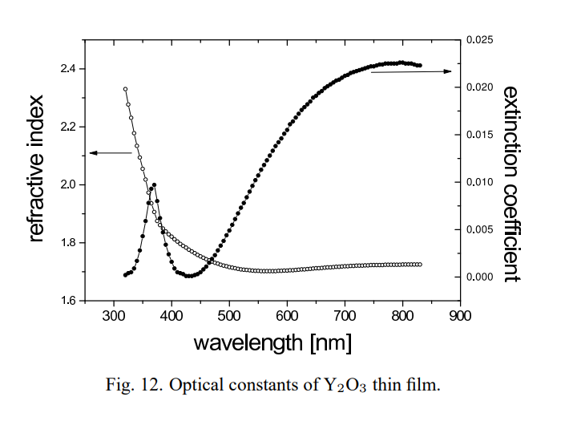
380 | 1.6910201249 | 0.0083459616517
390 | 1.6766757907 | 0.0062460419071
400 | 1.6623314565 | 0.0041461221624
410 | 1.6472121291 | 0.0033704630473
420 | 1.6319712344 | 0.0028025308411
430 | 1.618491631 | 0.00251650312
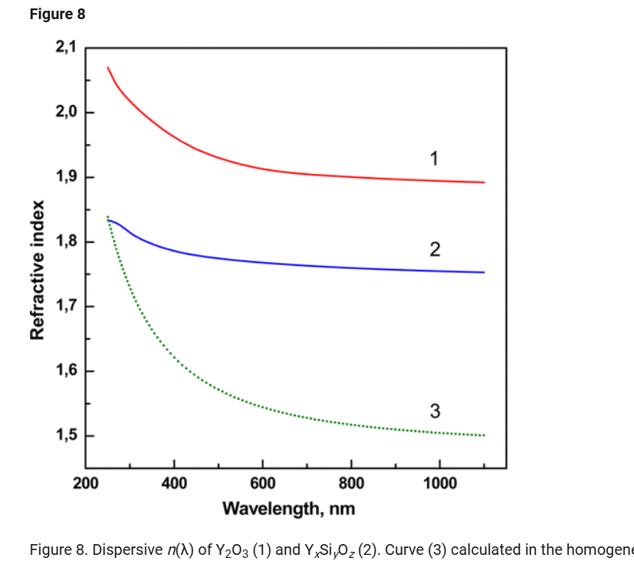
440 | 1.607407358 | 0.0026138613748
450 | 1.596323085 | 0.0027112196297
460 | 1.5861926235 | 0.0030794613539
470 | 1.5776662801 | 0.0039032743201
480 | 1.5692230295 | 0.0047933850707
490 | 1.5609098378 | 0.0057872670119 |  |  | Optical and durability properties
500 | 1.5525966462 | 0.0067811489531 |  |  | of infrared transmitting thin films
510 | 1.5469135857 | 0.0078520382944
520 | 1.5413714229 | 0.0089270529658
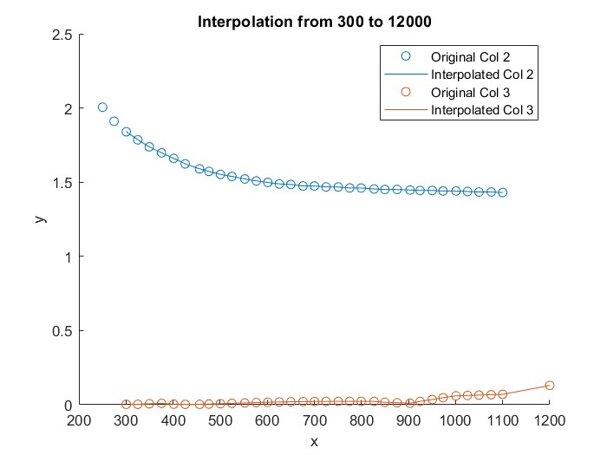
530 | 1.5355161616 | 0.0099504985047
540 | 1.5293582426 | 0.010924094533
550 | 1.5232003236 | 0.011897690562
560 | 1.5175120687 | 0.012855817588
570 | 1.5119699324 | 0.013809132004
580 | 1.506873989 | 0.014716722945
590 | 1.5027173934 | 0.015528054503
600 | 1.4985607978 | 0.01633938606
610 | 1.4944041787 | 0.017150717958
620 | 1.4902475565 | 0.017962049903
630 | 1.487312109 | 0.018657180052
640 | 1.485926575 | 0.019204827044
650 | 1.484541041 | 0.019752474036
660 | 1.4806289551 | 0.020210638894
670 | 1.4767168618 | 0.020668803492
680 | 1.474396136 | 0.021072609159
690 | 1.474396136 | 0.021397142014
700 | 1.474396136 | 0.021721674869
710 | 1.4717189772 | 0.02192863274
720 | 1.4689478955 | 0.022131465726
730 | 1.467632825 | 0.022297937575
740 | 1.467632825 | 0.022431568013
750 | 1.467632825 | 0.022565198451
760 | 1.4650496135 | 0.022687707171
770 | 1.4622785323 | 0.02280940704
780 | 1.460869515 | 0.022871288019
790 | 1.460869515 | 0.022871288019
800 | 1.4607442587 | 0.022867620631
810 | 1.4582811285 | 0.022795502496
820 | 1.4558179983 | 0.022723384361
830 | 1.4536554363 | 0.021841583566
840 | 1.4521774997 | 0.019115510509
850 | 1.450724614 | 0.016414611576
860 | 1.450724614 | 0.015173749799
870 | 1.450724614 | 0.013932888023
880 | 1.4502027576 | 0.012721238856
890 | 1.4489711925 | 0.011549317939
900 | 1.4477396274 | 0.010377397021
910 | 1.4462694605 | 0.013968256094
920 | 1.4446859583 | 0.019821424696
930 | 1.443961303 | 0.02511437849
940 | 1.443961303 | 0.029934648885
950 | 1.443961303 | 0.034754919281
960 | 1.4425585634 | 0.040185205678
970 | 1.4410806828 | 0.045648169007
980 | 1.440579712 | 0.050509271837
990 | 1.440579712 | 0.055061733548
1000 | 1.440579712 | 0.059614195259
1010 | 1.4393116154 | 0.060937500294
1020 | 1.4379261014 | 0.061961806885
1030 | 1.4365405621 | 0.062986113476
1040 | 1.4351549949 | 0.064010420066
1050 | 1.433816402 | 0.06503268394
1060 | 1.433816402 | 0.065996738027
1070 | 1.433816402 | 0.066960792113
1080 | 1.4332058266 | 0.067951396556
1090 | 1.4318203188 | 0.068975698278
1100 | 1.430434811 | 0.07
1110 |  | 0.076
1120 |  | 0.082
1130 |  | 0.088
1140 |  | 0.094
1150 |  | 0.1
1160 |  | 0.106
1170 |  | 0.112
1180 |  | 0.118
1200 |  | 0.13

