Que-2
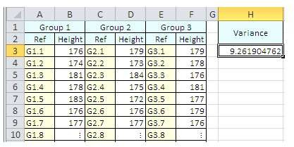
Group 1 |  | Group 2 |  | Group 3 |  | Variance
Ref | Height | Ref | Height | Ref | Height
G1.1 | 176 | G2.1 | 179 | G3.1 | 179 | 9.2619047619
G1.2 | 174 | G2.2 | 173 | G3.2 | 178
G1.3 | 181 | G2.3 | 184 | G3.3 | 176
G1.4 | 178 | G2.4 | 175 | G3.4 | 181
G1.5 | 183 | G2.5 | 172 | G3.5 | 177
G1.6 | 176 | G2.6 | 176 | G3.6 | 179
G1.7 | 177 | G2.7 | 177 | G3.7 | 176
G1.8 | : | G2.8 | : | G3.8 | :

 | Question 2 - Calculate Sample Variance in Excel

