记录
1.开放ELB端口
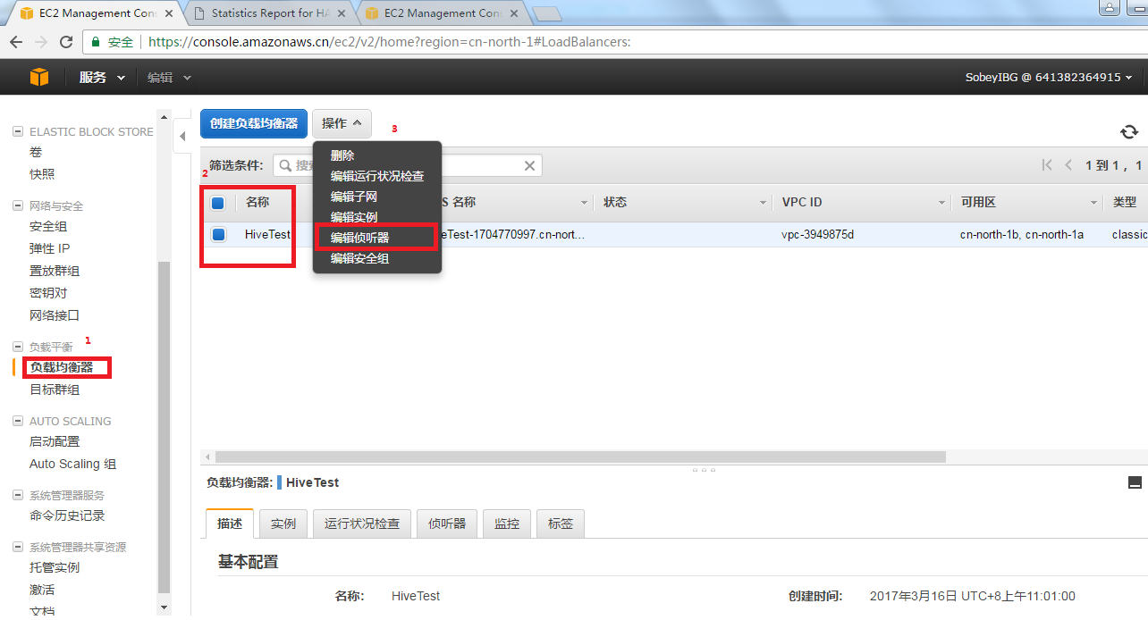

2.补丁更新至： | QA5.2.1

