Gesundheitsapps Google Play
Name der App | App Icon | Link zur App
Wasser Trinken - Water Tracker |  | https://play.google.com/store/apps/details?id=com.mobilecreatures.drinkwater&pcampaignid=web_share
Wassererinnerung | 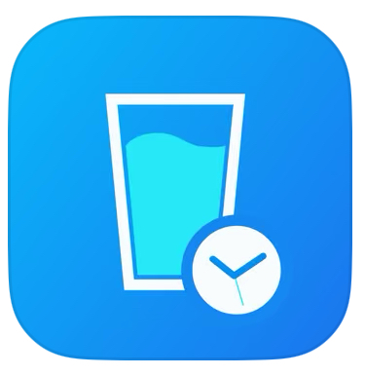 | https://play.google.com/store/apps/details?id=com.vgfit.waterbalance&pcampaignid=web_share
WaterMinder - Wassertracker | 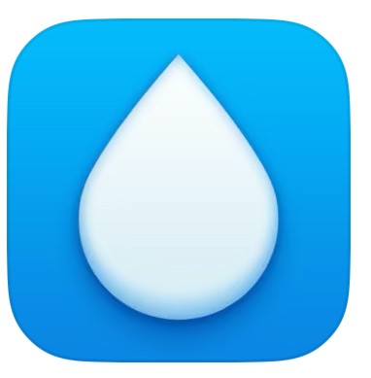 | https://play.google.com/store/apps/details?id=com.funnmedia.waterminder&pcampaignid=web_share
Plant Nanny: Wasser Erinnerung | 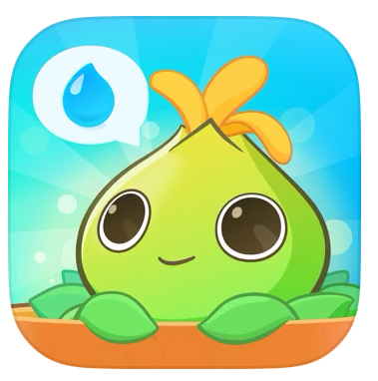 | https://play.google.com/store/apps/details?id=com.fourdesire.plantnanny2&pcampaignid=web_share
Trink Wasser mit - Dropy |  | https://play.google.com/store/apps/details?id=net.offlinefirst.drops&pcampaignid=web_share
Waterdrop Hydration App | 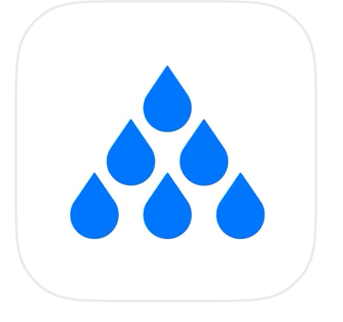  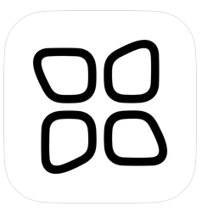 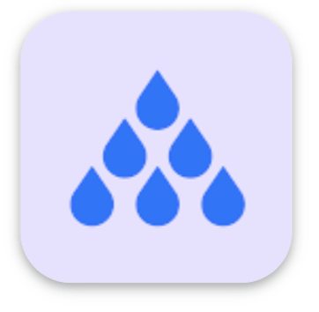 | https://play.google.com/store/apps/details?id=com.waterdrop.hydrationapp&pcampaignid=web_share
Gerolsteiner - Wasser trinken | 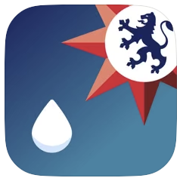 | https://play.google.com/store/apps/details?id=com.gerolsteiner.trinkcheck&pcampaignid=web_share
Sleep Monitor - Schlaftracker | 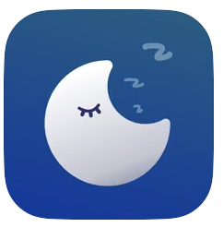 | https://play.google.com/store/apps/details?id=com.sleepmonitor.aio&pcampaignid=web_share
Alarmy - Wecker und Schlaf | 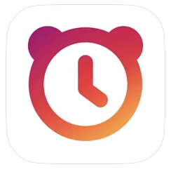 | https://play.google.com/store/apps/details?id=droom.sleepIfUCan&pcampaignid=web_share
Sleep Cycle: Sleep Tracker | 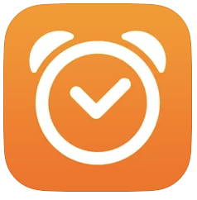 | https://play.google.com/store/apps/details?id=com.northcube.sleepcycle&pcampaignid=web_share
ShutEye®: Sleep & Relax |  | https://play.google.com/store/apps/details?id=health.sleep.sounds.tracker.alarm.calm&pcampaignid=web_share
SnoreLab : Schnarchanalyse |  | https://play.google.com/store/apps/details?id=com.snorelab.app&pcampaignid=web_share
Prime Sleep Recorder | 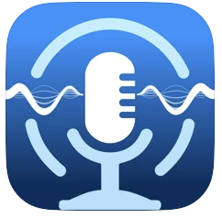 | https://play.google.com/store/apps/details?id=com.apirox.sleeprecorder&pcampaignid=web_share
Sleepzy: Schlaftracker | 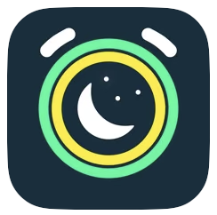 | https://play.google.com/store/apps/details?id=com.apalon.alarmclock.smart&pcampaignid=web_share
Sleep Talk Recorder | 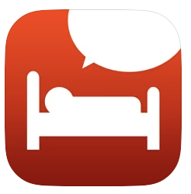 | https://play.google.com/store/apps/details?id=com.madinsweden.sleeptalk&pcampaignid=web_share
Do I Snore or Grind | 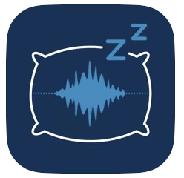 | https://play.google.com/store/apps/details?id=com.bruxlabsnore&pcampaignid=web_share
Dream Talk Recorder |  | https://play.google.com/store/apps/details?id=com.mobiutil.dreamtalkrecorder&pcampaignid=web_share
Headspace: Meditation & Schlaf |  | https://play.google.com/store/apps/details?id=com.getsomeheadspace.android&pcampaignid=web_share
Fitness: Workout Trainingsplan |  | https://play.google.com/store/apps/details?id=fitness.online.app&pcampaignid=web_share
MyFitnessPal: Kalorien Tracker |  | https://play.google.com/store/apps/details?id=com.myfitnesspal.android&pcampaignid=web_share
Lifesum: Fasten, Keto, Diät |  | https://play.google.com/store/apps/details?id=com.sillens.shapeupclub&pcampaignid=web_share
Fddb - Kalorienzähler & Diät |  | https://play.google.com/store/apps/details?id=com.fddb&pcampaignid=web_share
YAZIO Kalorienzähler & Diät | 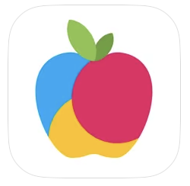 | https://play.google.com/store/apps/details?id=com.yazio.android&pcampaignid=web_share
adidas Running: Laufen, Cardio |  | https://play.google.com/store/apps/details?id=com.runtastic.android&pcampaignid=web_share
Nike Run Club: Laufen & Cardio |  | https://play.google.com/store/apps/details?id=com.nike.plusgps&pcampaignid=web_share
StepsApp Schrittzähler | 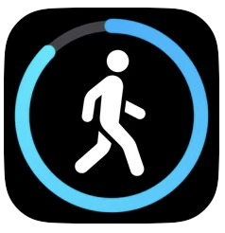 | https://play.google.com/store/apps/details?id=com.stepsappgmbh.stepsapp&pcampaignid=web_share
Asics Runkeeper Lauf-Tracker |  | https://play.google.com/store/apps/details?id=com.fitnesskeeper.runkeeper.pro&pcampaignid=web_share
WeightWatchers | 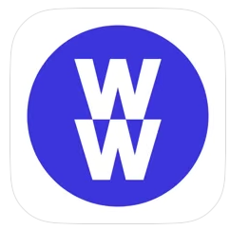 | https://play.google.com/store/apps/details?id=com.weightwatchers.mobile&pcampaignid=web_share
Noom: Gewicht & Health |  | https://play.google.com/store/apps/details?id=com.wsl.noom&pcampaignid=web_share
SIMPLE: dein Ernährungshelfer |  | https://play.google.com/store/apps/details?id=life.simple&pcampaignid=web_share
Fastic: Fasten & Essen Tracker | 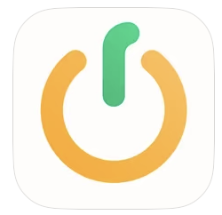 | https://play.google.com/store/apps/details?id=de.fastic.app&pcampaignid=web_share
Gymondo: Fitness & Yoga | 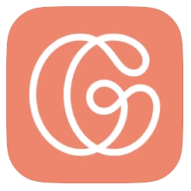 | https://play.google.com/store/apps/details?id=de.gymondo.app.gymondo&pcampaignid=web_share
Asana Rebel: Yoga und Fitness | 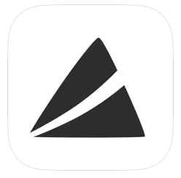 | https://play.google.com/store/apps/details?id=com.asanayoga.asanarebel&pcampaignid=web_share
Carb Manager–Keto Diet Tracker | 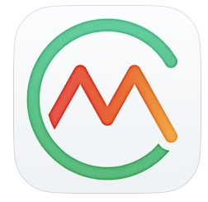 | https://play.google.com/store/apps/details?id=com.wombatapps.carbmanager&pcampaignid=web_share
Foodvisor - Ernährung & Diät | 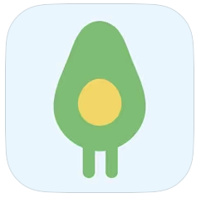 | https://play.google.com/store/apps/details?id=io.foodvisor.foodvisor&pcampaignid=web_share
Lose it! - Calorie Counter | 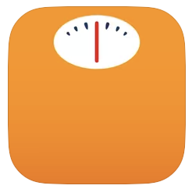 | https://play.google.com/store/apps/details?id=com.fitnow.loseit&pcampaignid=web_share
Sports Tracker |  | https://play.google.com/store/apps/details?id=com.stt.android&pcampaignid=web_share
Strava: Laufen & Radfahren | 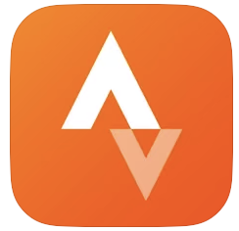 | https://play.google.com/store/apps/details?id=com.strava&pcampaignid=web_share
Seven: 7 Minuten Workout |  | https://play.google.com/store/apps/details?id=se.perigee.android.seven&pcampaignid=web_share
Fitify: Trainingsplan App | 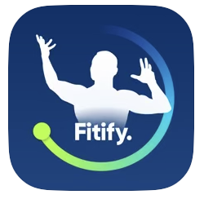 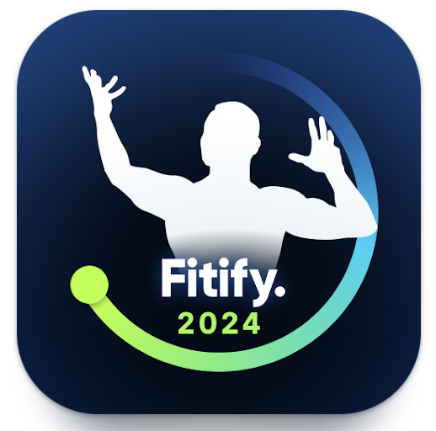 | https://play.google.com/store/apps/details?id=com.fitifyworkouts.bodyweight.workoutapp&pcampaignid=web_share
Hevy - Gym & Trainingstagebuch |   | https://play.google.com/store/apps/details?id=com.hevy&pcampaignid=web_share
Schrittzähler - Health , iStep | 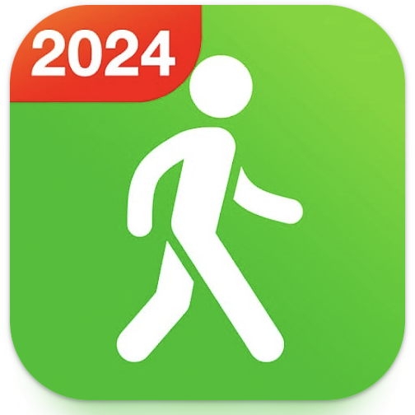 | https://play.google.com/store/apps/details?id=steptracker.healthandfitness.walkingtracker.pedometer&pcampaignid=web_share
Daylio Tagebuch & Gewohnheiten |  | https://play.google.com/store/apps/details?id=net.daylio&pcampaignid=web_share
Moodflow:Stimmungstagebuch | 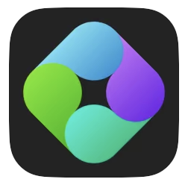 | https://play.google.com/store/apps/details?id=com.moodpixel&pcampaignid=web_share
Pixels Journaling: Mood Tracker | 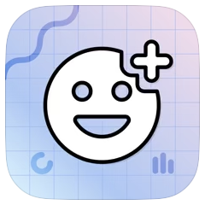 | https://play.google.com/store/apps/details?id=ar.teovogel.yip&pcampaignid=web_share
Mindshine: Mental Health Coach |  | https://play.google.com/store/apps/details?id=app.mindshine&pcampaignid=web_share
MyTherapy Tabletten Erinnerung | 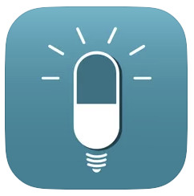 | https://play.google.com/store/apps/details?id=eu.smartpatient.mytherapy&pcampaignid=web_share
mediteo: Tabletten-Erinnerung | 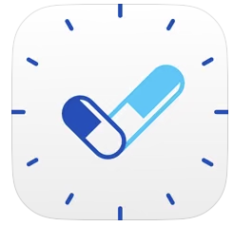 | https://play.google.com/store/apps/details?id=com.mediteo.mobile&pcampaignid=web_share
TOM - Medikamenten Manager |  | https://play.google.com/store/apps/details?id=ch.innovation6.tom.android&pcampaignid=web_share
Medikamentenerinnerung Max |  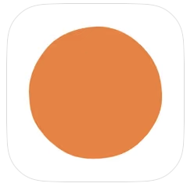 | https://play.google.com/store/apps/details?id=com.artifyapp.mcare&pcampaignid=web_share

