Charts Final
Exploratory Demographic Correlation Scatter Plots
Each section shows the exact participant-level data table next to its corresponding scatter plot. Quiz-score axes are capped at 100; markers at 100 remain visible. N = 18.

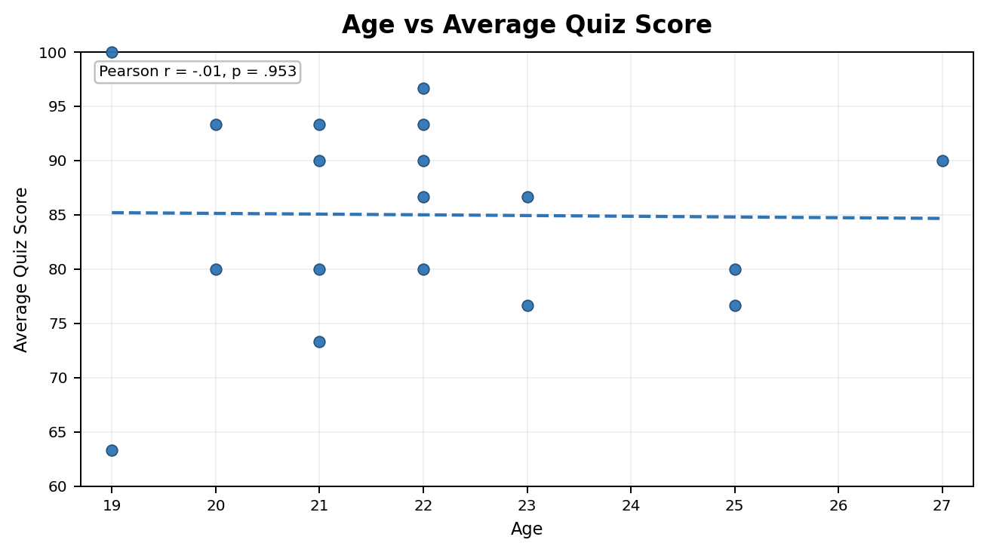
Age vs Average Quiz Score
Pearson r = -.01, p = .953
# | Age | Average quiz score
1 | 22.00 | 93.33
2 | 23.00 | 86.67
3 | 21.00 | 93.33
4 | 21.00 | 80.00
5 | 21.00 | 90.00
6 | 19.00 | 100.00
7 | 25.00 | 80.00
8 | 20.00 | 80.00
9 | 20.00 | 93.33
10 | 22.00 | 86.67
11 | 21.00 | 73.33
12 | 22.00 | 96.67
13 | 22.00 | 80.00
14 | 27.00 | 90.00
15 | 22.00 | 90.00
16 | 19.00 | 63.33
17 | 23.00 | 76.67
18 | 25.00 | 76.67

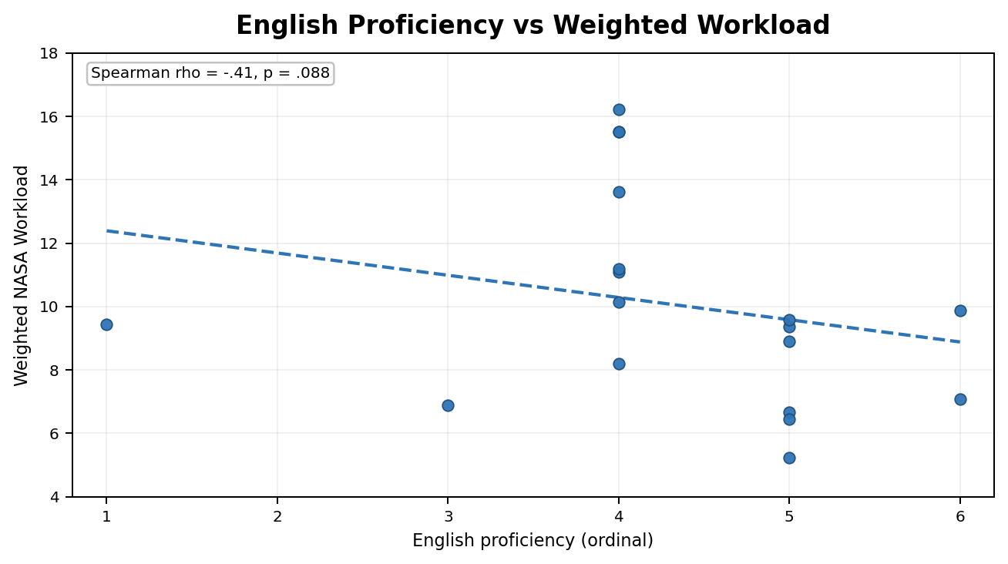
English Proficiency vs Weighted Workload
Spearman rho = -.41, p = .088
# | English proficiency (ordinal) | Weighted NASA workload
1 | 6.00 | 7.07
2 | 4.00 | 16.22
3 | 5.00 | 9.36
4 | 5.00 | 8.91
5 | 1.00 | 9.44
6 | 4.00 | 11.09
7 | 4.00 | 15.51
8 | 4.00 | 10.14
9 | 5.00 | 9.58
10 | 4.00 | 13.62
11 | 4.00 | 15.51
12 | 5.00 | 6.67
13 | 3.00 | 6.89
14 | 5.00 | 5.24
15 | 4.00 | 8.20
16 | 4.00 | 11.18
17 | 5.00 | 6.44
18 | 6.00 | 9.87

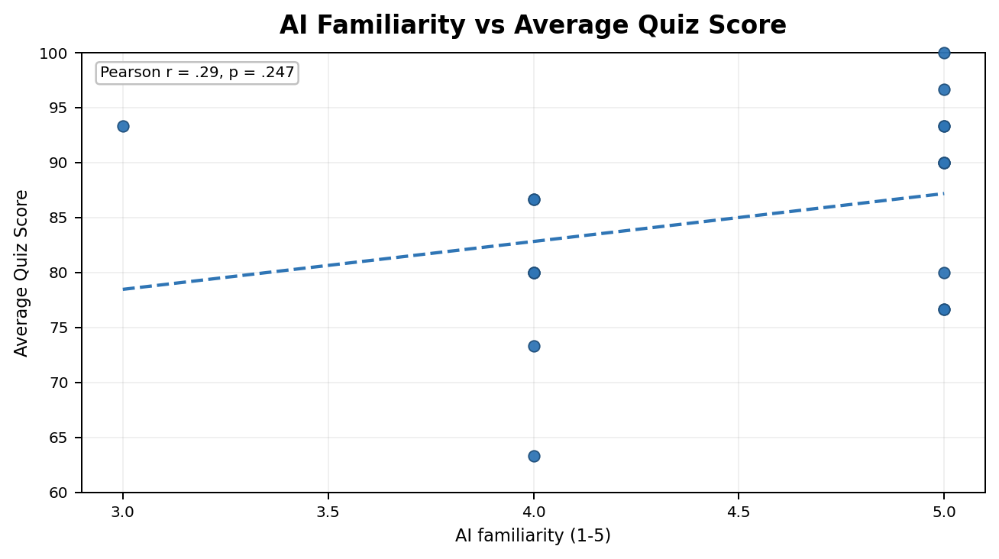
AI Familiarity vs Average Quiz Score
Pearson r = .29, p = .247
# | AI familiarity (1-5) | Average quiz score
1 | 5.00 | 93.33
2 | 4.00 | 86.67
3 | 5.00 | 93.33
4 | 4.00 | 80.00
5 | 5.00 | 90.00
6 | 5.00 | 100.00
7 | 5.00 | 80.00
8 | 4.00 | 80.00
9 | 3.00 | 93.33
10 | 4.00 | 86.67
11 | 4.00 | 73.33
12 | 5.00 | 96.67
13 | 4.00 | 80.00
14 | 5.00 | 90.00
15 | 5.00 | 90.00
16 | 4.00 | 63.33
17 | 5.00 | 76.67
18 | 5.00 | 76.67

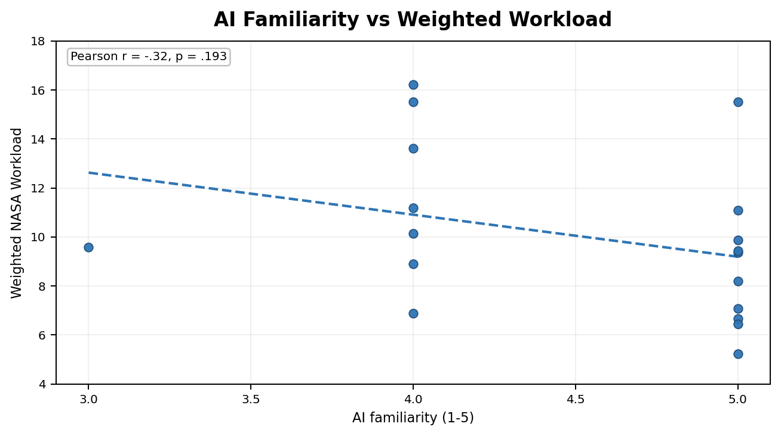
AI Familiarity vs Weighted Workload
Pearson r = -.32, p = .193
# | AI familiarity (1-5) | Weighted NASA workload
1 | 5.00 | 7.07
2 | 4.00 | 16.22
3 | 5.00 | 9.36
4 | 4.00 | 8.91
5 | 5.00 | 9.44
6 | 5.00 | 11.09
7 | 5.00 | 15.51
8 | 4.00 | 10.14
9 | 3.00 | 9.58
10 | 4.00 | 13.62
11 | 4.00 | 15.51
12 | 5.00 | 6.67
13 | 4.00 | 6.89
14 | 5.00 | 5.24
15 | 5.00 | 8.20
16 | 4.00 | 11.18
17 | 5.00 | 6.44
18 | 5.00 | 9.87

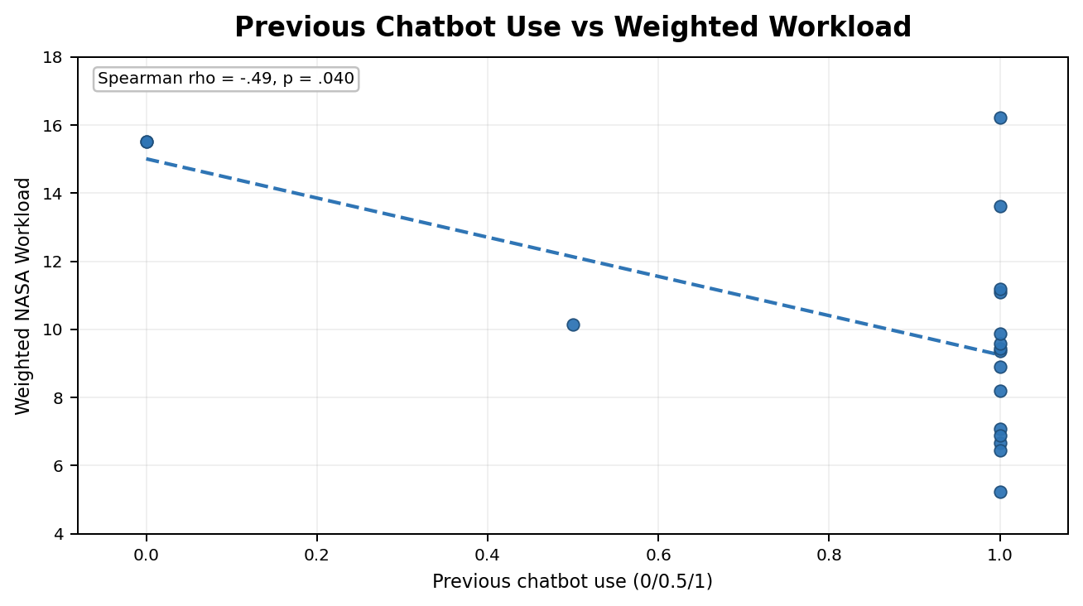
Previous Chatbot Use vs Weighted Workload
Spearman rho = -.49, p = .040
# | Previous chatbot use (0/0.5/1) | Weighted NASA workload
1 | 1.00 | 7.07
2 | 1.00 | 16.22
3 | 1.00 | 9.36
4 | 1.00 | 8.91
5 | 1.00 | 9.44
6 | 1.00 | 11.09
7 | 0.00 | 15.51
8 | 0.50 | 10.14
9 | 1.00 | 9.58
10 | 1.00 | 13.62
11 | 0.00 | 15.51
12 | 1.00 | 6.67
13 | 1.00 | 6.89
14 | 1.00 | 5.24
15 | 1.00 | 8.20
16 | 1.00 | 11.18
17 | 1.00 | 6.44
18 | 1.00 | 9.87

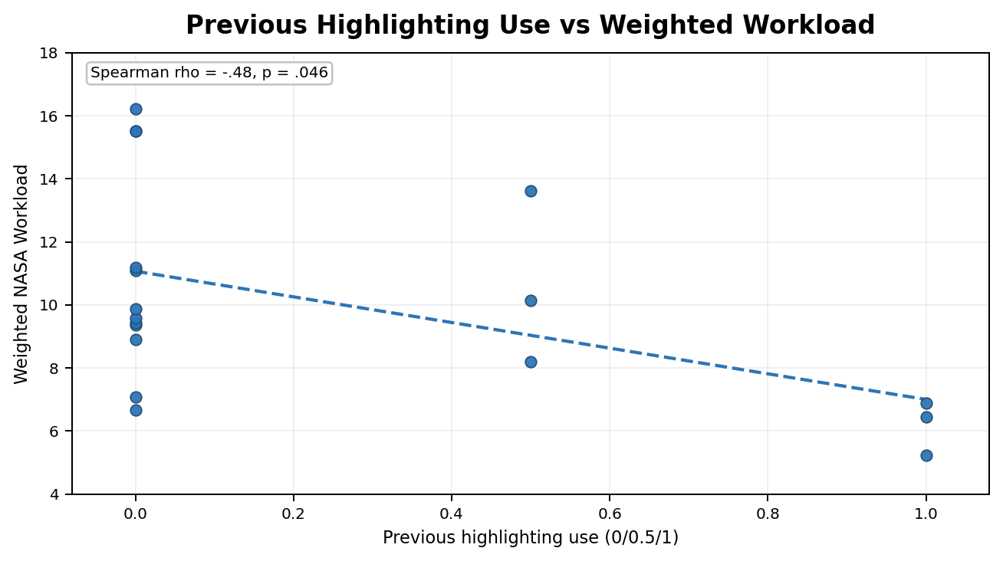
Previous Highlighting Use vs Weighted Workload
Spearman rho = -.48, p = .046
# | Previous highlighting use (0/0.5/1) | Weighted NASA workload
1 | 0.00 | 7.07
2 | 0.00 | 16.22
3 | 0.00 | 9.36
4 | 0.00 | 8.91
5 | 0.00 | 9.44
6 | 0.00 | 11.09
7 | 0.00 | 15.51
8 | 0.50 | 10.14
9 | 0.00 | 9.58
10 | 0.50 | 13.62
11 | 0.00 | 15.51
12 | 0.00 | 6.67
13 | 1.00 | 6.89
14 | 1.00 | 5.24
15 | 0.50 | 8.20
16 | 0.00 | 11.18
17 | 1.00 | 6.44
18 | 0.00 | 9.87

