🔗 Useful Links
🏞️ | 🛒 | ✉️ | 🔎 | 🖤 |  | 🕵️
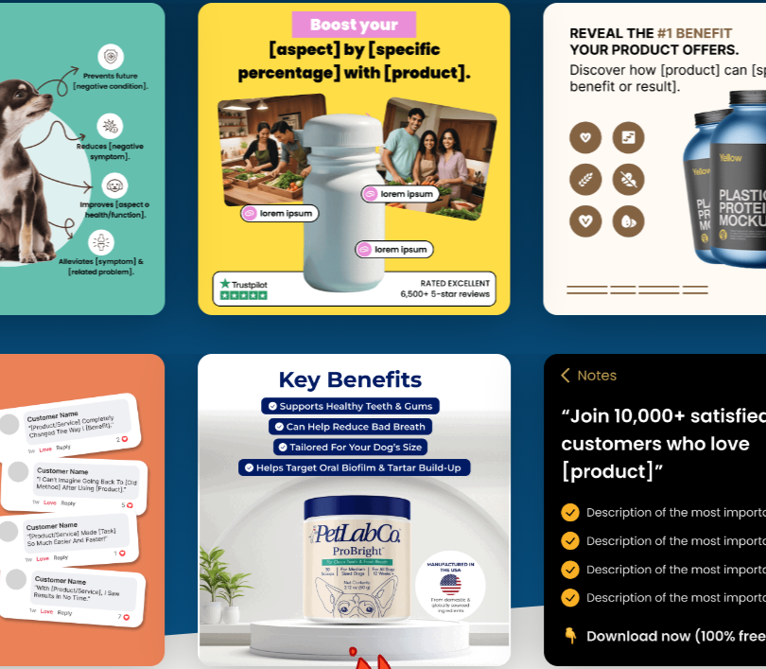 | 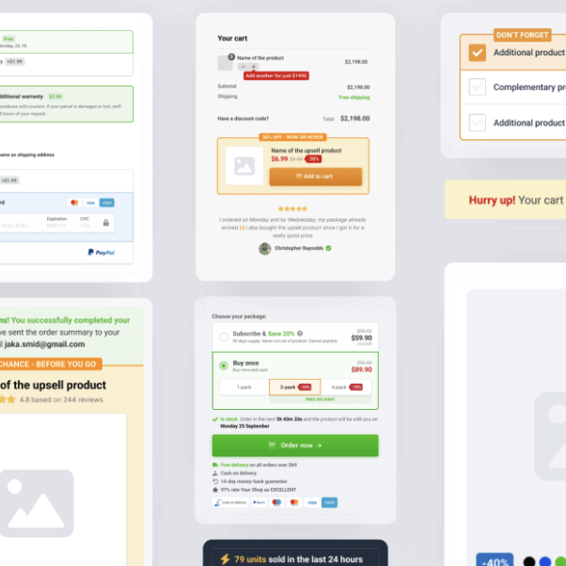 | 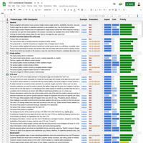 |  |  | 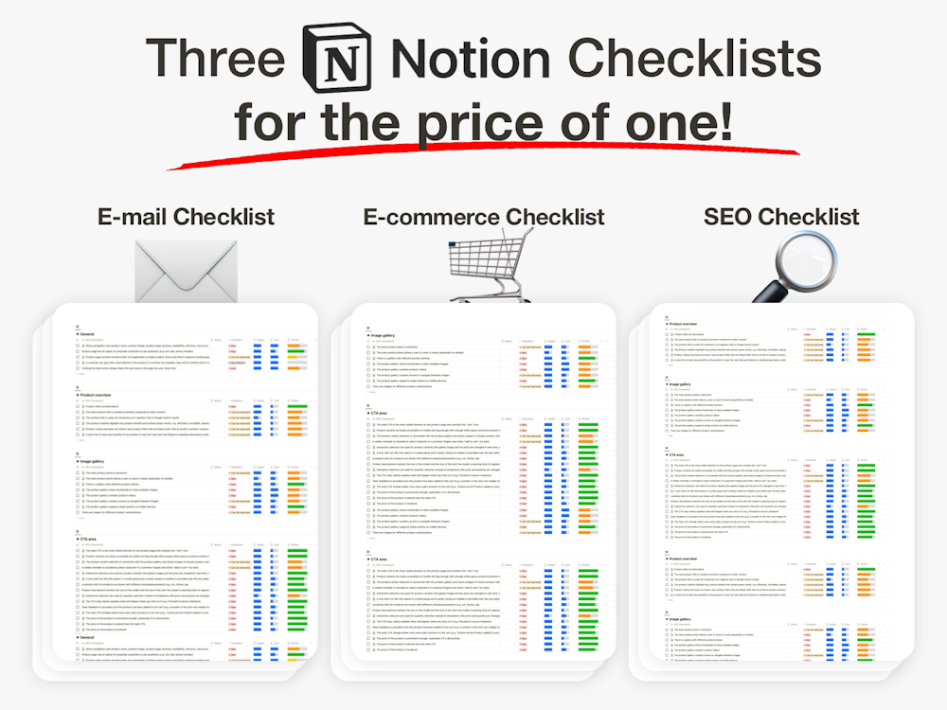 | 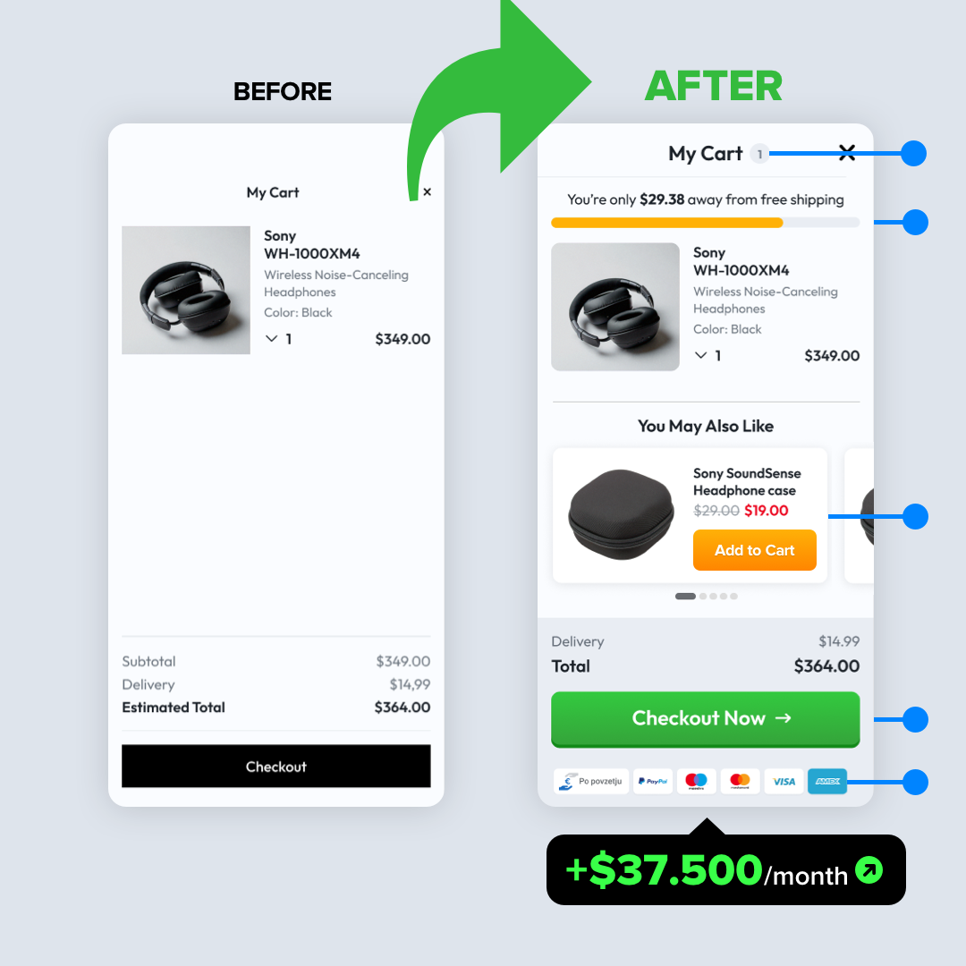

Facebook Ad Templates | E-commerce UI Template | The Ultimate Email Checklist | The Ultimate SEO Checklist | Black Friday 2024 Checklist | Notion Bundle (3 for 1) | Conversion Audit
$97 | $147 | $67 | $67 | $67 | $67 | $1490-$2490
30% OFF - VIP Coupon code: 4f56bc | 30% OFF - VIP Coupon code: fj1o3l | 30% OFF - VIP Coupon code: f2321 | 30% OFF - VIP Coupon code: v0j9ff | 30% OFF - VIP Coupon code: podk24 | 30% OFF - VIP Coupon code: bara59c
👉 Get it now | 👉 Get it now | 👉 Get it now | 👉 Get it now | 👉 Get it now | 👉 Get it now | 👉 Get it now

