per_subject_summary.csv
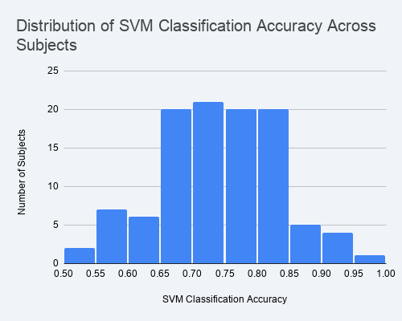
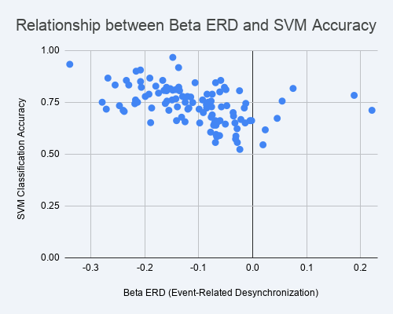
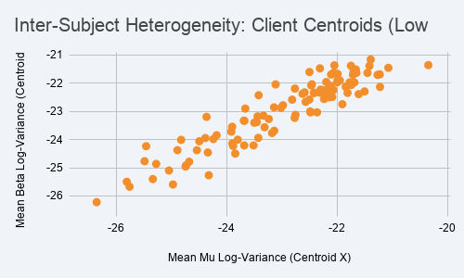
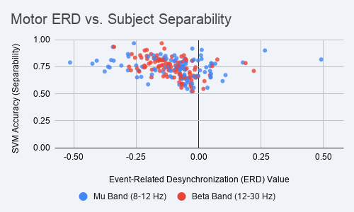
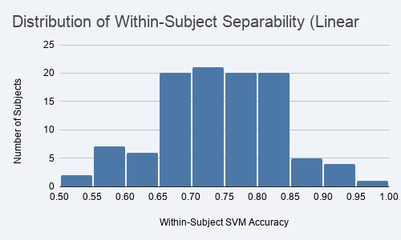
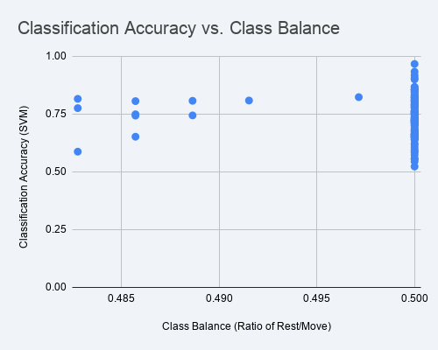
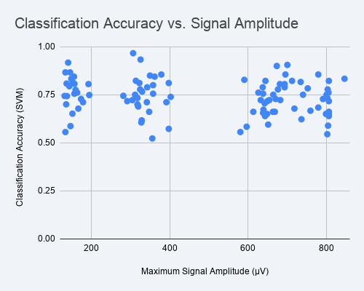
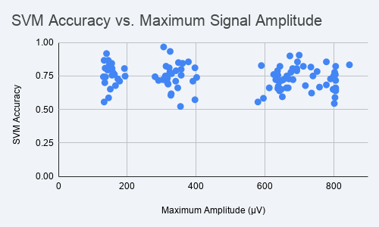
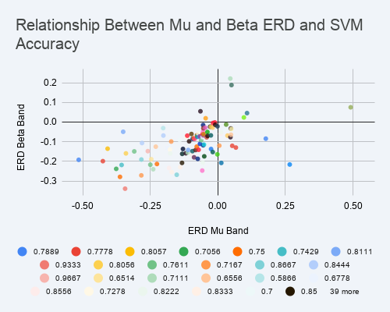

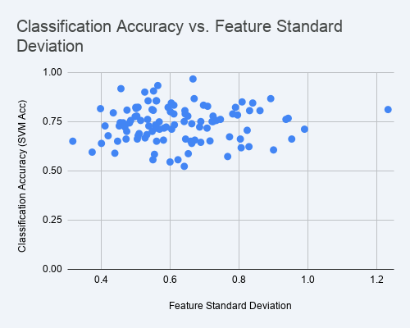
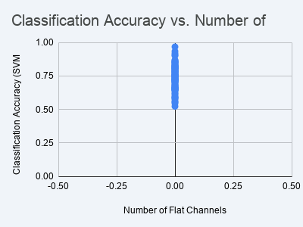
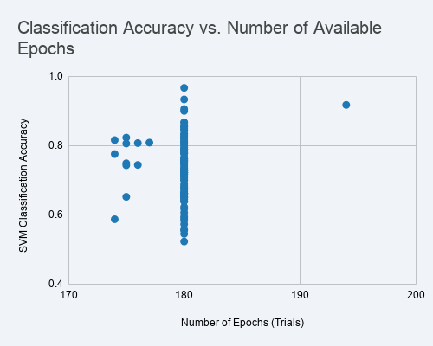
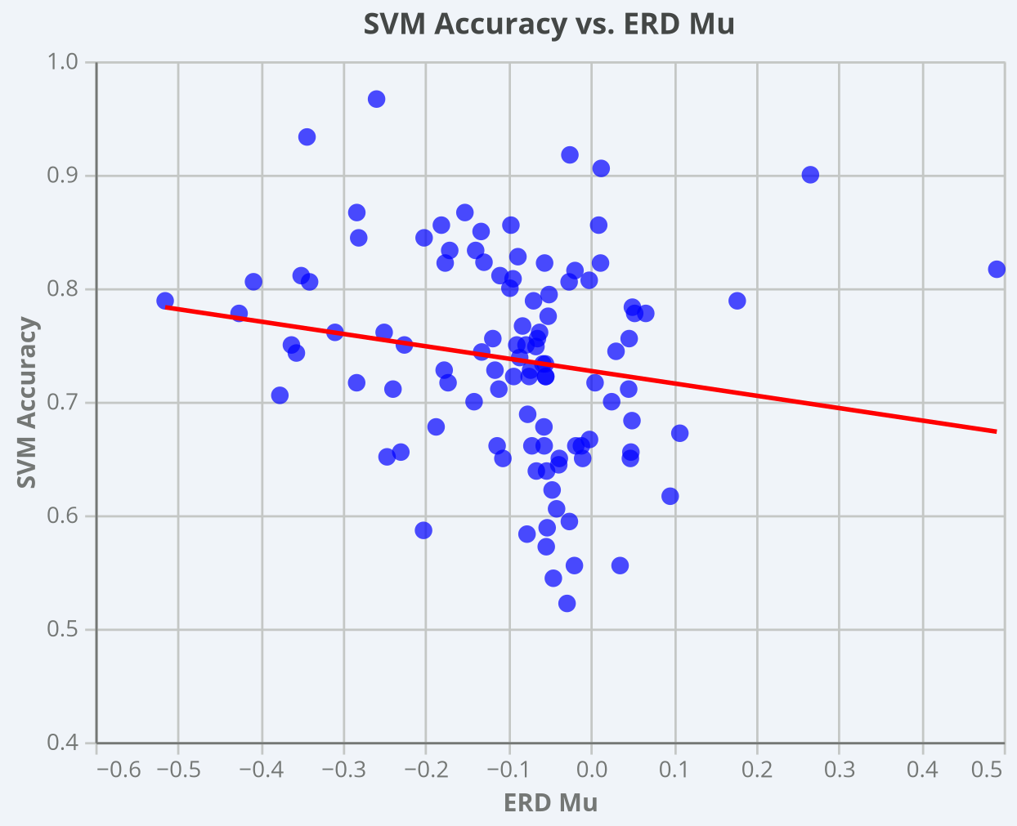
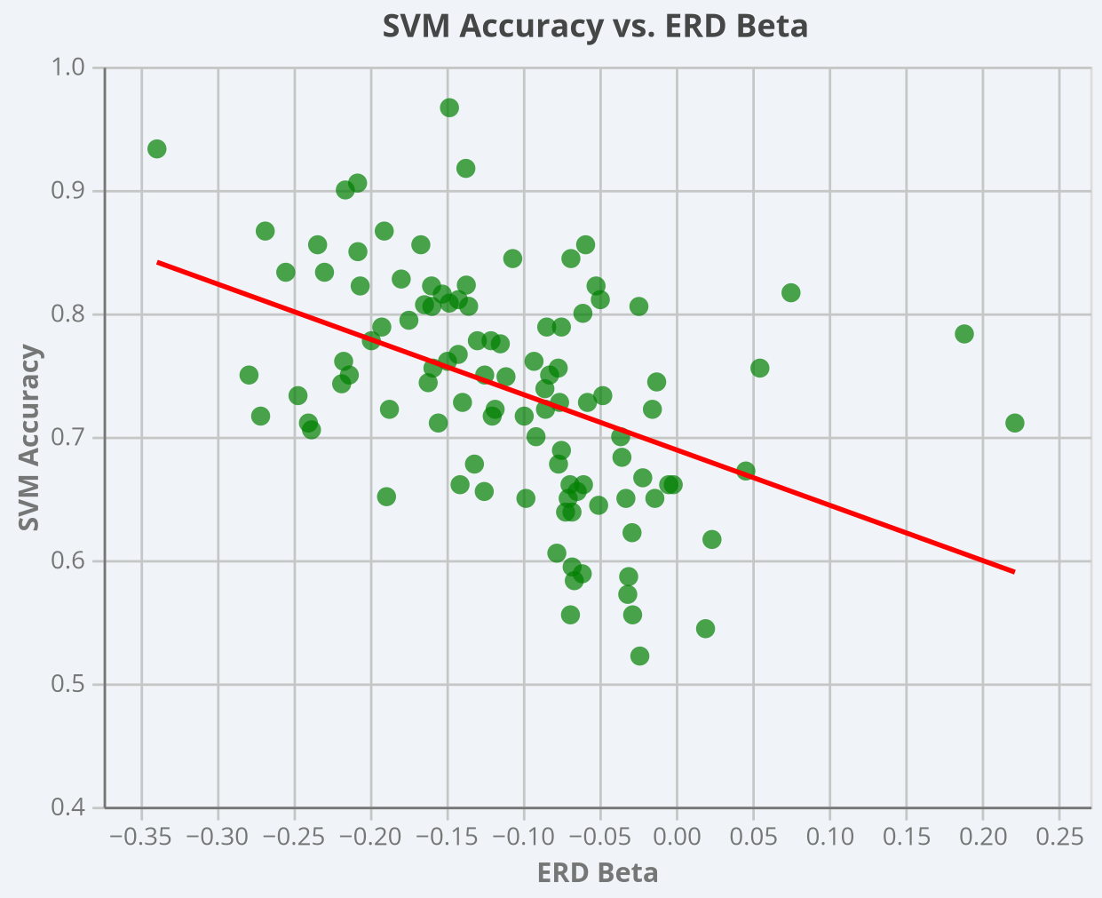
subject | n_epochs | n_rest | n_move | class_balance | svm_acc | erd_mu | erd_beta | mean_mu_logvar | mean_beta_logvar | feat_std | max_amp_uV | n_flat_ch | n_runs_used
S001 | 180 | 90 | 90 | 0.5 | 0.6611 | -0.1135 | -0.0693 | -22.3018 | -22.2307 | 0.4729 | 613 | 0 | 6
S002 | 180 | 90 | 90 | 0.5 | 0.8 | -0.098 | -0.0609 | -23.4417 | -23.179 | 0.6016 | 357 | 0 | 6
S003 | 180 | 90 | 90 | 0.5 | 0.6611 | -0.0114 | -0.0019 | -22.1294 | -22.2336 | 0.5055 | 668 | 0 | 6
S004 | 180 | 90 | 90 | 0.5 | 0.9667 | -0.2595 | -0.148 | -24.1845 | -23.8468 | 0.6672 | 306 | 0 | 6
S005 | 180 | 90 | 90 | 0.5 | 0.7333 | -0.0581 | -0.2469 | -23.6806 | -23.3359 | 0.6132 | 317 | 0 | 6
S006 | 180 | 90 | 90 | 0.5 | 0.6056 | -0.0415 | -0.0779 | -24.3671 | -23.1956 | 0.901 | 327 | 0 | 6
S007 | 180 | 90 | 90 | 0.5 | 0.85 | -0.1329 | -0.2078 | -22.3642 | -23.0341 | 0.8098 | 349 | 0 | 6
S008 | 180 | 90 | 90 | 0.5 | 0.7778 | 0.0531 | -0.1209 | -23.3149 | -23.5629 | 0.5041 | 324 | 0 | 6
S009 | 180 | 90 | 90 | 0.5 | 0.6222 | -0.0469 | -0.0288 | -22.3119 | -21.4734 | 0.8297 | 736 | 0 | 6
S010 | 180 | 90 | 90 | 0.5 | 0.5889 | -0.0529 | -0.0613 | -22.2728 | -22.3155 | 0.4403 | 804 | 0 | 6
S011 | 180 | 90 | 90 | 0.5 | 0.6889 | -0.0765 | -0.0749 | -24.3883 | -23.9457 | 0.5109 | 319 | 0 | 6
S012 | 180 | 90 | 90 | 0.5 | 0.7889 | -0.0694 | -0.0749 | -23.9175 | -23.7205 | 0.6445 | 342 | 0 | 6
S013 | 180 | 90 | 90 | 0.5 | 0.7611 | -0.3098 | -0.1493 | -22.0499 | -21.3679 | 0.9371 | 805 | 0 | 6
S014 | 180 | 90 | 90 | 0.5 | 0.8111 | -0.11 | -0.1422 | -22.4886 | -23.0021 | 0.5484 | 322 | 0 | 6
S015 | 180 | 90 | 90 | 0.5 | 0.8556 | -0.0968 | -0.1667 | -21.7499 | -21.3824 | 0.5602 | 779 | 0 | 6
S016 | 180 | 90 | 90 | 0.5 | 0.7222 | -0.0747 | -0.1872 | -23.2385 | -23.271 | 0.5893 | 304 | 0 | 6
S017 | 180 | 90 | 90 | 0.5 | 0.75 | -0.2258 | -0.2134 | -22.0641 | -21.6313 | 0.6899 | 800 | 0 | 6
S018 | 180 | 90 | 90 | 0.5 | 0.7 | -0.1414 | -0.0915 | -25.2792 | -24.8636 | 0.4748 | 135 | 0 | 6
S019 | 180 | 90 | 90 | 0.5 | 0.7778 | 0.0665 | -0.1298 | -22.7655 | -22.192 | 0.7254 | 803 | 0 | 6
S020 | 180 | 90 | 90 | 0.5 | 0.7944 | -0.0506 | -0.1745 | -25.3405 | -25.4017 | 0.4358 | 143 | 0 | 6
S021 | 180 | 90 | 90 | 0.5 | 0.7389 | -0.0862 | -0.0857 | -23.5018 | -23.402 | 0.6636 | 402 | 0 | 6
S022 | 180 | 90 | 90 | 0.5 | 0.8556 | 0.0095 | -0.0591 | -22.2752 | -22.2436 | 0.5368 | 695 | 0 | 6
S023 | 180 | 90 | 90 | 0.5 | 0.7167 | -0.2836 | -0.2713 | -21.9907 | -21.6712 | 0.708 | 649 | 0 | 6
S024 | 180 | 90 | 90 | 0.5 | 0.8111 | -0.3508 | -0.0495 | -23.4227 | -22.4272 | 1.2335 | 397 | 0 | 6
S025 | 180 | 90 | 90 | 0.5 | 0.8667 | -0.2834 | -0.1906 | -24.2435 | -23.9823 | 0.6706 | 145 | 0 | 6
S026 | 180 | 90 | 90 | 0.5 | 0.6778 | -0.0568 | -0.0768 | -24.8945 | -24.377 | 0.5078 | 166 | 0 | 6
S027 | 180 | 90 | 90 | 0.5 | 0.7778 | -0.426 | -0.199 | -22.2102 | -22.5153 | 0.6522 | 676 | 0 | 6
S028 | 180 | 90 | 90 | 0.5 | 0.8222 | -0.1764 | -0.1597 | -21.5032 | -22.2937 | 0.5949 | 712 | 0 | 6
S029 | 180 | 90 | 90 | 0.5 | 0.7611 | -0.2503 | -0.2171 | -23.8472 | -24.4975 | 0.7468 | 163 | 0 | 6
S030 | 180 | 90 | 90 | 0.5 | 0.7278 | -0.1161 | -0.0761 | -24.747 | -24.9575 | 0.4119 | 173 | 0 | 6
S031 | 180 | 90 | 90 | 0.5 | 0.75 | -0.0897 | -0.0826 | -21.905 | -22.7454 | 0.7226 | 311 | 0 | 6
S032 | 180 | 90 | 90 | 0.5 | 0.9 | 0.2659 | -0.216 | -22.4574 | -22.0394 | 0.5272 | 673 | 0 | 6
S033 | 180 | 90 | 90 | 0.5 | 0.9333 | -0.3437 | -0.339 | -23.9027 | -23.5461 | 0.565 | 325 | 0 | 6
S034 | 175 | 90 | 85 | 0.48571428571 | 0.8057 | -0.4085 | -0.1355 | -24.3266 | -25.2661 | 0.8617 | 192 | 0 | 6
S035 | 180 | 90 | 90 | 0.5 | 0.7111 | -0.2396 | -0.2401 | -23.6843 | -24.2077 | 0.6053 | 391 | 0 | 6
S036 | 180 | 90 | 90 | 0.5 | 0.7556 | 0.0464 | -0.077 | -21.6611 | -21.5133 | 0.5153 | 638 | 0 | 6
S037 | 175 | 90 | 85 | 0.48571428571 | 0.7486 | -0.0665 | -0.1111 | -25.4906 | -24.7685 | 0.5691 | 194 | 0 | 6
S038 | 180 | 90 | 90 | 0.5 | 0.5556 | 0.0354 | -0.069 | -22.8156 | -22.5843 | 0.6236 | 580 | 0 | 6
S039 | 180 | 90 | 90 | 0.5 | 0.7167 | 0.0051 | -0.1201 | -21.9994 | -21.9676 | 0.583 | 806 | 0 | 6
S040 | 180 | 90 | 90 | 0.5 | 0.5944 | -0.026 | -0.0679 | -23.337 | -23.151 | 0.3745 | 651 | 0 | 6
S041 | 176 | 90 | 86 | 0.48863636364 | 0.807 | -0.002 | -0.1643 | -25.0478 | -25.0983 | 0.5518 | 156 | 0 | 6
S042 | 180 | 90 | 90 | 0.5 | 0.8667 | -0.1525 | -0.2683 | -23.8995 | -24.1376 | 0.8929 | 133 | 0 | 6
S043 | 180 | 90 | 90 | 0.5 | 0.8222 | -0.056 | -0.2063 | -22.5898 | -22.3255 | 0.7905 | 806 | 0 | 6
S044 | 180 | 90 | 90 | 0.5 | 0.6611 | -0.0714 | -0.1411 | -21.2231 | -22.1338 | 0.9538 | 663 | 0 | 6
S045 | 180 | 90 | 90 | 0.5 | 0.9056 | 0.0125 | -0.208 | -22.1179 | -22.0903 | 0.5527 | 700 | 0 | 6
S046 | 180 | 90 | 90 | 0.5 | 0.8167 | 0.4916 | 0.075 | -22.1723 | -22.3896 | 0.5021 | 734 | 0 | 6
S047 | 180 | 90 | 90 | 0.5 | 0.5556 | -0.0199 | -0.0284 | -24.3435 | -24.4588 | 0.5509 | 133 | 0 | 6
S048 | 180 | 90 | 90 | 0.5 | 0.8056 | -0.3406 | -0.1595 | -20.3475 | -21.3593 | 0.8315 | 693 | 0 | 6
S049 | 180 | 90 | 90 | 0.5 | 0.8278 | -0.0883 | -0.1795 | -22.5018 | -21.6038 | 0.7097 | 590 | 0 | 6
S050 | 180 | 90 | 90 | 0.5 | 0.7444 | 0.0305 | -0.0127 | -23.6906 | -23.3298 | 0.4558 | 281 | 0 | 6
S051 | 177 | 90 | 87 | 0.49152542373 | 0.8083 | -0.0942 | -0.1481 | -26.3584 | -26.2204 | 0.4756 | 136 | 0 | 6
S052 | 180 | 90 | 90 | 0.5 | 0.7056 | -0.3766 | -0.2381 | -21.8112 | -22.3441 | 0.8245 | 642 | 0 | 6
S053 | 180 | 90 | 90 | 0.5 | 0.7222 | -0.0548 | -0.0155 | -22.1096 | -21.6934 | 0.6865 | 632 | 0 | 6
S054 | 180 | 90 | 90 | 0.5 | 0.7889 | -0.5155 | -0.1922 | -21.6098 | -22.389 | 0.7826 | 693 | 0 | 6
S055 | 180 | 90 | 90 | 0.5 | 0.8333 | -0.1395 | -0.2296 | -24.9754 | -25.5932 | 0.6117 | 148 | 0 | 6
S056 | 180 | 90 | 90 | 0.5 | 0.8056 | -0.0263 | -0.0243 | -21.0716 | -21.455 | 0.6437 | 681 | 0 | 6
S057 | 180 | 90 | 90 | 0.5 | 0.7889 | 0.1773 | -0.0845 | -22.4679 | -22.0816 | 0.6117 | 637 | 0 | 6
S058 | 180 | 90 | 90 | 0.5 | 0.7556 | -0.0647 | 0.0547 | -23.1149 | -22.0438 | 0.7348 | 357 | 0 | 6
S059 | 180 | 90 | 90 | 0.5 | 0.7278 | -0.073 | -0.0579 | -22.1952 | -22.2404 | 0.4531 | 791 | 0 | 6
S060 | 180 | 90 | 90 | 0.5 | 0.75 | -0.0785 | -0.125 | -22.1964 | -21.9568 | 0.6416 | 740 | 0 | 6
S061 | 180 | 90 | 90 | 0.5 | 0.6667 | -0.0016 | -0.0218 | -21.4504 | -21.6348 | 0.528 | 759 | 0 | 6
S062 | 180 | 90 | 90 | 0.5 | 0.8444 | -0.2811 | -0.1067 | -23.4291 | -23.9388 | 0.6042 | 361 | 0 | 6
S063 | 180 | 90 | 90 | 0.5 | 0.6611 | -0.0565 | -0.0605 | -23.6652 | -22.9012 | 0.6457 | 347 | 0 | 6
S064 | 176 | 90 | 86 | 0.48863636364 | 0.7438 | -0.1322 | -0.1619 | -24.7391 | -24.9165 | 0.4644 | 131 | 0 | 6
S065 | 180 | 90 | 90 | 0.5 | 0.7611 | -0.0621 | -0.0928 | -22.1429 | -22.4989 | 0.5354 | 626 | 0 | 6
S066 | 180 | 90 | 90 | 0.5 | 0.6167 | 0.0961 | 0.0234 | -22.7699 | -23.2301 | 0.8071 | 328 | 0 | 6
S067 | 180 | 90 | 90 | 0.5 | 0.7111 | 0.0458 | 0.2212 | -25.4618 | -24.2348 | 0.991 | 178 | 0 | 6
S068 | 180 | 90 | 90 | 0.5 | 0.8222 | 0.0117 | -0.0523 | -22.4192 | -22.3346 | 0.5011 | 644 | 0 | 6
S069 | 180 | 90 | 90 | 0.5 | 0.8556 | -0.181 | -0.2341 | -23.1435 | -22.8578 | 0.5614 | 378 | 0 | 6
S070 | 180 | 90 | 90 | 0.5 | 0.6833 | 0.0498 | -0.0354 | -21.7456 | -22.0651 | 0.5331 | 779 | 0 | 6
S071 | 180 | 90 | 90 | 0.5 | 0.65 | 0.0479 | -0.0328 | -22.4194 | -22.3504 | 0.4483 | 648 | 0 | 6
S072 | 175 | 90 | 85 | 0.48571428571 | 0.7429 | -0.3566 | -0.2184 | -25.7616 | -25.6728 | 0.4827 | 137 | 0 | 6
S073 | 174 | 90 | 84 | 0.48275862069 | 0.7753 | -0.0517 | -0.1148 | -24.5416 | -24.3782 | 0.4992 | 159 | 0 | 6
S074 | 175 | 90 | 85 | 0.48571428571 | 0.6514 | -0.2468 | -0.1891 | -24.4981 | -24.0598 | 0.7165 | 151 | 0 | 6
S075 | 180 | 90 | 90 | 0.5 | 0.65 | -0.1065 | -0.0981 | -21.2274 | -21.6869 | 0.6609 | 799 | 0 | 6
S076 | 174 | 90 | 84 | 0.48275862069 | 0.5866 | -0.2026 | -0.031 | -24.8272 | -24.0098 | 0.6535 | 146 | 0 | 6
S077 | 180 | 90 | 90 | 0.5 | 0.6778 | -0.1874 | -0.1317 | -21.8449 | -22.1266 | 0.4208 | 718 | 0 | 6
S078 | 180 | 90 | 90 | 0.5 | 0.5222 | -0.0288 | -0.0237 | -23.1795 | -23.7679 | 0.6419 | 355 | 0 | 6
S079 | 180 | 90 | 90 | 0.5 | 0.6611 | -0.0182 | -0.0049 | -21.7127 | -21.7038 | 0.8047 | 806 | 0 | 6
S080 | 180 | 90 | 90 | 0.5 | 0.7222 | -0.0545 | -0.1182 | -23.0171 | -22.8747 | 0.4695 | 654 | 0 | 6
S081 | 180 | 90 | 90 | 0.5 | 0.7556 | -0.1187 | -0.1588 | -23.8852 | -24.2275 | 0.4863 | 156 | 0 | 6
S082 | 180 | 90 | 90 | 0.5 | 0.7 | 0.0252 | -0.0362 | -22.4823 | -23.0357 | 0.5487 | 317 | 0 | 6
S083 | 180 | 90 | 90 | 0.5 | 0.75 | -0.3626 | -0.2789 | -21.95 | -21.9044 | 0.7253 | 664 | 0 | 6
S084 | 180 | 90 | 90 | 0.5 | 0.65 | -0.0099 | -0.0139 | -22.2375 | -22.5601 | 0.5615 | 806 | 0 | 6
S085 | 180 | 90 | 90 | 0.5 | 0.7111 | -0.1114 | -0.1553 | -23.456 | -23.3825 | 0.5701 | 341 | 0 | 6
S086 | 180 | 90 | 90 | 0.5 | 0.7833 | 0.0503 | 0.1882 | -22.5711 | -22.6613 | 0.7965 | 752 | 0 | 6
S087 | 180 | 90 | 90 | 0.5 | 0.5833 | -0.0773 | -0.0665 | -21.989 | -21.8658 | 0.5553 | 596 | 0 | 6
S089 | 194 | 97 | 97 | 0.5 | 0.9175 | -0.0254 | -0.1373 | -25.8126 | -25.4982 | 0.458 | 140 | 0 | 6
S090 | 180 | 90 | 90 | 0.5 | 0.7278 | -0.1776 | -0.1395 | -22.0663 | -22.2419 | 0.5389 | 670 | 0 | 6
S091 | 180 | 90 | 90 | 0.5 | 0.7222 | -0.0934 | -0.0853 | -21.7042 | -21.601 | 0.5583 | 682 | 0 | 6
S093 | 180 | 90 | 90 | 0.5 | 0.7167 | -0.1729 | -0.0992 | -23.8017 | -24.0044 | 0.5597 | 291 | 0 | 6
S094 | 180 | 90 | 90 | 0.5 | 0.8333 | -0.1709 | -0.2549 | -21.7736 | -21.9703 | 0.6977 | 846 | 0 | 6
S095 | 180 | 90 | 90 | 0.5 | 0.65 | -0.0382 | -0.0705 | -21.4146 | -21.3866 | 0.3182 | 799 | 0 | 6
S096 | 180 | 90 | 90 | 0.5 | 0.7333 | -0.055 | -0.0479 | -21.6517 | -21.6341 | 0.5585 | 802 | 0 | 6
S097 | 180 | 90 | 90 | 0.5 | 0.6722 | 0.1078 | 0.0455 | -22.5036 | -22.5807 | 0.7733 | 639 | 0 | 6
S098 | 180 | 90 | 90 | 0.5 | 0.8444 | -0.2019 | -0.0687 | -23.5151 | -24.2074 | 0.8406 | 155 | 0 | 6
S099 | 180 | 90 | 90 | 0.5 | 0.6389 | -0.066 | -0.0722 | -21.3915 | -21.1613 | 0.6636 | 806 | 0 | 6
S101 | 180 | 90 | 90 | 0.5 | 0.6389 | -0.0536 | -0.068 | -22.6282 | -22.3781 | 0.4014 | 643 | 0 | 6
S102 | 174 | 90 | 84 | 0.48275862069 | 0.8156 | -0.0192 | -0.1527 | -24.682 | -24.786 | 0.3987 | 152 | 0 | 6
S103 | 180 | 90 | 90 | 0.5 | 0.6556 | 0.0485 | -0.0646 | -21.2666 | -21.7054 | 0.5815 | 805 | 0 | 6
S104 | 175 | 88 | 87 | 0.49714285714 | 0.8229 | -0.1294 | -0.137 | -22.7558 | -23.1241 | 0.5077 | 313 | 0 | 6
S105 | 180 | 90 | 90 | 0.5 | 0.7667 | -0.0827 | -0.1423 | -23.14 | -23.6873 | 0.9436 | 329 | 0 | 6
S106 | 180 | 90 | 90 | 0.5 | 0.6556 | -0.2301 | -0.1253 | -22.0901 | -22.4904 | 0.6725 | 638 | 0 | 6
S107 | 180 | 90 | 90 | 0.5 | 0.5444 | -0.0454 | 0.0192 | -21.6883 | -21.9746 | 0.6006 | 802 | 0 | 6
S108 | 180 | 90 | 90 | 0.5 | 0.6444 | -0.0389 | -0.0506 | -22.319 | -22.3351 | 0.6898 | 805 | 0 | 6
S109 | 180 | 90 | 90 | 0.5 | 0.5722 | -0.054 | -0.0316 | -22.9819 | -22.7837 | 0.7679 | 397 | 0 | 6

