Question-1
 | mean | standard deviation | size
Girls | 89 | 4 | 50
Boys | 82 | 9 | 120
 |  |  |  | DF | = | 144.5
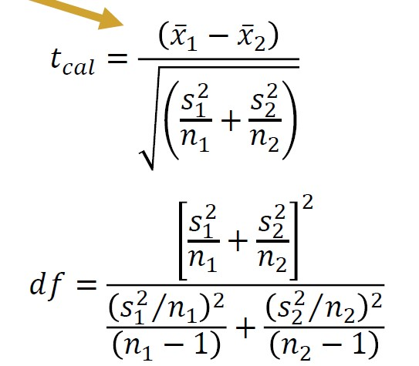

 |  |  |  | t sta | = | 5.89

