Decile Analysis
Data for Validation Data set |  |  |  |  |  | Data for Development Data set
Groups | count | Avg_ln_totalcreditspend | Pred_Avg_lntotalcreditspend | Avg_totspent | Pred_Avg_totspent | Groups | count | Avg_ln_totalcreditspend | Pred_Avg_ln_totalcreditspend | Avg_totcreditspend | Pred_Avg_creditspend
1 | 100 | 3.638 | 3.667 | 38.015729185 | 39.1343266 | 1 | 400 | 3.572 | 3.623 | 35.587697418 | 37.449748713
2 | 100 | 4.453 | 4.35 | 85.884210541 | 77.478462925 | 2 | 400 | 4.281 | 4.311 | 72.31271658 | 74.514966662
3 | 100 | 5.023 | 4.9 | 151.86621974 | 134.28977968 | 3 | 400 | 4.845 | 4.905 | 127.10328199 | 134.96291001
4 | 100 | 5.414 | 5.397 | 224.52790547 | 220.74319229 | 4 | 400 | 5.278 | 5.34 | 195.97752808 | 208.51271029
5 | 100 | 5.644 | 5.628 | 282.59082406 | 278.10535035 | 5 | 400 | 5.564 | 5.589 | 260.86420903 | 267.46801792
6 | 100 | 5.838 | 5.807 | 343.09246908 | 332.61976808 | 6 | 400 | 5.734 | 5.779 | 309.20361249 | 323.43559305
7 | 100 | 5.951 | 5.85 | 384.13728434 | 347.23438048 | 7 | 400 | 5.955 | 5.939 | 385.67691068 | 379.55518451
8 | 100 | 6.045 | 6.056 | 421.99775748 | 426.66535755 | 8 | 400 | 6.117 | 6.091 | 453.50214526 | 441.86305334
9 | 100 | 6.226 | 6.216 | 505.7285182 | 500.69643536 | 9 | 400 | 6.327 | 6.268 | 559.47564675 | 527.42147937
10 | 100 | 6.493 | 6.552 | 660.50189963 | 700.64406158 | 10 | 400 | 6.804 | 6.633 | 901.44587318 | 759.75802923

Validation Data
Development Data

Graphical Representation
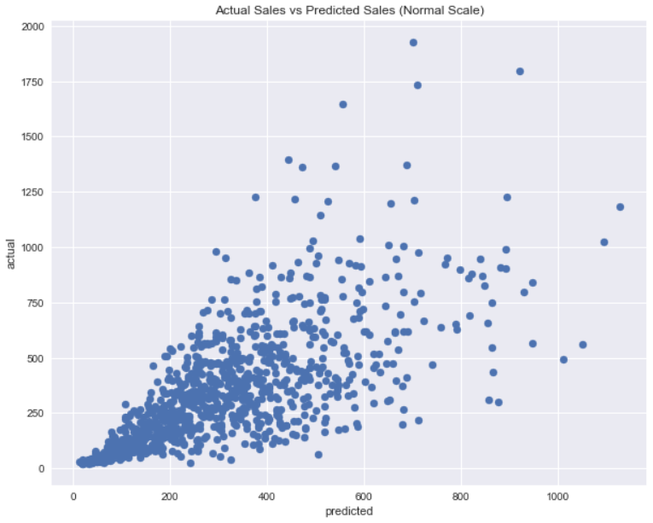
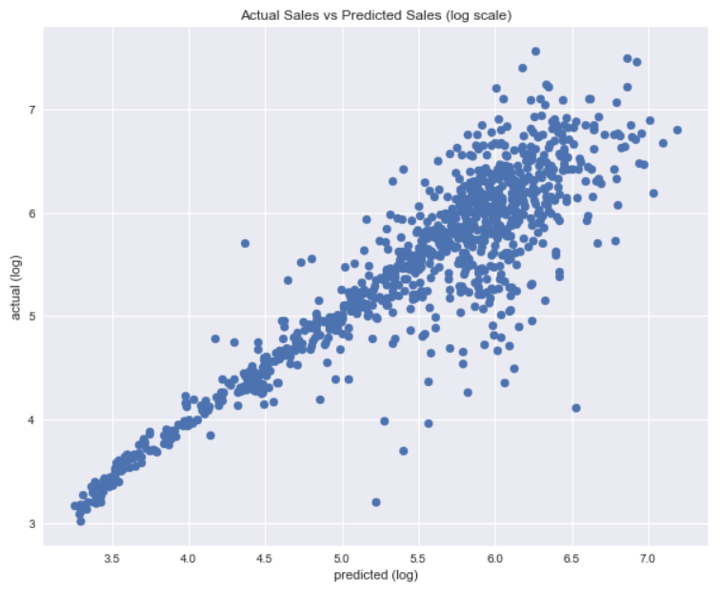

Drivers
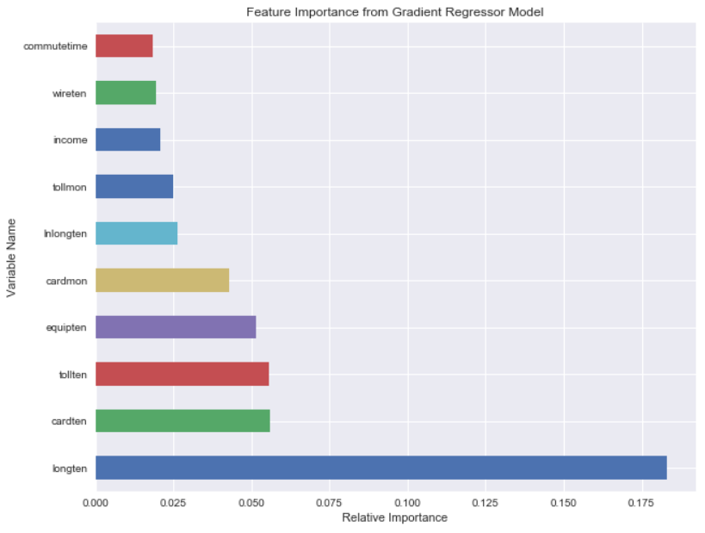
Following are the driving factors that influence the card spent amount

