costing
Date | 2024-01-30 | Photo |  | Product Size Inches
Verson | 1.00 | Internal structure | Final product | D | W | H | Seat Height | Seat Width
Code |  | 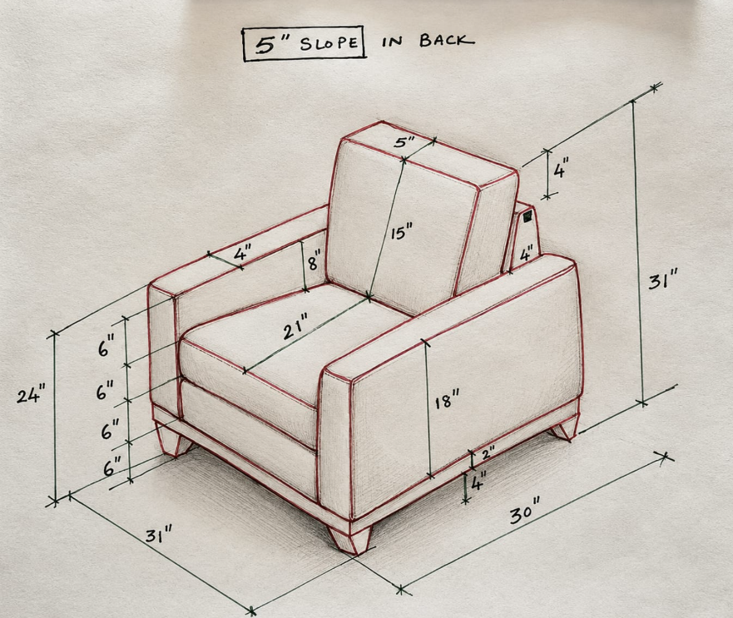 |  | 30.00 | 31.00 | 31.00
Buyer | DF 24
...

