NOTE
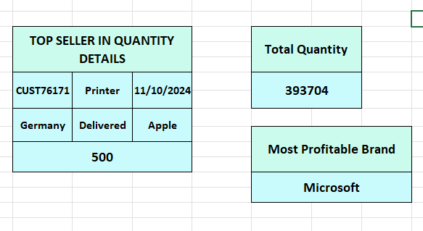
How to work this excel sheet and many more
 |  |  |  |  | If you more information click this box

Main_sheet:- This sheet is the main part of project .The main sheet is connect with the "data cleaning question and after data cleaning" sheets. If you change data in the main sheet, the data will always be auto-changed in two sheet. | Data cleaning Question:- This question sheet basically identify the question or queries in this section of sheet. It's coverd a main formula of adv. Excel After Data cleaning:-This sheet show a clean data | Data Transformation:- After data cleaning is a transform into text ,no, date format. It add a (Total Revenue and Profit), find a Customer details using vlookup formula, and many more to add in this section | Data Analysis Using Pivot Table:- This sheet show a pivot table for analysis a data and it is a easy to used

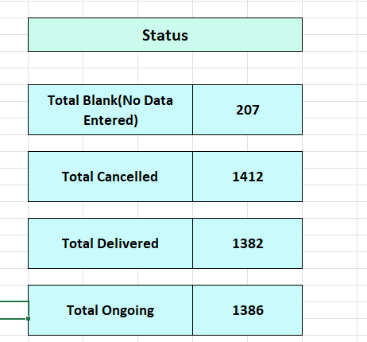

 |  |  |  |  |  |  | This section is find a status of delivery

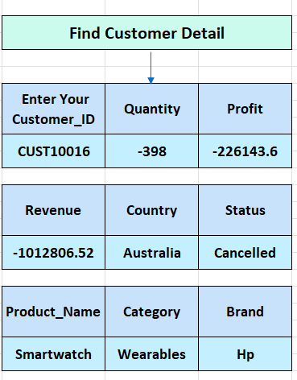

 |  |  |  | This section is find a cutomer info.

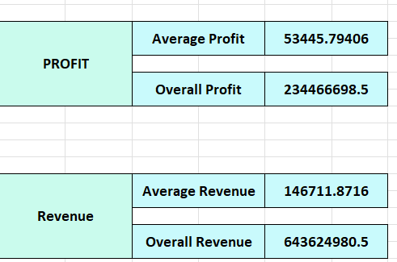
 |  |  |  |  |  | This 3 section is same It is find a total

