Responsive testing
Responsive Testing Login Functionality Site: https://web.whatsapp.com Date: 20/03/25 Prepared by: Nishi Patel

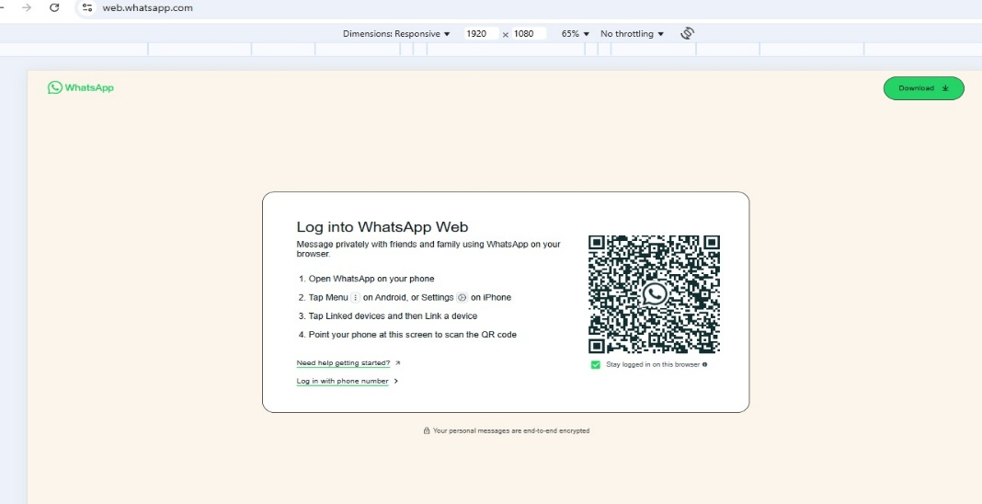
Functionality ID | Functionality Name | Screen Resolution | Screen Shot | Status
 |  |  |  | Pass
1 | Verify to check the whatsapp web page whether the screen is user friendly or not

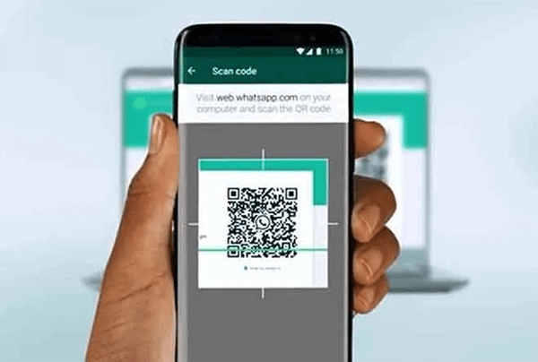
2 | verify to check the whatsapp web scan to mobile phones |  |  | Pass

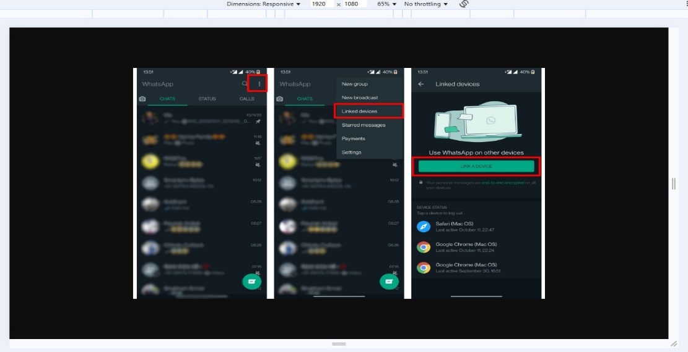
3 | verify to check link device in whatsapp web |  |  | Pass

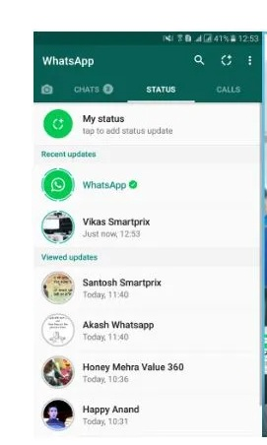
4 | verify to check open status in whatsapp web.
 |  |  |  | Pass


5 | Verify to check who check status check properly

 |  |  |  | Pass

