StockReturns
Date | ATT | ATT.PctChg.1 | Microsoft | Microsoft.PctChg.1 | Nordstrom | Nordstrom.PctChg.1 | SP_500 | SP_500.PctChg.1
2010-04-01 | 20.12 |  | 35.18 |  | 37.34 |  | 1186.69
2010-05-03 | 18.76 | -6.76% | 34.61 | -1.62% | 36.05 | -3.45% | 1089.41 | -8.20%
This file and the free Excel add-in which produced the analysis can be downloaded from https://regressit.com.
The original dataset consisted of five years of monthly adjusted closing prices for 3 stocks and the S&P 500 index. Adjusted closing prices are corrected for dividends and stock splits in order to show real changes in value. Their histories can be downloaded from web sites such as Yahoo Finance.
Here the percent-change-from-1-period-ago transformation in RegressIt has been applied to all 4 variables in order to compute monthly percentage returns. Standarized variable names of the form "X.PCtChg.1" are assigned automatically .
According to the Capital Asset Pricing Model (CAPM), the slope coefficient ("beta") in a simple regression of the excess return on the stock vs. the excess return on the market is a measure of the relative risk of the stock. ("Excess" return means the difference between the actual return and the risk free rate, but the risk free rate has been so close to zero in recent years that it can be ignored for the purposes of this exercise.) Stocks with higher betas are relatively more risky and therefore should be expected to have higher expected returns in an efficient market.
2010-06-01 | 18.67 | -0.48% | 33.89 | -2.08% | 29.23 | -18.92% | 1030.71 | -5.39%
2010-07-01 | 20.37 | 9.11% | 34.66 | 2.27% | 30.88 | 5.64% | 1101.6 | 6.88%
2010-08-02 | 21.23 | 4.22% | 32.76 | -5.48% | 26.44 | -14.38% | 1049.33 | -4.74%
2010-09-01 | 22.46 | 5.79% | 38.24 | 16.73% | 34.01 | 28.63% | 1141.2 | 8.76%
2010-10-01 | 22.73 | 1.20% | 40.56 | 6.07% | 35.21 | 3.53% | 1183.26 | 3.69%
2010-11-01 | 22.14 | -2.60% | 41.93 | 3.38% | 39.31 | 11.64% | 1180.55 | -0.23%
2010-12-01 | 23.41 | 5.74% | 43.47 | 3.67% | 38.92 | -0.99% | 1257.64 | 6.53%
2011-01-03 | 22.25 | -4.96% | 45.72 | 5.18% | 37.82 | -2.83% | 1286.12 | 2.26%
2011-02-01 | 22.94 | 3.10% | 47.6 | 4.11% | 41.57 | 9.92% | 1327.22 | 3.20%
2011-03-01 | 24.75 | 7.89% | 46.96 | -1.34% | 41.43 | -0.34% | 1325.83 | -0.10%
2011-04-01 | 25.52 | 3.11% | 47.18 | 0.47% | 43.9 | 5.96% | 1363.61 | 2.85%
2011-05-02 | 25.88 | 1.41% | 46.87 | -0.66% | 43.45 | -1.03% | 1345.2 | -1.35%
2011-06-01 | 25.75 | -0.50% | 45.23 | -3.50% | 43.55 | 0.23% | 1320.64 | -1.83%
2011-07-01 | 24.32 | -5.55% | 52.62 | 16.34% | 46.54 | 6.87% | 1292.28 | -2.15%
2011-08-01 | 23.67 | -2.67% | 51.86 | -1.44% | 42.18 | -9.37% | 1218.89 | -5.68%
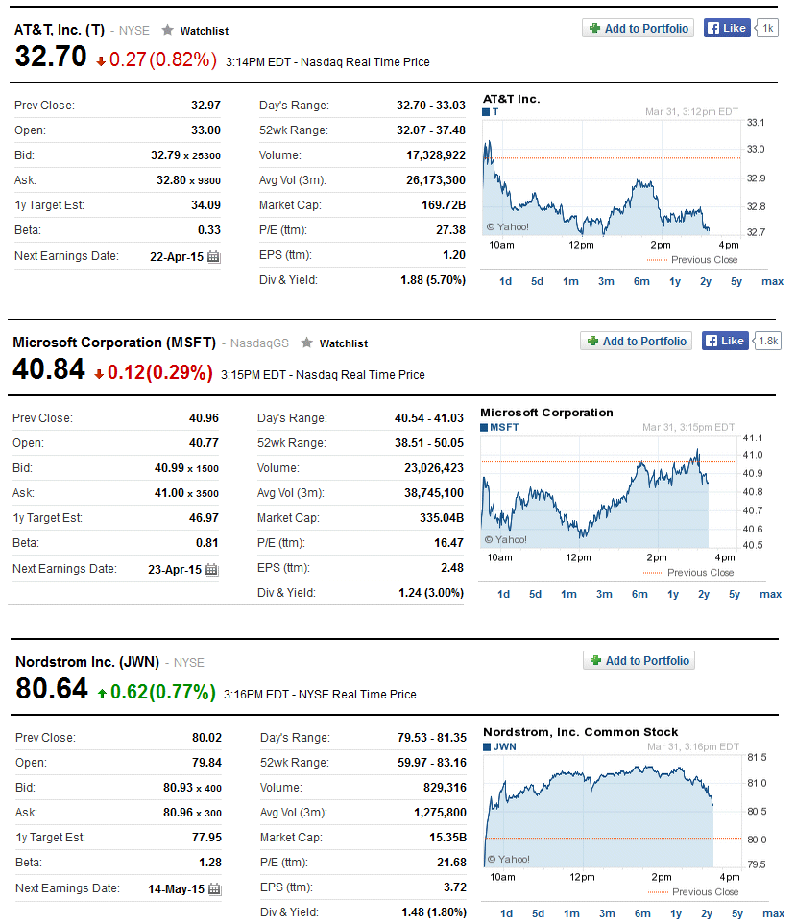
2011-09-01 | 23.71 | 0.17% | 51.38 | -0.93% | 42.6 | 1.00% | 1131.42 | -7.18%
2011-10-03 | 24.74 | 4.34% | 54.54 | 6.15% | 47.27 | 10.96% | 1253.3 | 10.77%
2011-11-01 | 24.46 | -1.13% | 51.5 | -5.57% | 42.45 | -10.20% | 1246.96 | -0.51%
2011-12-01 | 25.52 | 4.33% | 54.57 | 5.96% | 46.6 | 9.78% | 1257.6 | 0.85%
2012-01-03 | 25.19 | -1.29% | 61.51 | 12.72% | 46.29 | -0.67% | 1312.41 | 4.36%
2012-02-01 | 26.2 | 4.01% | 73.09 | 18.83% | 50.52 | 9.14% | 1365.68 | 4.06%
2012-03-01 | 26.75 | 2.10% | 80.79 | 10.53% | 52.5 | 3.92% | 1408.47 | 3.13%
2012-04-02 | 28.58 | 6.84% | 78.69 | -2.60% | 52.63 | 0.25% | 1397.91 | -0.75%
2012-05-01 | 29.68 | 3.85% | 77.85 | -1.07% | 44.87 | -14.74% | 1310.33 | -6.27%
2012-06-01 | 30.97 | 4.35% | 78.69 | 1.08% | 47.07 | 4.90% | 1362.16 | 3.96%
2012-07-02 | 33.35 | 7.68% | 82.3 | 4.59% | 51.28 | 8.94% | 1379.32 | 1.26%
2012-08-01 | 32.22 | -3.39% | 90.03 | 9.39% | 55.03 | 7.31% | 1406.58 | 1.98%
2012-09-04 | 33.15 | 2.89% | 90.28 | 0.28% | 52.51 | -4.58% | 1440.67 | 2.42%
2012-10-01 | 30.77 | -7.18% | 80.56 | -10.77% | 54.02 | 2.88% | 1412.16 | -1.98%
2012-11-01 | 30.36 | -1.33% | 79.57 | -1.23% | 51.73 | -4.24% | 1416.18 | 0.28%
2012-12-03 | 29.99 | -1.22% | 72.35 | -9.07% | 51.17 | -1.08% | 1426.19 | 0.71%
2013-01-02 | 31.35 | 4.53% | 61.92 | -14.42% | 52.82 | 3.22% | 1498.11 | 5.04%
2013-02-01 | 32.36 | 3.22% | 60.36 | -2.52% | 51.86 | -1.82% | 1514.68 | 1.11%
2013-03-01 | 33.06 | 2.16% | 60.53 | 0.28% | 53.11 | 2.41% | 1569.19 | 3.60%
2013-04-01 | 34.16 | 3.33% | 60.55 | 0.03% | 54.42 | 2.47% | 1597.57 | 1.81%
2013-05-01 | 31.9 | -6.62% | 61.9 | 2.23% | 56.85 | 4.47% | 1630.74 | 2.08%
2013-06-03 | 32.28 | 1.19% | 54.58 | -11.83% | 57.93 | 1.90% | 1606.28 | -1.50%
2013-07-01 | 32.57 | 0.90% | 62.29 | 14.13% | 59.19 | 2.18% | 1685.73 | 4.95%
2013-08-01 | 31.24 | -4.08% | 67.51 | 8.38% | 54.15 | -8.51% | 1632.97 | -3.13%
2013-09-03 | 31.23 | -0.03% | 66.06 | -2.15% | 54.61 | 0.85% | 1681.55 | 2.97%
2013-10-01 | 33.88 | 8.49% | 72.42 | 9.63% | 58.76 | 7.60% | 1756.54 | 4.46%
2013-11-01 | 32.95 | -2.74% | 77.5 | 7.01% | 60.74 | 3.37% | 1805.81 | 2.80%
2013-12-02 | 32.9 | -0.15% | 78.19 | 0.89% | 60.34 | -0.66% | 1848.36 | 2.36%
2014-01-02 | 31.6 | -3.95% | 69.76 | -10.78% | 56.09 | -7.04% | 1782.59 | -3.56%
2014-02-03 | 30.28 | -4.18% | 73.78 | 5.76% | 60.03 | 7.02% | 1859.45 | 4.31%
2014-03-03 | 33.26 | 9.84% | 75.25 | 1.99% | 61.3 | 2.12% | 1872.34 | 0.69%
2014-04-01 | 34.3 | 3.13% | 82.73 | 9.94% | 60.15 | -1.88% | 1883.95 | 0.62%
2014-05-01 | 34.08 | -0.64% | 89.24 | 7.87% | 67.13 | 11.60% | 1923.57 | 2.10%
2014-06-02 | 33.97 | -0.32% | 91.71 | 2.77% | 67.01 | -0.18% | 1960.23 | 1.91%
2014-07-01 | 34.64 | 1.97% | 94.34 | 2.87% | 68.29 | 1.91% | 1930.67 | -1.51%
2014-08-01 | 34.02 | -1.79% | 101.66 | 7.76% | 68.63 | 0.50% | 2003.37 | 3.77%
2014-09-02 | 34.29 | 0.79% | 99.92 | -1.71% | 67.76 | -1.27% | 1972.29 | -1.55%
2014-10-01 | 34.35 | 0.17% | 107.11 | 7.20% | 71.96 | 6.20% | 2018.05 | 2.32%
2014-11-03 | 34.89 | 1.57% | 118.46 | 10.60% | 76.01 | 5.63% | 2067.56 | 2.45%
2014-12-01 | 33.12 | -5.07% | 109.95 | -7.18% | 79.03 | 3.97% | 2058.9 | -0.42%
2015-01-02 | 32.92 | -0.60% | 116.7 | 6.14% | 75.85 | -4.02% | 1994.99 | -3.10%
2015-02-02 | 34.56 | 4.98% | 128.46 | 10.08% | 80.43 | 6.04% | 2104.5 | 5.49%
2015-03-02 | 32.97 | -4.60% | 126.37 | -1.63% | 80.02 | -0.51% | 2086.24 | -0.87%

Price stats
The series plots of the 5-year histories of adjusted closing prices show dramatic overall growth, but the relations of their month-to-month changes is not readily apparent.
Descriptive Statistics | Price stats |  |  |  |  |  |  |  | Observation # | 8.000 | 2/24/18 10:11 AM on FACDS2140 - Price stats - Stock_returns_data.xlsx - RegressItPC - Version 2018.02.20
Variable | # Fitted | Mean | Median | Std.Dev. | Root.M.Sqr. | Std.Err.Mean | Minimum | Maximum
SP_500 | 60 | 1,526 | 1,414 | 313.744 | 1,558 | 40.504 | 1,031 | 2,105
ATT | 60 | 28.896 | 30.870 | 4.906 | 29.302 | 0.633 | 18.670 | 34.890
Microsoft | 60 | 69.105 | 66.785 | 24.314 | 73.190 | 3.139 | 32.760 | 128.460
Nordstrom | 60 | 52.514 | 52.505 | 12.882 | 54.045 | 1.663 | 26.440 | 80.430

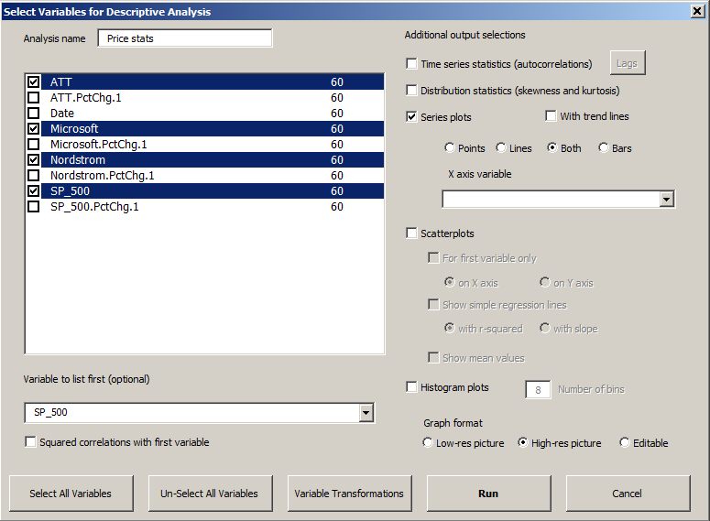
Series Plots |  | Hi-res picture
.

.

.

.

Correlation Matrix (n=60)
Variable | SP_500
SP_500 | 1.000 | ATT
ATT | 0.860 | 1.000 | Microsoft
Microsoft | 0.843 | 0.808 | 1.000 | Nordstrom
Nordstrom | 0.956 | 0.868 | 0.923 | 1.000

End of Output

Return stats
Here the data analysis procedure has been applied to the 4 monthly-return variables with the S&P 500 return selected as the "variable to list first."
The "show-scatterplots-for-first-variable-only-on-X-axis" option has been used to generate scatterplots in which the returns of the 3 stocks are plotted vs. the S&P 500 return, with regression lines and slope coefficients (betas) included on the charts.
The estimated betas for Microsoft and Nordstrom are very close to the current values reported by Yahoo Finance (which are 0.81 and 1.28 respectively). AT&T's estimated beta is a bit higher than the official value (0.427 vs. 0.33).
Descriptive Statistics | Return stats |  |  |  |  |  |  |  |  |  | 1 2 3 4 | Observation # | 8.000 | 2/24/18 10:17 AM on FACDS2140 - Return stats - Stock_returns_stats1.xlsx - RegressItPC - Version 2018.02.20
Variable | # Fitted | Mean | Median | Std.Dev. | Root.M.Sqr. | Std.Err.Mean | Minimum | Maximum | Skewness | Kurtosis
SP_500.PctChg.1 | 59 | 0.010 | 0.018 | 0.038 | 0.039 | 0.004907 | -0.082 | 0.108 | -0.218 | 0.369
ATT.PctChg.1 | 59 | 0.009249 | 0.008984 | 0.042 | 0.042 | 0.005416 | -0.072 | 0.098 | 0.053 | -0.531
Microsoft.PctChg.1 | 59 | 0.024 | 0.022 | 0.071 | 0.075 | 0.009267 | -0.144 | 0.188 | -0.027 | 0.031
Nordstrom.PctChg.1 | 59 | 0.016 | 0.019 | 0.074 | 0.075 | 0.009574 | -0.189 | 0.286 | 0.149 | 3.065

Autocorrelations
Variable | Lag 1 | Lag 2 | Lag 3 | Lag 4
SP_500.PctChg.1 | -0.153 | 0.024 | 0.084 | -0.176
ATT.PctChg.1 | -0.014 | -0.031 | -0.061 | -0.250
Microsoft.PctChg.1 | 0.102 | -0.026 | 0.133 | -0.125
Nordstrom.PctChg.1 | -0.285 | 0.133 | -0.249 | -0.113

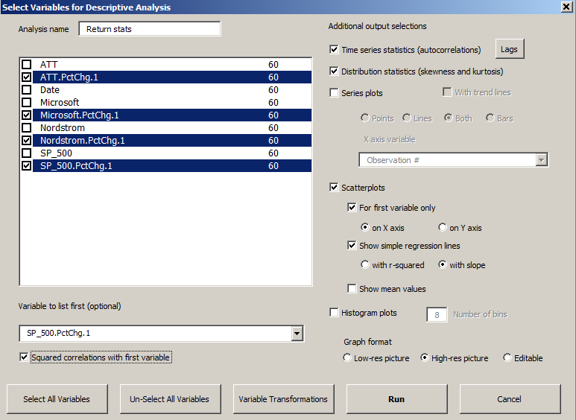
Correlations and Squared Correlations -vs- SP_500.PctChg.1 (n=59)
Variable | Correlation | Squared
SP_500.PctChg.1 | 1.000 | 1.000
ATT.PctChg.1 | 0.386 | 0.149
Microsoft.PctChg.1 | 0.430 | 0.184
Nordstrom.PctChg.1 | 0.645 | 0.416

Scatterplots |  | Hi-res picture
.

End of Output

ATT model
Here are the complete results for the regression of AT&T's return on the S&P 500 return. For a simple regression model, the regression equation is shown in the title of the line fit plot.
The P-value of the A-D* stat is 0.393, indicating that the error distribution is very close to normal. This is also apparent in the very linear pattern that is seen on the normal quantile plot.
The residual autocorrelations are all well below the two-standard-error threshold of statistical significance. Their standard errors are roughly 0.13, as seen in row below the autocorrelation table whose contents have been unhidden.
Model: | ATT model |  |  |  |  |  |  |  |  |  | White | Font | NoHeaders | With P-value | Hi-res picture |  | 1 2 3 4 | No Comment | 2/24/18 10:20 AM on FACDS2140 - ATT model - Stock_returns_stats2.xlsx - RegressItPC - Version 2018.02.20 | 2/24/18 10:20 AM on FACDS2140 - ATT model - Stock_returns_stats2.xlsx - RegressItPC - Version 2018.02.20
Dependent Variable: |  | ATT.PctChg.1 |  |  |  |  |  |  |  |  |  |  |  | ATT model (#vars=1, n=59, AdjRsq=0.134): ATT.PctChg.1 << SP_500.PctChg.1 | No preceding model in this sequence. | ATT model last follower visited was Microsoft model (#vars=1, n=59, AdjRsq=0.17): Microsoft.PctChg.1 << SP_500.PctChg.1 | ATT model following model is Microsoft model (#vars=1, n=59, AdjRsq=0.17): Microsoft.PctChg.1 << SP_500.PctChg.1
 |  |  |  |  |  |  |  |  | R code: | ATT.model <- lm(ATT.PctChg.1 ~ SP_500.PctChg.1, data = BaseballData)
 | R-Squared | Adj.R-Sqr. | Std.Err.Reg. | Std.Dep.Var. | # Fitted | # Missing | t(2.50%,57) | Confidence
 | 0.149 | 0.134 | 0.039 | 0.042 | 59 | 1 | 2.002 | 95.0%

Variable | Coefficient | Std.Err. | t-Statistic | P-value | Lower95% | Upper95% | VIF | Std. Coeff.
Constant | 0.004853 | 0.005227 | 0.928 | 0.357 | -0.005614 | 0.015 | 0.000 | 0.000
SP_500.PctChg.1 | 0.427 | 0.135 | 3.164 | 0.002 | 0.157 | 0.697 | 1.000 | 0.386

 | SP_500.PctChg.1 | StdErrMean | StdErrFcst | Predicted | Lower 95% | Upper 95%
 | -0.082 | 0.013 | 0.041 | -0.030 | -0.112 | 0.052
 | -0.035 | 0.008 | 0.039 | -0.010 | -0.089 | 0.069
 | 0.013 | 0.005 | 0.039 | 0.010 | -0.068 | 0.089
 | 0.060 | 0.008 | 0.040 | 0.031 | -0.049 | 0.110
 | 0.108 | 0.014 | 0.041 | 0.051 | -0.032 | 0.133

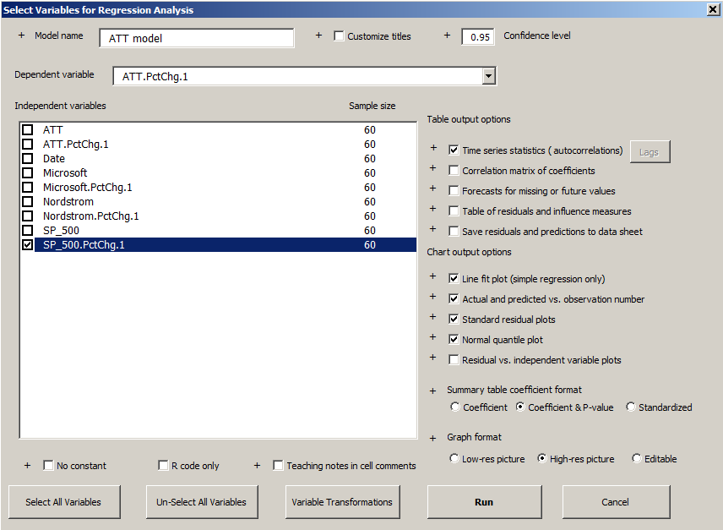

 | Mean Error | RMSE | MAE | Minimum | Maximum |  | A-D* stat | MASE lag 1
Fitted (n=59) | 0.000 | 0.038 | 0.031 | -0.080 | 0.091 |  | 0.39 (P=0.376) | 0.637

Lag | 1 | 2 | 3 | 4
Autocorrelation | -0.043 | 0.018 | -0.048 | -0.188
StdErrorsFromZero | -0.329 | 0.139 | -0.363 | -1.395
Durbin-Watson | 2.044

 |  | TRUE

End of Output

