URL Shortning
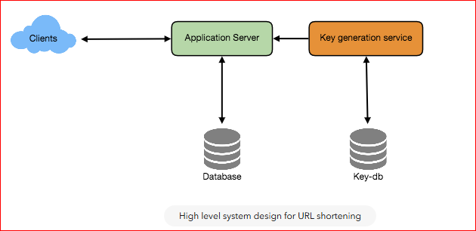
Functional Requirements | 1. Given a URL -> Short Link
 | 2. Access short link, and you will be redirected to original URL
Non Functional Requirements | 1. Highly Available System
 | 2. Real time Redirection (minimal latency)
 | 3. Not Predictable (Cannot guess URL's Randomly)
Capacity Estimation/Constraints | 1. System Is Read heavy (read to write ration is 100:1)
API's | 1. SOAP or REST based API's
 | CreateURL( Original_URL, User_Name = None, Expiry_Date = None) Successful insertion Returns a shorturl, Unsuccessful insertion returns error code
 | DeleteURL(Url_key, user_name=none) Successful deletion return Success code Otherwise error code
 | Note: User name is created to limit the insertion/deletion abuse
Database | NoSQL: DynamoDb or Cassendra. We anticipate to store billions of rows
 | No SQL Scales easily, Since we expect to store billions of rows into database (Each object we store is small)
 | There is no relationship between objects
 | System is Read heavy

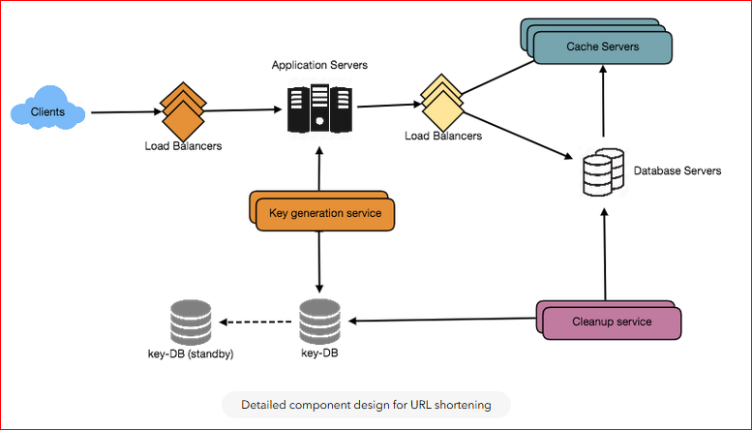
 | Majorly We need 2 tables, One for storing information regarding URL mappings and one for user data
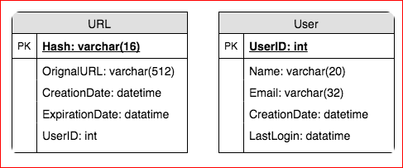

URL Generation | http://abc.com/jlg8zpc. The last six characters of this URL is the short key we want to generate
 | Solution : Key Generation Service
 | Separate service which generates random 6 letter string and stores them in a DB. We pick one for each URL
 | Concurrency Issues? As soon as the key is generated, we might have 2 or more servers trying to read same key. We can use 2 tables, 1 for keys which are read and one for which are un used and keep some keys in cache. App servers should read from the cache and as soon as key is used it should be used into used key database

 | KGS is a single point of failure? Use a standby replica
How would we perform a key lookup? | We can look up the key in our database or key-value store to get the full URL. If it’s present, issue an “HTTP 302 Redirect” status back to the browser, passing the stored URL in the “Location” field of the request. If that key is not present in our system, issue an “HTTP 404 Not Found” status or redirect the user back to the homepage.

DB Partitioning and Look up | Since we are storing billions of URL's we can use a partition scheme, that would divide and store our data in different DB servers
 | 1. Range Based Partitioning: Urls with A in different DB, URL's with B in different servers. This can lead to overloaded partitions
 | 2. Hash based partitioning:In this scheme, we take a hash of the object we are storing. We then calculate which partition to use based upon the hash. A hash function can map hash to a number (1, 2,..256)
Cache | We can cache URLs that are frequently accessed
 | Hot Url's or
 | Eviction Policy: LRU
Load Balancers | Round Robin is good for application servers
Purging | Clean up service to remove old url or expired URL

BookMyShow
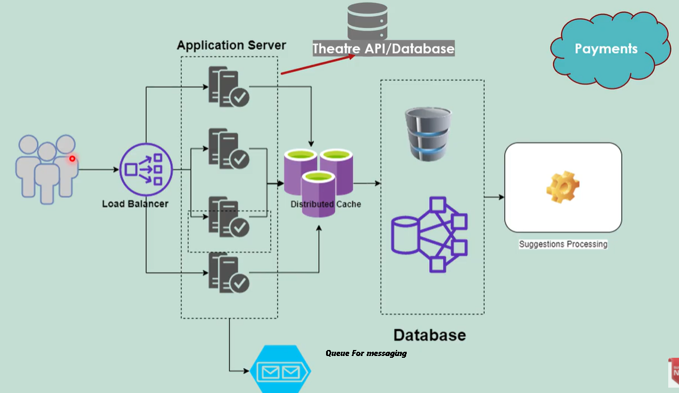
Functional Requirements | Person should be able to book ticket based on: 1. Current city 2. Movie that is playing 3. Theatre near him 4. Select a particular show 5. See the available seat and book it
Non Functional Requirements | 1. System should handle Concurrency 2. System should be secure 3. Available and Scalable
System API's | GetCities()
 | GetTheatreByCities()
 | GetMovieByThreatre()
 | GetAudiByMovie()
 | GetShowByAudi()
 | GetAvailableSeatByShow()
 | BookSeat()
 | SendTicketByMailOrSMS()

Databases | Redis Cache: to store less frequently changing values like city. Threateres in city, Audis, Movies in audi's and timings..
 | SQL database to store the structured data like user data, movie data, movie and threater data, data related to booking etc. | Handeling Concurrency | Since the application servers are distributed the synchronozation of ticket booking cannot happen on application server level
 | NoSQL database can store unstructured dta like user posting review of a movie, ratings, trailer metadata etc.. |  | We need locking on threatre database. It depends on Isolation level of the database (like read commited etc)
 | another unstructured data can be like user visiting perticular genre etc. for analytics |  | Once a seat is selected it will be locked for some time..
High level design | User selects a city, Request a movie, selects a threatre etc..
 | Since these all values can be stored in a distributed cache (like redis) and can be served from there. If these values are not present there they can be pulled from DB
 | Once movie timings is received..Then a call is made to threatre API/database regarding available seats
 | After selecting seats -> Lock that seat in database -> go to payments
 | After successful payment -> Send a response to threatre API to make that seat unavailable
 | Request is snd to messaging queue for sending ticket on mail/sms etc..

Whatsapp
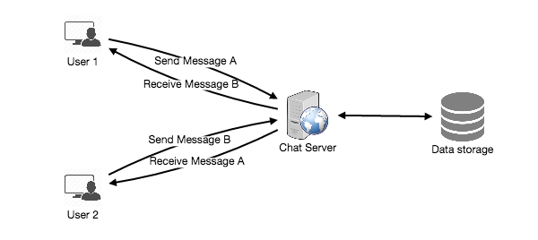
Functional Requirements | 1. One to One message 2. Sent/Delivered/Seen 3. Last Online 4. Media message (Images, Audio, Video) 5. Persistent chat (Save your chat and retrieve even if you have deleted) | 2 guys can easily talk if each of them knows others address. But for a messaging app, we donot know the other persons IP Address. So as a part of building this application we can create an application server (lets say messaging server) and both of these guys will post the message to our server.
Non Functional Requirements | 1. Real Time chat experince
 | 2. Scalable
 | 3. Highly Available (we can tolerate lower availablity in interest of consistency)
 | 4. Highly Consistent

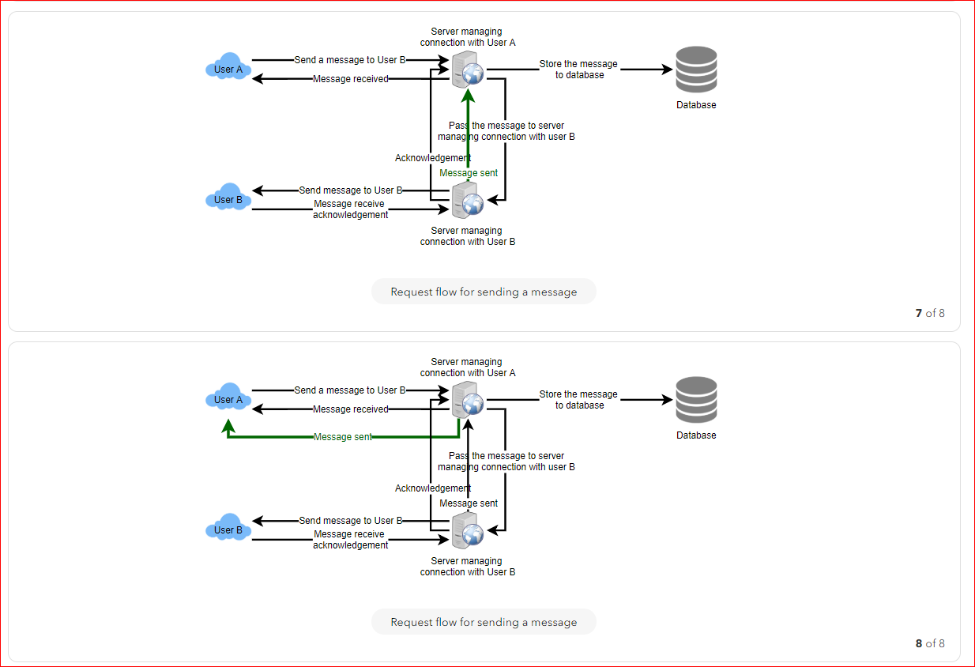
High Level Design | High level 1. Receive incoming messages and deliver outgoing messages. 2. Store and retrieve messages from the database. 3. Keep a record of which user is online or has gone offline, and notify all the relevant users about these status changes.
How would we efficiently send/receive messages? | User connects to server and sends message.
 | To Receive message, we have 2 options
 | 1. Pull Model: User Perodically asks the server for new messages.
 | To Minimize the latency, user need sto ask server quite frequently. And most of the request will return empty response hence it is a waste of resource.
 | 2. Push Model:

PasteBin
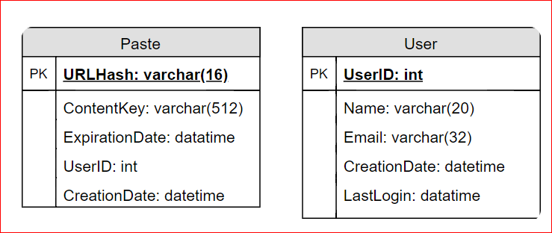
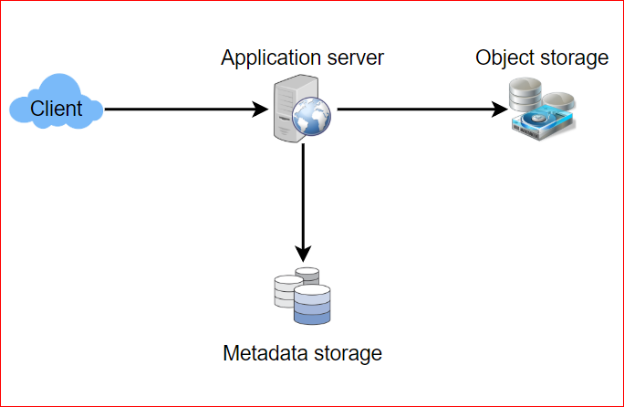
Functional Requirements | 1. Users should be able to upload or “paste” their data and get a unique URL to access it.
 | 2. Users will only be able to upload text.
 | 3. Data and links will expire after a specific timespan automatically; users should also be able to specify expiration time.
Non Functional Requirements | 1. Highly Available
 | 2. Highly Reliable (paste data should not be lost)
 | 3. Minimum Latency (real time)
 | 4 Not Predictable (Paste link should not be guessable)
Design Considerations | Read Heavy
 | Limit on amount of data pasted (not more then 10 MB)
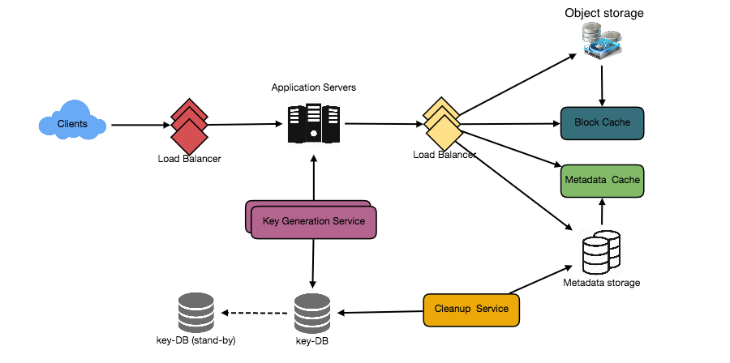
High Level Design | At a high level, we need an application layer that will serve all the read and write requests. Application layer will talk to a storage layer to store and retrieve data. We can segregate our storage layer with one database storing metadata related to each paste, users, etc., while the other storing the paste contents in some object storage (like Amazon S3). This division of data will also allow us to scale them individually.
Data base Design | store billions of records
 | no relationships between records
 | read-heavy system
 | Each metadata object we are storing would be small

 | We would need two tables, one for storing information about the Pastes and the other for users’ data.

Instagram
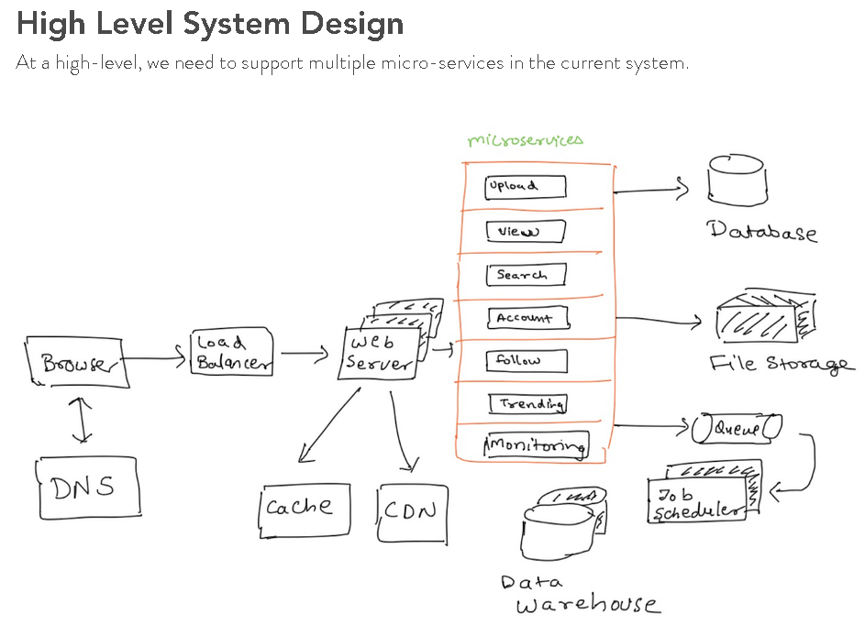
Functional Requirements | 1. Users should be able to upload/download/view photos.
 | 2. Users can follow other users
 | 3. The system should be able to generate and display a user’s News Feed consisting of top photos from all the people the user follows.
 | 4. Users can perform searches based on photo/video titles.
Non-Functional Requirements | Highly Available
 | Highly Reliable (data should not lost)
 | Eventual Consistant (in interest of availablity)
 | Low latency is expected while viewing photos
High Level System Design | At a high-level, we need to support multiple micro-services in the current system.
API Design | We can use REST or SOAP to serve our APIs
 | postMedia(api_dev_key, media_type, media_data, title, description, tags[], media_details)
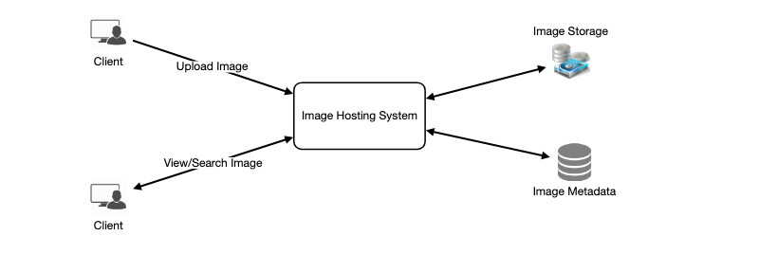
 | api_dev_key is the API developer key of a registered account. We can eliminate hacker attacks with api_dev_key. This API returns HTTP response. (202 accepted if success)
 | getMedia(api_dev_key, media_type, search_query, user_location, page, maximum_video_count = 20)
 | Return JSON containing information about the list of photos and videos. Each media resource will have a title, creation date, like count, total view count, owner and other meta informations.
 | deleteMedia(api_dev_key, ID, type)
 | It will return HTTP response based on your response. 200 If OK, 202 (Accepted) if the action has been queued, or204 (No Content)

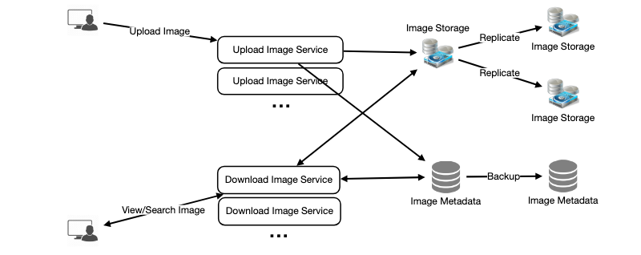
Database | We can store photos in a distributed file storage like HDFS or S3.
 | We need to store information about, Photo, user, and user follow

 | No Sql Database (To scale the data)
 | wide-column datastore like Cassandra
 | Cassandra or key-value stores in general, always maintain a certain number of replicas to offer reliability.

Component Design | Uploading photos is slow and they can eat up the bandwith (Services have the connection limit before designing our system)
 | Split Read/Write
 | Seperating photos read/writ can scale up and optimize each operation independently.

IRCTC
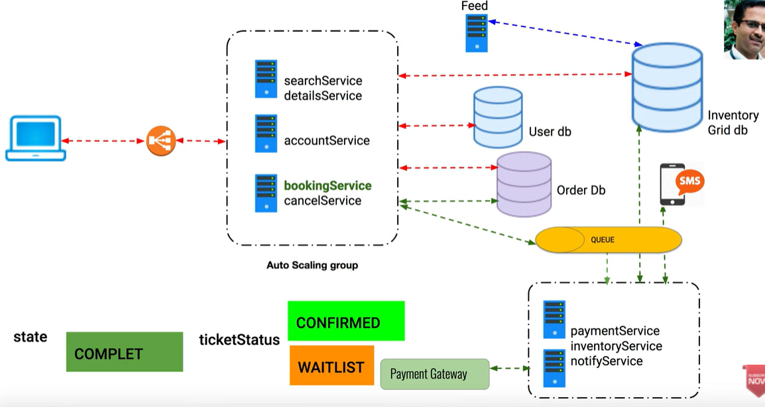
Functional Requirements | 1. Creating User Accounts
 | 2. Searching for trains
 | 3. View Train Details
 | 4. Booking The tickets
 | a. Distributed Transactions in microservices
 | b. Avoiding Duplicate booking (handeling concurrency)
 | 5. Creating Tickets
Non Functional Requirements | 1. Scalable
 | 2. Highly Available
 | 3. Fault Tolerent
 | 4. ACID
System Flow

System API's | accountService ( app_key, username, password)
 | searchService( app_key, startLocation, endLOcation, date, class)
 | detailsService( app_key, startLocation, endLocation, date, class, trainId)
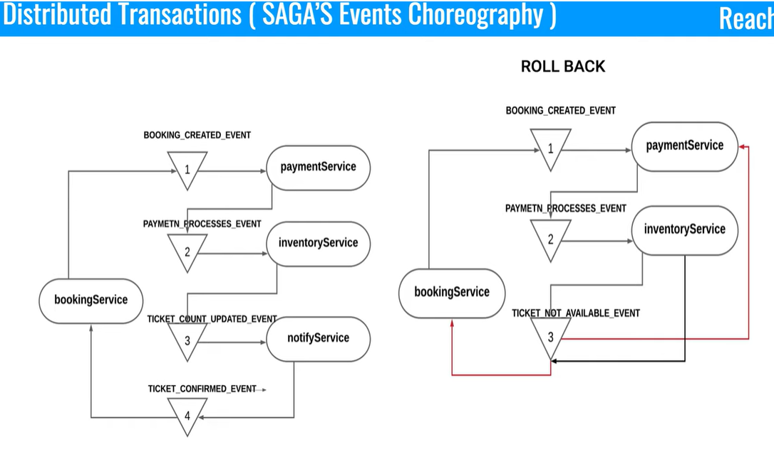
 | bookingService( app_key, startLeg, endLeg, date, class, trainId)
 | paymentService( app_key, cardInfo)
 | notifyService( app_key, email, SMS, userInfo, TicketInfo)
 | cancelService( app_key, PNR)

Database | Since it is microservice based architecture, diffferent schema based on domains in system
 | Prefer NoSQL database.
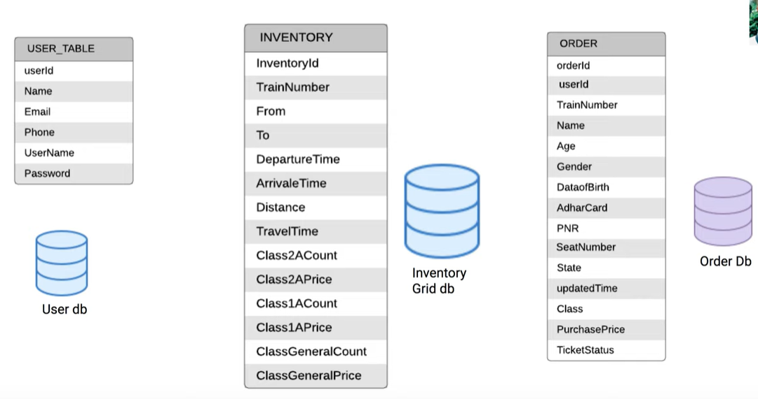

 | User table contains UserInfo
 | Inventory Table contains Train Info given by IRCTC
 | Order table contains the order information.

Concurrency | Queue based microservice architecture in booking service. So any booking will go to queue and hence it will be FIFO. So there will be no issues in concurrency.

FeedGeneration
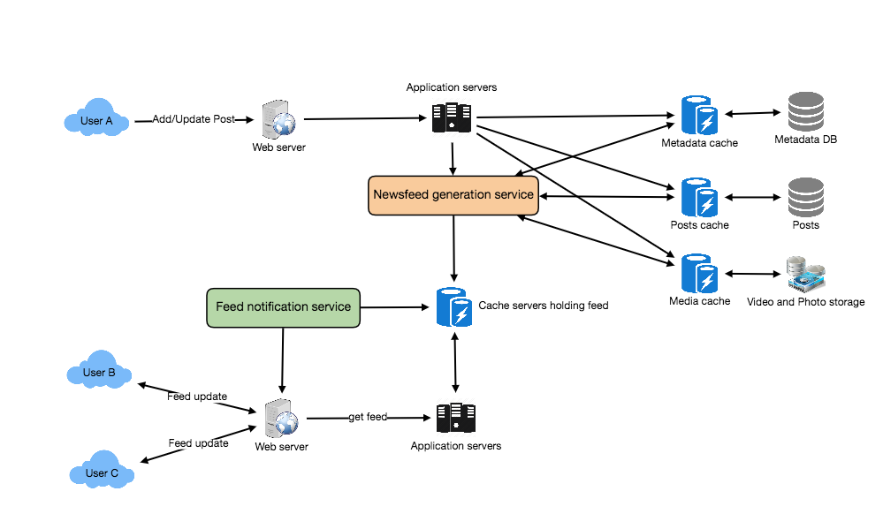
Functional Requirements | 1. Feed Will be generated based on ppl user follow (photo, video, news etc)
 | 2. User can follow other ppl, group celebrity
 | 3. Feeds may contain Images, videos or just text
 | 4. Active users -> append new posts as they arrive
Non Functional Requirements | Minimal Latency (maximum latency permissible is 2-5 sec)
 | Highly availablity and scalablity
System Api's | SOAP or REST APIs
 | GetUserFeed(api_dev_key, user_id, since_id, count, max_id)
 | Returns: (JSON) Returns a JSON object containing a list of feed items.
Database Design | 3 major entities User, Entity (Page, Group, Individual, celebrity etc.) and Feed Item
 | 2 Major relation: User, User follow, Entity (for non individuals)
 | Feed Item, Feed Media and Media
 | We can utilize RDBMS Db type for this.
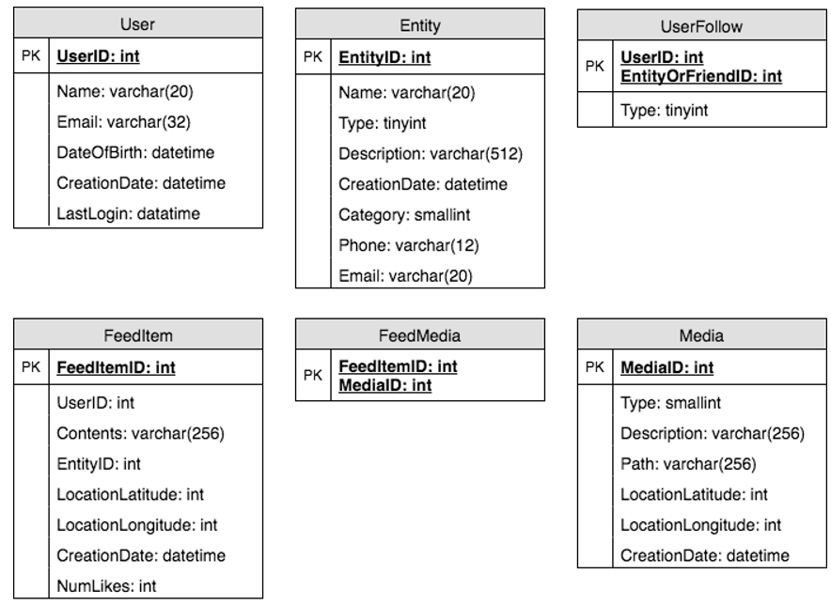

 | Actual Medial should be stored in File storage system or Amazon S3

Detail Components | Feed Generation Service: | Feed publishing |  | Hybrid
 | Runtime feed generation with query is difficult. It will create lot of load on server and huge requests |  | Fan out |  | Pull for celebrity
 | Offline generation for newsfeed: |  | Push the notification on client |  | Push for individual
 | Dedicated servers which contineously generates feed for user and store them in cache. we can simply serve it from the pre-generated, stored location |  | Client itself pulls the the feeds
 | Class{ SortedDictionary<FeedItemId, FeedItem> items; DateTime LastGenerated;}
 | Whenever these servers need to generate the feed for a user, they will first query to see what was the last time the feed was generated for that user. Then, new feed data would be generated from that time onwards. Whenever users want to fetch more feed items, they can send the last FeedItemID they currently see in their newsfeed, we can then jump to that FeedItemID in our hash-map and return next batch/page of feed items from there. |  | Pull model: Client pulls; Manually or at a regular time interval. a) New data might not be shown to the users until they issue a pull request, b) most of the time pull requests will result in an empty response if there is no new data, causing waste of resources.
 | How many items? Depends on user usage pattern |  | Push model: For a push system, once a user has published a post, we can immediately push this post to all the followers.
 | Should we generate (and keep in memory) newsfeeds for all users? |  | To efficiently handle this, users have to maintain a Long Poll request with the server for receiving the updates.
 | 1 approach is LRU cache for users, and remove users who have not accessed their memory for long time. |  | A possible problem with this approach is that when a user has millions of followers (a celebrity-user) the server has to push updates to a lot of people.
 | a smarter solution can figure out the login pattern of users to pre-generate their newsfeed, e.g., at what time of the day a user is active and which days of the week does a user access their newsfeed? etc.

Feed Ranking | Creation Time
 | we can select features that are relevant to the importance of any feed item, e.g., number of likes, comments, shares, time of the update, whether the post has images/videos, etc., and then, a score can be calculated using these features.

Youtube
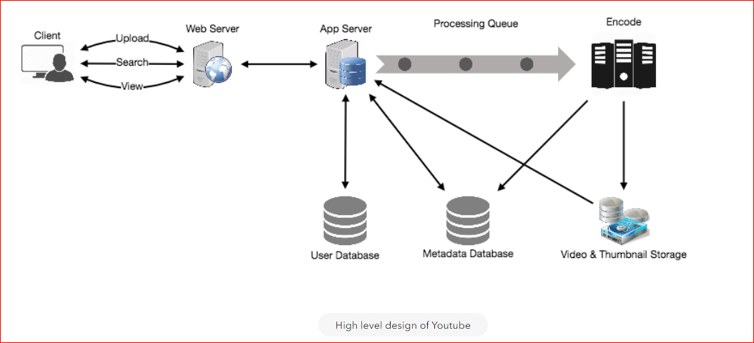
Functional Requirements | 1. Users should be able to upload videos.
 | 2. Users should be able to share and view videos.
 | 3. Users should be able to perform searches based on video titles.
 | 4. Our services should be able to record stats of videos, e.g., likes/dislikes, total number of views, etc.
 | 5. Users should be able to add and view comments on videos.

Non Functional Requirements | highly reliable, any video uploaded should not be lost
 | highly available. Consistency can take a hit (in the interest of availability); Eventual Consistant
 | real time experience while watching videos
 | read-heavy read:write ratio to be 200:1
System APIs | UploadVideos(api_dev_key, video_title, vide_description, tags, category_id, default_language , recording_details, video_contents )
 | VideoContent should be stream type
 | Returns: (string) successful upload will return HTTP 202 (request accepted)
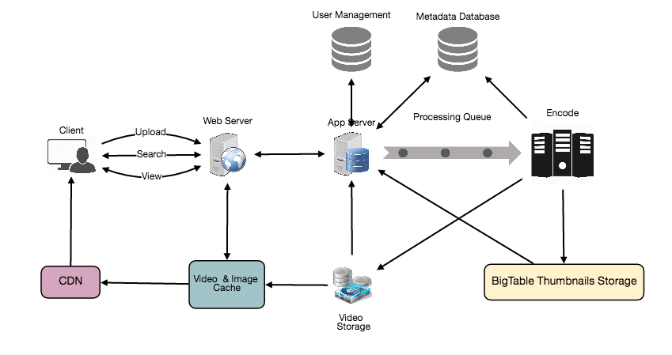
 | once the video encoding is completed the user is notified through email with a link to access the video.

 | SearchVideo(api_dev_key, search_query, user_location, maximum_videos_to_return, page_token )
 | Returns: (JSON) A JSON containing information about the list of video resources matching the search query. Each video resource will have a video title, a thumbnail, a video creation date, and a view count.

 | StreamVideo(api_dev_key, video_id , offset , codec, resolution)
 | offset (number): We should be able to stream video from any offset; this offset would be a time in seconds from the beginning of the video.codec (string) & resolution(string): We should send the codec and resolution info in the API from the client to support play/pause from multiple devices.

Database Schema | Video metadata storage - MySql
 | VIDEO VideoID, Title, Description, Size, Thumbnail, Uploader/User, Total number of likes, Total number of dislikes, Total number of views
 | video comment: CommentID, VideoID, UserID, Comment, TimeOfCreation
 | User: UserID, Name, email, address, age, registration details etc.

 | Where would videos be stored? Videos can be stored in a distributed file storage system like HDFS or Google file system, Amazon S3
 | Where would thumbnails be stored? There will be a lot more thumbnails than videos. Thumbnails are small files like 5KB, and each videos have many thumbnails. Apart from this there will be a lot of requests for thumbnails as youtube page displays a lot of them.NoSQL database Bigtable or DynamoDb can be a reasonable choice here as it combines multiple files into one block to store on the disk and is very efficient in reading a small amount of data. | Cache | We can introduce a cache for metadata servers to cache hot database rows. Using Memcache to cache the data and Application servers before hitting database can quickly check if the cache has the desired rows. Least Recently Used (LRU) can be a reasonable cache eviction policy for our system. Under this policy, we discard the least recently viewed row first.
Detail Design | Read traffic: Segregate read traffic from write traffic. Keep Multiple copies of videos so distribute read traffic on different servers.
 | Video Uploads: Since videos could be huge, if while uploading the connection drops we should support resuming from the same point.
 | Video Encoding: Newly uploaded videos are stored on the server and a new task is added to the processing queue to encode the video into multiple formats. Once all the encoding will be completed the uploader will be notified and the video is made available for view/sharing. | Content Delivery Network (CDN) | A CDN is a system of distributed servers that deliver web content to a user based in the geographic locations of the user
Metadata Sharding | Since we have a high read load, we need to distribute our data onto multiple machines so that we can perform read/write operations efficiently. Many options to shard our data. |  | CDNs replicate content in multiple places. There’s a better chance of videos being closer to the user and, with fewer hops, videos will stream from a friendlier network.
 | UserId: Store data of perticular user on one server. Pass the user to a hash function which will mapt it to database where all of the user meta data is stored. |  | CDN machines make heavy use of caching and can mostly serve videos out of memory.
 | To search videos by title, query all servers and each server will return a set of videos. A centralized server will then aggregate and rank these results .
 | Issues: 1. What if user becomes popular? This can create a lot of request on one server where the user data is stored and hence it a performance bottleneck. 2. Over time, some users can end up storing a lot of videos compared to others. This will lead to ununiform storage.

 | VideoId: Our hash function will map each VideoID to a random server where we will store that Video’s metadata.To find videos of a user we will query all servers and each server will return a set of videos. A centralized server will aggregate and rank these results before returning them to the user.
 | Cache hot videos if a video becomes very popular.

Video Deduplication | Find the duplicated videos as early as uploading it.
 | As soon as any user starts uploading a video, our service can run video matching algorithms (e.g., Block Matching, Phase Correlation, etc.) to find duplications. If already have a copy, stop the upload.
 | If the newly uploaded video is a subpart of an existing video or, vice versa, we can intelligently divide the video into smaller chunks so that we only upload the parts that are missing.

DropBox
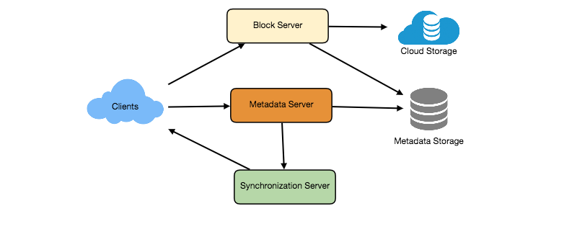
Functional Requirements
 | 1. Upload/Download files from any device (Large Files Up to GB)
 | 2. Share it with other users
 | 3. Automatic synchronization b/w various devices. After uploading file from one device it should be in sync with other devices
 | 4. ACID (Atomicity, Consistency, Isolation and Durability) for file operations
 | 5. Offline Editing. Sh user can add/edit/delete files offline and when they come online their changes should be synced
 | 6. Versioning of file systems while editing?
Non Functional Requirements | 1. High Availability
 | 2. Reliablity And Durability
 | 3. Scalable
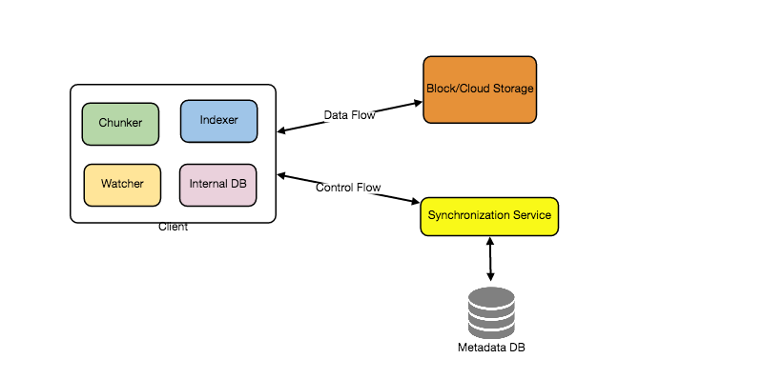
Considerations | 1. Huge Read Write volumes
 | 2. Read to write ratio is almost same
 | 3. Store file in chuncks. So in case of any failed upload only remaining chunks should be uploaded to save the bandwidth
 | 4. Keeping a local copy on client can save lot of traffic (like for any update, send only perticular chunk etc.)
High Level Design | 1. Block servers will work with the clients to upload/download files from cloud storage
 | 2. Metadata servers will keep metadata of files updated in a SQL or NoSQL database
 | 3. we need to store files and their metadata information like File Name, File Size, Directory, etc., and who this file is shared with in some database
 | 4. Synchronization servers will handle the workflow of notifying all clients about different changes for synchronization
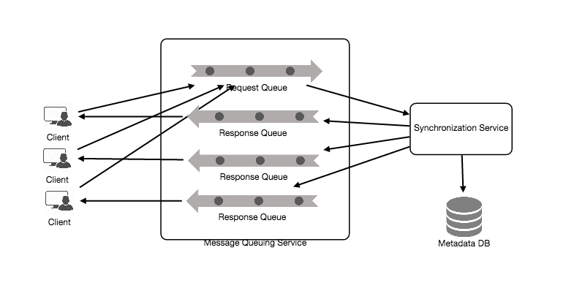
Component Design
Client | Here are some of the essential operations for the client: 1. Upload and download files. 2. Detect file changes in the workspace folder. 3. Handle conflict due to offline or concurrent updates.
 | How do we handle file transfer efficiently? break each file into smaller chunks.
 | Keeping a local copy of metadata with client will not only enable us to do offline updates but also saves a lot of round trips to update remote metadata.
 | 1. Internal Metadata Database will keep track of all the files, chunks, their versions, and their location in the file system.
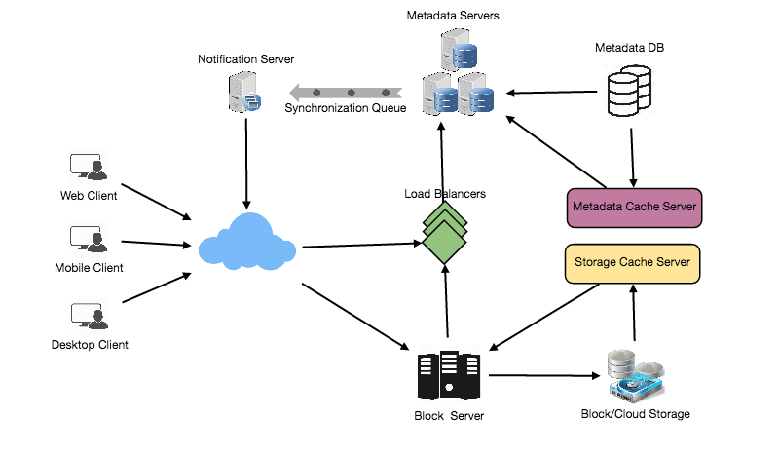
 | 2. Chunker will split the files into smaller pieces called chunks. It will also be responsible for reconstructing a file from its chunks. Our chunking algorithm will detect the parts of the files that have been modified by the user and only transfer those parts to the Cloud Storage; this will save us bandwidth and synchronization time.
 | 3. Watcher will monitor the local workspace folders and notify the Indexer (discussed below) of any action performed by the users, e.g. when users create, delete, or update files or folders. Watcher also listens to any changes happening on other clients that are broadcasted by Synchronization service.
 | 4. Indexer will process the events received from the Watcher and update the internal metadata database with information about the chunks of the modified files.
Metadata Database
 | 1. Versoning 2. metadata information about files/chunks, users, and workspaces.
 | Can be SQL or NoSQL (like DynamoDB) but Sync Service should be able to provide consistant view of the files (ACID).
 | SQL Db supports ACID properties Using No SQL DB We need to provide these properties programmatically.
 | The metadata Database should be storing information about following objects: 1. Chunks 2. Files 3. User 4. Devices 5. Workspace (sync folders)
Synchronization Service | Manages the metadata and Synchronizes the user files
 | if client goes offline, as soon as they go online it checks with the metadata database for consistency. For any update it also notifies all of the other clients.
 | For scalability, we can use messaging queue and a change notification to support large number of clients.
Message Queuing Service | The Message Queuing Service should be able to efficiently store any number of messages in a highly available, reliable and scalable queue
 | Request Queue is a global queue and all clients will share it. Client request to update the metadata will be send to messaging queue and from there synchronization service will take it up to update the database
 | The Response Queues that correspond to individual subscribed clients are responsible for delivering the update messages to each client. we need to create separate Response Queues for each subscribed client to share update messages so that the updates are shared as soon as possible
Cloud/Block Storage | stores chunks of files uploaded by the users
 | any storage either in the cloud or in-house
Metadata Partitioning | Hash-Based Partitioning: take a hash of the object we are storing and based on this hash we figure out the DB partition to which this object should go.
 | Our hashing function will randomly distribute objects into different partitions, e.g., our hashing function can always map any ID to a number between [1…256], and this number would be the partition we will store our object

Spotify
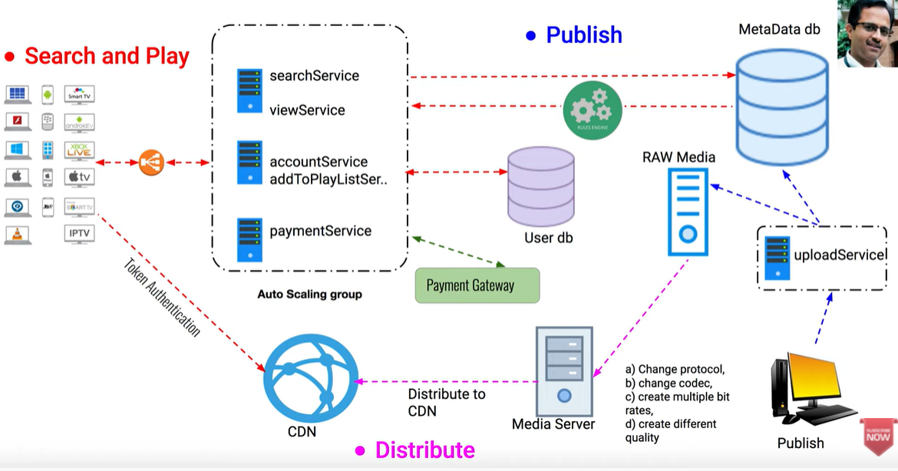
Functional Requirements | Create account
 | Upload music by a publisher
 | Distribute the music
 | Search for the music
 | Play the music
 | Add to a playlist
Non Functional Requirement | High availablity
 | Good performance and robust
 | Scalable

System API's | AccountService(app_key, username, pasword)
 | uploadService( app_key, albumType, artists, market, labels, name, releaseDate, tracks, restrictions, url)
 | searchService( app_key, market, albumTitle, trackTitle)
 | addToPlayListService(app_key, playlistID, trackId)
 | viewService( app_key, songId)
 | paymentService( app_key, cardInfo)
Database | For users NoSql (MongoDB, Cassendra) to scale for large user base
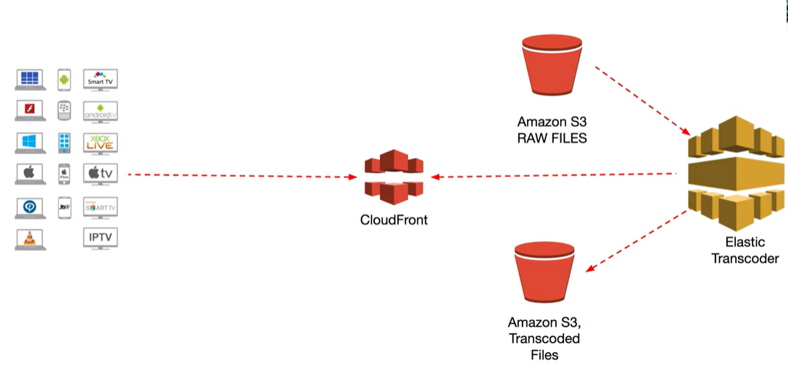
 | SQL can also work
 | For Metadata No SQL to scale the database
 | Below are the minimum viable table
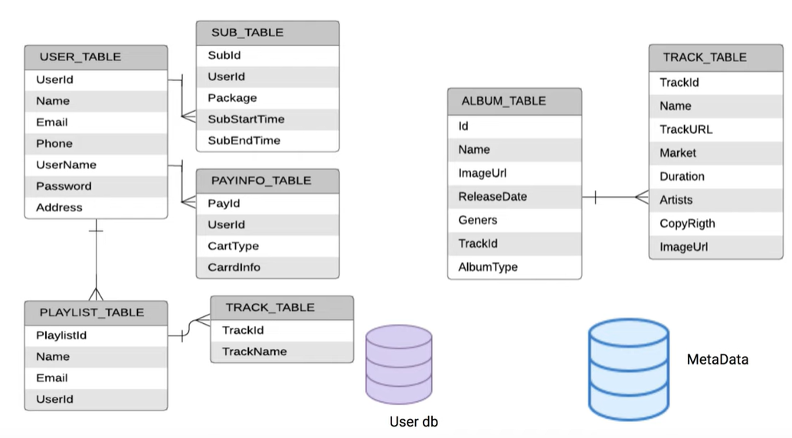

 | For Raw music data you can use file storage or Amazon S3 buckets
Steps | 1. Capture (from Publisher)
 | 2. Compress
 | 3. Package (Send it across the internet. You might want to break the file to chunks)
 | 4. Convert (Convert files of different quality for different devices)
 | 5. Distribute (From media Server to CDN's)
 | 6. Play on client's device

OlaUber
Functional Requirements | A Rider should be able to book a cab | There are two kinds of users in our system: 1) Drivers 2) Customers. • Drivers need to regularly notify the service about their current location and their availability to pick passengers. • Passengers get to see all the nearby available drivers. • Customer can request a ride; nearby drivers are notified that a customer is ready to be picked up. • Once a driver and a customer accept a ride, they can constantly see each other’s current location until the trip finishes. • Upon reaching the destination, the driver marks the journey complete to become available for the next ride.
 | System should show ETA and approx price of the ride
 | Once the ride starts the location should be tracked
 | Profile of rider and driver should be displayed
Non Functional Requirements | Highly Available
 | Scalable
 | Low Latency (Atleast should not wait the rider long for booking 30 sec - 1 min is fine)
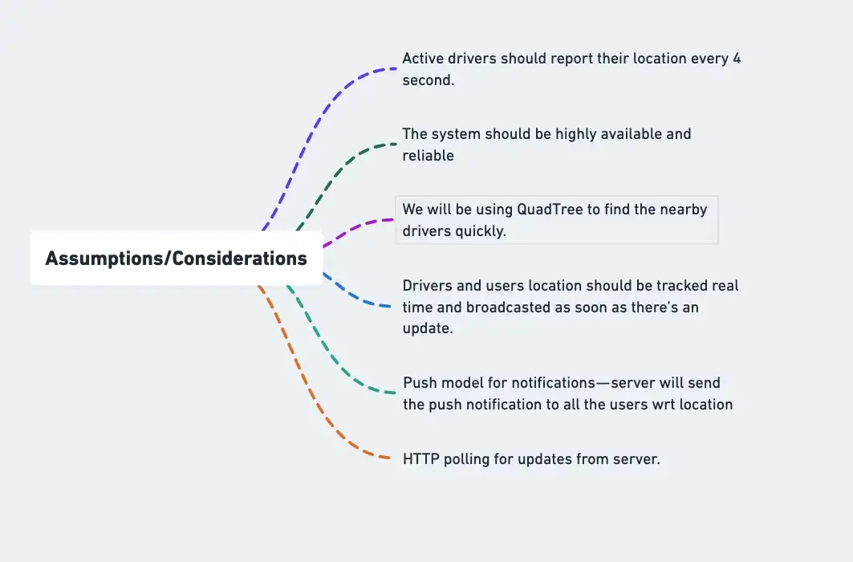
 | Consistant (Booked a cab 1 and cab 2 arrived)
System API's | SOAP or REST APIs to expose the functionality of our service
 | User
 | FindNearByDrivers(Api_dev_key, userId, currentLocation)
 | RequestRide(API_dev_Key, userid, current_Location, Desitnation)
 | Driver
 | AcceptRide(Api_dev_key, driver_id, user_id, trip_id)
Data Model | User
 | user_id : Int
 | username: String
 | password : String
 | Location : String ( can be int if considered as latitude and longitude)
 | user_trips_details : String
 | Driver
 | driver_id: String
 | driver_name: String
 | driver_contactno : Int
 | driver_location: String ( can be int if considered as latitude and longitude)
 | trip_details: String
 | availability_status : String
 | Trip
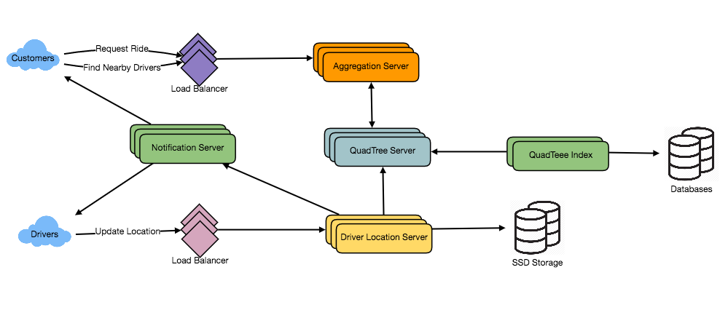
 | trip_id: long
 | pickup_location: String ( can be int if considered as latitude and longitude)
 | drop_location: String ( can be int if considered as latitude and longitude)
 | userid: Int
 | driverid: Int
 | notifications : String
 | rating:String
 | price : String
 | reviews:String
Key Components | Geospatial database — It’s a database which stores, queries and indexes the spatial data in an efficient manner. It represents objects that are defined in a geo space. Example — PostGIS, Redis Geohash
 | Dynamic size grids: Divide the world in grids depending on population density. Densly populated area the grid can be small and sparsely populated area, the grid can be large. We can store the data in Quad tree i.e. Tree based database.
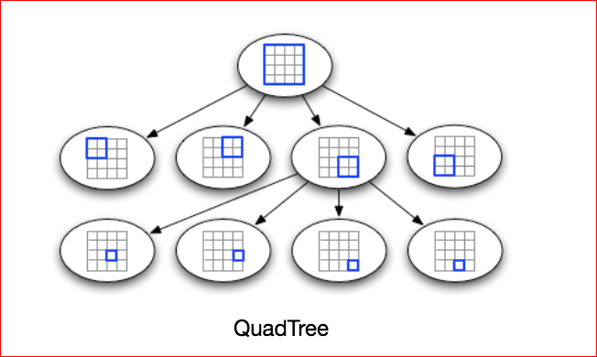
 | QuadTree Indexing — In this, the quad tree divides/separates the plane into four quads. it has one root node and four sub quad tree which has exactly four children. It’s a simple technique that is used for indexing spatial data where root represents the entire area and each internal node represents one area ( quadrant) covered into half along both axes.
Basic Design | Updating QUAD tree: Our Drivers will send location updates every 3 seconds. However we do not need to update our Quad tree very frequently. So for lesser update we can have a hashtable and update the latest position of drivers in hash table. We can update our QUAD tree less frequently in every 15 seconds. lets say it DriverLocationHash
 | How can we efficiently broadcast the driver’s location to customers? Using push notification, We can have a dedicated Notification Service that can broadcast the current location of drivers to all the interested customers.
 | Can implement notification service using pulisher subscriber model or Observer design pattern
 | When a customer opens the Uber app on their cell phone, they query the server to find nearby drivers. On the server side, before returning the list of drivers to the customer, we will subscribe the customer for all the updates from those drivers.
 | Notification service: We can either use HTTP long polling or push notifications.

Detail Design | How would “Request Ride” use case work?
 | 1. The customer will put a request for a ride.
 | 2. One of the Aggregator servers will take the request and asks QuadTree servers to return nearby drivers.
 | 3. The Aggregator server collects all the results and sorts them by ratings.
 | 4. The Aggregator server will send a notification to the top (say three) drivers simultaneously, whichever driver accepts the request first will be assigned the ride. The other drivers will receive a cancellation request. If none of the three drivers respond, the Aggregator will request a ride from the next three drivers from the list.
 | 5. Once a driver accepts a request, the customer is notified.

