Sheet1
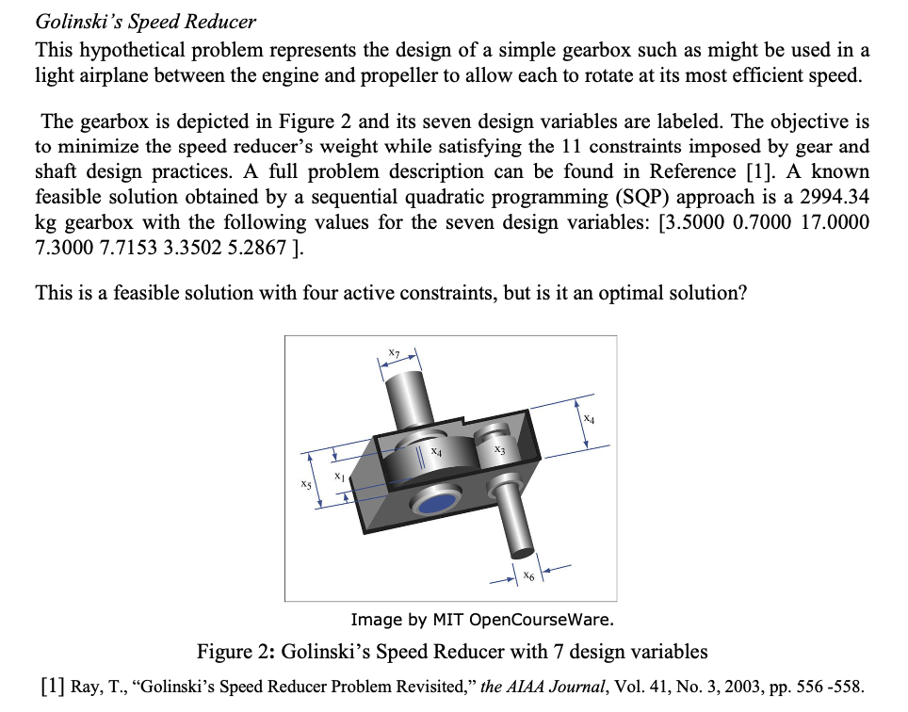

 | Variables | X1 | X2 | X3 | X4 | X5 | X6 | X7
 |  | 3.5 | 0.7 | 17 | 7.3 | 7.7138884066 | 3.3433777823 | 5.2853530969

 | Objective Function |  | 2991.7585811

 | Constraints |  |  |  |  |  |  | The solution as obtained by running solver with given constraints in the problem has given same optimum (minimum) solution as given in the question. Hence, we can say that Golislki speed reducer produces maximum speed with variables [X1, X2, X3, X4, X5, X6, X7] = [3.5, 0.7, 17, 7.3, 7.71388841, 3.34337778,5.2853531] and that this solution set is not just a feasible solution but also an optimum one. GRG Non Linear algorithum found the optimum in 26 iterations, used precision value of 0.000001, population size=100, and convergence 0.0001. Answer resport in next seet summarises objective cell, variable cell and constraints. Sensitivity report in sheet3 gives us respective Lagrange multiplier corresponding to each constraint. Limit report helps objective function value as variables vary from lowest possible limts to highest/upper possible limits.

 |  |  | Variables
 | 2.6 | <= | 3.5 | <= | 3.6
 | 0.7 | <= | 0.7 | <= | 0.8
 | 17 | <= | 17 | <= | 28
 | 7.3 | <= | 7.3 | <= | 8.3
 | 7.3 | <= | 7.7138884066 | <= | 8.3
 | 2.9 | <= | 3.3433777823 | <= | 3.9
 | 5 | <= | 5.2853530969 | <= | 5.9

 | Constraints |  | 0.9260847196 | <= | 1
 |  |  | 0.80200147286 | <= | 1
 |  |  | 0.50493691172 | <= | 1
 |  |  | 0.095396925343 | <= | 1
 |  |  | 1.0000004211 | <= | 1
 |  |  | 1 | <= | 1
 |  |  | 0.2975 | <= | 1
 |  |  | 1 | <= | 1
Objective Function |  |  | 0.41666666667 | <= | 1
 |  |  | 0.94726940732 | <= | 1
 |  |  | 1 | <= | 1

